F.3.4 Steel Tube
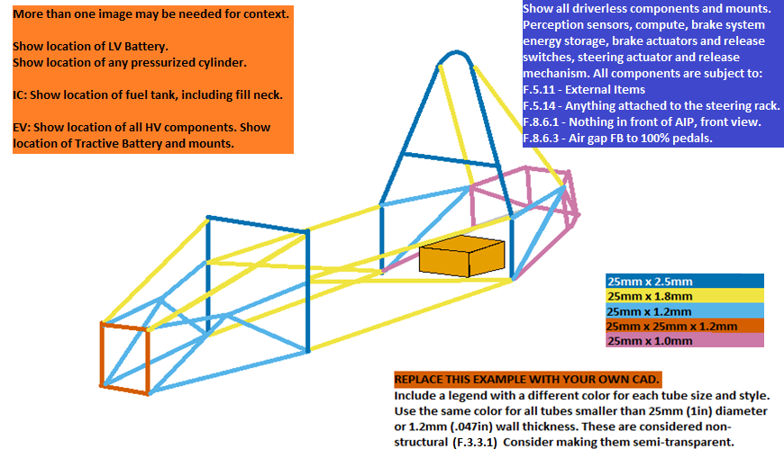
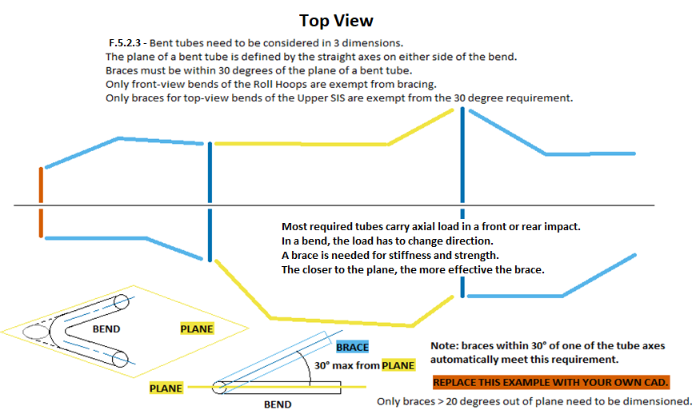
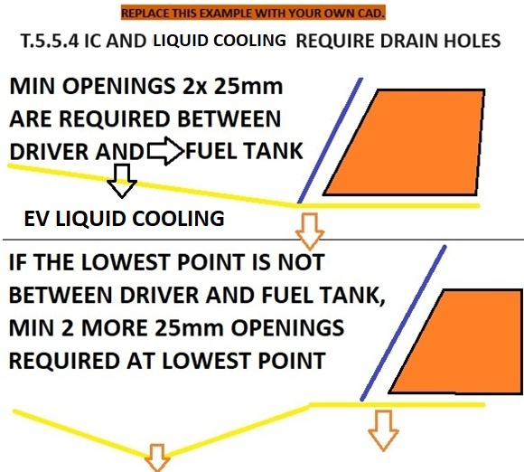
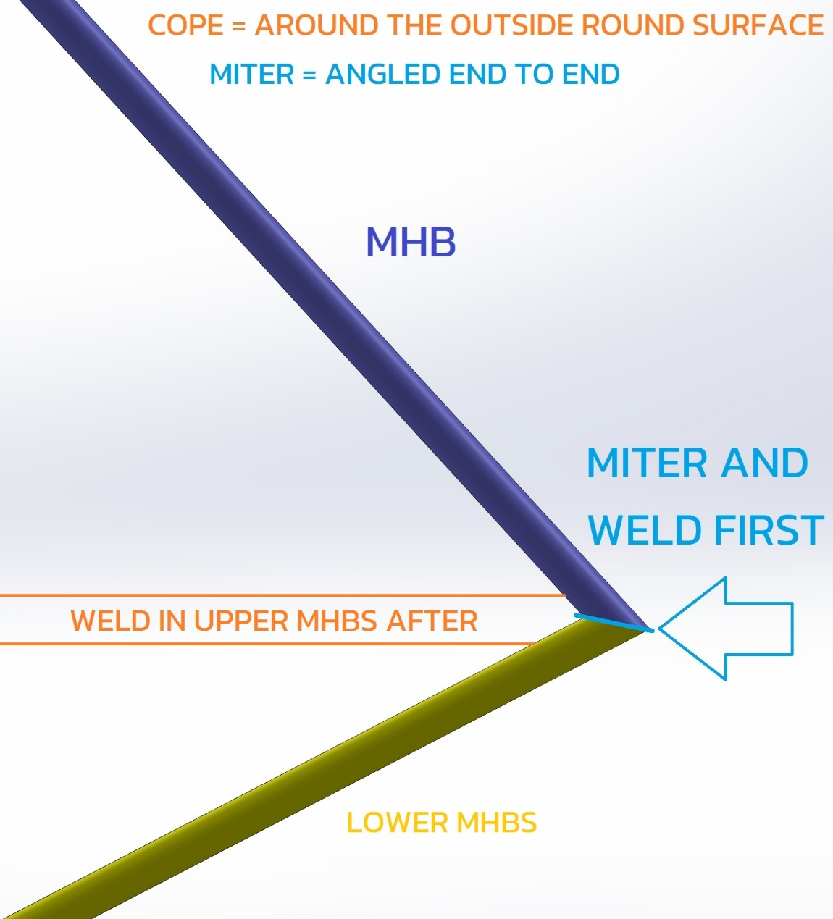
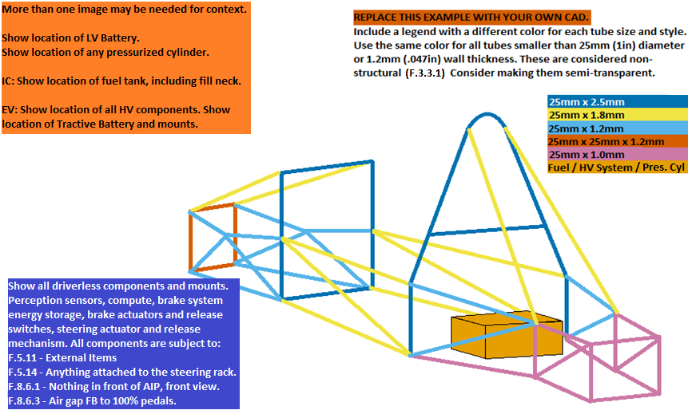
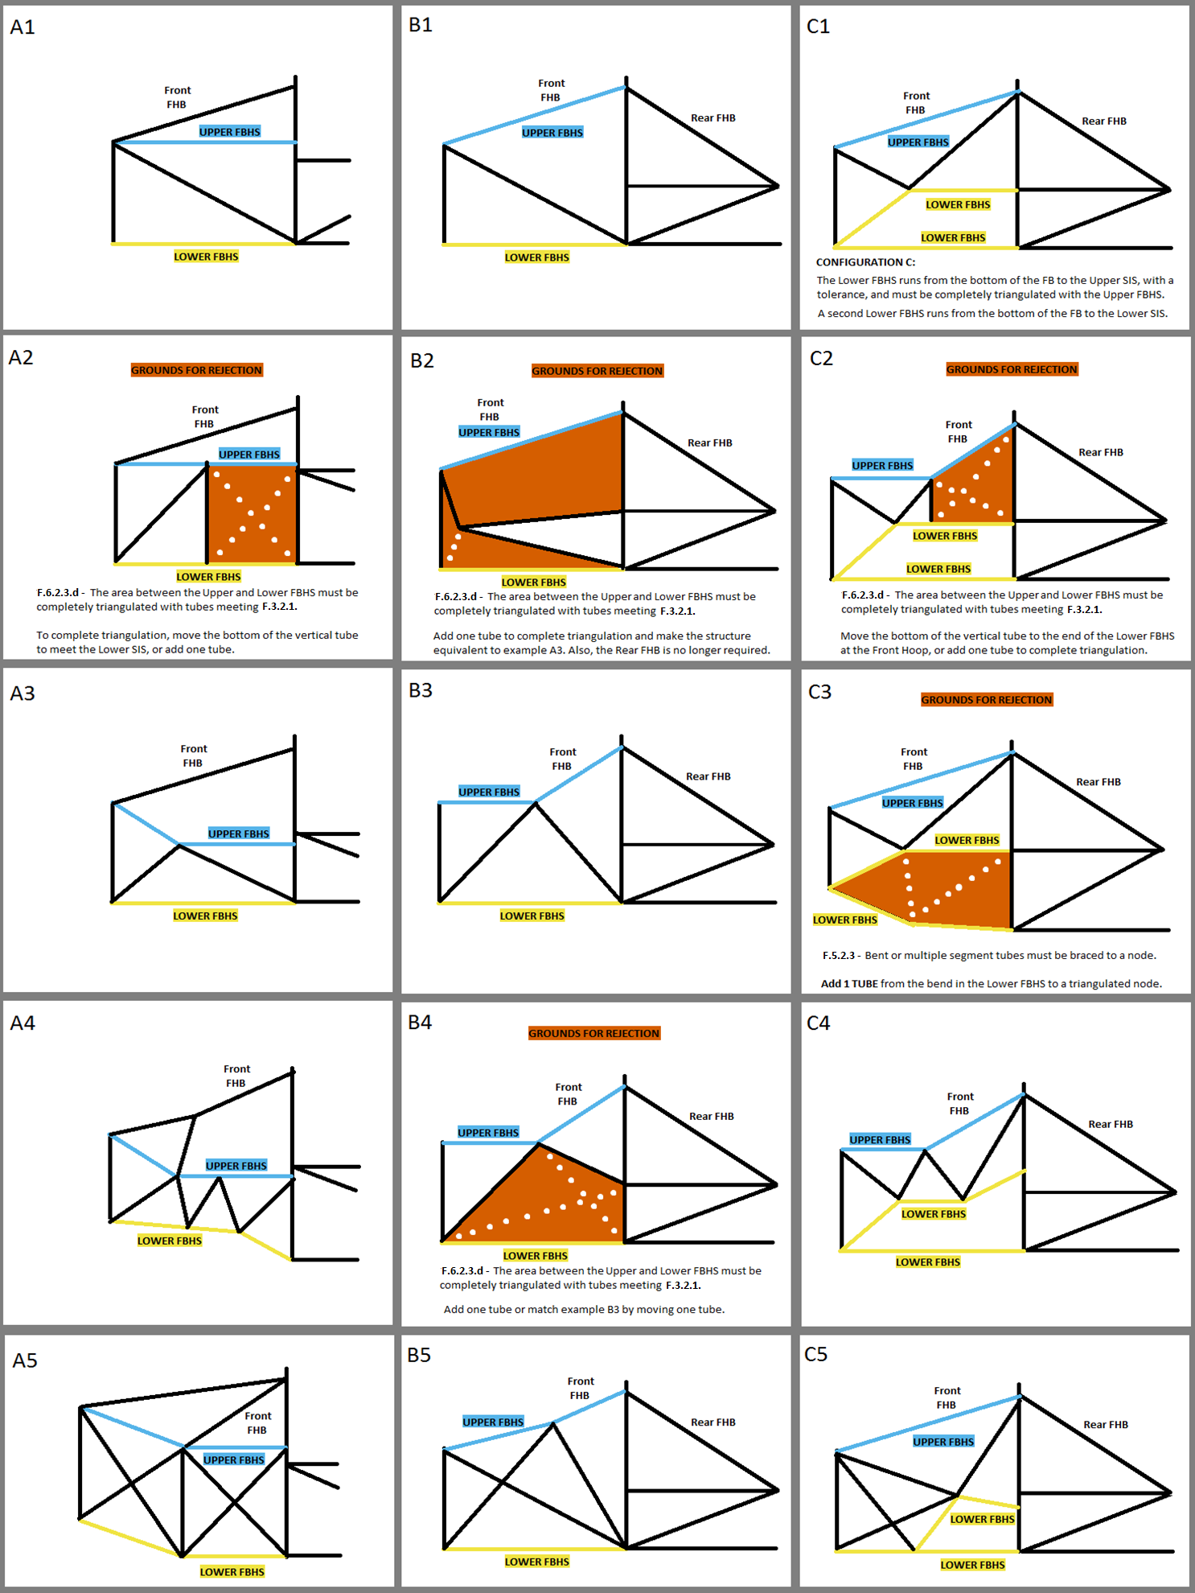
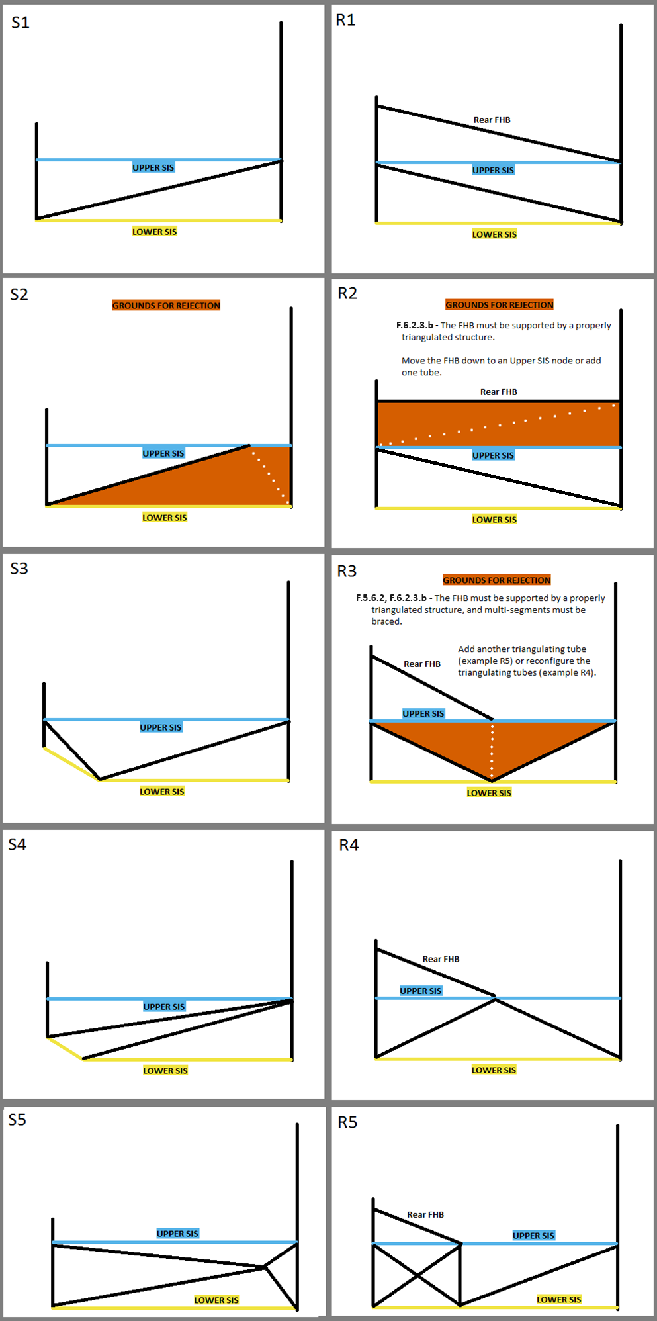
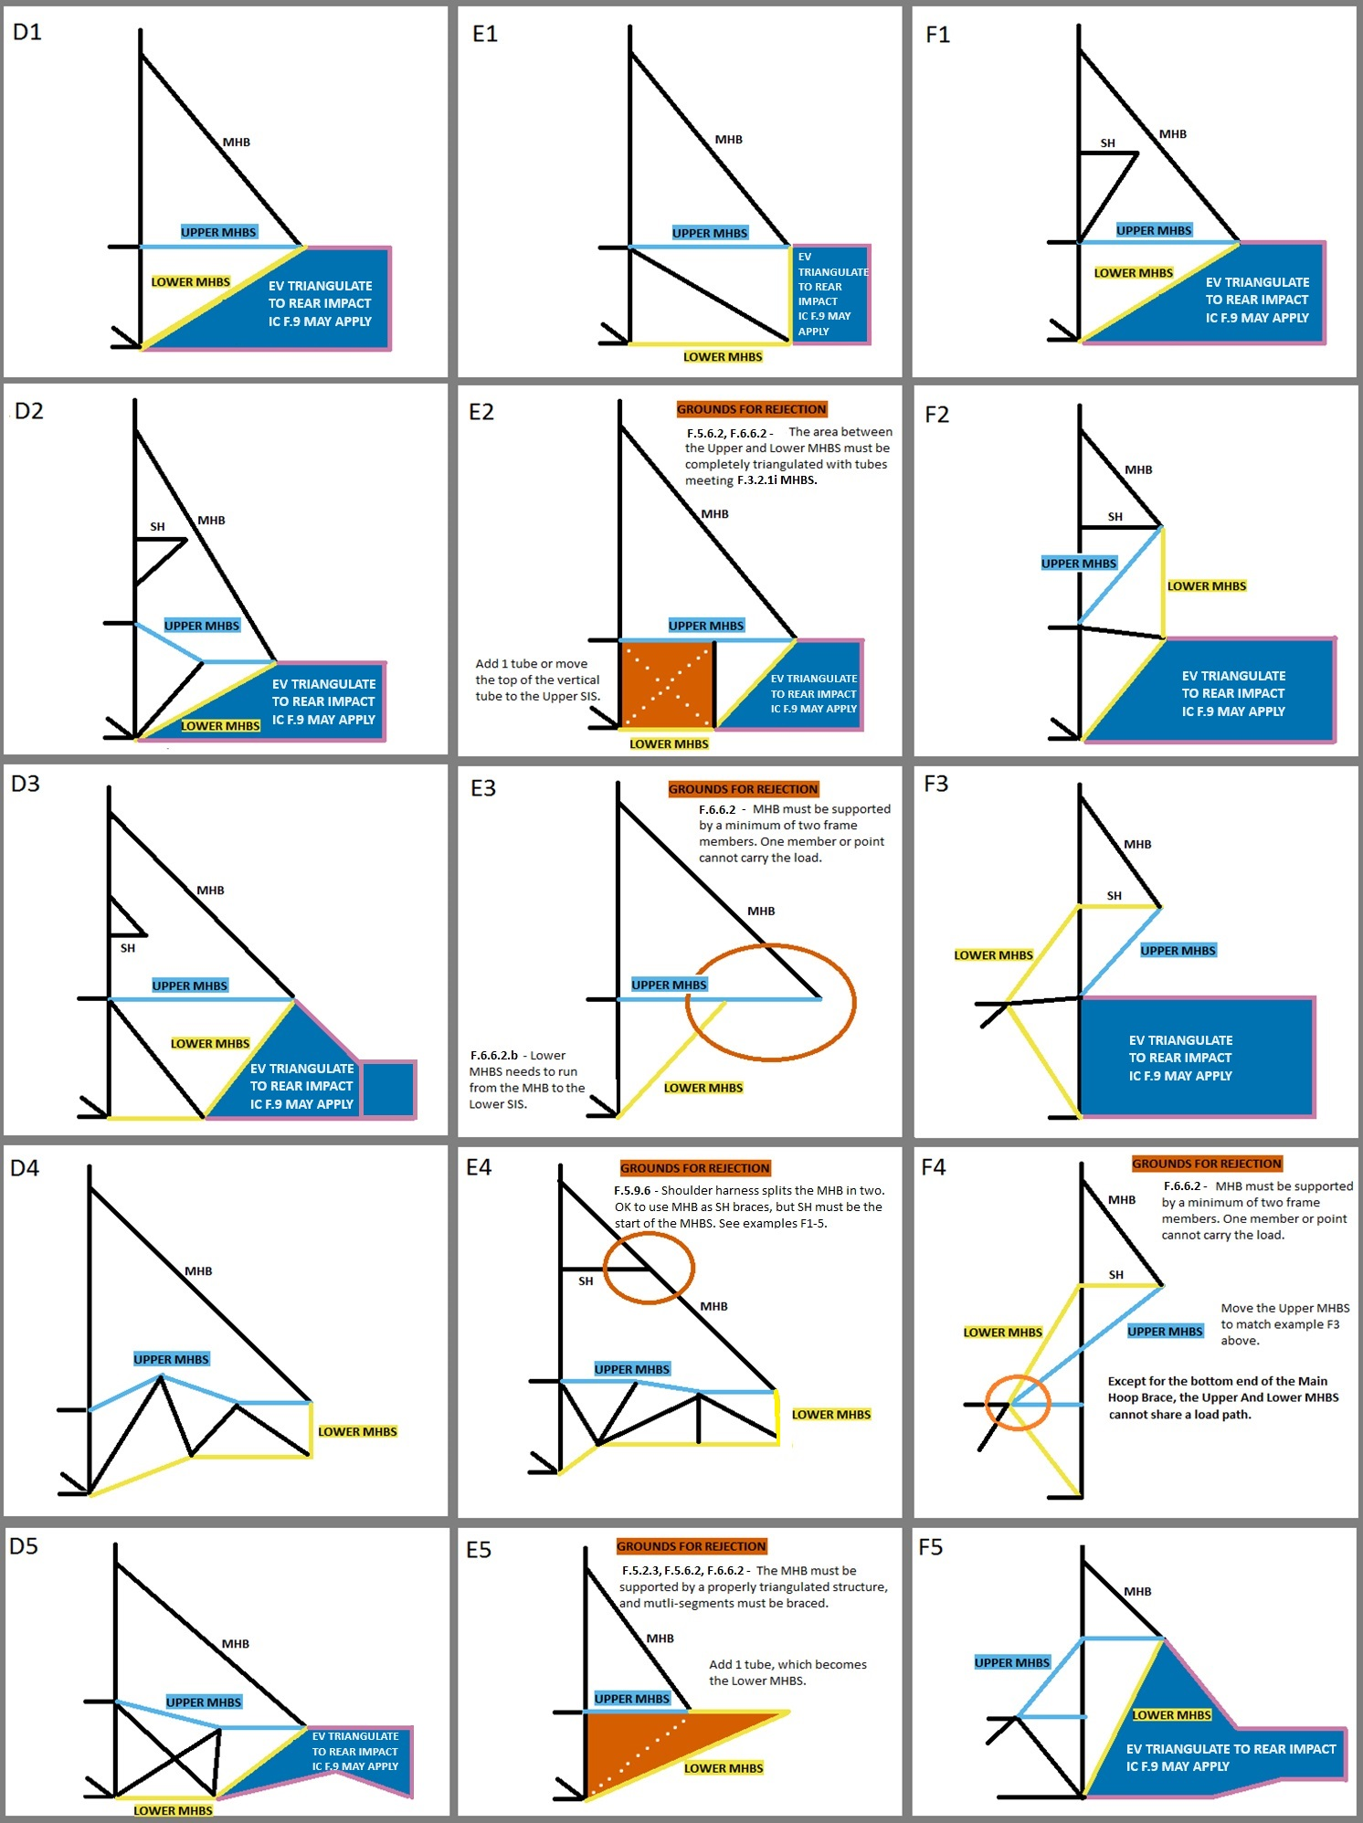
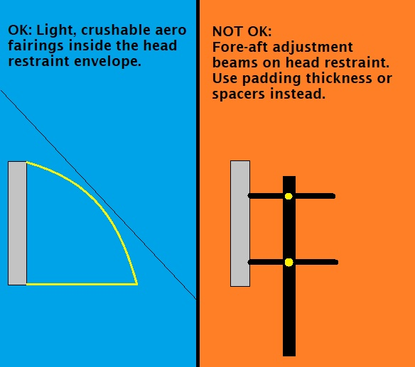
 | University Name |  |  |  |  |  |  | BLANK |  | 2027 | FSAE Structural Equivalency Spreadsheet (SES) |  |  |  |  |  |  |  |  |  |  | Steel Tube | 1.1 | SES Bug Reporting |  |  | Do not delete any tabs aside from extra F.4.2 Composite. |  |  |  |  |  |  |  |  |  |  |  |  |  |  |  |  |  |  |  |  |  |  |  |  |  |  |  |  |  |  |  |  |  |  |  |  |  |  |  |  |  |  |  |  |  |  |  |  |  |  |  |  |  |  |  |  |  |  |  |  | F.3.2.1 | F.3.4.1 |  |  | FBHS: Some examples and explanations for configurations A, B, and C. | SIS Examples | SIS with Rear FHB (or Forward MHB) | MHBS examples and explanations. | Using Shoulder Harness Bar/Braces | Head Restraint Protection
 | Team Name |  |  |  |  |  |  | BLANK |  |  |  |  |  |  |  |  |  |  |  |  |  |  |  | 1.1 |  |  | Guidance images may be deleted. |  |  |  |  |  |  |  |  |  |  |  |  |  |  |  |  |  |  |  |  |  |  |  |  |  |  |  |  |  |  |  |  |  |  |  |  |  |  |  |  |  |  |  |  |  |  |  |  |  |  |  |  |  |  |  |  |  |  |  |  | A round tube which is both the Minimum Diameter and the Minimum Wall Thickness may not meet
 | Competitions | May - IC |  | June - EV | Other - Edit | Other - Edit |  | EQ |  | There are two versions of the 2027 SES: Steel Tube and Monocoque/Hybrid/Aluminum. |  |  |  |  |  |  |  |  |  |  |  |  |  | Welded / Bolted Activation |  |  |  |  |  |  |  |  |  |  |  |  |  |  |  |  |  |  |  |  |  |  |  |  |  |  |  |  |  |  |  |  |  |  |  |  |  |  |  |  |  |  |  |  |  |  |  |  |  |  |  |  |  |  |  |  |  |  |  |  |  |  |  | the Moment of Inertia and Cross Sectional Area Requirements.
 | Car Numbers |  |  |  |  |  |  | BLANK |  | Aluminum equivalance may be used in the Steel Tube SES for Anti-Intrusion, EV Rear Impact, or Tractive Battery Containers and Mounting. |  |  |  |  |  |  |  |  |  |  |  |  |  |  |  |  | Show dimensions in images, preferably not drawn on. |  |  |  |  |  |  |  |  |  |  |  |  |  |  |  |  |  |  |  |  |  |  |  |  |  |  |  |  |  |  |  |  |  |  |  |  |  |  |  |  |  |  |  |  |  |  |  |  |  |  |  |  |  |  |  |  |  |  |  |  | A square tube which is both the Minimum Width and the Minimum Wall Thickness always meets
 | Team Contact(s) |  |  |  |  |  |  | BLANK |  | Steel can be used for any part of the frame in the Monocoque/Hybrid/Aluminum SES. |  |  |  |  |  |  |  |  |  |  |  |  |  |  |  |  | Do not enter fractions or your sheet will be permanently broken |  |  |  |  |  |  |  |  |  |  |  |  |  |  |  |  |  |  |  |  |  |  |  |  |  |  |  |  |  |  |  |  |  |  |  |  |  |  |  |  |  |  |  |  |  |  |  |  |  |  |  |  |  |  |  |  |  |  |  |  | the Moment of Inertia and Cross Sectional Area Requirements.
 | Email Address(es) |  |  |  |  |  |  | BLANK |  | F.3.4.2 - Any and all steel grades are assigned the same material properties. No material properties for different steel grades may be used in the SES. |  |  |  |  |  |  |  |  |  |  |  |  |  |  |  |  | Use the same units as the SES, or show conversions, don't make us do math.
Faculty Advisor |  | Email Address |  | Chassis Rules | Powertrain |  |  | EQ |  |  |  |  |  |  |  |  |  |  |  |  |  |  |  |  |  |  |  |  |  |  |  |  |  |  |  |  |  |  |  |  |  |  |  |  |  |  |  |  |  |  |  |  |  |  |  |  |  |  |  |  |  |  |  |  |  |  |  |  |  |  |  |  |  |  |  |  |  |  |  |  |  |  |  |  |  |  |  | The examples to the right cover the tube location requirements for the FBHS, SIS, and MHBS. There are many solutions not shown that can meet the documentation, triangulation, and bracing requirements. The examples to the left need to be replaced with your own CAD. Images should be clear, undistorted, moderate filesize. Each SES file 25MB max.
 |  |  |  | Select Drop Down | Select Drop Down |  |  | BLANK |  | YouTube: 2019 SES Instructional Guide |  |  |  |  | YouTube: 2020 ESF Document Training |  |  | F.2.3 | FEA is not accepted for any SES equivalency. |  |  |  |  |  |  |  | Grinding welds flush is prohibited, especially in structures regulated by rules.
 |  |  |  |  |  |  |  |  |  |  | Only cells of this color can be edited. Enter all values as positive numerals. |  |  |  |  |  |  |  |  |  |  |  |  |  |  |  |  |  |  |  |  |  |  |  |  |  |  |  |  |  |  | Front 3/4 3D CAD with color coded tube sizes required. |  |  |  |  |  |  |  | Rear 3/4 3D CAD with color coded tube sizes required.
Overall |  |  | Ready to submit for review? |  |  |  | NO |  |  | Drop down options can be identified by the heavy border. Delete will clear the entry. |  |  |  |  |  |  |  |  |  |  |  |  |  |  |  |  | We want to reward teams with a good Tech Number who: |  |  |  |  |  |  |  |  |  |  |  |  |  |  |  |  |  |  |  |  |  |  |  |  |  |  |  |  |  |  |  |  |  |  |  |  |  |  | Top and bottom views required for 30 degree bend check.
 |  |  |  |  |  |  |  |  |  | Each entry, each category, each tab, and the entire sheet are coded as one of the following: |  |  |  |  |  |  |  | BLANK | EQ | CHECK | REJECT | N/A |  |  |  |  | Submit good-quality documentation of rules-legal designs |  |  |  |  |  |  |  |  |  |  |  |  |  | Use different colors for square and round. |  |  |  |  |  |  |  |  |  | Use different colors for square and round.
 | F.3.4 Steel Tube | BLANK | BLUE: NO. BLANK ENTRY. INCOMPLETE. CHECK ALL TABS. |  |  |  |  |  |  | The status of some cells depends on entries in other cells. |  |  |  |  |  |  |  |  |  |  |  |  |  |  |  |  | Work with the document reviewers quickly to resolve any issues with their submission
 | F.10.1-4 Module&Contain | BLANK | This will not change until all required entries are filled out. Check all tabs. |  |  |  |  |  |  |  |  |  |  |  |  |  |  |  |  |  |  |  |  |  |  |  | Submit documents early |  |  |  |  |  |  |  |  |  |  |  |  |  | Include a legend that shows each color and size. |  |  |  |  |  |  |  |  |  | Include a legend that shows each color and size. |  |  |  |  |  |  |  |  |  |  |  |  |  |  | Multiple or detail images may be used anywhere in the SES.
 | F.10.5 Batt Attach | BLANK | Incomplete submissions will incur a penalty. |  |  |  |  |  |  | SELECT YOUR UNITS. The entire SES will be completed in either mm or Inch. Inch tubing can be entered in mm, and vice versa. |  |  |  |  |  |  |  |  |  |  |  |  |  |  |  |  | SES sets the IC Order. After Battery Video and ESF, SES was worth up to 25 places in EV 2026. |  |  |  |  |  |  |  |  |  |  |  |  |  |  |  |  |  |  |  |  |  |  |  |  |  |  |  |  |  |  |  |  |  |  |  |  |  |  |  |  |  |  |  |  |  |  |  |  |  |  |  |  |  |  |  |  |  |  |  |  | The row numbers are for reference only.
 | F.8 Front Protection | BLANK | RED ORANGE: NO. GROUNDS FOR REJECTION. CHECK ALL TABS. |  |  |  |  |  |  | Keep a copy of the rules open to reference rule numbers directly while filling out the SES. |  |  |  |  |  |  |  | How To Interpret Rules |  |  |  |  |  |  |  |  |  |  |  |  |  |  |  |  |  |  |  |  |  |  |  | Fuel tank or HV systems must be shown in orange. |  |  |  |  |  |  |  | Fuel tank or HV systems must be shown in orange. |  |  |  |  |  |  |  |  |  |  |  |  |  |  |  |  |  |  |  |  |  |  |  |  |  |  |  |  |  |  |  |  |  |  |  |  |  | Designating the FBHS as A,B, or C needed to check rule |  |  | F.6.2.3.ab
 | F.3.4.3 Welded Inserts | BLANK | The SES will permanently REJECT for removing any tab. Fill out a fresh copy. |  |  |  |  |  |  | Fill in all | BLANK | sections on ALL TABS. Start with any drop downs in the top left corner of each tab. |  |  |  |  |  |  |  |  |  |  |  |  |  |  | You have up to 48 hours to resubmit before your Tech Number increases. |  |  |  |  |  |  |  |  |  |  |  |  |  |  |  |  |  |  |  |  |  |  |  |  |  |  |  |  |  |  |  |  |  |  |  |  |  |  |  |  |  |  |  |  |  |  |  |  |  |  |  |  |  |  |  |  |  |  |  |  | The other column letters are for reference only.
 | F.5.12 Bolted Members | BLANK | Locate all violations and bring the design into compliance before submitting. |  |  |  |  |  |  | Replace example images with your own clear, undistorted CAD, showing all required dimensions in a moderate filesize. Each SES file 40Mb max. |  |  |  |  |  |  |  |  |  |  |  |  |  |  |  |  | Make sure every item is fixed.
BLANK |  |  | Grounds for rejection could be considered incomplete and incur a penalty. |  |  |  |  |  |  | ADDITIONAL GUIDANCE IMAGES ARE ON THE RIGHT SIDE OF DIFFERENT SHEETS |  |  |  |  |  |  |  |  |  |  |  |  |  |  |  |  | Comment with a description of every fix, and where to find the information in the SES. |  |  |  |  |  |  |  |  |  |  |  |  |  |  |  |  |  |  |  |  |  |  |  |  |  |  |  |  |  |  |  |  |  |  |  |  |  |  |  |  |  |  |  |  |  |  |  |  |  |  |  |  |  |  |  |  |  |  |  |  | Using this 7-color palette will accommodate color blind students or reviewers:
 |  |  | SKY: YES. RULES EQUIVALENCE. |  |  |  |  |  |  |  |  |  |  |  |  |  |  |  |  |  |  |  |  |  |  |  | If it will take more than 48 hours to do additional testing, make a plan with your reviewer. |  |  |  |  |  |  |  |  |  |  |  |  |  |  |  |  |  |  |  |  |  |  |  |  |  |  |  |  |  |  |  |  |  |  |  |  |  |  |  |  |  |  |  |  |  |  |  |  |  |  |  |  |  |  |  |  |  |  |  |  | https://www.extensis.com/blog/how-to-design-for-color-blindness
 |  |  | Document is ready for review. Double check triangulation. |  |  |  |  |  | F.2.2.1 | Current year SES forms must be completed and submitted by all teams no later than the date specified in the Action Deadlines on the specific event website. |  |  |  |  |  |  |  |  |  |  |  |  |  |  |  |  |  |  |  |  |  |  |  |  |  |  |  |  |  |  |  |  |  |  |  |  |  |  |  |  |  |  |  |  |  |  |  |  |  |  |  |  |  |  |  |  |  |  |  |  |  |  |  |  |  |  |  |  |  |  |  |  |  |  |  |  |  | In the examples to the right:
 |  |  | Sheet protection must still be active when submitted, or the SES will be rejected. |  |  |  |  |  | PS.3.2.1 | Submission of late, blank, incomplete, or previous car's SES will incur a competition point penalty. |  |  |  |  |  |  |  |  |  |  |  |  |  |  |  |  | We think it benefits you and our reviewers to submit and get approved earlier. |  |  |  |  |  |  |  |  |  |  |  |  |  |  |  |  |  |  |  |  |  |  |  |  |  |  |  |  |  |  |  |  |  |  |  |  |  |  |  |  |  |  |  |  |  |  |  |  |  |  |  |  |  |  |  |  |  |  |  |  | THE SKY BLUE LINE is the upper tube
 |  |  | YELLOW: YES. CHECK ADDITIONAL EQUIVALENCIES. |  |  |  |  |  | PS.3.1.3 | Please respond quickly and thoroughly to requests for revisions or clarifications. Response time influences Tech Inspection order. New review: Clock starts. Submit: Clock stops. |  |  |  |  |  |  |  |  |  |  |  |  |  |  |  |  | Submitting at the deadline increases the time to get a first review by several weeks. |  |  |  |  |  |  |  |  |  |  |  |  |  |  |  |  |  |  |  |  |  |  |  |  |  |  |  |  |  |  |  |  |  |  |  |  |  |  |  |  |  |  |  |  |  |  |  |  |  |  |  |  |  |  |  |  |  |  |  |  | THE YELLOW LINE is the lower tube
 |  |  | Some entries require additional tubes or documentation. |  |  |  |  |  |  | Please describe all changes made and their location in the SES for each re-submission. Make sure every entry is shown in an image. |  |  |  |  |  |  |  |  |  |  |  |  |  |  |  |  |  |  |  |  |  |  |  |  |  |  |  |  |  |  |  |  |  |  |  |  |  |  |  |  |  |  |  |  |  |  |  |  |  |  |  |  |  |  |  |  |  |  |  |  |  |  |  |  |  |  |  |  |  |  |  |  |  |  |  |  |  | BLACK LINES are additional related tubes
 |  |  | Once these are added, document is ready for review. |  |  |  |  |  |  | Resubmission after approval for engineering changes does not incur a clock penalty. The SES needs to match the car that comes to competition. |  |  |  |  |  |  |  |  |  |  |  |  |  |  |  |  | There is no penalty for resubmitting after approval. |  |  |  |  |  |  |  |  |  |  |  |  |  |  |  |  |  |  |  |  |  |  |  |  |  |  |  |  |  |  |  |  |  |  |  |  |  |  |  |  |  |  |  |  |  |  |  |  |  |  |  |  |  |  |  |  |  |  |  |  | RED ORANGE AREAS highlight design aspects that do not meet the rules
mm |  |  |  |  |  | Units |  |  | IN.6.1 | Bring an ELECTRONIC copy of the approved SES to Tech Inspection. It is your responsibility to bring a functioning, charged tablet or laptop. Bring backups. DO NOT PRINT. |  |  |  |  |  |  |  |  |  |  |  |  |  |  |  |  | Especially for small changes like fastener sizes. |  |  |  |  |  |  |  |  |  |  |  |  |  |  |  |  |  |  |  |  |  |  |  |  |  |  |  |  |  |  |  |  |  |  |  |  |  |  |  |  |  |  |  |  |  |  |  |  |  |  |  |  |  |  |  |  |  |  |  |  | White dotted lines |  | represent potential design changes to an orange area to allow it to pass.
 |  |  |  |  |  |  |  |  | IN.1.2.2 | Approval of an SES does not guarantee passing Tech Inspection. The final decision about all designs will be made at Tech Inspection. |  |  |  |  |  |  |  |  |  |  |  |  |  |  |  |  | We need the document to match the car in Tech Inspection.
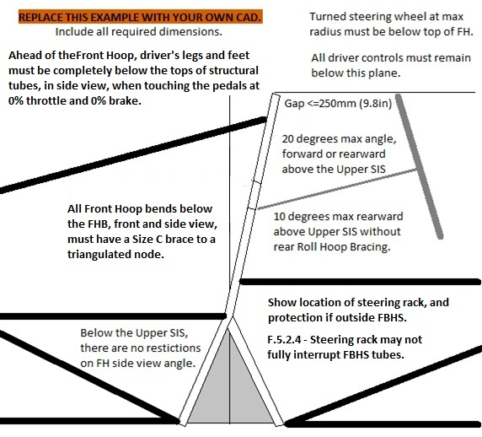
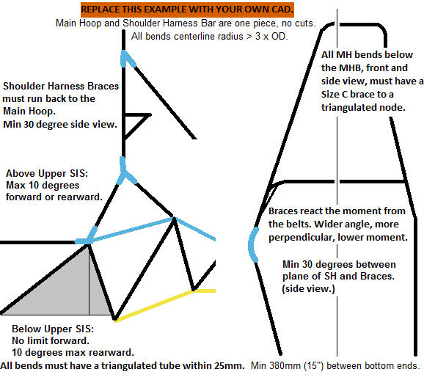
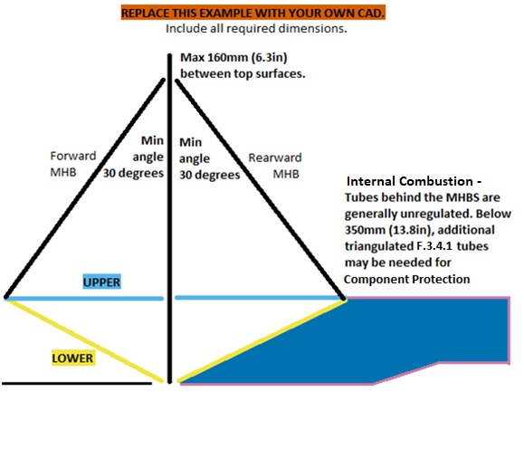
Use the space below to list changes between uploads, rules inquiries, and any other information. |  |  |  |  |  |  |  |  |  |  |  |  |  |  |  |  |  |  |  |  |  |  |  |  |  |  |  |  |  |  |  |  |  |  |  |  |  |  |  |  |  |  |  |  |  |  |  |  |  |  |  |  |  |  |  |  |  |  |  |  |  |  |  |  |  |  |  |  |  |  |  |  |  |  |  |  |  |  |  |  |  |  |  |  |  |  |  | ACRONYMS
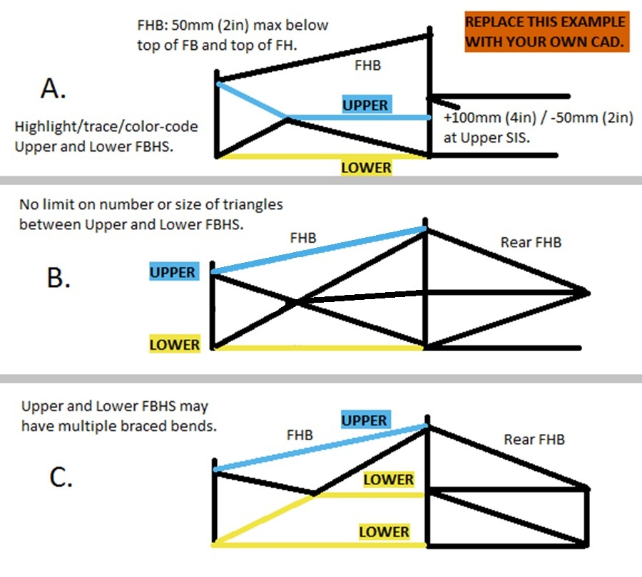
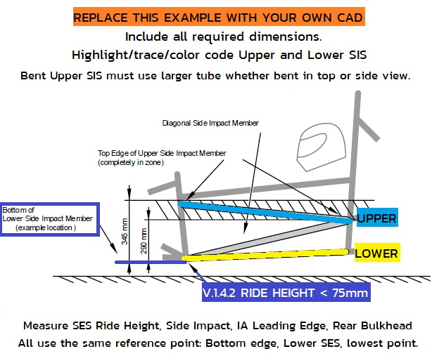
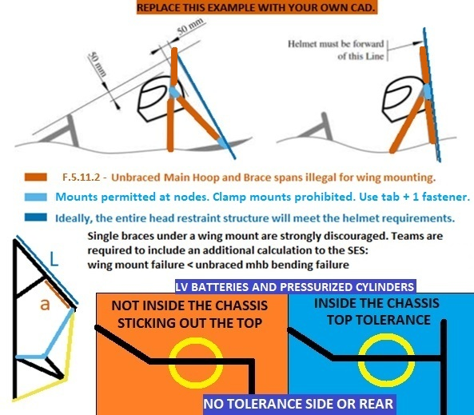
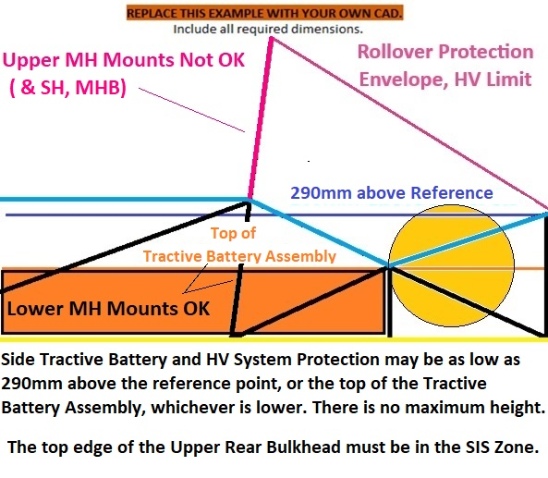
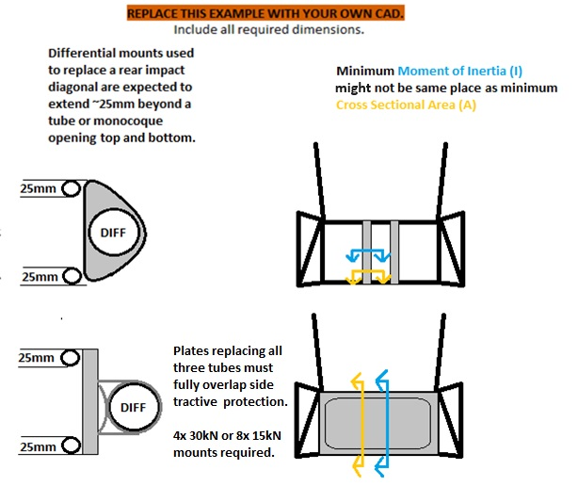
 |  |  |  |  |  |  |  |  |  |  |  |  |  |  |  |  |  |  |  |  |  |  |  |  |  |  |  |  |  |  |  |  |  |  |  |  |  |  |  |  |  |  |  |  |  |  |  |  |  |  |  |  |  |  |  |  |  |  |  |  |  |  |  |  |  |  |  |  |  |  |  |  |  |  |  |  |  |  |  |  |  |  |  |  |  |  |  | AI | Anti Intrusion Plate
 |  |  |  |  |  |  |  |  |  |  |  |  |  |  |  |  |  |  |  |  |  |  |  |  |  |  |  |  |  |  |  |  |  |  |  |  |  |  |  |  |  |  |  |  |  |  |  |  |  |  |  |  |  |  |  |  |  |  |  |  |  |  |  |  |  |  |  |  |  |  |  |  |  |  |  |  |  |  |  |  |  |  |  |  |  |  |  | IA | Impact Attenuator
 |  |  |  |  |  |  |  |  |  |  |  |  |  |  |  |  |  |  |  |  |  |  |  |  |  |  |  |  |  |  |  |  |  |  |  |  |  |  |  |  |  |  |  |  |  |  |  |  |  |  |  |  |  |  |  |  |  |  |  |  |  |  |  |  |  |  |  |  |  |  |  |  |  |  |  |  |  |  |  |  |  |  |  |  |  |  |  | IC | Internal Combustion
 |  |  |  |  |  |  |  |  |  |  |  |  |  |  |  |  |  |  |  |  |  |  |  |  |  |  |  |  |  |  |  |  |  |  |  |  |  |  |  |  |  |  |  |  |  |  |  |  |  |  |  |  |  |  |  |  |  |  |  |  |  |  |  |  |  |  |  |  |  |  |  |  |  |  |  |  |  |  |  |  |  |  |  |  |  |  |  | EV | Electric Vehicle
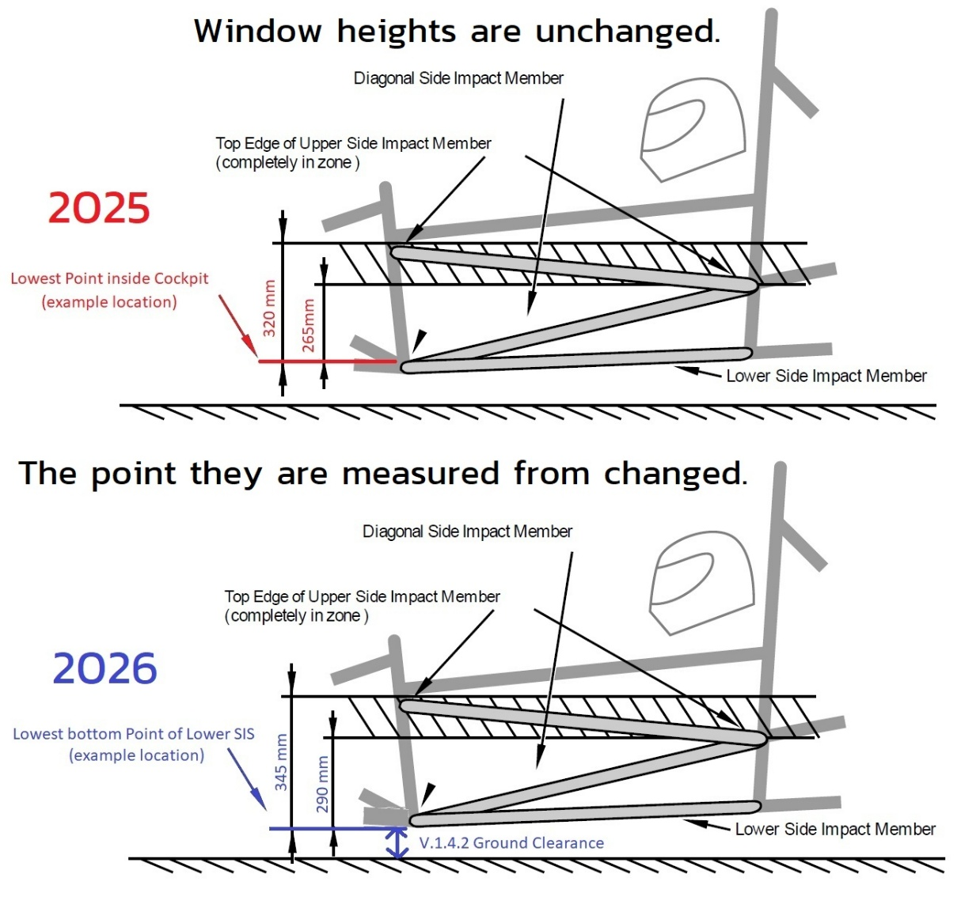
 |  |  |  |  |  |  |  |  |  |  |  |  |  |  |  |  |  |  |  |  |  |  |  |  |  |  |  |  |  |  |  |  |  |  |  |  |  |  |  |  |  |  |  |  |  |  |  |  |  |  |  |  |  |  |  |  |  |  |  |  |  |  |  |  |  |  |  |  |  |  |  |  |  |  |  |  |  |  |  |  |  |  |  |  |  |  |  | EQ | Rules Equivalence Achieved
 |  |  |  |  |  |  |  |  |  |  |  |  |  |  |  |  |  |  |  |  |  |  |  |  |  |  |  |  |  |  |  |  |  |  |  |  |  |  |  | Harness tabs cannot rub on harness material. |  |  |  |  |  |  |  |  |  |  |  |  |  |  |  |  |  |  |  |  |  |  |  |  |  |  |  |  |  |  |  |  |  |  |  |  |  |  |  |  |  |  |  |  |  |  |  | FB | Front Bulkhead
 |  |  |  |  |  |  |  |  |  |  |  |  |  |  |  |  |  |  |  |  |  |  |  |  |  |  |  |  |  |  |  |  |  |  |  |  |  |  |  |  |  |  |  |  |  |  |  |  |  |  |  |  |  |  |  |  |  |  |  |  |  |  |  |  |  |  |  |  |  |  |  |  |  |  |  |  |  |  |  |  |  |  |  |  |  |  |  | FBHS | Front Bulkhead Support
 |  |  |  |  |  |  |  |  |  |  |  |  |  |  |  |  |  |  |  |  |  |  |  |  |  |  |  |  |  |  |  |  |  |  |  |  |  |  |  | Use a thicker tab to keep the edge away. |  |  |  |  |  |  |  |  |  |  |  |  |  |  |  |  |  |  |  |  |  |  |  |  |  |  |  |  |  |  |  |  |  |  |  |  |  |  |  |  |  |  |  |  |  |  |  | FH | Front Roll Hoop
 |  |  |  |  |  |  |  |  |  |  |  |  |  |  |  |  |  |  |  |  |  |  |  |  |  |  |  |  |  |  |  |  |  |  |  |  |  |  |  |  |  |  |  |  |  |  |  |  |  |  |  |  |  |  |  |  |  |  |  |  |  |  |  |  |  |  |  |  |  |  |  |  |  |  |  |  |  |  |  |  |  |  |  |  |  |  |  | FHB | Front Hoop Brace
 |  |  |  |  |  |  |  |  |  |  |  |  |  |  |  |  |  |  |  |  |  |  |  |  |  |  |  |  |  |  |  |  |  |  |  |  |  |  |  | Harness tab location, dimensions, shear area, |  |  |  |  |  |  |  |  |  |  |  |  |  |  |  |  |  |  |  |  |  |  |  |  |  |  |  |  |  |  |  |  |  |  |  |  |  |  |  |  |  |  |  |  |  |  |  | HRP | Head Restraint Protection
 |  |  |  |  |  |  |  | Front Hoop CAD with dimensions required. |  |  |  |  |  |  |  |  | FBHS, FHB CAD with dimensions required. |  |  |  |  |  |  |  |  |  | SIS CAD with dimensions required. |  |  |  |  |  |  |  |  |  |  |  |  |  |  |  |  |  | MH + SH CAD with dimensions required. |  |  |  |  |  |  |  |  | MHB, MHBS CAD with dimensions required. |  |  |  |  |  |  |  | Clearance CAD with dimensions required. |  |  |  |  |  |  |  |  | HV Protection CAD with dimensions. |  |  |  |  |  |  |  |  | Rear Impact CAD with dimensions required. |  |  |  |  |  |  |  | HV | High Voltage
 |  |  |  |  |  |  |  |  |  |  |  |  |  |  |  |  |  |  |  |  |  |  |  |  |  |  |  |  |  |  |  |  |  |  |  |  |  |  |  | tabs in plane with belts. |  |  |  |  |  |  |  |  |  |  |  |  |  |  |  |  |  |  |  |  |  |  |  |  |  |  |  |  |  |  |  |  |  |  |  |  |  |  |  |  |  |  |  |  |  |  |  | MH | Main Roll Hoop
 |  |  |  |  |  |  |  | See image F.5.9.6 for steering wheel. |  |  |  |  |  |  |  |  | Highlight/trace/color code required tubes. |  |  |  |  |  |  |  |  |  | Highlight/trace/color code required tubes. |  |  |  |  |  |  |  |  |  |  |  |  |  |  |  |  |  |  |  |  |  |  |  |  |  |  | Highlight/trace/color code required tubes. |  |  |  |  |  |  |  | Helmet and T.2.8.4 Head Restraint. |  |  |  |  |  |  |  |  | Air gap driver to Tractive Battery assembly. |  |  |  |  |  |  |  |  |  |  |  |  |  |  |  |  | MHB | Main Hoop Brace
 |  |  |  |  |  |  |  |  |  |  |  |  |  |  |  |  |  |  |  |  |  |  |  |  |  |  |  |  |  |  |  |  |  |  |  |  |  |  |  | No open ended eyebolts. |  |  |  |  |  |  |  |  |  |  |  |  |  |  |  |  |  |  |  |  |  |  |  |  |  |  |  |  |  |  |  |  |  |  |  |  |  |  |  |  |  |  |  |  |  |  |  | MHBS | Main Hoop Brace Support
 |  |  |  |  |  |  |  |  |  |  |  |  |  |  |  |  |  |  |  |  |  |  |  |  |  |  |  |  |  |  |  |  |  |  |  |  |  |  |  |  |  |  |  |  |  |  |  |  |  |  |  |  |  |  |  |  |  |  |  |  |  |  |  |  |  |  |  |  |  |  |  |  |  |  |  |  |  |  |  |  |  |  |  |  |  |  |  | N/A | Not Applicable (Not required.)
 |  |  |  |  |  |  |  |  |  |  |  |  |  |  |  |  |  |  |  |  |  |  |  |  |  |  |  |  |  |  |  |  |  |  |  |  |  |  |  | Spec sheet for fasteners / eyebolts. |  |  |  |  |  |  |  |  |  |  |  |  |  |  |  |  |  |  |  |  |  |  |  |  |  |  |  |  |  |  |  |  |  |  |  |  |  |  |  |  |  |  |  |  |  |  |  | SH | Shoulder Harness Structure
 |  |  |  |  |  |  |  |  |  |  |  |  |  |  |  |  |  |  |  |  |  |  |  |  |  |  |  |  |  |  |  |  |  |  |  |  |  |  |  |  |  |  |  |  |  |  |  |  |  |  |  |  |  |  |  |  |  |  |  |  |  |  |  |  |  |  |  |  |  |  |  |  |  |  |  |  |  |  |  |  |  |  |  |  |  |  |  | SES | Structural Equivalency Spreadsheet
 |  |  |  |  |  |  |  |  |  |  |  |  |  |  |  |  |  |  |  |  |  |  |  |  |  |  |  |  |  |  |  |  |  |  |  |  |  |  |  |  |  |  |  |  |  |  |  |  |  |  |  |  |  |  |  |  |  |  |  |  |  |  |  |  |  |  |  |  |  |  |  |  |  |  |  |  |  |  |  |  |  |  |  |  |  |  |  | SIS | Side Impact Structure
 |  |  |  |  |  |  |  |  |  |  |  |  |  |  |  |  |  |  |  |  |  |  |  |  |  |  |  |  |  |  |  |  |  |  |  |  |  |  |  |  |  |  |  |  |  |  |  |  |  |  |  |  |  |  |  |  |  |  |  |  |  |  |  |  |  |  |  |  |  |  |  |  |  |  |  |  |  |  |  |  |  |  |  |  |  |  |  | RB | Rear Bulkhead
 |  |  |  |  |  |  |  |  |  |  |  |  |  |  |  |  |  |  |  |  |  |  |  |  |  |  |  |  |  |  |  |  |  |  |  |  |  |  |  |  |  |  |  |  |  |  |  |  |  |  |  |  |  |  |  |  |  |  |  |  |  |  |  |  |  |  |  |  |  |  |  |  |  |  |  |  |  |  |  |  |  |  |  |  |  |  |  | RBHS | Rear Bulkhead Support

 |  |  |  |  |  |  |  |  |  |  |  |  |  |  |  |  |  |  |  |  |  |  |  |  |  |  |  |  |  |  |  |  |  |  |  |  |  |  |  |  |  |  |  |  |  |  |  |  |  |  |  |  |  |  |  |  |  |  |  |  |  |  |  |  |  |  |  |  |  |  |  |  |  |  |  |  |  |  |  |  |  |  |  |  |  |  |  | TRIANGULATION
 |  |  |  |  |  |  |  |  |  |  |  |  |  |  |  |  |  |  |  |  |  |  |  |  |  |  |  |  |  |  |  |  |  |  |  |  |  |  |  |  |  |  |  |  |  |  |  |  |  |  |  |  |  |  |  |  |  |  |  |  |  |  |  |  |  |  |  |  |  |  |  |  |  |  |  |  |  |  |  |  |  |  |  |  |  |  |  | F.1.17 | An arrangement of Frame Members where all members and segments of members
 |  |  |  |  |  |  |  |  |  |  |  |  |  |  |  |  |  |  |  |  |  |  |  |  |  |  |  |  |  |  |  |  |  |  |  |  |  |  |  |  |  |  |  |  |  |  |  |  |  |  |  |  |  |  |  |  |  |  |  |  |  |  |  |  |  |  |  |  |  |  |  |  |  |  |  |  |  |  |  |  |  |  |  |  |  |  |  | between bends or nodes with other structural tubes form a structure composed entirely of triangles.
 |  |  |  |  |  |  |  |  |  |  |  |  |  |  |  |  |  |  |  |  |  |  |  |  |  |  |  |  |  |  |  |  |  |  |  |  |  |  |  |  |  |  |  |  |  |  |  |  |  |  |  |  |  |  |  |  |  |  |  |  |  |  |  |  |  |  |  |  |  |  |  |  |  |  |  |  |  |  |  |  |  |  |  |  |  |  |  | a. This is generally required between an upper member and a lower member, both of which
 |  |  |  |  |  |  |  |  |  |  |  |  |  |  |  |  |  |  |  |  |  |  |  |  |  |  |  |  |  |  |  |  |  |  |  |  |  |  |  |  |  |  |  |  |  |  |  |  |  |  |  |  |  |  |  |  |  |  |  |  |  |  |  |  |  |  |  |  |  |  |  |  |  |  |  |  |  |  |  |  |  |  |  |  |  |  |  | may have multiple segments requiring a diagonal to form multiple triangles.
 |  |  |  |  |  |  |  |  |  |  |  | Additional images may be placed below each section. |  |  |  |  |  |  |  |  | Additional images may be placed below each section. |  |  |  |  |  |  |  |  | Additional images may be placed below each section. |  |  |  |  |  |  |  |  |  |  |  |  |  |  |  |  |  |  | Additional images may be placed below each section. |  |  |  |  |  |  |  | Additional images may be placed below each section. |  |  |  |  |  |  |  |  | Additional images may be placed below each section. |  |  |  |  |  |  |  |  | Additional images may be placed below each section. |  |  |  |  |  |  |  |  | Additional images may be placed below each section. |  |  |  | b. This is also what is meant by “properly triangulated”.
 |  |  |  |  |  |  |  | BLANK |  | Front Hoop (FH), Steering Protection |  |  |  |  |  |  | BLANK |  | Front Bulkhead Supports (FBHS), |  |  |  |  |  |  |  | BLANK |  | Side Impact Structure (SIS), |  |  |  |  |  |  | BLANK |  | Lap and Anti-Sub Attachment |  |  |  |  |  |  | BLANK |  | Main Hoop (MH), |  |  |  |  |  |  | BLANK |  | Main Hoop Braces (MHB), |  |  |  |  |  | BLANK |  | Helmet, Head Restraint, Fuel, Wing |  |  |  |  |  |  | BLANK |  | Tractive Battery Side Protection, |  |  |  |  |  |  | BLANK |  | Rear Bulkhead (EV Only)
 |  |  |  |  |  |  |  |  |  |  |  |  |  |  |  |  |  |  |  |  |  |  |  |  |  |  |  |  |  |  |  |  |  |  |  |  |  |  |  |  |  |  |  |  |  |  |  |  |  |  |  |  |  |  |  |  |  |  |  |  |  |  |  |  |  |  |  |  |  |  |  |  |  |  |  |  |  |  |  |  |  |  |  |  |  |  |  | The Upper and Lower must maintain spacing and not share a load path.
 |  |  |  |  |  |  |  | F.5.7.2-3 | The FH runs from the lowest frame member on each side. The FH may be multiple pieces. |  |  |  |  |  |  |  | Front Hoop Braces (FHB) |  |  |  |  |  |  |  |  |  | Lap and Anti-Sub Belt Tubes |  |  |  |  |  |  |  |  |  |  |  |  |  |  |  |  |  | Shoulder Harness Bar (SH) |  |  |  |  |  |  |  |  | Main Hoop Brace Supports (MHBS) |  |  |  |  |  |  |  |  |  |  |  |  |  |  |  |  | HV Side Protection, RBHS (EV Only) |  |  |  |  |  |  |  |  |  |  |  |  |  |  |  |  | The bottom of the MHB is the only exception to this requirement.
 |  |  |  |  |  |  |  | F.5.6.3 | Below the FHB, front and side Front Hoop bends must be braced in side view to node. |  |  |  |  |  |  |  |  |  |  |  |  |  |  |  |  |  |  |  |  |  |  |  |  |  |  | Do not modify harness hardware. |  |  |  |  |  |  |  |  |  |  |  |  |  |  |  |  |  |  |  |  |  |  |  |  |  | The rollover plane is defined by the direction of the main hoop braces, shown above. |  |  |  |  |  |  |  |  |  |  |  |  |  |  |  |  |  | F.11.3.1 | From the rear, all HV components must be protected with an upper tube, a lower tube,
 |  |  |  |  |  |  |  |  | Triangulating tubes must run to an FBHS or SIS node. |  |  |  |  |  |  |  | There are three basic configurations for the FBHS. See examples starting in column CO. |  |  |  |  |  |  |  |  |  |  |  |  |  |  |  |  |  |  | For any bolted harness or using the shank of an eyebolt, |  |  |  |  |  |  |  |  | F.5.8.1-2 | The Main Hoop extends, uncut, from the lowest frame member on both sides. |  |  |  |  |  |  |  | F.5.9.6 | The Main Hoop Braces must be one piece, steel, with no bends. |  |  |  |  |  |  | F.5.6.6 | Dummy's foot must be on brake pedal, helmet must be on head restraint padding. |  |  |  |  |  |  |  | F.11.1.1 | F.1.11 | Tractive Batteries must be within the Primary Structure. |  |  |  |  |  |  | and a diagonal tube or vertical tubes connecting the upper and lower tubes. |  |  |  |  |  |  |  | F.3.3.2 | Non structural tubing will be ignored.
 |  |  |  |  |  |  |  |  |  |  |  |  |  |  |  |  | A. | Upper FBHS from the top of the FB to the Upper SIS, with a tolerance. |  |  |  |  |  |  |  |  | F.6.4.4 | Designate the Upper SIS and Lower SIS along their entire length. |  |  |  |  |  |  |  | there is a sleeve that gets clamped and allows rotation. |  |  |  |  |  |  |  |  | F.5.6.3 | All front and side view bends below the MHB must be braced to a node. |  |  |  |  |  |  |  |  | Main Hoop Braces that cross over in an 'X' shape are prohibited. |  |  |  |  |  |  | T.2.8.5 | Head Restraint must attach to chassis near the top and bottom of the Head Restraint. |  |  |  |  |  |  |  | F.11.2.1 | If the tractive battery extends behind the MH, Size B tubes are needed behind the MH. |  |  |  |  |  |  |  | F.11.3.6 | Inboard HV components must be forward of the rear plane of the Upper and Lower Rear Bulkhead. |  |  |  |  |  |  |  | Tubes with smaller than 25mm (1in) Outer Diamter will be ignored.
 |  |  |  |  |  |  |  | BLANK |  |  |  |  |  |  |  |  |  | Lower FBHS from the bottom of the FB to the Lower SIS. |  |  |  |  |  |  |  |  | Upper SIS height is measured from the lowest point of the bottom edge of the Lower SIS tube. |  |  |  |  |  |  |  |  |  |  |  |  |  |  |  |  |  | F.6.5.3 | Engine, motor, suspension, and tractive battery mounts are prohibited on the SH, |  |  |  |  |  |  |  | F.5.2.4 | F.6.6.3 | Miter the base of the MHB to the Lower MHBS. Cope only diagonals and hoops. |  |  |  |  |  |  |  |  |  |  |  |  |  |  |  |  |  |  |  |  |  |  |  | Triangulation may be asymmetric. F.11.3.3, F.2.3.1: Rear Bulkhead verticality tolerance: +/- Tube OD longitudinally. |  |  |  |  |  |  |  |  | Tubes with Wall thinner than 1.2mm (0.047in) will be ignored.
 |  |  |  |  |  |  |  | F.5.7 | Front Hoop (FH) |  |  |  | Minimum | Tube Used |  | EQ | B. | Upper FBHS from the top of FB to above the Upper SIS, braced rearward. |  |  |  |  |  |  |  |  | F.6.4.6 | The area between the upper and lower SIS must be completely triangulated. |  |  |  |  |  |  |  | There must be continuous floor between all belts and the ground. |  |  |  |  |  |  |  |  | F.5.11.4 | on the MH above the SIS, and on the MHB spans. |  |  |  |  |  |  |  |  |  |  |  |  |  |  |  | BLANK |  |  |  |  |  |  |  |  | F.11.2.1 | From the side, the tractive battery must be protected with an upper tube, a lower tube, |  |  |  |  |  |  |  | If a plate replaces all three tubes, it must fully overlap RBHS tubes, and 4x 30, 6x 20, or 8x 15kN mounts are required.
 |  |  |  |  |  |  |  | F.3.2.1.c | Example: 25mm x 2.5mm round |  |  |  | Size A |  |  | BLANK |  | Lower FBHS from the bottom of the FB to the Lower SIS. |  |  |  |  |  |  |  |  | A straight Upper SIS may be intersected by the MHB-MHBS miter without being considered bent. |  |  |  |  |  |  |  |  | Wrapped belts also need limters to control width. |  |  |  |  |  |  |  |  |  |  |  |  |  |  |  |  |  | F.6.6.2.a | The Upper MHBS runs from MHB to the Upper SIS. Highlight the path. |  |  |  |  |  |  | F.5.6.4.a |  |  |  |  | Helmet >=50mm (2in) below Roll Hoop plane: |  | mm | BLANK | and a diagonal tube or tubes completely triangulating the upper and lower tubes. |  |  |  |  |  |  |  |  | F.11.3.1.a | Increase from Size C to Size B if the Tractive Battery is < 100mm (3.937in) from the rear impact . |  |  |  |  |  |  | X-geometry may be used instead of diagonals.
 |  |  |  |  |  |  |  | F.3.4.1.a |  |  |  | Wall thickness: | 2 |  | mm | BLANK | C. | Upper FBHS from the top of FB to above the Upper SIS, braced rearward. |  |  |  |  |  |  |  |  | F.3.2.1.f | A bent Upper Side Impact tube requires Size D. |  |  |  |  |  |  |  | If welded, weld only the outside to keep the belt flat. |  |  |  |  |  |  |  |  | F.6.5.1.a | Shoulder Harness Bars must be one piece of uncut, continuous steel tubing. |  |  |  |  |  |  |  | F.6.6.2.b | The Lower MHBS runs from MHB to the Lower SIS. Highlight the path. |  |  |  |  |  |  |  |  |  |  |  |  |  |  |  |  |  |  |  |  |  |  |  |  | F.11.3.4 | The Rear Protection must be fully triangulated back to the Upper and Lower SIS.
 |  |  |  |  |  |  |  |  |  |  |  | Square side: | 25 |  | mm | BLANK |  | Lower FBHS from the bottom of the FB to the Upper SIS, with a tolerance. |  |  |  |  |  |  |  |  | F.5.2.3.c | Diagonals for straight or bent upper SIS are both minimum Size B. |  |  |  |  |  |  |  |  |  |  |  |  |  |  |  |  | F.6.5.1.b | Shoulder Harness Bars must connect to the Main Hoop at both ends. |  |  |  |  |  |  |  | F.6.6.2 | The area between the Upper and Lower MHBS must be completely triangulated. |  |  |  |  |  |  | BLANK |  |  |  |  |  |  |  |  | F.11.2.3 | Minimum height for the top edge of the upper tube is the lower of: 290mm above |  |  |  |  |  |  |  |  |  |  |  |  |  |  |  | The SES examples show that quadrilateral openings are unacceptable.
 |  |  |  |  |  |  |  |  |  |  |  | Wall thickness: | 2.0 |  | mm | BLANK |  | A second Lower FBHS path from the bottom of the FB to the Lower SIS. |  |  |  |  |  |  |  |  |  |  |  |  |  |  |  |  |  | Mount lap and anti-sub belts below the seat bottom. |  |  |  |  |  |  |  |  | F.6.5.2.b | SH Braces must support SH bends. Wider angles to the SH react moments better. |  |  |  |  |  |  |  | F.6.6.2.a | A Shoulder Harness Bar and/or SH Brace may be used as part of the MHBS. |  |  |  |  |  |  | F.5.6.4.b-c |  |  |  |  | Main Hoop Braces protecting Helmet: |  |  | BLANK | the lowest point of the bottom edge of the Lower SIS tube, or the top of the tractive battery. |  |  |  |  |  |  |  |  | BLANK
 |  |  |  |  |  |  |  |  |  |  |  | Square side: | 25.0 |  | mm | BLANK | F.6.2.3.a | Designate the Upper FBHS along its entire length. |  |  |  |  |  |  |  |  | BLANK |  |  |  |  |  |  |  |  | Do not mount to the SIS diagonal, use the lower SIS or a cross-car structure. |  |  |  |  |  |  |  |  | F.6.5.2.b | Shoulder Harness Braces must connect back to the Main Hoop, ideally at a node. |  |  |  |  |  |  |  |  |  |  |  |  |  |  |  | F.5.6.4.b-c |  |  |  |  | Helmet >=0 ahead of Main Hoop rear surface: |  | mm | BLANK | F.11.1.3 | F.1.13 | HV components above 290mm must be inside the Rollover Protection Envelope. |  |  |  |  |  |  | F.11.3.1.a |  |  |  | Min distance Tractive Battery to Rear Bulkhead? |  | mm | BLANK | Exception One:
 |  |  |  |  |  |  |  |  |  |  |  | Tube cross sectional area (A): | 173 |  | mm^2 | BLANK | F.6.2.3.c | Designate the Lower FBHS along its entire length. |  |  |  |  |  |  |  | F.6.4.4.b | F.6.4.1 | Upper Side Impact Structure (SIS) |  |  |  |  |  | BLANK |  | When the Anti-Sub goes under the driver's leg and back up, |  |  |  |  |  |  |  |  | The MHB may act as braces for a bent Shoulder Harness Bar. See column 'F' to the right. |  |  |  |  |  |  |  |  | F.5.11.2 | Clamshell mounts are prohibited for items mounted on the MHB. |  |  |  |  |  |  |  |  |  |  |  |  |  |  |  | F.11.1.3 | All batteries, motors, and motor controllers must be securely mounted below SH height. |  |  |  |  |  |  |  |  | Tractive Battery Rear Bulkhead |  |  | Minimum |  |  | BLANK | 1. The space between the two lower paths of a Type-C FBHS is not required to be triangulated.
 |  |  |  |  |  |  |  |  |  |  |  | Tube second moment of inertia (I): | 11320 |  | mm^4 | BLANK | F.6.2.3.d | The area between the Upper and Lower FBHS must be completely triangulated |  |  |  |  |  |  |  | F.6.4.4.b |  |  |  |  | Minimum | Tube Used |  | EQ |  | extra vertical length increases slack in an impact. |  |  |  |  |  |  |  |  |  |  |  |  |  |  |  |  |  | Zip ties, hose clamps, or tabs may be used for items mounted between the MHB or MH tubes. |  |  |  |  |  |  |  | Strongly preferred: Locating the fuel fill tube on the opposite side of the exhaust. |  |  |  |  |  |  |  |  |  |  |  |  |  |  |  |  |  | F.3.2.1.m | Example: 25.4mm x 1.6mm round |  |  | Size B |  |  | BLANK | 1a. All bends on the lowest tube must still be braced to the corner of another triangle.
 |  |  |  |  |  |  |  |  |  |  |  |  |  |  |  |  | with tubes meeting F.3.4.1 Size C. |  |  |  |  |  |  |  |  |  | F.3.2.1.f | Example: 35mm x 1.2mm round |  |  | Size D |  |  | BLANK |  | ~25mm may be the limit, 50-75mm up is too much. |  |  |  |  |  |  |  |  | SH bar needs to be spaced far enough rearward. |  |  |  |  |  |  |  |  | A tab at an MHB node with a single fastener is preferred for external items mounted on the MHB. |  |  |  |  |  |  |  | F.9.1.2 | Every part of the fuel system must be above the bottom tubes of the chassis. |  |  |  |  |  |  |  | T.1.6.3.b | Show air gap >= 25mm required between tractive system and driver's seat. |  |  |  |  |  |  |  | F.3.2.1.b |  |  | Wall thickness: | 1.2 |  | mm | BLANK
 |  |  |  |  |  |  |  | BLANK |  |  |  |  |  |  |  |  |  |  |  |  |  |  |  |  |  |  | F.3.4.1.d |  |  | Wall thickness: | 1.2 |  | mm | BLANK |  | The tangent of the Anti-Sub from the attachment to the driver needs to be |  |  |  |  |  |  |  |  | The spacing is defined by the requirement for 3-bar adjuster clearance. |  |  |  |  |  |  |  |  |  |  |  |  |  |  |  |  | BLANK |  |  |  |  |  |  |  |  | T.1.6.3.b | Anything attached to the tractive battery is considered a heat source. |  |  |  |  |  |  |  |  |  |  | Square side: | 25 |  | mm | BLANK | Exception Two:
 |  |  |  |  |  |  |  | F.5.7.4 |  |  |  |  | Turned Steering Wheel minimum below FH top: |  | mm | BLANK |  | Tubes that cross over in an 'X' or 'V' shape point at the driver. |  |  |  |  |  |  |  |  |  |  |  | Square side: | 34.9 |  | mm | BLANK |  | primarily horizontal for its horizontal loading. |  |  |  |  |  |  |  |  | Only belts should touch the driver, not hardware. |  |  |  |  |  |  |  |  | Mounting items outside the primary structure on the MHBS, lower MH, or other tubes is unrestricted. |  |  |  |  |  |  |  |  |  |  |  |  |  |  |  | BLANK | T.1.8.5 | The tractive battery may not be part of the firewall. |  |  |  |  |  |  |  |  |  |  | Wall thickness: | 1.2 |  | mm | BLANK | 2. A diagonal that ends on the Upper and Lower tube may be replaced by a tube with a single bend,
 |  |  |  |  |  |  |  |  |  |  |  |  |  |  |  |  | GR.1.5 | 'X' or 'V' shaped tubes spanning FB to FH should not be used. |  |  |  |  |  |  |  |  |  |  |  | Wall thickness: | 1.2 |  | mm | BLANK |  |  |  |  |  |  |  |  |  |  | 2-bar adjusters for 3in Shoulder Belts are very expensive. |  |  |  |  |  |  |  |  |  |  |  |  |  |  |  |  |  |  |  |  |  |  |  | T.9.2.1 | BLANK |  |  |  |  |  |  |  |  |  |  |  |  | Square side: | 25.0 |  | mm | BLANK | leaving one quadrilateral opening.
 |  |  |  |  |  |  |  | BLANK |  |  |  |  |  |  |  |  | F.6.3.2 | 'X' or 'V' configuration tubes may not be used as Front Hoop Braces. |  |  |  |  |  |  |  |  |  |  |  | Square side: | 35.0 |  | mm | BLANK |  | Anti-sub attachments need to be at or rearward of the buckle. |  |  |  |  |  |  |  |  |  |  |  |  |  |  |  |  |  |  |  |  | Main Hoop Braces may run forward or rearward. |  |  |  |  |  |  |  |  |  |  |  | T.5.5.4 | BLANK | F.11.4 | Especially towards the side and rear, tractive batteries should maintain 25mm clearance |  |  |  |  |  |  |  |  |  |  | Tube cross sectional area (A): | 114 |  | mm^2 | BLANK | 2a. The brace for the bent tube must form part of a triangle on both sides.
 |  |  |  |  |  |  |  | F.5.7.5 |  |  |  |  | FH to Steering Wheel gap <=250mm (9.8in) |  | mm | BLANK |  |  |  |  |  |  |  |  |  |  |  |  |  | Tube cross sectional area (A): | 126 |  | mm^2 | BLANK |  | T.2.7.2 only works for conventional saloon car seats. |  |  |  |  |  |  |  |  | Wrapped SH strongly preferred. |  |  |  |  |  |  |  |  | BLANK |  |  |  |  |  |  |  |  |  |  |  |  |  |  | F.6.5.3 | BLANK | to non-crushable objects. Not including mounts, but preferably including other chassis tubes. |  |  |  |  |  |  |  |  |  |  |  | Tube second moment of inertia (I): | 8509 |  | mm^4 | BLANK
 |  |  |  |  |  |  |  |  |  |  |  |  |  |  |  |  | F.6.3.6 | The upper and lower segments of a straight Front Hoop tube |  |  |  |  |  |  |  |  |  |  |  | Tube second moment of inertia (I): | 18015 |  | mm^4 | BLANK |  | Which are almost never seen in FSAE. |  |  |  |  |  |  |  |  | Eyebolts or tabs must be in front of tube, in line with belts. |  |  |  |  |  |  |  |  | F.5.9.2 |  |  |  | Main Hoop brace direction: |  |  | BLANK |  |  |  |  |  |  |  | T.6.1.6 | BLANK |  |  |  |  |  |  |  |  |  |  |  |  |  |  |  |  |  | Bent Tubes
 |  |  |  |  |  |  |  | BLANK |  |  |  |  |  |  |  |  |  | (created by the FBHS offset to the Upper SIS) are treated as one segment. |  |  |  |  |  |  |  |  |  |  |  |  |  |  |  |  |  | The forces in a reclined position are forward, not upward. |  |  |  |  |  |  |  |  | Weld outside only of SH width guides, to keep the belt wrapped flat around the tube. |  |  |  |  |  |  |  |  | F.5.9.5 |  |  |  | Angle between MH and MHB >=30 degrees: |  | degrees | BLANK |  |  |  |  |  |  |  | T.6.1.7 | BLANK | BLANK |  |  |  |  |  |  |  |  | F.11.3.2 | The entire top edge of the upper tube or plate must be between 290mm and 345mm
 |  |  |  |  |  |  |  | F.5.7.6 |  |  |  |  | FH side angle above Upper SIS <=20 degrees: |  | degrees | BLANK |  |  |  |  |  |  |  |  |  |  | BLANK |  |  |  |  |  |  |  |  | See the Formula position on page 11 of the Schroth manual. |  |  |  |  |  |  |  |  |  |  |  |  |  |  |  |  |  |  |  |  |  |  |  |  |  |  |  |  |  |  |  |  | F.9.2 | N/A | F.11.2.1 | Tractive Battery Side Protection |  |  |  | Minimum | Tube Used |  | EQ | above the lowest point of the bottom edge of the Lower SIS tube.
 |  |  |  |  |  |  |  |  |  |  |  |  |  |  |  |  | F.6.3.6 | A tube FHB must be straight, without any bends. (One segment.) |  |  |  |  |  |  |  |  |  |  |  |  | Lowest edge of Lower SIS to Lowest Upper SIS top edge >=290mm: |  | mm | BLANK |  |  |  |  |  |  |  |  |  |  | The more vertical the SH brace is, the better it reacts the moment. |  |  |  |  |  |  |  |  | BLANK |  |  |  |  |  |  |  |  |  |  |  |  |  |  | F.9.1.1. | N/A | F.3.2.1.m | Example: 25.4mm x 1.6mm round |  |  |  | Size B |  |  | BLANK |  |  |  |  |  |  |  |  | All bends and multiple segment members must be braced according to F.5.2.
 |  |  |  |  |  |  |  | BLANK |  |  |  |  |  |  |  |  | Designate the Front Hoop Braces. |  |  |  |  |  |  |  |  |  |  |  |  |  | Lowest edge of Lower SIS to Highest Upper SIS top edge <=345mm: |  | mm | BLANK | T.2.4.3.d | Lap and Anti-Sub should not share the same attachment. |  |  |  |  |  |  |  |  | https://www.fsaeonline.com/cdsweb/rqa/ViewFAQ.aspx?faqnum=284 |  |  |  |  |  |  |  |  | F.5.9.4 |  |  |  | Top of MH of MHB tube, 160mm vertical limit: |  | mm | BLANK | T.2.8.3 | A straight tube between the MHB is inside the rollover envelope. Head Restraints behind |  |  |  |  |  |  |  | F.3.4.1.b |  |  |  | Wall thickness: | 1.2 |  | mm | BLANK | BLANK |  |  |  |  |  |  |  | F.5.2.1 | The bend radius at the centerline axis must be >= 3 x tube OD.
 |  |  |  |  |  |  |  | F.6.3.5 |  |  |  |  | FH rearward lean above Upper SIS <= 10, or braced: |  | degrees | BLANK | F.6.3.3 | The FHB should extend all the way to the Front Bulkhead. |  |  |  |  |  |  |  |  |  |  |  |  | Inclination: Measure to the top edge of the Upper SIS tube. | 0 | mm | BLANK |  | Lap belt loading is essentially vertical and forward. |  |  |  |  |  |  |  |  | SH brace to a node is also ideal. |  |  |  |  |  |  |  |  |  |  |  |  |  |  |  |  | Main Hoop requires rear structure, either triangulated tubing or F.5.10, see examples G1-G5. |  |  |  |  |  |  |  |  |  |  |  |  | Square side: | 25 |  | mm | BLANK |  |  |  |  | Lowest edge of Lower SIS to Upper Rear Bulkhead top edge >=290mm: |  | mm | BLANK | F.5.2.3.a | The brace must be at the center of the bend or intersection.
 |  |  |  |  |  |  |  |  | Rearward Front Hoop Brace is not required. |  |  |  |  |  |  |  | F.5.6.2 | Front FHB that do not reach the FB must end the node of a completely triangulated structure. |  |  |  |  |  |  |  |  |  |  |  |  |  |  |  |  |  | Anti-Sub loading is essentially horizontal and forward. |  |  |  |  |  |  |  |  |  |  |  |  |  |  |  |  |  | BLANK |  |  |  |  |  |  |  | F.5.10 | A single, uncut Size B hoop, attached at the MHB nodes, separate from the Head Restraint, |  |  |  |  |  |  |  |  |  |  |  | Wall thickness: | 1.2 |  | mm | BLANK |  |  |  |  | Lowest edge of Lower SIS to Upper Rear Bulkhead top edge <=345mm: |  | mm | BLANK | F.5.2.3.c | The brace must be at least as big as the largest tube being braced.
 |  |  |  |  |  |  |  |  |  |  |  |  |  |  |  |  | F.5.6.2 | Rear FHB must end at the node of a completely triangulated structure. |  |  |  |  |  |  |  |  | BLANK |  |  |  |  |  |  |  |  | Lap and Anti-Sub must not clip to the same eye. |  |  |  |  |  |  |  |  | BLANK |  |  |  |  |  |  |  |  | F.5.9.1 | Main Hoop Brace (MHB) |  |  | Minimum | Tube Used |  | EQ | may be used to extend the Head Restraint envelope. This has no effect on helmet envelopes. |  |  |  |  |  |  |  |  |  |  |  |  | Square side: | 25.0 |  | mm | BLANK |  |  |  |  |  |  |  |  | F.5.2.3.c | The brace must be within 30 degrees of the plane of the bend.
 |  |  |  |  |  |  |  | BLANK |  |  |  |  |  |  |  |  | T.1.3.2 | The driver's feet and legs must be completely enclosed by tubes meeting F.3.4.1. |  |  |  |  |  |  |  |  | F.6.4.1 | Lower / Diagonal SIS |  |  | Minimum | Tube Used |  | EQ |  | The Lap can clip to the eye while the Anti-Sub goes around the shank. |  |  |  |  |  |  |  |  | F.5.8 | Main Hoop (MH) |  |  |  | Minimum | Tube Used |  | EQ | F.3.2.1.h | Example: 25.4mm x 1.6mm round |  |  | Size B |  |  | BLANK | T.2.8.4 | Nothing may be mounted to the head restraint. No beams for fore-aft adjustment. |  |  |  |  |  |  |  |  |  |  |  | Tube cross sectional area (A): | 114 |  | mm^2 | BLANK | Outside rear differential carriers may be used for diagonal equivalence. |  |  |  |  |  |  |  | The plane of the bend is defined by the straight axes on either side of the bend.
 |  |  |  |  |  |  |  | F.5.14 |  |  |  |  | Steering rack is inside the FBHS? |  |  | BLANK | In side view, feet on pedals, structural tubes must be above and below all of feet and legs. |  |  |  |  |  |  |  |  |  | F.3.2.1.e | Example: 25.4mm x 1.6mm round |  |  | Size B |  |  | BLANK |  | Enter this as Lap Only, Eyebolt Through Welded Insert, and |  |  |  |  |  |  |  |  | F.3.2.1.g | Example: 25mm x 2.5mm round |  |  |  | Size A | Round |  | EQ | F.3.4.1.b |  |  | Wall thickness: | 1.2 |  | mm | BLANK | BLANK |  |  |  |  |  |  |  |  |  |  |  |  | Tube second moment of inertia (I): | 8509 |  | mm^4 | BLANK | F.11.3.5.a | The mounts or plate extend 25mm above and 25mm below the opening. |  |  |  |  |  |  | The plane and 30 degree requirement must be considered in 3 dimensions.
 |  |  |  |  |  |  |  |  |  |  |  | Additional steering protection required the FBHS. |  |  |  | EQ | Tubes may be added for leg and foot protection. |  |  |  |  |  |  |  |  |  | F.3.4.1.b |  |  | Wall thickness: | 1.2 |  | mm | BLANK |  | Anti-Sub, Bolted Through Welded Insert . |  |  |  |  |  |  |  |  | F.3.4.1.a |  |  |  | Wall thickness: | 2 |  | mm | BLANK |  |  |  | Square side: | 25 |  | mm | BLANK | T.2.8.3 |  |  |  |  | Head Restraint >=0 from rollover envelope: |  | mm | BLANK |  |  |  |  |  |  |  |  |  | Holes in a plate must be too small for the differential to pass through.
 |  |  |  |  |  |  |  | F.5.14 | Steering Protection |  |  |  | Minimum | Tube Used |  | EQ | BLANK |  |  |  |  |  |  |  |  |  |  |  |  | Square side: | 25 |  | mm | BLANK |  | Do not clip around a shank or bolt. |  |  |  |  |  |  |  |  |  |  |  |  | Outer Diameter (OD): | 25 |  | mm | BLANK |  |  |  | Wall thickness: | 1.2 |  | mm | BLANK | F.5.10 |  |  |  |  | Head Restraint Protection Hoop Used? |  |  | BLANK | BLANK |  |  |  |  |  |  |  |  |  |  |  |  |  |  |  |  | There is no limit to the number bends.
 |  |  |  |  |  |  |  | F.3.2.1.n | Example: 25.4mm x 1.2mm round |  |  |  | Size C |  |  | BLANK | F.6.2 | Front Bulkhead Support (FBHS) |  |  |  | Minimum | Tube Used |  | EQ |  |  |  |  | Wall thickness: | 1.2 |  | mm | BLANK |  | Only use harness ends for bolting around a shank. |  |  |  |  |  |  |  |  |  |  |  |  | Wall thickness: | 2.0 |  | mm | BLANK |  |  |  | Square side: | 25.0 |  | mm | BLANK | F.3.2.1.h | Example: 25.4mm x 1.6mm round |  |  |  | Size B |  |  | N/A | T.1.6.3.b |  |  |  |  | Air gap to driver's seat >=25mm: |  | mm | BLANK | The mounts are considered as beams, seen in the side view. |  |  |  |  |  |  |  | There is no limit to the number or size of triangles used between an Upper and Lower.
 |  |  |  |  |  |  |  | F.3.4.1.c |  |  |  | Wall thickness: | 1.2 |  | mm | BLANK | F.3.2.1.b | Example: 25.4mm x 1.2mm round |  |  |  | Size C |  |  | BLANK |  |  |  |  | Square side: | 25.0 |  | mm | BLANK |  | A single tab will be in bending from one or both belts. |  |  |  |  |  |  |  |  |  |  |  |  | Outer Diameter (OD): | 25.0 |  | mm | BLANK |  |  |  | Tube cross sectional area (A): | 114 |  | mm^2 | BLANK | F.3.4.1.b |  |  |  | Wall thickness: | 1.2 |  | mm | N/A |  |  |  | Top surface of Tractive Battery Protection: |  |  |  |  | BLANK | Sections should be taken in a plane parallel to the ground. *Plate minimums are more likely to be vertical.
 |  |  |  |  |  |  |  |  |  |  |  | Square side: | 25 |  | mm | BLANK | F.3.4.1.c |  |  |  | Wall thickness: | 1.2 |  | mm | BLANK |  |  |  |  | Tube cross sectional area (A): | 114 |  | mm^2 | BLANK |  | A double shear design can use one tab for equivalence on each belt. |  |  |  |  |  |  |  |  |  |  |  |  | Tube cross sectional area (A): | 173 |  | mm^2 | BLANK |  |  |  | Tube second moment of inertia (I): | 8509 |  | mm^4 | BLANK |  |  |  |  | Square side: | 25 |  | mm | N/A |  |  |  |  |  |  |  |  |  |  |  |  |  |  |  |  |  | GR.1.4 - Good Engineering Practice
 |  |  |  |  |  |  |  |  |  |  |  | Wall thickness: | 1.2 |  | mm | BLANK |  |  |  |  | Square side: | 25 |  | mm | BLANK |  |  |  |  | Tube second moment of inertia (I): | 8509 |  | mm^4 | BLANK |  | But a better approach is angling the tabs individually. |  |  |  |  |  |  |  |  |  |  |  |  | Tube second moment of inertia (I): | 11320 |  | mm^4 | BLANK |  |  |  |  |  |  |  |  |  |  |  |  | Wall thickness: | 1.2 |  | mm | N/A | F.11.1.3 | F.11.1.2 | HV Components must be within the Rollover Protection Envelope. |  |  |  |  |  |  | Take the area and moment of inertia of the one mount.
 |  |  |  |  |  |  |  |  |  |  |  | Square side: | 25.0 |  | mm | BLANK |  |  |  |  | Wall thickness: | 1.2 |  | mm | BLANK |  |  |  |  |  |  |  |  |  |  |  |  |  |  |  |  |  |  |  |  |  |  |  |  |  |  |  |  | BLANK |  |  |  |  |  |  |  |  |  |  |  | Square side: | 25.0 |  | mm | N/A | EV.4.1.3 | Outboard wheel motors are the exception. Cables must exit ahead of FH, behind MH. |  |  |  |  |  |  |  | If they are identical, these values can be multiplied by two.
 |  |  |  |  |  |  |  |  |  |  |  | Tube cross sectional area (A): | 91 |  | mm^2 | BLANK |  |  |  |  | Square side: | 25.0 |  | mm | BLANK |  | T.2.4.2 | F.3.2.1.j | Lap and sub belts attachments must be located on minimum Size B tubes. |  |  |  |  |  |  |  |  |  |  | Lap and anti-sub belts must attach directly to a Size B tube. Eyebolts must use welded inserts. |  |  |  |  | BLANK |  |  |  |  |  |  |  |  | F.6.6 | Main Hoop Brace Support (MHBS) |  |  | Minimum | Tube Used |  | EQ |  |  |  |  | Tube cross sectional area (A): | 114 |  | mm^2 | N/A |  |  |  |  |  |  |  |  |  | If they are unique, add the values from the second mount. |  |  |  |  |  |  |  | GR.1.4 Chassis catch all:
 |  |  |  |  |  |  |  |  |  |  |  | Tube second moment of inertia (I): | 6695 |  | mm^4 | BLANK |  |  |  |  | Tube cross sectional area (A): | 91 |  | mm^2 | BLANK |  |  |  |  | Floor tubes only. Do not mount do the diagonal SIS. |  |  |  |  |  |  |  |  |  | Tabs must be welded on, or be bolted (with positive locking) using welded inserts. |  |  |  |  | F.6.5 | Shoulder Harness Bar (SH) |  |  |  |  |  |  | BLANK | F.3.2.1.i | Example: 25.4mm x 1.2mm round |  |  | Size C |  |  | BLANK |  |  |  |  | Tube second moment of inertia (I): | 8509 |  | mm^4 | N/A | F.11.2.4 | From the side, all HV components must be protected with an upper tube, a lower tube, |  |  |  |  |  |  |  |  |  |  |  |  |  |  |  | No openings up to Upper SIS Height may allow a 254mm diameter impactor to pass through.
 |  |  |  |  |  |  |  |  |  |  |  |  |  |  |  |  |  |  |  |  | Tube second moment of inertia (I): | 6695 |  | mm^4 | BLANK |  | BLANK |  |  |  |  |  |  |  |  | BLANK |  |  |  |  |  |  |  |  |  |  |  |  |  | Minimum | Tube Used |  | EQ | F.3.4.1.c |  |  | Wall thickness: | 1.2 |  | mm | BLANK |  |  |  |  |  |  |  |  |  | and a diagonal tube or tubes completely triangulating the upper and lower tubes. |  |  |  |  |  |  |  |  | If mounts are identical, R is the same centroid distance in each, and is the value used. |  |  |  |  |  |  |  | The top of the impactor will not be raised above the maximum Upper SIS height permitted by rules.
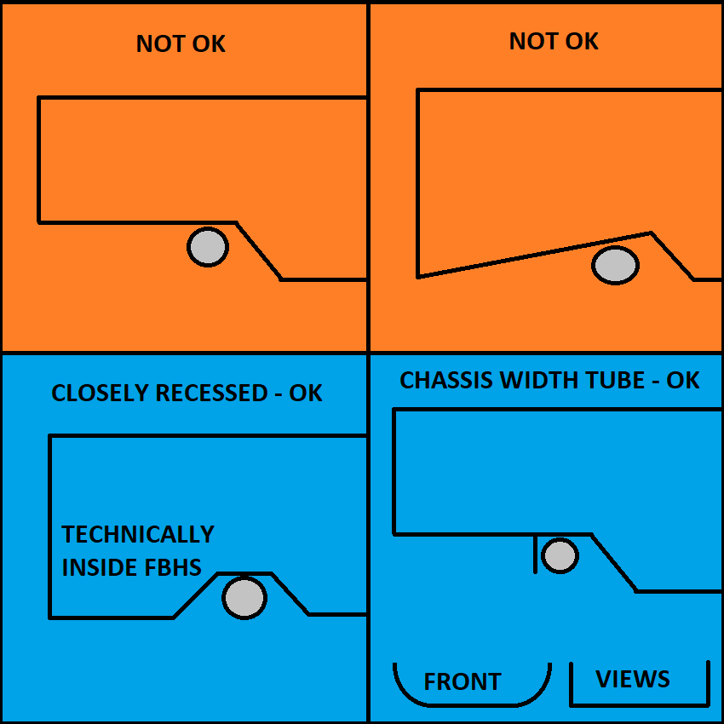
 |  |  |  |  |  |  |  |  |  |  |  |  |  |  |  |  |  |  |  |  |  |  |  |  |  |  | T.2.4.2 | F.3.2.1.j | Minimum Lap/Sub Belt Tube |  | Minimum | Tube Used |  | EQ |  |  | Lap Belt Attachment: |  |  |  |  |  |  | BLANK | F.3.2.1.k | Example: 25mm x 2.5mm round |  |  |  | Size A |  |  | BLANK |  |  |  | Square side: | 25 |  | mm | BLANK | F.5.11 | Wing mounts and other items outside the rollover envelope could buckle the MH or MHB. |  |  |  |  |  |  |  |  |  |  |  |  |  |  |  |  | If mounts are asymmetric, use a weighted average of the centroid values for R.
 |  |  |  |  |  |  |  |  |  |  |  |  |  |  |  |  | BLANK |  |  |  |  |  |  |  |  |  | F.3.2.1.j | Example: 25.4mm x 1.6mm round |  |  | Size B |  |  | BLANK |  | T.2.4.3.a |  |  |  |  | Harness Test Load: | 30000 | N | EQ | F.3.4.1.a |  |  |  | Wall thickness: | 2 |  | mm | BLANK |  |  |  | Wall thickness: | 1.2 |  | mm | BLANK | F.5.11.2.a | Place rear wing mounts at nodes, or away from the MH and MHB. |  |  |  |  |  |  |  | BLANK
 |  |  |  |  |  |  |  |  |  |  |  |  |  |  |  |  | F.6.2.3.a |  |  |  |  | Top of FB to Upper FBHS tube, 50mm vertical limit: |  | mm | BLANK |  | F.3.4.1.b |  |  | Wall thickness: | 1.2 |  | mm | BLANK |  | T.2.5.8 |  |  |  |  | Shank OD, unmodified harness, no thread shear: |  | mm | BLANK |  |  |  |  | Square side: | 25 |  | mm | BLANK |  |  |  | Square side: | 25.0 |  | mm | BLANK | Suspension pickups or rocker mounts on the MHB must be at or below the base. |  |  |  |  |  |  |  |  | F.11.2.4 | HV Side Protection, RBHS |  |  |  | Minimum | Tube Used |  | EQ | BLANK
 |  |  |  |  |  |  |  |  |  |  |  |  |  |  |  |  |  |  |  |  |  |  |  |  |  |  |  |  |  | Square side: | 25 |  | mm | BLANK |  |  |  |  |  |  | Bolt rated UTS: |  | Pa | BLANK |  |  |  |  | Wall thickness: | 2.0 |  | mm | BLANK |  |  |  | Tube cross sectional area (A): | 91 |  | mm^2 | BLANK | F.5.11.6 | Wing mounts should not point at the driver. In failure, try to keep outside chassis tubes. |  |  |  |  |  |  |  | F.3.2.1.n | Example: 25.4mm x 1.2mm round |  |  |  | Size B |  |  | BLANK | F.11.3.1.a |  |  | Rear Bulkhead Tubes Replaced: | 0 |  |  | BLANK
 |  |  |  |  |  |  |  |  |  |  |  |  |  |  |  |  | BLANK |  |  |  |  |  |  |  |  |  |  |  |  | Wall thickness: | 1.2 |  | mm | BLANK |  |  |  |  |  |  | Fastener shear strength 0.577*UTS*A (N): | 0 | 0.00% | REJECT |  |  |  |  | Square side: | 25.0 |  | mm | BLANK |  |  |  | Tube second moment of inertia (I): | 6695 |  | mm^4 | BLANK |  |  |  |  |  |  |  |  |  | F.3.4.1.c |  |  |  | Wall thickness: | 1.2 |  | mm | BLANK | F.3.3-5 |  |  | Material: | Steel |  |  | N/A
 |  |  |  |  |  |  |  |  |  |  |  |  |  |  |  |  | F.6.2.3.a-b |  |  |  |  | FBHS configuration: |  |  | BLANK |  |  |  |  | Square side: | 25.0 |  | mm | BLANK |  |  |  |  |  |  |  |  | mm | N/A |  |  |  |  | Tube cross sectional area (A): | 173 |  | mm^2 | BLANK |  |  |  |  |  |  |  |  | F.5.11.2.b | Each wing mount in the middle of the MHB must have a structural tube brace underneath, |  |  |  |  |  |  |  |  |  |  |  | Square side: | 25 |  | mm | BLANK | F.3.4.2 |  |  | Young's Modulus (E): | 2.00E+11 |  | Pa | N/A
 |  |  |  |  |  |  |  |  |  |  |  |  |  |  |  |  |  |  |  |  |  | Top of Upper FBHS tube relative to top of Upper SIS tube: |  |  | BLANK |  |  |  |  | Tube cross sectional area (A): | 114 |  | mm^2 | BLANK |  |  |  |  |  |  |  |  | mm | N/A |  |  |  |  | Tube second moment of inertia (I): | 11320 |  | mm^4 | BLANK |  |  |  |  |  |  |  |  | and have a detachment or failure force below the calculated buckling yield of the MHB. |  |  |  |  |  |  |  |  |  |  |  |  | Wall thickness: | 1.2 |  | mm | BLANK |  |  |  | Yield Strength (Sy): | 3.05E+08 |  | Pa | N/A
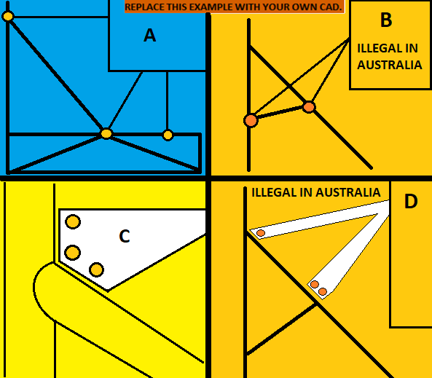
 |  |  |  |  |  |  |  |  |  |  |  |  |  |  |  |  |  |  |  |  |  | Vertical limit 50mm below: |  | mm | BLANK |  |  |  |  | Tube second moment of inertia (I): | 8509 |  | mm^4 | BLANK |  |  |  |  |  |  |  | 0 | 0.00% | N/A |  |  |  |  |  |  |  |  |  |  |  |  |  |  |  |  |  | F.2.3 | FEA is not an accepted calculation for mount failure force or any other SES equivalency. |  |  |  |  |  |  |  |  |  |  |  | Square side: | 25.0 |  | mm | BLANK |  |  |  | Ultimate Strength (Su): | 3.65E+08 |  | Pa | N/A
 |  |  |  |  |  |  |  |  |  |  |  |  |  |  |  |  |  |  |  |  | Rearward Front Bulkhead Support is not required. |  |  |  |  |  |  |  |  |  |  |  |  |  |  |  |  |  |  |  | Eyebolt or bolt to chassis: |  |  | BLANK |  |  |  |  | Shoulder Harness Bar bends requires braces. |  |  |  |  |  |  |  |  |  |  |  |  | F.6.6.2 | If the brace has a path to the SIS and is triangulated underneath, it could be the MHBS. |  |  |  |  |  |  |  |  |  |  |  | Tube cross sectional area (A): | 114 |  | mm^2 | BLANK | (S) |  |  |  | 0.00E+00 | 0.00E+00 | Pa | N/A
 |  |  |  |  |  |  |  |  |  |  |  |  |  |  |  |  |  |  |  |  |  |  |  |  |  |  |  |  |  |  |  |  |  |  |  |  |  |  |  |  |  |  | mm | N/A |  |  |  |  |  |  |  |  |  |  |  |  |  |  |  |  |  | F.5.9.6 | The wing mount would then be at an MHB node, and there is no failure requirement. |  |  |  |  |  |  |  |  |  |  |  | Tube second moment of inertia (I): | 8509 |  | mm^4 | BLANK |  |  |  |  | 0.00E+00 |  | mm^2 | N/A
 |  |  |  |  |  |  |  |  |  |  |  |  |  |  |  |  | BLANK |  |  |  |  |  |  |  |  |  |  |  |  |  |  |  |  |  |  |  |  |  |  |  |  |  | mm | N/A | BLANK |  |  |  |  |  |  |  |  |  |  |  |  |  |  |  |  |  | F.5.11 External Items: | https://www.fsaeonline.com/cdsweb/rqa/ViewFAQ.aspx?faqnum=279 |  |  |  |  |  |  |  |  |  |  |  |  |  |  |  |  |  |  |  | 0.00E+00 |  | mm^4 | N/A
 |  |  |  |  |  |  |  |  |  |  |  |  |  |  |  |  | F.6.3.4 |  |  |  |  | Top of FH to top of FHB tube, 50mm vertical limit: |  | mm | BLANK |  |  |  |  |  |  |  |  |  |  |  |  |  |  |  |  | 0.01 | mm | N/A | F.6.5.2.b |  |  |  |  | Brace angle to plane of SH side view >= 30: |  | degrees | BLANK |  |  |  |  |  |  |  |  |  |  |  |  |  |  |  |  |  | F.11.2.3 | Min height for the top edge of the upper tube is the lower of: 290mm above |  |  |  |  |  |  |  |  |  |  | Mount Longitudinal Edge to Moment of Inertia Centroid (R): | 12.500 |  | mm | N/A
 |  |  |  |  |  |  |  |  |  |  |  |  |  |  |  |  |  |  |  |  |  |  |  |  |  |  |  |  |  |  |  |  |  |  |  |  |  |  |  |  |  |  | mm | N/A |  |  |  |  |  |  |  |  |  |  |  |  |  |  |  |  |  | BLANK |  |  |  |  |  |  |  |  | the lowest point of the bottom edge of the Lower SIS tube, or the top of the tractive battery. |  |  |  |  |  |  |  |  | Buckling Modulus |  |  | E_1*I_1 <= E_2*I_2: | 0.00E+00 |  |  | N/A
 |  |  |  |  |  |  |  |  |  |  |  |  |  |  |  |  | BLANK |  |  |  |  |  |  |  |  |  |  |  |  |  |  |  |  |  |  |  |  |  |  |  |  | 0 | 0.00% | N/A | F.5.2.3 | The plane of a bent tube is defined by the straight axes on either side of the bend. |  |  |  |  |  |  |  |  |  |  |  |  |  |  |  | F.5.11 |  |  |  | Rear Wing chassis mounting locations: |  |  |  | BLANK |  |  |  |  |  |  |  |  |  | Critical Strength |  |  | S_1*A_1 <= S_2*A_2: |  |  |  | N/A
 |  |  |  |  |  |  |  |  |  |  |  |  |  |  |  |  | F.6.3 | Forward Front Hoop Braces (FHB) |  |  |  | Minimum | Tube Used |  | EQ |  |  |  |  |  |  |  |  |  |  |  |  |  |  | At least 2x 6mm critical fasteners, Welded Inserts, and external Positive Locking required. |  |  |  |  |  |  |  |  |  |  |  |  |  |  |  |  |  |  |  |  |  |  |  |  |  |  | Number of fasteners per chassis mount for the wing: |  |  | N/A | BLANK |  |  |  |  |  |  |  |  | Bending |  |  | 4*S_1*I_1/r <= 4*S_2*I_2/r: |  |  |  | N/A
 |  |  |  |  |  |  |  |  |  |  |  |  |  |  |  |  | F.3.2.1.d | Example: 25.4mm x 1.6mm round |  |  |  | Size B |  |  | BLANK |  |  |  |  |  |  |  |  |  |  |  |  |  |  |  |  |  |  |  |  |  |  |  | Shoulder Harness Bar bends requires braces. |  |  |  |  |  |  |  |  |  |  |  |  | F.5.11.2.b | Wing Mount Braces |  |  |  | Minimum | Tube Used |  | N/A |  |  |  |  | EV motor location: |  |  |  | BLANK | Deflection |  |  | Bending_1/(48*EI): |  |  |  | N/A
 |  |  |  |  |  |  |  |  |  |  |  |  |  |  |  |  | F.3.4.1.b |  |  |  | Wall thickness: | 1.2 |  | mm | BLANK |  |  |  |  | Lap and Anti-Sub chassis locations |  |  |  |  |  | BLANK |  |  |  |  |  |  |  |  | BLANK |  |  |  |  |  |  |  |  |  |  |  |  |  |  |  |  | F.3.2.1.o | Example: 25.4mm x 1.2mm round |  |  |  | Size C |  |  | N/A |  |  |  | Top surface of HV System Protection: |  |  |  |  | BLANK | Energy |  |  | 0.5*Bending^2/(48*EI): |  |  |  | N/A
 |  |  |  |  |  |  |  |  |  |  |  |  |  |  |  |  |  |  |  |  | Square side: | 25 |  | mm | BLANK |  |  |  |  |  |  |  |  |  |  |  |  |  | Anti-Submarining Belt Attachment: |  |  |  |  | BLANK | F.6.5.2.b | Shoulder Harness Braces |  |  |  | Minimum | Tube Used |  | EQ |  |  |  |  |  |  |  |  | F.3.4.1.c |  |  |  | Wall thickness: | 1.2 |  | mm | N/A
 |  |  |  |  |  |  |  |  |  |  |  |  |  |  |  |  |  |  |  |  | Wall thickness: | 1.2 |  | mm | BLANK |  |  |  |  |  |  |  |  |  |  | T.2.4.3.a |  |  |  |  | Harness Test Load: | 30000 | N | EQ | F.3.2.1.l | Example: 25.4mm x 1.2mm round |  |  |  | Size C |  |  | BLANK |  |  |  |  |  |  |  |  |  |  |  |  | Square side: | 25 |  | mm | N/A |  |  |  |  |  |  |  |  |  |  |  |  | In rear view, a billet rear bulkhead plate must fully overlap the F.11.2.2.b chassis load paths to the SIS.
 |  |  |  |  |  |  |  |  |  |  |  |  |  |  |  |  |  |  |  |  | Square side: | 25.0 |  | mm | BLANK |  |  |  |  |  |  |  |  |  |  | T.2.7.5 |  |  |  |  | Shank OD, unmodified harness, no thread shear: |  | mm | BLANK | F.3.4.1.c |  |  |  | Wall thickness: | 1.2 |  | mm | BLANK | Required Image: Car showing wing mounts. |  |  |  |  |  |  |  |  |  |  |  | Wall thickness: | 1.2 |  | mm | N/A |  |  |  |  |  |  |  |  |  |  |  |  | The billet must rest on the tubes so the fasteners carry lateral loads only, not the 120kN rear impact load.
 |  |  |  |  |  |  |  |  |  |  |  |  |  |  |  |  |  |  |  |  | Tube cross sectional area (A): | 114 |  | mm^2 | BLANK |  |  |  |  |  |  |  |  |  |  |  |  |  |  |  | Bolt rated UTS: |  | Pa | BLANK |  |  |  |  | Square side: | 25 |  | mm | BLANK |  |  |  |  |  |  |  |  |  |  |  |  | Square side: | 25.0 |  | mm | N/A |  |  |  |  |  |  |  |  |  | EQ
 |  |  |  |  |  |  |  |  |  |  |  |  |  |  |  |  |  |  |  |  | Tube second moment of inertia (I): | 8509 |  | mm^4 | BLANK |  |  |  |  |  |  |  |  |  |  |  |  |  |  |  | Fastener shear strength 0.577*UTS*A (N): | 0 | 0.00% | REJECT |  |  |  |  | Wall thickness: | 1.2 |  | mm | BLANK |  |  |  |  |  |  |  |  |  |  |  |  | Tube cross sectional area (A): | 91 |  | mm^2 | N/A |  |  |  |  |  |  |  |  |  | F.7.8.1 |  |  |  |  |  |  | N/A
 |  |  |  |  |  |  |  |  |  |  |  |  |  |  |  |  |  |  |  |  |  |  |  |  |  |  |  |  |  |  |  |  |  |  |  |  |  |  |  |  |  |  | mm | N/A |  |  |  |  | Square side: | 25.0 |  | mm | BLANK |  |  |  |  |  |  |  |  |  |  |  |  | Tube second moment of inertia (I): | 6695 |  | mm^4 | N/A |  |  |  |  |  |  |  |  |  |  |  |  |  |  | #DIV/0! | N | N/A
 |  |  |  |  |  |  |  |  |  |  |  |  |  |  |  |  |  |  |  |  | Rearward Front Hoop Brace is not required. |  |  |  |  |  |  |  |  |  |  |  |  |  |  |  |  |  |  |  |  |  | mm | N/A |  |  |  |  | Tube cross sectional area (A): | 91 |  | mm^2 | BLANK |  |  |  |  |  |  |  |  | F.5.11.2.b |  |  |  | Calculation of bending strength of MHB tube. |  |  |  | N/A |  |  |  |  |  |  |  |  |  | F.7.8.7 |  |  |  |  |  | mm | N/A
 |  |  |  |  |  |  |  |  |  |  |  |  |  |  |  |  | EQ |  |  |  |  |  |  |  |  |  |  |  |  |  |  |  |  |  |  |  |  |  |  |  |  | 0 | 0.00% | N/A |  |  |  |  | Tube second moment of inertia (I): | 6695 |  | mm^4 | BLANK |  |  |  |  |  |  |  |  | F.3.4.2 |  |  |  |  | Yield Strength (Sy): | 3.05E+08 | Pa | N/A |  |  |  |  |  |  |  |  |  |  |  |  |  |  |  | Pa | N/A
 |  |  |  |  |  |  |  |  |  |  |  |  |  |  |  |  | F.6.2.3.b | Rear Front Bulkhead Support (FBHS) |  |  |  | Minimum | Tube Used |  | N/A |  |  |  |  |  |  |  |  |  |  |  |  |  |  |  | Eyebolt or bolt to chassis: |  |  | BLANK |  |  |  |  |  |  |  |  |  |  |  |  |  |  |  |  |  |  |  |  |  |  | Main Hoop Brace Outer Diameter (OD): | 0 | mm | N/A |  |  |  |  |  |  |  |  |  |  |  |  |  |  | 0.00E+00 | #DIV/0! | N/A
 |  |  |  |  |  |  |  |  |  |  |  |  |  |  |  |  | F.3.2.1.b | Example: 25.4mm x 1.2mm round |  |  |  | Size C |  |  | N/A |  |  |  |  |  |  |  |  |  |  |  |  |  |  |  |  |  | mm | N/A | BLANK |  |  |  |  |  |  |  |  |  |  |  |  |  |  |  |  |  |  |  |  |  | Main Hoop Brace second moment of inertia (I): |  | mm^4 | N/A |  |  |  |  |  |  |  |  |  |  |  |  |  |  |  | mm | N/A
 |  |  |  |  |  |  |  |  |  |  |  |  |  |  |  |  | F.3.4.1.c |  |  |  | Wall thickness: | 1.2 |  | mm | N/A |  |  |  |  |  |  |  |  |  |  |  |  |  |  |  |  |  | mm | N/A | F.5.8.3.a |  |  |  |  | Main Hoop side view direction from Upper SIS up: |  |  | BLANK |  |  |  |  |  |  |  |  |  |  |  |  |  | Main Hoop Brace Length (Main Hoop to MHBS) (L): |  | mm | N/A |  |  |  |  |  |  |  |  |  |  |  |  |  |  |  | mm | N/A
 |  |  |  |  |  |  |  |  |  |  |  |  |  |  |  |  |  |  |  |  | Square side: | 25 |  | mm | N/A |  |  |  |  |  |  |  |  |  |  |  |  |  |  |  |  |  | mm | N/A |  |  |  |  |  | Main Hoop angle from vertical above Upper SIS, in side view, <=10: |  | degrees | BLANK |  |  |  |  |  |  |  |  |  |  |  |  |  | Braced Wing Mount distance to closest MHB end (a): |  | mm | N/A |  |  |  |  |  |  |  |  |  |  |  |  |  |  |  | mm | N/A
 |  |  |  |  |  |  |  |  |  |  |  |  |  |  |  |  |  |  |  |  | Wall thickness: | 1.2 |  | mm | N/A |  |  |  |  |  |  |  |  |  |  |  |  |  |  |  |  |  | mm | N/A | F.5.8.2 |  |  |  | Main Hoop Braces may run forward or rearward. |  |  |  |  |  |  |  |  |  |  |  |  |  |  |  |  |  | MHB Max Bending Load (Sy*I)/(OD/2*a*(L-a)^2/L^2): |  | N | N/A |  |  |  |  |  |  |  |  |  |  |  |  |  |  | 0.00E+00 | #DIV/0! | N/A
 |  |  |  |  |  |  |  |  |  |  |  |  |  |  |  |  |  |  |  |  | Square side: | 25.0 |  | mm | N/A |  |  |  |  |  |  |  |  |  |  |  |  |  |  |  |  | 0 | 0.00% | N/A |  |  |  |  |  |  |  |  |  |  |  |  |  |  |  |  |  |  |  |  | Rear Wing Mount Limit: |  |  |  |  | N/A |  |  |  |  |  |  |  |  |  |  |  |  |  |  | 0.00E+00 | #DIV/0! | N/A
 |  |  |  |  |  |  |  |  |  |  |  |  |  |  |  |  |  |  |  |  | Tube cross sectional area (A): | 91 |  | mm^2 | N/A |  |  |  |  |  |  |  |  |  |  |  |  |  |  | At least 2x 6mm critical fasteners, Welded Inserts, and external Positive Locking required. |  |  |  |  | BLANK |  |  |  |  |  |  |  |  |  |  |  |  |  |  |  |  |  |  |  |  |  |  |  | N | N/A |  |  |  |  |  |  |  |  |  |  |  |  |  |  |  | mm | N/A
 |  |  |  |  |  |  |  |  |  |  |  |  |  |  |  |  |  |  |  |  | Tube second moment of inertia (I): | 6695 |  | mm^4 | N/A |  |  |  |  |  |  |  |  |  |  |  |  |  |  |  |  |  |  |  | F.5.8.3.c |  |  |  |  | MH side view direction from Upper SIS down: |  |  | BLANK |  |  |  |  |  |  |  |  |  |  |  |  |  |  |  |  | N/A |  |  |  |  |  |  |  |  |  |  |  |  |  |  |  | mm | N/A
 |  |  |  |  |  |  |  |  |  |  |  |  |  |  |  |  |  |  |  |  |  |  |  |  |  |  |  |  |  |  |  |  |  |  |  |  |  |  |  |  |  |  |  |  |  |  |  |  |  | Main Hoop side angle from vertical below Upper SIS: |  | degrees | BLANK |  |  |  |  |  |  |  |  |  |  |  |  |  |  | 0.00 |  | N/A |  |  |  |  |  |  |  |  |  |  |  |  |  |  |  | mm | N/A
 |  |  |  |  |  |  |  |  |  |  |  |  |  |  |  |  | F.6.2.3.b | Rear FBHS braces minimum Size C. |  |  |  |  |  |  |  |  |  |  |  |  |  |  |  |  |  |  |  |  |  |  |  |  |  |  |  |  |  |  |  |  |  |  |  | F.5.11 | Approaches to wing detachment. |  |  |  |  |  |  |  |  |  |  | Do not delete any tabs. |  |  |  |  |  |  |  |  |  |  |  |  |  |  |  |  |  |  | 0.00E+00 | #DIV/0! | N/A
 |  |  |  |  |  |  |  |  |  |  |  |  |  |  |  |  | F.6.3.5 | Rear FH braces minimum Size B. |  |  |  |  |  |  |  |  |  |  |  |  |  |  |  |  |  |  |  |  |  |  |  |  |  |  | BLANK |  |  |  |  |  |  |  |  |  |  |  |  |  |  |  |  | BLANK |  |  |  |  |  |  |  |  |  |  |  |  |  |  |  |  |  |  |  |  |  |  | 0.00E+00 | #DIV/0! | N/A
 |  |  |  |  |  |  |  |  |  |  |  |  |  |  |  |  |  |  |  |  |  |  |  |  |  |  | Good Engineering Practices, Future Rules |  |  |  |  |  |  |  |  |  |  |  |  |  |  |  |  |  | F.5.8.4 |  |  |  |  | Distance between Main Hoop ends, >=380mm (15") |  | mm | BLANK | A | STRONGLY PREFERRED |  |  |  |  |  |  |  |  |  |  |  | Do any regulated tubes use F.5.12 bolted connections? |  |  | BLANK
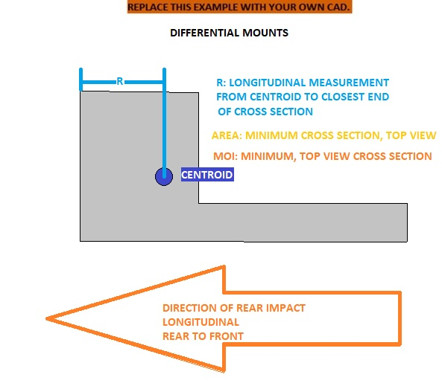
 |  |  |  |  |  |  |  |  |  |  |  |  |  |  |  |  |  |  |  |  |  |  |  |  |  |  |  |  |  |  |  |  |  |  |  |  |  |  |  |  |  |  |  |  |  |  |  |  |  |  |  |  |  |  | Single fastener at each node, rotationally free. |  |  |  |  |  |  |  |  |  |  |  | Any holes > 4mm or welded inserts in F.3.2.1 required tubes? |  |  | BLANK
 |  |  |  |  |  |  |  |  |  |  |  |  |  |  |  |  |  |  |  |  |  |  |  |  |  |  | Cross-car tubes for harnesses increased to SH strength. |  |  |  |  |  |  |  |  |  |  |  |  |  |  |  |  |  | F.5.2.1 | Enter the tightest bend on any T.5-6 tube in the chassis (usually in the MH or SH.) |  |  |  |  |  |  |  |  | No failure force required. |  |  |  |  |  |  |  |  |  |  |  | Does the steering rack interrupt any required tubes? |  |  | BLANK
 |  |  |  |  |  |  |  |  |  |  |  |  |  |  |  |  |  |  |  |  |  |  |  |  |  |  | The SH is currently Size A, while the Lap and Anti-Sub requirement is Size B. |  |  |  |  |  |  |  |  |  |  |  |  |  |  |  |  |  | BLANK |  |  |  |  |  |  |  |  |  | Mounts rearward of the MHB assembly are completely unrestricted
 |  |  |  |  |  |  |  |  |  |  |  |  |  |  |  |  |  |  |  |  |  |  |  |  |  |  | Monocoque floor requirements will need to be evaluated. |  |  |  |  |  |  |  |  |  |  |  |  | Harness tabs cannot rub on harness material. |  |  |  |  | F.5.2.1 |  |  |  |  | Minimum tube centerline radius: |  | mm | BLANK |  |  |  |  |  |  |  |  | AIP or EV might activate Welded Inserts tab
 |  |  |  |  |  |  |  |  |  |  |  |  |  |  |  |  |  |  |  |  |  |  |  |  |  |  |  |  |  |  |  |  |  |  |  |  |  |  |  |  |  |  |  |  |  |  |  |  |  | Outer Diameter (OD): |  | mm | BLANK | B | NOT RECOMMENEDED - ILLEGAL IN AUSTRALIA
 |  |  |  |  |  |  |  |  |  |  |  |  |  |  |  |  |  |  |  |  |  |  |  |  |  |  | Lap Belt Mounting Width |  |  |  |  |  |  |  |  |  |  |  |  | Use a thicker tab to keep the edge away. |  |  |  |  |  |  |  |  |  | Minimum radius::diameter ratio, >=3: |  |  |  |  | Mounts in the middle of the MHB or MH require a brace between the two.
 |  |  |  |  |  |  |  |  |  |  |  |  |  |  |  |  |  |  |  |  |  |  |  |  |  |  | The width of the lap belt attachment should match driver hip bones. |  |  |  |  |  |  |  |  |  |  |  |  |  |  |  |  |  |  |  |  |  |  |  |  |  |  |  | All fasteners or mounts on a side must fail simultaneously below the MHB buckling force. |  |  |  |  |  |  | EV: Complete EV protection columns to the right
 |  |  |  |  |  |  |  |  |  |  |  |  |  |  |  |  |  |  |  |  |  |  |  |  |  |  | This suggests placing the lap belts on a cross-car tube. |  |  |  |  |  |  |  |  |  |  |  |  | Harness tab location, dimensions, shear area, |  |  |  |  |  |  |  |  | Wrapping shoulder harness belts around the SH bar is strongly preferred.
 |  |  |  |  |  |  |  |  |  |  |  |  |  |  |  |  |  |  |  |  |  |  |  |  |  |  | Approximately 400mm, straight up and down in front view. |  |  |  |  |  |  |  |  |  |  |  |  |  |  |  |  |  | BLANK |  |  |  |  |  |  |  |  | C | NOT RECOMMENEDED - GUSSET MAY BE REQUIRED
 |  |  |  |  |  |  |  |  |  |  |  |  |  |  |  |  |  |  |  |  |  |  |  |  |  |  | Full wrap, not attached higher. |  |  |  |  |  |  |  |  |  |  |  |  | tabs in plane with belts. |  |  |  |  |  |  |  | Shoulder Harness Attachment: |  |  |  |  | BLANK |  | Multiple fasteners within 1x outer diameter of the node. |  |  |  |  |  |  | EV: Complete all other tabs
 |  |  |  |  |  |  |  |  |  |  |  |  |  |  |  |  |  |  |  |  |  |  |  |  |  |  | Not at an angle in front view. |  |  |  |  |  |  |  |  |  |  |  |  |  |  |  |  |  | T.2.4.3.a |  |  |  |  | Harness Test Load: | 15000 | N | EQ |  | All but one fastener must fail simultaneously below the MHB buckling force.
 |  |  |  |  |  |  |  |  |  |  |  |  |  |  |  |  |  |  |  |  |  |  |  |  |  |  |  |  |  |  |  |  |  |  |  |  |  |  |  | No open ended eyebolts. |  |  |  |  | T.2.6.4 |  |  |  |  | Shank OD, unmodified harness, no thread shear: |  | mm | BLANK
 |  |  |  |  |  |  |  |  |  |  |  |  |  |  |  |  |  |  |  |  |  |  |  |  |  |  | Harness Loads At Triangulated Nodes |  |  |  |  |  |  |  |  |  |  |  |  |  |  |  |  |  |  |  |  |  |  | Bolt rated UTS: |  | Pa | BLANK | D | NOT RECOMMENEDED - ILLEGAL IN AUSTRALIA |  |  |  |  |  |  | BLANK |  | F.3.4 Steel Tube |  |  |  |  |  |  |  |  |  |  |  |  |  |  |  | Rear Impact CAD with dimensions required.
 |  |  |  |  |  |  |  |  |  |  |  |  |  |  |  |  |  |  |  |  |  |  |  |  |  |  | Lap and Anti-Sub attachments on the Lower SIS should be near a triangulated node. |  |  |  |  |  |  |  |  |  |  |  |  | Spec sheet for fasteners / eyebolts. |  |  |  |  |  |  |  |  |  | Fastener shear strength 0.577*UTS*A (N): | 0 | 0.00% | REJECT |  | Multiple fasteners along the MHB.
 |  |  |  |  |  |  |  |  |  |  |  |  |  |  |  |  |  |  |  |  |  |  |  |  |  |  | Cross car tubes for belts should be between nodes triangulated in side view. |  |  |  |  |  |  |  |  |  |  |  |  |  |  |  |  |  |  |  |  |  |  |  |  | mm | N/A |  | Brace required between MH and MHB at rearmost fastener. |  |  |  |  |  |  | BLANK |  | F.10.1-4 Modules & Container
 |  |  |  |  |  |  |  |  |  |  |  |  |  |  |  |  |  |  |  |  |  |  |  |  |  |  | This is likely to include a longitudinal tube for the SH. |  |  |  |  |  |  |  |  |  |  |  |  |  |  |  |  |  |  |  |  |  |  |  |  | mm | N/A |  | All fasteners not located at the MH-MHB node must fail simultaneously below the MHB buckling force.
F.3.4 Steel Tube |  |  |  |  |  |  |  |  |  |  |  |  |  |  |  |  |  |  |  |  |  |  |  |  |  |  |  |  |  |  |  |  |  |  |  |  |  |  |  |  |  |  |  |  |  |  |  |  |  |  | 0 | 0.00% | N/A |  |  |  |  |  |  |  |  | BLANK |  | F.10.5 Battery Attachment
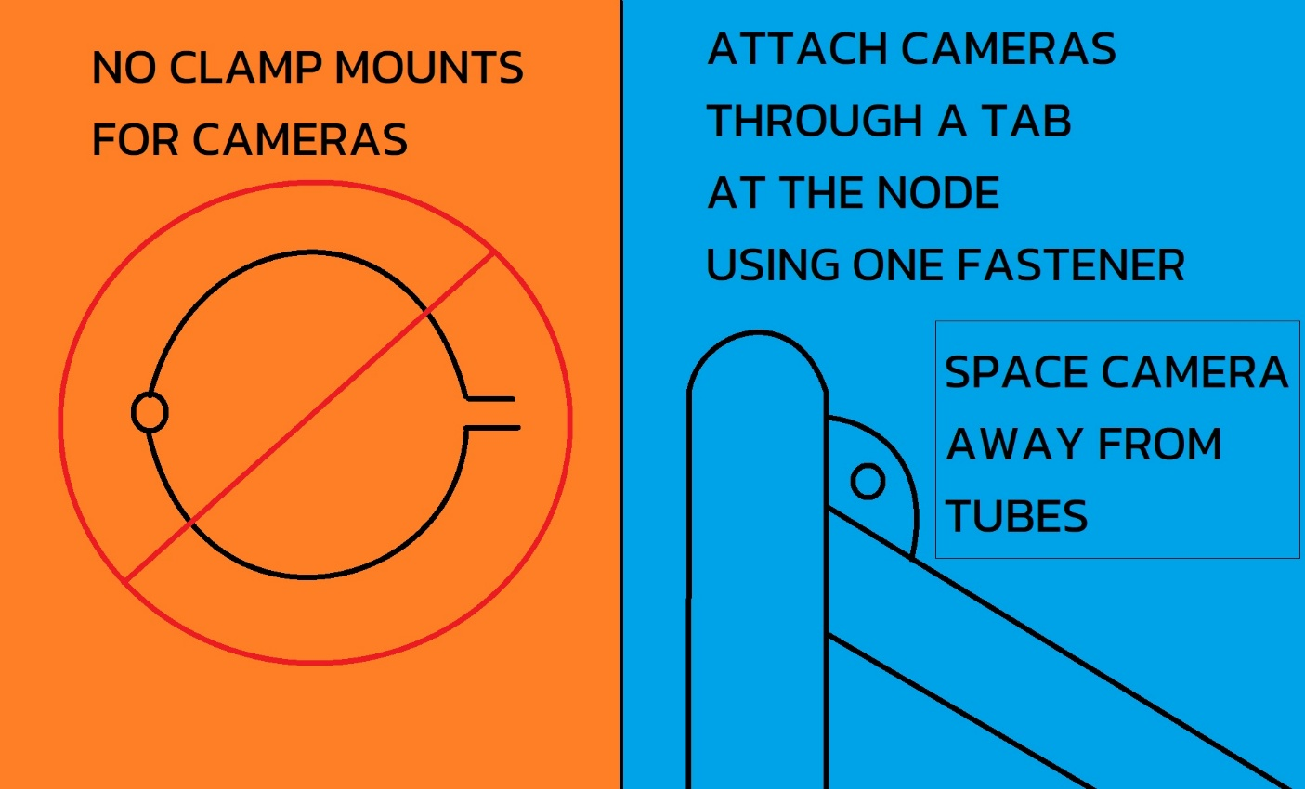
 |  |  |  |  |  |  |  |  |  |  |  |  |  |  |  |  |  |  |  |  |  |  |  |  |  |  |  |  |  |  |  |  |  |  |  |  |  |  |  |  |  |  |  |  |  |  |  |  |  | Eyebolt or bolt to chassis: |  |  | BLANK
 |  |  |  |  |  |  |  |  |  |  |  |  |  |  |  |  |  |  |  |  |  |  |  |  |  |  |  |  |  |  |  |  |  |  |  |  |  |  |  |  |  |  |  |  |  |  |  |  |  |  |  | mm | N/A |  |  |  |  |  |  |  |  | BLANK |  | F.8 Front Protection
 |  |  |  |  |  |  |  |  |  |  |  |  |  |  |  |  |  |  |  |  |  |  |  |  |  |  |  |  |  |  |  |  |  |  |  |  |  |  |  |  |  |  |  |  |  |  |  |  |  |  |  | mm | N/A
 |  |  |  |  |  |  |  |  |  |  |  |  |  |  |  |  |  |  |  |  |  |  |  |  |  |  |  |  |  |  |  |  |  |  |  |  |  |  |  |  |  |  |  |  |  |  |  |  |  |  |  | mm | N/A |  |  |  |  |  |  |  |  | BLANK |  | F.3.4.3 Welded Inserts
 |  |  |  |  |  |  |  |  |  |  |  |  |  |  |  |  |  |  |  |  |  |  |  |  |  |  |  |  |  |  |  |  |  |  |  |  |  |  |  |  |  |  |  |  |  |  |  |  |  |  |  | mm | N/A
 |  |  |  |  |  |  |  |  |  |  |  |  |  |  |  |  |  |  |  |  |  |  |  |  |  |  |  |  |  |  |  |  |  |  |  |  |  |  |  |  |  |  |  |  |  |  |  |  |  |  | 0 | 0.00% | N/A |  |  |  |  |  |  |  |  | BLANK |  | F.5.12 Bolted Members
 |  |  |  |  |  |  |  |  |  |  |  |  |  |  |  |  |  |  |  |  |  |  |  |  |  |  |  |  |  |  |  |  |  |  |  |  |  |  |  |  |  |  |  |  |  |  |  |  | At least 2x 6mm critical fasteners, Welded Inserts, and external Positive Locking required.
 |  |  |  |  |  |  |  |  |  |  |  |  |  |  |  |  |  |  |  |  |  |  |  |  |  |  |  |  |  |  |  |  |  |  |  |  |  |  |  |  |  |  |  |  |  |  |  |  |  |  |  |  |  |  |  |  |  |  |  |  |  | NO |  | Ready to submit for review?
 |  |  |  |  |  |  |  |  |  |  |  |  |  |  |  |  |  |  |  |  |  |  |  |  |  |  |  |  |  |  |  |  |  |  |  |  |  |  |  |  |  |  |  |  | Good Engineering Practices, Future Rules
 |  |  |  |  |  |  |  |  |  |  |  |  |  |  |  |  |  |  |  |  |  |  |  |  |  |  |  |  |  |  |  |  |  |  |  |  |  |  |  |  |  |  |  |  | SH between tubes triangulated in side view.
 |  |  |  |  |  |  |  |  |  |  |  |  |  |  |  |  |  |  |  |  |  |  |  |  |  |  |  |  |  |  |  |  |  |  |  |  |  |  |  |  |  |  |  |  | To react longitudinal load and reduce bending on the MH.

F.10.1-4 Modules And Container
Match composite testing tabs and material list names. Properties auto-populate. No need to use "F.4.3 Composite" in the name. |  | Note: Forces are given in Pa, not Mpa or Gpa.
 |  | Material | E (Pa) | S_Ultimate (Pa) |  | Shear (Pa) | S_Yield (Pa)
 |  | Steel Unwelded | 2.00E+11 | 3.65E+08 |  | 2.11E+08 | 3.05E+08
 |  | Steel Welded | 2.00E+11 | 3.00E+08 |  | 1.73E+08 | 2.51E+08
 |  | 6061-T6 Unwelded | 6.90E+10 | 2.90E+08 |  | 1.67E+08 | 2.40E+08
 |  | 6061-T6 Welded | 6.90E+10 | 1.75E+08 |  | 1.01E+08 | 1.05E+08
 |  | 5052-H32 Unwelded | 7.03E+10 | 2.15E+08 |  | 1.24E+08 | 1.60E+08
 |  | 5052-H32 Welded | 7.03E+10 | 1.70E+08 |  | 9.81E+07 | 6.50E+07
Doubled skin must repeat whole layup. Scroll up if Layup Used blank. |  | Other Unwelded |  |  |  | 0.00E+00 |  | Core | Outer | Inner | Show tractive battery in car, no holes toward driver. |  |  |  |  |  |  |  |  |  |  |  |  |  |  |  |  |  |  |  |  | Include data sheets for fasteners and material properties. |  |  |  |  | Include data sheets for fasteners and material properties.
 |  | Other Welded |  |  |  | 0.00E+00 |  | mm | mm | mm
 | #REF! | RENAME F.4.2 Composite | #REF! | #REF! |  | #REF! |  | #REF! | #REF! | #REF! | Show airflow paths from each segment to ambient or relief valve.

 |  |  |  |  |  |  |  |  |  |  | Show arrangement of modules in container.

Select Drop Down
BLANK

mm
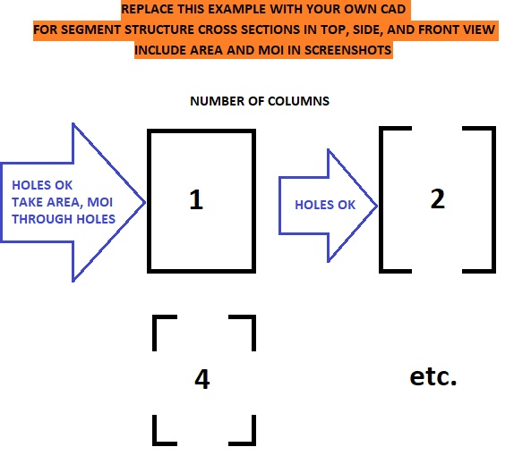
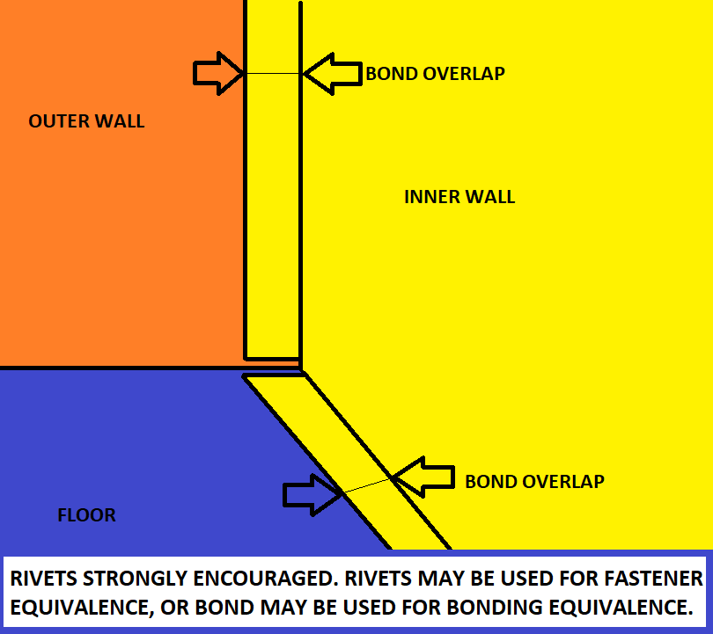
Design Suggestions To Resolve A Red Car Situation Quickly |  |  |  |  | F.2.3 | FEA is not accepted anywhere in the SES or Tech Inspection.
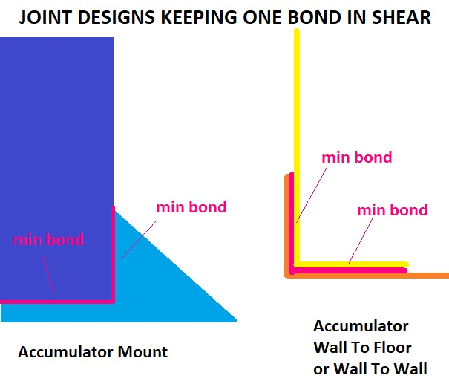
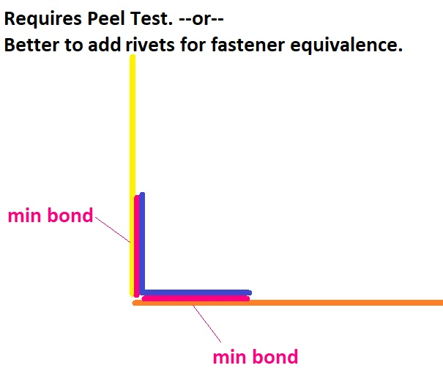
Include a cell temperature display and other vital battery readings |  |  |  |  |  | The SES is asking about the structure of a single module.
on an easily visible Low Voltage display.
Include diagnostic cable connections. |  |  |  |  |  | • removed from the tractive battery container
Design the charger to connect while the Tractive Battery is in the car. |  |  |  |  |  | • aligned lat/long/vert as it is in the car
Design the Tractive Battery to be easily removable while wearing PPE. |  |  |  |  |  | • don't worry about small differences in angle
Include a mid-pack HVD. |  |  |  |  |  | The SES will create a test load
 |  |  |  |  |  | mass of one module * acceleration * number of modules in a row.
Design Suggestions To Pass The Rain Test |  |  |  |  |  | For example, a tractive battery that is 4 modules wide and 2 modules
 |  |  |  |  |  | mass * acceleration force multiplied by 4x laterally, and 2x longitudinally
Where does the water go? |  |  |  |  |  | Module cross sections are taken with all cells, wiring, cooling, etc. removed. |  |  |  |  |  |  |  |  |  |  |  |  |  |  |  |  |  |  |  |  |  |  |  |  |  |  |  |  |  |  |  |  |  |  |  |  |  | Module cross section, Top View.
Keep as much moisture away from and out of the powertrain as possible. |  |  |  |  |  | And furthermore, treating hole patterns as one large opening. |  |  |  |  |  |  |  |  |  | 3/4 view of single module |  |  |  |  |  |  | 3/4 view of single module, structure only |  |  |  |  |  |  | Module cross section, Front View. |  |  |  |  |  |  | Module cross section, Side View. |  |  |  |  |  |  |  |  |  |  |  | Module cross section and attachment CAD. |  |  |  |  |  |  |  | Show all wall attachments / weld paths. |  |  |  |  |  |  |  |  | Show all wall attachments / weld paths.
Deflect spray during the rain test or off the wheels. |  |  |  |  |  | The front view cross section carries longitudinal load. |  |  |  |  |  |  |  |  |  |  |  |  |  |  |  |  |  |  |  |  |  |  |  |  |  |  |  |  |  |  |  |  |  |  |  |  |  | Select smallest column, show A and MOI.
Where does water fall off the rear wing? |  |  |  |  |  | The side view cross section carries lateral load. |  |  |  |  |  |  |  |  |  |  |  |  |  |  |  |  |  |  |  |  |  |  |  | Select smallest column, show A and MOI. |  |  |  |  |  |  | Select smallest column, show A and MOI. |  |  |  |  |  |  |  |  |  |  |  |  |  |  | Show all dimensions entered. |  |  |  |  | All walls must attach to floor. |  |  |  |  |  |  |  |  | All walls must attach to floor.
Provide a path for water to drain out of the bodywork. |  |  |  |  |  | The top view cross section carries vertical load.
Avoid flat, level surfaces where water can pool. |  |  |  |  |  | From statics class:
Use downturned drip edges out past openings for connectors. |  |  |  |  |  | A column is continuous in area and continuous along its normal.
Do not use upward facing connectors, indicators, |  |  |  |  |  | If there are multiple separate cross sectional areas, select only the smallest for A and MOI.
or upward facing fasteners leading to internal volumes. |  |  |  |  |  | Take the minimum cross section, ignoring areas with thicker cross sections.
Use IP rated connectors and switches. Don't forget communication plugs. |  |  |  |  |  | It is also reasonable to ignore the smallest column(s).
Protective covers may be needed. |  |  |  |  |  | And not include the smallest cross section(s) when counting the number of
Moisture on the outside of cabling will not go uphill. |  |  |  |  |  | separate cross sectional areas.
 |  |  |  |  |  | For example, if there are 5 areas in cross section, and one is tiny,
Continued, Design Suggestions For Moisture Inside The Tractive Battery |  |  |  |  |  | you may enter 4 as the number of columns, and select the area and moment of inertia
 |  |  |  |  |  | for the smallest of the other 4 cross sections.
What are the internal water paths? |  |  |  |  |  |  |  |  |  |  |  |  |  |  |  |  |  |  |  |  |  |  |  |  |  |  |  |  |  |  |  |  |  |  |  |  |  |  |  |  |  |  |  |  |  |  |  |  | Show all dimensions entered below. |  |  |  |  |  |  |  | Show all dimensions entered below. |  |  |  |  |  |  |  |  | Show all dimensions entered below.
Moisture eventually gets through any discontinuity. Where does it go next? |  |  |  |  |  | The job of the container is to enclose each module in its own (six sided) box.
Deflect water away from electrical components. |  |  |  |  | F.10.2.3.b | Internal walls must extend to an internal or external lid above any module. |  |  |  |  |  | Additional images may be placed below each section. |  |  |  |  |  |  |  |  |  |  |  |  |  |  |  | Additional images may be placed below each section. |  |  |  |  |  |  |  |  |  |  |  |  |  |  |  |  |  |  |  |  | Additional images may be placed below each section. |  |  |  |  |  |  |  | Additional images may be placed below each section. |  |  |  |  |  |  |  |  | Additional images may be placed below each section.
Conformal coat is a great water barrier. Touch up after electrical probing. |  |  |  |  |  | Any contribution of the container walls is not included in the module evaluation. |  |  |  |  |  | BLANK |  | Tractive Battery |  |  |  |  |  |  | Module Test Loads |  |  |  |  |  |  | BLANK | Module 40G Longitudinal, X |  |  |  |  |  | BLANK | Module 40G Lateral, Y |  |  |  |  |  | BLANK | Module 20G Vertical, Z |  |  |  |  |  | BLANK |  | Module Attachment |  |  |  |  |  | BLANK |  | Walls And Floor |  |  |  |  |  |  | BLANK | Wall And Floor Joining
Avoid flat, level surfaces where water can pool. |  |  |  |  |  | For Tractive Batteries in the typical position behind the driver,
Water runs off vertical circuit boards. |  |  |  |  |  | we will not allow holes in the front Tractive Batteries wall or top. |  |  |  |  |  |  |  |  |  |  |  |  |  |  |  |  |  |  |  |  |  |  |  |  |  |  |  |  |  |  |  |  |  |  |  |  |  |  |  |  |  |  |  |  |  |  |  |  |  |  |  |  |  |  |  |  |  |  |  | In a nominal top lid arrangement, for all external and internal walls:
Make airflow paths longer, up and down to block droplets, with drain holes. |  |  |  |  |  | If airflow is needed to the front of the modules, the solution is to extend the container |  |  |  |  |  | The module structures carry the load to the tractive battery container and mounts. |  |  |  |  |  |  |  |  | The test load is calculated in each direction from the acceleration, the number of modules in a line, |  |  |  |  |  |  | BLANK |  |  |  |  |  |  | BLANK |  |  |  |  |  |  | BLANK |  |  |  |  |  |  | F.10.1.6 | Open ended pop rivets are prohibited anywhere inside the Tractive Battery Container. |  |  |  |  |  |  | F.10.2.3 | Internal walls must separate all modules, reaching an internal or external lid above. |  |  |  |  |  |  |  | A vertical stitch weld or equivalent is required along the full height at each end of each wall.
Airflow will introduce humidity and eventually condensation. |  |  |  |  |  | forward, creating another compartment solely for airflow. |  |  |  |  |  |  |  |  |  |  |  |  |  |  | and the load scaling factor for 60C material properties. |  |  |  |  |  |  |  |  | Most similar material, X direction: |  |  |  | BLANK |  |  | Most similar material, X direction: |  |  |  | BLANK |  |  | Most similar material, X direction: |  |  |  | BLANK |  | Pop rivets of any kind should not be used anywhere in the Tractive Battery Container. |  |  |  |  |  |  | F.10.2.5 | All internal and external walls and floors must be attached at all joints except for lids. |  |  |  |  |  |  |  | A stitch weld or equivalent is required along the full length of each wall to the floor.
Provide drain holes to prevent pooling water from increasing internal humidity. |  |  |  |  |  | A front compartment must meet the same requirements for Tractive Battery wall material. |  |  |  |  |  | Module installation is expected to increase the strength of containers. |  |  |  |  |  |  |  |  |  |  |  |  |  |  |  |  |  |  |  |  | Enter the material used. For exact matches, type the name from the table. | EQ |  |  |  |  |  | Enter the material used. For exact matches, type the name from the table. | EQ |  |  |  |  |  | Enter the material used. For exact matches, type the name from the table. | EQ |  |  |  |  |  |  |  |  | EV.4.3.2 | Electrical, plumbing, wiring, and fasteners are allowed to pass through internal walls. |  |  |  |  |  |  |  | Fastened walls must have spacing close enough to maintain > 135N / mm of length.
Acceleration will move water around. |  |  |  |  |  | If the extended side walls and floor are flush with the original container, |  |  |  |  |  | EV.2.1 | Additional documentation is required in the ESF. |  |  |  |  |  |  |  | The test load is used either for testing a spare module, or to show column equivalence. |  |  |  |  |  |  |  |  |  |  |  | For similar materials, enter the room temperature E and Sy for comparison. | EQ |  |  |  |  |  | For similar materials, enter the room temperature E and Sy for comparison. | EQ |  |  |  |  |  | For similar materials, enter the room temperature E and Sy for comparison. | EQ | F.10.3.2 | Modules must be mechanically attached to the Container. |  |  |  |  |  |  | F.10.4 | Airflow holes are permitted in internal walls. |  |  |  |  |  |  |  | Shear and peel values or test results >60C are required for bonded joints.
Moisture will go to the lowest point assisted by gravity. |  |  |  |  |  | then 10 mm hole patterns may be used for airflow. |  |  |  |  |  |  |  |  |  |  |  |  |  |  |  |  |  |  |  |  |  |  |  | Module material, X direction: |  |  |  | BLANK |  |  | Module material, X direction: |  |  |  | BLANK |  |  | Module material, X direction: |  |  |  | BLANK |  | Container lids are not mechanical attachments. |  |  |  |  |  |  |  |  |  |  |  |  |  |  |  | Both walls need a flange. Bonding on edge is prohibited without a sample showing >60C 135N/mm.
Do not block paths to the bottom of the pack. |  |  |  |  |  | Up to 25% of the total side wall and floor may be removed. |  |  |  |  |  | BLANK |  |  |  |  |  |  |  |  | There are different ways to establish material properties at 60C: |  |  |  |  |  |  |  |  |  | Room temperature modulus (E): |  | Pa | N/A |  |  |  | Room temperature modulus (E): |  | Pa | N/A |  |  |  | Room temperature modulus (E): |  | Pa | N/A |  |  |  |  |  |  |  |  | BLANK
Raise modules so they don't sit in water at the bottom of the container. |  |  |  |  |  | Holes may be concentrated in the front airflow compartment. |  |  |  |  |  |  |  |  |  |  | Cell type: |  |  | BLANK | 1. We accept that there is no meaningful reduction in metal properties at 60C. |  |  |  |  |  |  |  |  |  | Room temperature yield (first knee, Sy): |  | Pa | N/A |  |  |  | Room temperature yield (first knee, Sy): |  | Pa | N/A |  |  |  | Room temperature yield (first knee, Sy): |  | Pa | N/A | Attachment may use a threaded fastener in tension. |  |  |  |  |  |  |  | EV.4.3.5 |  |  |  |  |  |  |  | BLANK | The lid must have attachments with positive locking on all sides of its perimeter.
Provide drain holes to let water out but not in. |  |  |  |  |  | Leave a few mm between holes, it still has to be a sturdy wall. |  |  |  |  |  |  |  |  |  |  | Maximum Voltage: |  | V | BLANK | 2. Provide room temperature properties for the material used in the module structure. |  |  |  |  |  |  |  |  |  | room temperature modulus (E): | #N/A | 100% | EQ |  |  |  | room temperature modulus (E): | #N/A | 100% | EQ |  |  |  | room temperature modulus (E): | #N/A | 100% | EQ | If blind threads are used, another positive locking mechanism is required. |  |  |  |  |  |  |  |  |  |  |  | Any opening, including pressure relief valves, must face away from the driver, not facing upward. |  |  |  |  | BLANK
 |  |  |  |  |  | Your design must meet EV.6.1.2, 100 mm x 6 mm round probe. |  |  |  |  |  |  |  |  |  |  | Cell mass: |  | g | BLANK | Select a material from the same family list below to scale its properties. |  |  |  |  |  |  |  |  |  | room temperature yield (Sy): | #N/A | 100% | EQ |  |  |  | room temperature yield (Sy): | #N/A | 100% | EQ |  |  |  | room temperature yield (Sy): | #N/A | 100% | EQ |  |  |  |  |  |  |  |  |  |  |  |  |  |  |  |  |  | F.10.2.5 |  |  | Vertical wall joining method: |  |  | BLANK
 |  |  |  |  |  | The location of internal holes is unregulated. |  |  |  |  |  |  |  |  |  |  | Nominal Capacity: |  | mAh | BLANK | 3. Provide manufacturer material properties at room temperature and at >=60C. |  |  |  |  |  |  |  |  | Method for equivalence: |  |  |  | BLANK |  |  | Method for equivalence: |  |  |  | BLANK |  |  | Method for equivalence: |  |  |  | BLANK | Non-conductive fasteners and positive locking are recommended inside the Container. |  |  |  |  |  |  |  | F.10.2.1 |  |  |  | MINIMUM TRACTIVE BATTERY FLOOR |  |  |  |  |  |  |  | Average unit strength of 50% weld, 0.9mm wall: | 135 | N/mm | EQ
 |  |  |  |  |  | 10 mm holes and 75% module coverage continues to apply to all walls (internal or external) |  |  |  |  |  |  |  |  |  |  | Maximum module cells in series: |  |  | BLANK | 4. Perform coupon testing at room temperature and at >=60C to qualify different materials. |  |  |  |  |  |  |  |  |  | Load Scaling: | 100% |  | EQ |  |  |  | Load Scaling: | 100% |  | EQ |  |  |  | Load Scaling: | 100% |  | EQ | Module designs with full shielding against dropped conductive items is strongly regommended. |  |  |  |  |  |  |  | BLANK |  |  |  |  |  |  |  |  |  |  |  |  |  | N | N/A
 |  |  |  |  |  | where holes are permitted. |  |  |  |  |  |  |  |  |  |  | Maximum module cells in parallel: |  |  | BLANK |  |  |  |  |  |  |  |  |  |  | Compression Test Peak, X (N): | 0.00E+00 | #DIV/0! | #DIV/0! |  |  |  | Compression Test Peak, Y (N): | 0.00E+00 | #DIV/0! | #DIV/0! |  |  |  | Compression Test Peak, Z (N): | 0.00E+00 | #DIV/0! | #DIV/0! |  |  |  |  |  |  |  |  | F.10.4.3 |  |  |  |  | All module floor sections >= 75% area: |  |  | BLANK |  |  |  |  |  | mm | N/A
 |  |  |  |  |  | Ducts may be freely attached to side, bottom, and rear openings without any review. |  |  |  |  |  | EV.5.1.2 |  |  |  |  | Maximum module voltage: | 0.0 | V | EQ | There are different ways to show equivalence for a module structure: |  |  |  |  |  |  |  |  |  |  |  |  |  |  |  |  |  |  |  |  |  |  |  |  |  |  |  | Attachments do not have to use fasteners. |  |  |  |  |  |  |  | F.10.2.1 | Tractive Battery Floor Construction: |  |  |  |  |  |  | BLANK |  |  |  |  |  | N/mm^2 | N/A
 |  |  |  |  |  | The front airflow compartment can technically be removable. |  |  |  |  |  | EV.5.1.2 |  |  |  |  | Maximum module capacity: | 0.00 | MJ | EQ | A. Use 60C material properties on this tab to calculate column strength higher than the test load. |  |  |  |  |  |  | EQ |  |  |  |  |  |  | EQ |  |  |  |  |  |  | EQ |  |  |  |  |  |  | Attachment may use material in shear, with positive locking keeping the material in place. |  |  |  |  |  |  |  |  |  |  |  |  | Steel: 1.25mm (0.049in), Aluminum: 3.2mm (.125in): |  | mm | BLANK |  |  |  |  |  | mm | N/A
 |  |  |  |  |  | The fasteners must meet F.10.2.5.b, matching baseline weld strength. |  |  |  |  |  |  |  |  |  |  | Number of modules in series |  |  | BLANK | B. Use the load scaling factor to compress a spare module at room temperature in X,Y, and Z. |  |  |  |  |  |  |  |  |  | Number of columns in minimum front view cross section: |  |  | N/A |  |  |  | Number of columns in minimum side view cross section: |  |  | N/A |  |  |  | Number of columns in minimum top view cross section: |  |  | N/A |  |  |  |  |  |  |  |  |  |  |  |  |  | Material Used: |  |  | BLANK | F.10.2.5.b |  |  |  |  |  | EQ
 |  |  |  |  |  | As with any other container wall. |  |  |  |  |  |  |  |  |  |  | Number of modules in parallel: |  |  | BLANK | No cracking or permanent deformation is permitted at the test load. |  |  |  |  |  |  |  |  |  | Module front to rear length, X: |  | mm | N/A |  |  |  | Module left to right width, Y: |  | mm | N/A |  |  |  | Module top to bottom height, Z: |  | mm | N/A |  |  |  |  |  |  |  |  |  |  |  |  |  | Panel thickness: | 0 | mm | N/A |  |  |  |  |  | mm | N/A
 |  |  |  |  |  |  |  |  |  |  |  | EV.3.3.2 |  |  |  |  | Maximum tractive battery voltage: | 0.0 | V | EQ | C. Compress a spare module at >=60C in the X, Y, and Z directions. |  |  |  |  |  |  |  |  |  | Front view cross section of minimum column: |  | mm^2 | N/A |  |  |  | Side view cross section of minimum column: |  | mm^2 | N/A |  |  |  | Top view cross section of minimum column (A): |  | mm^2 | N/A | BLANK |  |  |  |  |  |  |  | F.4.2.2.d |  | 50% < Core < 100%: | Typo |  | Core thickness: |  | mm | N/A |  |  |  |  |  | mm | N/A
 |  |  |  |  |  | Are airflow holes permitted in Tractive Battery floors? |  |  |  |  |  |  |  |  |  |  | Maximum tractive battery capacity: | 0.00 | kWh | EQ | No cracking or permanent deformation is permitted at the test load. |  |  |  |  |  |  |  |  |  | Front view MOI of minimum column: |  | mm^4 | N/A |  |  |  | Side view MOI of minimum column: |  | mm^4 | N/A |  |  |  | Top view MOI of minimum column (I): |  | mm^4 | N/A |  |  |  | Module removal from container: |  |  |  | BLANK |  |  | Scaling option, layup repeats: |  |  | Outer skin thickness: | Layup | mm | N/A |  |  |  |  | #N/A | #N/A | N/A
 |  |  |  |  |  |  |  |  |  |  |  |  |  |  |  |  |  |  |  |  | Tested spare modules may never be installed in a Tractive Battery. |  |  |  |  |  |  |  |  |  | @60C (E): | #N/A | Pa | N/A |  |  |  | @60C (E): | #N/A | Pa | N/A |  |  |  | @60C (E): | #N/A | Pa | N/A |  |  |  |  | Some fasteners in shear: |  |  | BLANK |  |  | Scaling option, layup repeats: |  |  | Inner skin thickness: | Typo | mm | N/A |  |  |  |  | #N/A | #N/A | N/A
 |  |  |  |  |  | The floor of the Tractive Battery is treated like any other wall. |  |  |  |  |  | BLANK |  |  |  |  |  |  |  |  |  |  |  |  | 60C PROPERTIES |  |  |  |  |  | 60C Yield (Sy): | #N/A | Pa | N/A |  |  |  | 60C Yield (Sy): | #N/A | Pa | N/A |  |  |  | 60C Yield (Sy): | #N/A | Pa | N/A |  |  |  |  | Number of attachments per module: |  | mm | BLANK | Flat Panel Properties |  |  | Flat Panel Properties |  |  | Flat Panel Properties |  |  |  |  | Fasteners must pass through both skins of a sandwich panel.
 |  |  |  |  |  | Openings are legal per F.10.4. |  |  |  |  |  |  |  |  |  |  | Tractive Battery, number of modules high: |  |  | BLANK | TYPE | BRAND | E % | Sy % | Load | E (Pa) | Sy (Pa) |  |  |  | Test load, long accel 40*mass*modules_long*load_scaling: | 0.00E+00 | N | N/A | F.10.3.1.b |  |  | Lateral acceleration 40*mass*modules_wide: | 0.00E+00 | N | N/A | F.10.3.1.c |  |  | Vertical acceleration 20*mass*modules_high: | 0.00E+00 | N | N/A |  |  |  |  | Minimum attachment diameter (minor if threads in shear): |  | mm | BLANK | Outer (b) | 0 | m | A1 | #VALUE! | m^2 | I1 | #VALUE! | m^4
 |  |  |  |  |  | Please note we take the T.7.1.2 ban on powered ground effect very seriously. |  |  |  |  |  |  |  |  |  |  | Tractive Battery, number of modules wide: |  |  | BLANK | Steel | Steel Unwelded | 100% | 100% | 100% | 2.00E+11 | 3.05E+08 |  |  |  | #DIV/0! | #DIV/0! | 0.00% | N/A |  |  |  | #DIV/0! | #DIV/0! | 0.00% | N/A |  |  |  | #DIV/0! | #DIV/0! | 0.00% | N/A |  | Attachment material: |  |  | UTS (Su): |  | Pa | BLANK | Outer (h) | #VALUE! | m | A2 | #VALUE! | m^2 | I2 | #VALUE! | m^4 | If different joining methods are used in different areas, fill out this section for each, and screenshot.
 |  |  |  |  |  | As long as your team does not attempt to vary or control downforce or drag |  |  |  |  |  |  |  |  |  |  | Tractive Battery, number of modules long: |  |  | BLANK | Steel | Steel Welded | 100% | 100% | 100% | 2.00E+11 | 2.51E+08 |  |  |  |  |  |  |  |  |  |  |  |  |  |  |  |  |  |  |  |  |  |  |  |  |  | acceleration 40*mass: | 0.00E+00 | N | EQ | Thickness | 0 | m | y1 | #VALUE! | m | Ic1 | #VALUE! | m^4
 |  |  |  |  |  | performance with the fans, we will not consider this a powered ground effect. |  |  |  |  |  |  |  | S x P = | 0 |  | L x W x H = | 0 |  | EQ | Aluminum | 6061-T6 Unwelded | 100% | 100% | 100% | 6.90E+10 | 2.40E+08 |  |  |  |  |  |  |  |  |  |  |  |  |  |  |  |  |  |  |  |  |  |  |  |  |  | Fastener tensile No.Fasteners*UTS*pi*r^2: | 0.00E+00 | #DIV/0! | #DIV/0! | Inner (b) | 0 | m | y2 | #VALUE! | m | Ic2 | #VALUE! | m^4
 |  |  |  |  |  | Reasonably sized cooling fans steadily flowing air through the blockages of electronics |  |  |  |  |  | F.10.2.3.c |  |  |  |  | Maximum module mass <=12kg (26.4lbs): |  | kg | BLANK | Aluminum | 6061-T6 Welded | 100% | 100% | 100% | 6.90E+10 | 1.05E+08 |  |  |  |  |  |  |  |  |  |  |  |  |  |  |  |  |  |  |  |  |  |  |  |  |  | Module pullout thickness or thread depth at attachment: |  | mm | BLANK | Inner (h) | #VALUE! | m | Centroid | 0.000 | m | Ic12 | #VALUE! | m^4
 |  |  |  |  |  | and cells should have minimal vehicle aerodynamic effects. |  |  |  |  |  |  |  |  |  |  |  |  |  |  | Aluminum | 5052-H32 Unwelded | 100% | 100% | 100% | 7.03E+10 | 1.60E+08 |  |  |  |  |  |  |  |  |  |  |  |  |  |  |  |  |  |  |  |  |  |  |  |  |  | --Pullout--Attachment perimeter or thread circumference: |  | mm | BLANK |  |  |  |  | Baseline Steel |  | 0
 |  |  |  |  |  | Don't push it, and you should be fine. |  |  |  |  |  |  |  |  |  |  |  |  |  |  | Aluminum | 5052-H32 Welded | 100% | 100% | 100% | 7.03E+10 | 6.50E+07 |  |  |  |  |  |  |  |  |  |  |  |  |  |  |  |  |  |  |  |  |  |  | Module material: |  |  | Shear: |  | Pa | BLANK |  | Thickness: |  |  |  | 0.00125 | 0 | m | N/A
 |  |  |  |  |  |  |  |  |  |  |  | BLANK |  |  |  |  |  |  |  |  | Other | Other Unwelded | 100% | 100% | 100% | 0.00E+00 | 0.00E+00 |  |  |  |  |  |  |  |  |  |  |  |  |  |  |  |  |  |  |  |  |  |  |  |  |  | Module pullout: Shear*Thickness*Pullout*Number: | 0.00E+00 | #DIV/0! | #DIV/0! |  | Cross sectional area (A): |  |  |  | 0.00E+00 | 0.00E+00 | m^2 | N/A
 |  |  |  |  |  | 60 deg C Tractive Battery Container Material and Adhesive Testing |  |  |  |  |  |  |  |  |  |  | Tractive Battery total front to rear length: |  | mm | BLANK | Other | Other Welded | 100% | 100% | 100% | 0.00E+00 | 0.00E+00 |  |  |  |  |  |  |  |  |  |  |  |  |  |  |  |  |  |  |  |  |  |  |  |  |  | Container pullout thickness or thread depth at attachment: |  | mm | BLANK |  | Second moment of inertia (I): |  |  |  | 0.00E+00 | 0.00E+00 | m^4 | N/A
 |  |  |  |  |  |  |  |  |  |  |  |  |  |  |  |  | Tractive Battery total left to right width: |  | mm | BLANK | ABS | LG Injection Molded | 84% | 74% | 160.3% | 2.10E+09 | 2.60E+07 |  |  |  |  |  |  |  |  |  |  |  |  |  |  |  |  |  |  |  |  |  |  |  |  |  | --Pullout--Attachment perimeter or thread circumference: |  | mm | BLANK | F.3.4.2 | Young's Modulus (E): |  |  |  | 2.00E+11 | #N/A | Pa | N/A
 |  |  |  |  |  | Tractive Batteries are allowed to run at up to 59.9 deg C on track. |  |  |  |  |  |  |  |  |  |  | Tractive Battery total bottom to top height: |  | mm | BLANK | ABS+PC | Bayblend FR3010 | 85% | 74% | 159.3% | 2.20E+09 | 4.60E+07 |  |  |  |  |  |  |  |  |  |  |  |  |  |  |  |  |  |  |  |  |  |  | Container material: |  |  | Shear: |  | Pa | BLANK | Ultimate Tensile and Bending Strength (S): |  |  |  |  | 3.00E+08 | #N/A | #N/A | N/A
 |  |  |  |  |  | Steel and aluminum properties are not significantly affected at this temperature. |  |  |  |  |  |  |  |  |  | Non-module volumes must be included in mount offset, rows 61-63. |  |  |  |  | CPVC | Corzan | 66% | 68% | 224.5% | 1.90E+09 | 3.40E+07 |  |  |  |  |  |  |  |  |  |  |  |  |  |  |  |  |  |  |  |  |  |  |  |  |  | Container pullout: Shear*Thickness*Pullout*Number: | 0.00E+00 | #DIV/0! | #DIV/0! |  | Shear: |  |  |  | 1.73E+08 | #N/A | #N/A | N/A
 |  |  |  |  |  | But most plastics and adhesives are softened. |  |  |  |  |  |  |  |  |  | Do not mount to non-module volumes. |  |  |  |  | Fiberglass | G10 FR4 | 82% | 82% | 148.4% | 1.98E+10 | 2.15E+08 |  |  |  |  |  |  |  |  |  |  |  |  |  |  |  |  |  |  |  |  |  |  |  |  |  |  |  |  |  | Buckling Modulus |  | E_1*I_1 <= E_2*I_2: |  |  | 0.00E+00 | #N/A | #N/A | N/A
 |  |  |  |  |  | F.10.1.4 requires material properties to be considered >= 60 deg C. |  |  |  |  |  |  |  |  |  |  |  |  |  |  | Fiberglass | GPO-3 | 60% | 86% | 195.4% | 7.00E+09 | 1.30E+08 |  |  |  |  |  |  |  |  |  |  |  |  |  |  |  |  |  |  |  |  |  |  |  |  |  |  |  |  |  | UTS | S_1*A_1 <= S_2*A_2: |  |  |  | 0.00E+00 | #N/A | #N/A | N/A
 |  |  |  |  |  | This is applied to both the container (which may be carbon fiber in a plastic matrix) |  |  |  |  |  |  |  |  |  |  |  |  |  |  | Nylon | HP 3D High Reusability PA 12 | 39% | 49% | 529.7% | 7.00E+08 | 2.50E+07 |  |  |  |  |  |  |  |  |  |  |  |  |  |  |  |  |  |  |  |  |  |  |  |  |  |  |  |  |  | Bending | 4*S_1*I_1/r <= 4*S_2*I_2/r: |  |  |  | 0.00E+00 | #N/A | #N/A | N/A
 |  |  |  |  |  | and the module structures (which are frequently plastic.) |  |  |  |  |  |  |  |  |  |  |  |  |  |  | Nylon+CF | Stratasys 12CF 35% | 63% | 83% | 191.2% | 1.90E+09 | 2.70E+07 |  |  |  |  |  |  |  |  |  |  |  |  |  |  |  |  |  |  |  |  |  |  |  |  |  |  |  |  |  | Deflection | Bending_1/(48*EI): |  |  |  | 0.00E+00 | #N/A | #N/A | N/A
 |  |  |  |  |  | F.10.1.5 requires adhesive properties to be considered >= 60 deg C. |  |  |  |  |  |  |  |  |  |  |  |  |  |  | PC | Fortus PC | 96% | 80% | 130.5% | 1.77E+09 | 4.60E+07 |  |  |  |  |  |  |  |  |  |  |  |  |  |  |  |  |  |  |  |  |  |  |  |  |  |  |  |  |  | Energy | 0.5*Bending^2/(48*EI): |  |  |  | 0.00E+00 | #N/A | #N/A | N/A
 |  |  |  |  |  | If reference properties are not available >= 60 deg C for a regulated Tractive Battery |  |  |  |  |  |  |  |  |  |  |  |  |  |  | PC | Makrolon 2405 | 92% | 76% | 142.3% | 2.40E+09 | 4.95E+07 |  |  |  |  |  |  |  |  |  |  |  |  |  |  |  |  |  |  |  |  |  |  |  |  |  |  |  |  |  | Shear |  |  |  | Shear x Thickness: | 2.16E+05 | #N/A | #N/A | N/A
 |  |  |  |  |  | material or adhesive, how are these properties established? |  |  |  |  |  |  |  |  |  |  |  |  |  |  | PC FR | Bambu Lab (Z-axis) | 64% | 87% | 179.0% | 1.60E+09 | 1.10E+07
 |  |  |  |  |  | F.4.2.4 uses a three point test to derive composite material properties. |  |  |  |  |  |  |  |  |  |  |  |  |  |  | PC+FG | Makrolon 9415 10% | 91% | 72% | 151.0% | 3.75E+09 | 4.20E+07 |  |  |  |  |  |  |  |  |  |  |  |  |  |  |  |  |  |  |  |  |  |  |  |  |  |  |  |  |  | F.10.2.2 |  |  |  | MINIMUM TRACTIVE BATTERY WALLS
 |  |  |  |  |  | It is generally impractical to perform 3-point testing at elevated temperatures. |  |  |  |  |  |  |  |  |  |  |  |  |  |  | PC+FG | Makrolon 8035 30% | 96% | 82% | 126.7% | 5.50E+09 | 4.50E+07 |  |  |  |  |  |  |  |  |  |  |  |  |  |  |  |  |  |  |  |  |  |  |  |  |  |  |  |  |  | BLANK
 |  |  |  |  |  | Testing the sample at 60 deg C is NOT required |  |  |  |  |  |  |  |  |  |  |  |  |  |  | PEI | Ultem 9085 | 96% | 100% | 104.3% | 2.30E+09 | 3.90E+07 |  |  |  |  |  |  |  |  |  |  |  |  |  |  |  |  |  |  |  |  |  |  |  |  |  |  |  |  |  | F.10.4.3 |  |  |  |  | All module wall sections >= 75% area: |  |  | BLANK
 |  |  |  |  |  | Perform tensile tests of skin coupons at room temperature. |  |  |  |  |  |  |  |  |  |  |  |  |  |  | PEKK | Antero 800na | 100% | 100% | 100.0% | 2.80E+09 | 6.00E+07 |  |  |  |  |  |  |  |  |  |  |  |  |  |  |  |  |  |  |  |  |  |  |  |  |  |  |  |  |  | F.10.2.2 | Minimum Wall Construction: |  |  |  |  |  |  | BLANK
 |  |  |  |  |  | Perform tensile tests of skin coupons heated >=60 deg C for the duration of the test |  |  |  |  |  |  |  |  |  |  |  |  |  |  | PEKK | Antero 840cn03 | 100% | 100% | 100.0% | 2.90E+09 | 5.00E+07 |  |  |  |  |  |  |  |  |  |  |  |  |  |  |  |  |  |  |  |  |  |  |  |  |  |  |  |  |  |  |  |  |  |  | Steel: 0.90mm (0.035in), Aluminum: 2.3mm (0.090in): |  | mm | BLANK
 |  |  |  |  |  | This establishes a reduction in equivalence to the three point test. |  |  |  |  |  |  |  |  |  |  |  |  |  |  | Plastic Type 1 | Team Material 1 | 100% | 100% | 100.0% | 0.00E+00 | 0.00E+00 |  |  |  |  |  |  |  |  |  |  |  |  |  |  |  |  |  |  |  |  |  |  |  |  |  |  |  |  |  |  |  |  |  |  | Material Used: |  |  | BLANK
 |  |  |  |  |  | Shear tests are likely small enough to complete with the sample >=60 deg C. |  |  |  |  |  |  |  |  |  |  |  |  |  |  | Plastic Type 2 | Team Material 2 | 100% | 100% | 100.0% | 0.00E+00 | 0.00E+00 |  |  |  |  |  |  |  |  |  |  |  |  |  |  |  |  |  |  |  |  |  |  |  |  |  |  |  |  |  |  |  |  |  |  | Panel thickness: | 0 | mm | N/A
 |  |  |  |  |  | Lap and T-peel tests are also performed with the samples heated >= 60 deg C. |  |  |  |  |  |  |  |  |  |  |  |  |  |  | Plastic Type 3 | Team Material 3 | 100% | 100% | 100.0% | 0.00E+00 | 0.00E+00 |  |  |  |  |  |  |  |  |  |  |  |  |  |  |  |  |  |  |  |  |  |  |  |  |  |  |  |  |  | F.4.2.2.d |  | 50% < Core < 100%: | Typo |  | Core thickness: |  | mm | N/A
 |  |  |  |  |  | No room temperature comparison is needed for these tests |  |  |  |  |  |  |  |  |  |  |  |  |  |  |  |  |  |  |  |  |  |  |  |  |  |  |  |  |  |  |  |  |  |  |  |  |  |  |  |  |  |  |  |  |  |  |  |  |  |  |  |  | Scaling option, layup repeats: |  |  | Outer skin thickness: | Layup | mm | N/A
 |  |  |  |  |  |  |  |  |  |  |  |  |  |  |  |  |  |  |  |  |  |  |  |  |  |  |  |  |  |  |  |  |  |  |  |  |  |  |  |  |  |  |  |  |  |  |  |  |  |  |  |  |  |  |  |  |  |  | Scaling option, layup repeats: |  |  | Inner skin thickness: | Typo | mm | N/A
 |  |  |  |  |  |  |  |  |  |  |  |  |  |  |  |  |  |  |  |  |  |  |  |  |  |  |  |  |  |  |  |  |  |  |  |  |  |  |  |  |  |  |  |  |  |  |  |  |  |  |  |  |  |  |  |  | Flat Panel Properties |  |  | Flat Panel Properties |  |  | Flat Panel Properties
 |  |  |  |  |  |  |  |  |  |  |  |  |  |  |  |  |  |  |  |  |  |  |  |  |  |  |  |  |  |  |  |  |  |  |  |  |  |  |  |  |  |  |  |  |  |  |  |  |  |  |  |  |  |  |  |  | Outer (b) | 0 | m | A1 | #VALUE! | m^2 | I1 | #VALUE! | m^4
 |  |  |  |  |  |  |  |  |  |  |  |  |  |  |  |  |  |  |  |  |  |  |  |  |  |  |  |  |  |  |  |  |  |  |  |  |  |  |  |  |  |  |  |  |  |  |  |  |  |  |  |  |  |  |  |  | Outer (h) | #VALUE! | m | A2 | #VALUE! | m^2 | I2 | #VALUE! | m^4
 |  |  |  |  |  |  |  |  |  |  |  |  |  |  |  |  |  |  |  |  |  |  |  |  |  |  |  |  |  |  |  |  |  |  |  |  |  |  |  |  |  |  |  |  |  |  |  |  |  |  |  |  |  |  |  |  | Thickness | 0 | m | y1 | #VALUE! | m | Ic1 | #VALUE! | m^4
 |  |  |  |  |  |  |  |  |  |  |  |  |  |  |  |  |  |  |  |  |  |  |  |  |  |  |  |  |  |  |  |  |  |  |  |  |  |  |  |  |  |  |  |  |  |  |  |  |  |  |  |  |  |  |  |  | Inner (b) | 0 | m | y2 | #VALUE! | m | Ic2 | #VALUE! | m^4
 |  |  |  |  |  |  |  |  |  |  |  |  |  |  |  |  |  |  |  |  |  |  |  |  |  |  |  |  |  |  |  |  |  |  |  |  |  |  |  |  |  |  |  |  |  |  |  |  |  |  |  |  |  |  |  |  | Inner (h) | #VALUE! | m | Centroid | 0.000 | m | Ic12 | #VALUE! | m^4
 |  |  |  |  |  |  |  |  |  |  |  |  |  |  |  |  |  |  |  |  |  |  |  |  |  |  |  |  |  |  |  |  |  |  |  |  |  |  |  |  |  |  |  |  |  |  |  |  |  |  |  |  |  |  |  |  |  |  |  |  | Baseline Steel |  | 0
 |  |  |  |  |  |  |  |  |  |  |  |  |  |  |  |  |  |  |  |  |  |  |  |  |  |  |  |  |  |  |  |  |  |  |  |  |  |  |  |  |  |  |  |  |  |  |  |  |  |  |  |  |  |  |  |  |  | Thickness: |  |  |  | 0.0009 | 0 | m | N/A
 |  |  |  |  |  |  |  |  |  |  |  |  |  |  |  |  |  |  |  |  |  |  |  |  |  |  |  |  |  |  |  |  |  |  |  |  |  |  |  |  |  |  |  |  |  |  |  |  |  |  |  |  |  |  |  |  |  | Cross sectional area (A): |  |  |  | 0.00E+00 | 0.00E+00 | m^2 | N/A
 |  |  |  |  |  |  |  |  |  |  |  |  |  |  |  |  |  |  |  |  |  |  |  |  |  |  |  |  |  |  |  |  |  |  |  |  |  |  |  |  |  |  |  |  |  |  |  |  |  |  |  |  |  |  |  |  |  | Second moment of inertia (I): |  |  |  | 0.00E+00 | 0.00E+00 | m^4 | N/A
 |  |  |  |  |  |  |  |  |  |  |  |  |  |  |  |  |  |  |  |  |  |  |  |  |  |  |  |  |  |  |  |  |  |  |  |  |  |  |  |  |  |  |  |  |  |  |  |  |  |  |  |  |  |  |  |  | F.3.4.2 | Young's Modulus (E): |  |  |  | 2.00E+11 | #N/A | Pa | N/A
 |  |  |  |  |  |  |  |  |  |  |  |  |  |  |  |  |  |  |  |  |  |  |  |  |  |  |  |  |  |  |  |  |  |  |  |  |  |  |  |  |  |  |  |  |  |  |  |  |  |  |  |  |  |  |  |  | Ultimate Tensile and Bending Strength (S): |  |  |  |  | 3.00E+08 | #N/A | #N/A | N/A
 |  |  |  |  |  |  |  |  |  |  |  |  |  |  |  |  |  |  |  |  |  |  |  |  |  |  |  |  |  |  |  |  |  |  |  |  |  |  |  |  |  |  |  |  |  |  |  |  |  |  |  |  |  |  |  |  |  | Shear: |  |  |  | 1.73E+08 | #N/A | #N/A | N/A
 |  |  |  |  |  |  |  |  |  |  |  |  |  |  |  |  |  |  |  |  |  |  |  |  |  |  |  |  |  |  |  |  |  |  |  |  |  |  |  |  |  |  |  |  |  |  |  |  |  |  |  |  |  |  |  |  | Buckling Modulus |  | E_1*I_1 <= E_2*I_2: |  |  | 0.00E+00 | #N/A | #N/A | N/A
 |  |  |  |  |  |  |  |  |  |  |  |  |  |  |  |  |  |  |  |  |  |  |  |  |  |  |  |  |  |  |  |  |  |  |  |  |  |  |  |  |  |  |  |  |  |  |  |  |  |  |  |  |  |  |  |  | UTS | S_1*A_1 <= S_2*A_2: |  |  |  | 0.00E+00 | #N/A | #N/A | N/A
 |  |  |  |  |  |  |  |  |  |  |  |  |  |  |  |  |  |  |  |  |  |  |  |  |  |  |  |  |  |  |  |  |  |  |  |  |  |  |  |  |  |  |  |  |  |  |  |  |  |  |  |  |  |  |  |  | Bending | 4*S_1*I_1/r <= 4*S_2*I_2/r: |  |  |  | 0.00E+00 | #N/A | #N/A | N/A
 |  |  |  |  |  |  |  |  |  |  |  |  |  |  |  |  |  |  |  |  |  |  |  |  |  |  |  |  |  |  |  |  |  |  |  |  |  |  |  |  |  |  |  |  |  |  |  |  |  |  |  |  |  |  |  |  | Deflection | Bending_1/(48*EI): |  |  |  | 0.00E+00 | #N/A | #N/A | N/A
 |  |  |  |  |  |  |  |  |  |  |  |  |  |  |  |  |  |  |  |  |  |  |  |  |  |  |  |  |  |  |  |  |  |  |  |  |  |  |  |  |  |  |  |  |  |  |  |  |  |  |  |  |  |  |  |  | Energy | 0.5*Bending^2/(48*EI): |  |  |  | 0.00E+00 | #N/A | #N/A | N/A
 |  |  |  |  |  |  |  |  |  |  |  |  |  |  |  |  |  |  |  |  |  |  |  |  |  |  |  |  |  |  |  |  |  |  |  |  |  |  |  |  |  |  |  |  |  |  |  |  |  |  |  |  |  |  |  |  | Shear |  |  |  | Shear x Thickness: | 1.56E+05 | #N/A | #N/A | N/A

 |  |  |  |  |  |  |  |  |  |  |  |  |  |  |  |  |  |  |  |  |  |  |  |  |  |  |  |  |  |  |  |  |  |  |  |  |  |  |  |  |  |  |  |  |  |  |  |  |  |  |  |  |  |  |  |  | F.10.2.2 |  |  |  | MINIMUM TRACTIVE BATTERY COVER/LID
 |  |  |  |  |  |  |  |  |  |  |  |  |  |  |  |  |  |  |  |  |  |  |  |  |  |  |  |  |  |  |  |  |  |  |  |  |  |  |  |  |  |  |  |  |  |  |  |  |  |  |  |  |  |  |  |  | BLANK
 |  |  |  |  |  |  |  |  |  |  |  |  |  |  |  |  |  |  |  |  |  |  |  |  |  |  |  |  |  |  |  |  |  |  |  |  |  |  |  |  |  |  |  |  |  |  |  |  |  |  |  |  |  |  |  |  |  |  |  | No tractive battery holes with line of sight to driver: |  |  |  |  | BLANK
 |  |  |  |  |  |  |  |  |  |  |  |  |  |  |  |  |  |  |  |  |  |  |  |  |  |  |  |  |  |  |  |  |  |  |  |  |  |  |  |  |  |  |  |  |  |  |  |  |  |  |  |  |  |  |  |  | F.10.4.3 |  |  |  |  | All module cover sections >= 75% area: |  |  | BLANK
 |  |  |  |  |  |  |  |  |  |  |  |  |  |  |  |  |  |  |  |  |  |  |  |  |  |  |  |  |  |  |  |  |  |  |  |  |  |  |  |  |  |  |  |  |  |  |  |  |  |  |  |  |  |  |  |  | F.10.2.2 |  |  |  | Tractive Battery Lid: |  |  |  | BLANK
 |  |  |  |  |  |  |  |  |  |  |  |  |  |  |  |  |  |  |  |  |  |  |  |  |  |  |  |  |  |  |  |  |  |  |  |  |  |  |  |  |  |  |  |  |  |  |  |  |  |  |  |  |  |  |  |  |  |  |  |  |  | Steel: 0.90mm (0.035in), Aluminum: 2.3mm (0.090in): |  | mm | BLANK
 |  |  |  |  |  |  |  |  |  |  |  |  |  |  |  |  |  |  |  |  |  |  |  |  |  |  |  |  |  |  |  |  |  |  |  |  |  |  |  |  |  |  |  |  |  |  |  |  |  |  |  |  |  |  |  |  |  |  |  |  |  | Material Used: |  |  | N/A
 |  |  |  |  |  |  |  |  |  |  |  |  |  |  |  |  |  |  |  |  |  |  |  |  |  |  |  |  |  |  |  |  |  |  |  |  |  |  |  |  |  |  |  |  |  |  |  |  |  |  |  |  |  |  |  |  |  |  |  |  |  | Panel thickness: | 0 | mm | N/A
 |  |  |  |  |  |  |  |  |  |  |  |  |  |  |  |  |  |  |  |  |  |  |  |  |  |  |  |  |  |  |  |  |  |  |  |  |  |  |  |  |  |  |  |  |  |  |  |  |  |  |  |  |  |  |  |  | F.4.2.2.d |  | 50% < Core < 100%: | Typo |  | Core thickness: |  | mm | N/A
 |  |  |  |  |  |  |  |  |  |  |  |  |  |  |  |  |  |  |  |  |  |  |  |  |  |  |  |  |  |  |  |  |  |  |  |  |  |  |  |  |  |  |  |  |  |  |  |  |  |  |  |  |  |  |  |  |  |  | Scaling option, layup repeats: |  |  | Outer skin thickness: | Layup | mm | N/A
 |  |  |  |  |  |  |  |  |  |  |  |  |  |  |  |  |  |  |  |  |  |  |  |  |  |  |  |  |  |  |  |  |  |  |  |  |  |  |  |  |  |  |  |  |  |  |  |  |  |  |  |  |  |  |  |  |  |  | Scaling option, layup repeats: |  |  | Inner skin thickness: | Typo | mm | N/A
 |  |  |  |  |  |  |  |  |  |  |  |  |  |  |  |  |  |  |  |  |  |  |  |  |  |  |  |  |  |  |  |  |  |  |  |  |  |  |  |  |  |  |  |  |  |  |  |  |  |  |  |  |  |  |  |  | Flat Panel Properties |  |  | Flat Panel Properties |  |  | Flat Panel Properties
 |  |  |  |  |  |  |  |  |  |  |  |  |  |  |  |  |  |  |  |  |  |  |  |  |  |  |  |  |  |  |  |  |  |  |  |  |  |  |  |  |  |  |  |  |  |  |  |  |  |  |  |  |  |  |  |  | Outer (b) | 0 | m | A1 | #VALUE! | m^2 | I1 | #VALUE! | m^4
 |  |  |  |  |  |  |  |  |  |  |  |  |  |  |  |  |  |  |  |  |  |  |  |  |  |  |  |  |  |  |  |  |  |  |  |  |  |  |  |  |  |  |  |  |  |  |  |  |  |  |  |  |  |  |  |  | Outer (h) | #VALUE! | m | A2 | #VALUE! | m^2 | I2 | #VALUE! | m^4
 |  |  |  |  |  |  |  |  |  |  |  |  |  |  |  |  |  |  |  |  |  |  |  |  |  |  |  |  |  |  |  |  |  |  |  |  |  |  |  |  |  |  |  |  |  |  |  |  |  |  |  |  |  |  |  |  | Thickness | 0 | m | y1 | #VALUE! | m | Ic1 | #VALUE! | m^4
 |  |  |  |  |  |  |  |  |  |  |  |  |  |  |  |  |  |  |  |  |  |  |  |  |  |  |  |  |  |  |  |  |  |  |  |  |  |  |  |  |  |  |  |  |  |  |  |  |  |  |  |  |  |  |  |  | Inner (b) | 0 | m | y2 | #VALUE! | m | Ic2 | #VALUE! | m^4
 |  |  |  |  |  |  |  |  |  |  |  |  |  |  |  |  |  |  |  |  |  |  |  |  |  |  |  |  |  |  |  |  |  |  |  |  |  |  |  |  |  |  |  |  |  |  |  |  |  |  |  |  |  |  |  |  | Inner (h) | #VALUE! | m | Centroid | 0.000 | m | Ic12 | #VALUE! | m^4
 |  |  |  |  |  |  |  |  |  |  |  |  |  |  |  |  |  |  |  |  |  |  |  |  |  |  |  |  |  |  |  |  |  |  |  |  |  |  |  |  |  |  |  |  |  |  |  |  |  |  |  |  |  |  |  |  |  |  |  |  | Baseline Steel |  | 0
 |  |  |  |  |  |  |  |  |  |  |  |  |  |  |  |  |  |  |  |  |  |  |  |  |  |  |  |  |  |  |  |  |  |  |  |  |  |  |  |  |  |  |  |  |  |  |  |  |  |  |  |  |  |  |  |  |  | Thickness: |  |  |  | 0.0009 | 0 | m | N/A
 |  |  |  |  |  |  |  |  |  |  |  |  |  |  |  |  |  |  |  |  |  |  |  |  |  |  |  |  |  |  |  |  |  |  |  |  |  |  |  |  |  |  |  |  |  |  |  |  |  |  |  |  |  |  |  |  |  | Cross sectional area (A): |  |  |  | 0.00E+00 | 0.00E+00 | m^2 | N/A
 |  |  |  |  |  |  |  |  |  |  |  |  |  |  |  |  |  |  |  |  |  |  |  |  |  |  |  |  |  |  |  |  |  |  |  |  |  |  |  |  |  |  |  |  |  |  |  |  |  |  |  |  |  |  |  |  |  | Second moment of inertia (I): |  |  |  | 0.00E+00 | 0.00E+00 | m^4 | N/A
 |  |  |  |  |  |  |  |  |  |  |  |  |  |  |  |  |  |  |  |  |  |  |  |  |  |  |  |  |  |  |  |  |  |  |  |  |  |  |  |  |  |  |  |  |  |  |  |  |  |  |  |  |  |  |  |  | F.3.4.2 | Young's Modulus (E): |  |  |  | 2.00E+11 | #N/A | Pa | N/A
F.10.1-4 Modules And Container |  |  |  |  |  |  |  |  |  |  |  |  |  |  |  |  |  |  |  |  |  |  |  |  |  |  |  |  |  |  |  |  |  |  |  |  |  |  |  |  |  |  |  |  |  |  |  |  |  |  |  |  |  |  |  |  | Ultimate Tensile and Bending Strength (S): |  |  |  |  | 3.00E+08 | #N/A | #N/A | N/A
 |  |  |  |  |  |  |  |  |  |  |  |  |  |  |  |  |  |  |  |  |  |  |  |  |  |  |  |  |  |  |  |  |  |  |  |  |  |  |  |  |  |  |  |  |  |  |  |  |  |  |  |  |  |  |  |  |  | Shear: |  |  |  | 1.73E+08 | #N/A | #N/A | N/A
 |  |  |  |  |  |  |  |  |  |  |  |  |  |  |  |  |  |  |  |  |  |  |  |  |  |  |  |  |  |  |  |  |  |  |  |  |  |  |  |  |  |  |  |  |  |  |  |  |  |  |  |  |  |  |  |  | Buckling Modulus |  | E_1*I_1 <= E_2*I_2: |  |  | 0.00E+00 | #N/A | #N/A | N/A
 |  |  |  |  |  |  |  |  |  |  |  |  |  |  |  |  |  |  |  |  |  |  |  |  |  |  |  |  |  |  |  |  |  |  |  |  |  |  |  |  |  |  |  |  |  |  |  |  |  |  |  |  |  |  |  |  | UTS | S_1*A_1 <= S_2*A_2: |  |  |  | 0.00E+00 | #N/A | #N/A | N/A
 |  |  |  |  |  |  |  |  |  |  |  |  |  |  |  |  |  |  |  |  |  |  |  |  |  |  |  |  |  |  |  |  |  |  |  |  |  |  |  |  |  |  |  |  |  |  |  |  |  |  |  |  |  |  |  |  | Bending | 4*S_1*I_1/r <= 4*S_2*I_2/r: |  |  |  | 0.00E+00 | #N/A | #N/A | N/A
 |  |  |  |  |  |  |  |  |  |  |  |  |  |  |  |  |  |  |  |  |  |  |  |  |  |  |  |  |  |  |  |  |  |  |  |  |  |  |  |  |  |  |  |  |  |  |  |  |  |  |  |  |  |  |  |  | Deflection | Bending_1/(48*EI): |  |  |  | 0.00E+00 | #N/A | #N/A | N/A
 |  |  |  |  |  |  |  |  |  |  |  |  |  |  |  |  |  |  |  |  |  |  |  |  |  |  |  |  |  |  |  |  |  |  |  |  |  |  |  |  |  |  |  |  |  |  |  |  |  |  |  |  |  |  |  |  | Energy | 0.5*Bending^2/(48*EI): |  |  |  | 0.00E+00 | #N/A | #N/A | N/A
 |  |  |  |  |  |  |  |  |  |  |  |  |  |  |  |  |  |  |  |  |  |  |  |  |  |  |  |  |  |  |  |  |  |  |  |  |  |  |  |  |  |  |  |  |  |  |  |  |  |  |  |  |  |  |  |  | Shear |  |  |  | Shear x Thickness: | 1.56E+05 | #N/A | #N/A | N/A

F.10.3.5 Module Test
 |  |  |  |  |  |  | Paste in logged data from test below: |  |  |  |  |  |  |  |  |  |  |  |  |  | Paste in logged data from test below: |  |  |  |  |  |  |  |  |  |  |  |  |  | Paste in logged data from test below: |  |  |  |  |  |  |  |  |  |  |  |  |  | Paste in logged data from test below:
 |  |  |  |  |  |  | Use mm and N, paste values only. |  |  |  |  |  |  |  |  |  |  |  |  |  | Use mm and N, paste values only. |  |  |  |  |  |  |  |  |  |  |  |  |  | Use mm and N, paste values only. |  |  |  |  |  |  |  |  |  |  |  |  |  | Use mm and N, paste values only.
 |  |  |  |  |  |  | It is acceptable to resample the data at a lower |  |  |  |  |  |  |  |  |  |  |  |  |  | It is acceptable to resample the data at a lower |  |  |  |  |  |  |  |  |  |  |  |  |  | It is acceptable to resample the data at a lower |  |  |  |  |  |  |  |  |  |  |  |  |  | It is acceptable to resample the data at a lower
 |  |  |  |  |  |  | frequency to reduce the number of datapoints. |  |  |  |  |  |  |  |  |  |  |  |  |  | frequency to reduce the number of datapoints. |  |  |  |  |  |  |  |  |  |  |  |  |  | frequency to reduce the number of datapoints. |  |  |  |  |  |  |  |  |  |  |  |  |  | frequency to reduce the number of datapoints.
 |  |  |  |  |  |  | Repeat the energy calculation in column three. |  |  |  |  |  |  |  |  |  |  |  |  |  | Repeat the energy calculation in column three. |  |  |  |  |  |  |  |  |  |  |  |  |  | Repeat the energy calculation in column three. |  |  |  |  |  |  |  |  |  |  |  |  |  | Repeat the energy calculation in column three.
 |  |  |  |  |  |  | The graph should automatically generate. |  |  |  |  |  |  |  |  |  |  |  |  |  | The graph should automatically generate. |  |  |  |  |  |  |  |  |  |  |  |  |  | The graph should automatically generate. |  |  |  |  |  |  |  |  |  |  |  |  |  | The graph should automatically generate.

 | Required: Test setup images, measurements. |  |  |  |  |  | X Direction |  | Y Direction |  | Z Direction |  | Required: Test setup images, measurements. |  |  |  |  |  |  |  | ROOM TEMP |  |  | 60C |  |  | Required: Test setup images, measurements. |  |  |  |  |  |  |  | ROOM TEMP |  |  | 60C |  |  | Required: Test setup images, measurements. |  |  |  |  |  |  |  | ROOM TEMP |  |  | 60C
 |  |  |  |  |  |  | MAX | 0 | MAX | 0 | MAX | 0 |  |  |  |  |  |  |  |  | MAX | 0 | LINEAR | MAX | 0 | LINEAR |  |  |  |  |  |  |  |  | MAX | 0 | LINEAR | MAX | 0 | LINEAR |  |  |  |  |  |  |  |  | MAX | 0 | LINEAR | MAX | 0 | LINEAR
 | All test samples must be presented at Technical Inspection. |  |  |  |  |  | 0 | 0 | 0 | 0 | 0 | 0 | All test samples must be presented at Technical Inspection. |  |  |  |  |  |  |  | 0 | 0 | #DIV/0! | 0 | 0 | #DIV/0! | All test samples must be presented at Technical Inspection. |  |  |  |  |  |  |  | 0 | 0 | #DIV/0! | 0 | 0 | #DIV/0! | All test samples must be presented at Technical Inspection. |  |  |  |  |  |  |  | 0 | 0 | #DIV/0! | 0 | 0 | #DIV/0!
 |  |  |  |  |  |  | mm | N | mm | N | mm | N |  |  |  |  |  |  |  |  | mm | N | #DIV/0! | mm | N | #DIV/0! |  |  |  |  |  |  |  |  | mm | N | #DIV/0! | mm | N | #DIV/0! |  |  |  |  |  |  |  |  | mm | N | #DIV/0! | mm | N | #DIV/0!
 |  |  |  |  |  |  | Disp. (d) | Force (P) | Disp. (d) | Force (P) | Disp. (d) | Force (P) |  |  |  |  |  |  |  |  | Disp. (d) | Force (P) | Modulus | Disp. (d) | Force (P) | Modulus |  |  |  |  |  |  |  |  | Disp. (d) | Force (P) | Modulus | Disp. (d) | Force (P) | Modulus |  |  |  |  |  |  |  |  | Disp. (d) | Force (P) | Modulus | Disp. (d) | Force (P) | Modulus
 |  |  |  |  |  |  | 0.00 | 0.00 | 0.00 | 0.00 | 0.00 | 0.00 |  |  |  |  |  |  |  |  | 0.00 | 0.00 | 0.00 | 0.00 | 0.00 | 0.00 |  |  |  |  |  |  |  |  | 0.00 | 0.00 | 0.00 | 0.00 | 0.00 | 0.00 |  |  |  |  |  |  |  |  | 0.00 | 0.00 | 0.00 | 0.00 | 0.00 | 0.00
 | Additional images may be added below. |  |  |  |  |  | 0.00 | 0.00 | 0.00 | 0.00 | 0.00 | 0.00 | Additional images may be added below. |  |  |  |  |  |  |  | 0.00 | 0.00 | #DIV/0! | 0.00 | 0.00 | #DIV/0! | Additional images may be added below. |  |  |  |  |  |  |  | 0.00 | 0.00 | #DIV/0! | 0.00 | 0.00 | #DIV/0! | Additional images may be added below. |  |  |  |  |  |  |  | 0.00 | 0.00 | #DIV/0! | 0.00 | 0.00 | #DIV/0!
 |  |  |  |  |  |  |  |  |  |  |  |  |  |  |  |  |  |  |  |  |  |  | #DIV/0! |  |  | #DIV/0! |  |  |  |  |  |  |  |  |  |  | #DIV/0! |  |  | #DIV/0! |  |  |  |  |  |  |  |  |  |  | #DIV/0! |  |  | #DIV/0!
 |  |  |  |  |  |  |  |  |  |  |  |  |  |  |  |  |  |  |  |  |  |  | #DIV/0! |  |  | #DIV/0! |  |  |  |  |  |  |  |  |  |  | #DIV/0! |  |  | #DIV/0! |  |  |  |  |  |  |  |  |  |  | #DIV/0! |  |  | #DIV/0!
 |  |  |  |  |  |  |  |  |  |  |  |  |  |  |  |  |  |  |  |  |  |  | #DIV/0! |  |  | #DIV/0! |  |  |  |  |  |  |  |  |  |  | #DIV/0! |  |  | #DIV/0! |  |  |  |  |  |  |  |  |  |  | #DIV/0! |  |  | #DIV/0!
 |  |  |  |  |  |  |  |  |  |  |  |  |  |  |  |  |  |  |  |  |  |  | #DIV/0! |  |  | #DIV/0! |  |  |  |  |  |  |  |  |  |  | #DIV/0! |  |  | #DIV/0! |  |  |  |  |  |  |  |  |  |  | #DIV/0! |  |  | #DIV/0!
 | X Direction | Y Direction | Z Direction
0.00 | 0.00 | 0.00 | 0.00
0.00 | 0.00 | 0.00 | 0.00
 | Team Material 1 | XY | Linear Elastic | Team Material 1 60C | XY 60C | Linear Elastic 60C
0.00 | 0.00 | 0 | 0.00 | 0.00 | 0 | 0.00
0.00 | 0.00 | 0 | 0.00 | 0.00 | 0 | 0.00
 |  |  | 0.00 |  |  | 0.00
 |  |  | 0.00 |  |  | 0.00
 |  |  | 0.00 |  |  | 0.00
 |  |  | 0.00 |  |  | 0.00
 |  |  | 0.00 |  |  | 0.00
 |  |  | 0.00 |  |  | 0.00
 |  |  | 0.00 |  |  | 0.00
 |  |  | 0.00 |  |  | 0.00
 |  |  | 0.00 |  |  | 0.00
 |  |  | 0.00 |  |  | 0.00
 |  |  | 0.00 |  |  | 0.00
 |  |  | 0.00 |  |  | 0.00
 |  |  | 0.00 |  |  | 0.00
 |  |  | 0.00 |  |  | 0.00
 |  |  | 0.00 |  |  | 0.00
 |  |  | 0.00 |  |  | 0.00
 |  |  | 0.00 |  |  | 0.00
 |  |  | 0.00 |  |  | 0.00
 |  |  | 0.00 |  |  | 0.00
 |  |  | 0.00 |  |  | 0.00
 |  |  | 0.00 |  |  | 0.00
 |  |  | 0.00 |  |  | 0.00
 |  |  | 0.00 |  |  | 0.00
 |  |  | 0.00 |  |  | 0.00
 |  |  | 0.00 |  |  | 0.00
 |  |  | 0.00 |  |  | 0.00
 |  |  | 0.00 |  |  | 0.00
 |  |  | 0.00 |  |  | 0.00
 |  |  | 0.00 |  |  | 0.00
 |  |  | 0.00 |  |  | 0.00
 |  |  | 0.00 |  |  | 0.00
 |  |  | 0.00 |  |  | 0.00
 |  |  | 0.00 |  |  | 0.00
 |  |  | 0.00 |  |  | 0.00
 |  |  | 0.00 |  |  | 0.00
 |  |  | 0.00 |  |  | 0.00
 |  |  | 0.00 |  |  | 0.00
 |  |  | 0.00 |  |  | 0.00
 |  |  | 0.00 |  |  | 0.00
 |  |  | 0.00 |  |  | 0.00
 |  |  | 0.00 |  |  | 0.00
 |  |  | 0.00 |  |  | 0.00
 |  |  | 0.00 |  |  | 0.00
 |  |  | 0.00 |  |  | 0.00
 |  |  | 0.00 |  |  | 0.00
 |  |  | 0.00 |  |  | 0.00
 |  |  | 0.00 |  |  | 0.00
 |  |  | 0.00 |  |  | 0.00
...
 | Team Material 2 | XY | Linear Elastic | Team Material 2 60C | XY 60C | Linear Elastic 60C
0.00 | 0.00 | 0 | 0.00 | 0.00 | 0 | 0.00
0.00 | 0.00 | 0 | 0.00 | 0.00 | 0 | 0.00
 |  |  | 0.00 |  |  | 0.00
 |  |  | 0.00 |  |  | 0.00
 |  |  | 0.00 |  |  | 0.00
 |  |  | 0.00 |  |  | 0.00
 |  |  | 0.00 |  |  | 0.00
 |  |  | 0.00 |  |  | 0.00
 |  |  | 0.00 |  |  | 0.00
 |  |  | 0.00 |  |  | 0.00
 |  |  | 0.00 |  |  | 0.00
 |  |  | 0.00 |  |  | 0.00
 |  |  | 0.00 |  |  | 0.00
 |  |  | 0.00 |  |  | 0.00
 |  |  | 0.00 |  |  | 0.00
 |  |  | 0.00 |  |  | 0.00
 |  |  | 0.00 |  |  | 0.00
 |  |  | 0.00 |  |  | 0.00
 |  |  | 0.00 |  |  | 0.00
 |  |  | 0.00 |  |  | 0.00
 |  |  | 0.00 |  |  | 0.00
 |  |  | 0.00 |  |  | 0.00
 |  |  | 0.00 |  |  | 0.00
 |  |  | 0.00 |  |  | 0.00
 |  |  | 0.00 |  |  | 0.00
 |  |  | 0.00 |  |  | 0.00
 |  |  | 0.00 |  |  | 0.00
 |  |  | 0.00 |  |  | 0.00
 |  |  | 0.00 |  |  | 0.00
 |  |  | 0.00 |  |  | 0.00
 |  |  | 0.00 |  |  | 0.00
 |  |  | 0.00 |  |  | 0.00
 |  |  | 0.00 |  |  | 0.00
 |  |  | 0.00 |  |  | 0.00
 |  |  | 0.00 |  |  | 0.00
 |  |  | 0.00 |  |  | 0.00
 |  |  | 0.00 |  |  | 0.00
 |  |  | 0.00 |  |  | 0.00
 |  |  | 0.00 |  |  | 0.00
 |  |  | 0.00 |  |  | 0.00
 |  |  | 0.00 |  |  | 0.00
 |  |  | 0.00 |  |  | 0.00
 |  |  | 0.00 |  |  | 0.00
 |  |  | 0.00 |  |  | 0.00
 |  |  | 0.00 |  |  | 0.00
 |  |  | 0.00 |  |  | 0.00
 |  |  | 0.00 |  |  | 0.00
 |  |  | 0.00 |  |  | 0.00
 |  |  | 0.00 |  |  | 0.00
 |  |  | 0.00 |  |  | 0.00
...
 | Team Material 3 | XY | Linear Elastic | Team Material 3 60C | XY 60C | Linear Elastic 60C
0.00 | 0.00 | 0 | 0.00 | 0.00 | 0 | 0.00
0.00 | 0.00 | 0 | 0.00 | 0.00 | 0 | 0.00
 |  |  | 0.00 |  |  | 0.00
 |  |  | 0.00 |  |  | 0.00
 |  |  | 0.00 |  |  | 0.00
 |  |  | 0.00 |  |  | 0.00
 |  |  | 0.00 |  |  | 0.00
 |  |  | 0.00 |  |  | 0.00
 |  |  | 0.00 |  |  | 0.00
 |  |  | 0.00 |  |  | 0.00
 |  |  | 0.00 |  |  | 0.00
 |  |  | 0.00 |  |  | 0.00
 |  |  | 0.00 |  |  | 0.00
 |  |  | 0.00 |  |  | 0.00
 |  |  | 0.00 |  |  | 0.00
 |  |  | 0.00 |  |  | 0.00
 |  |  | 0.00 |  |  | 0.00
 |  |  | 0.00 |  |  | 0.00
 |  |  | 0.00 |  |  | 0.00
 |  |  | 0.00 |  |  | 0.00
 |  |  | 0.00 |  |  | 0.00
 |  |  | 0.00 |  |  | 0.00
 |  |  | 0.00 |  |  | 0.00
 |  |  | 0.00 |  |  | 0.00
 |  |  | 0.00 |  |  | 0.00
 |  |  | 0.00 |  |  | 0.00
 |  |  | 0.00 |  |  | 0.00
 |  |  | 0.00 |  |  | 0.00
 |  |  | 0.00 |  |  | 0.00
 |  |  | 0.00 |  |  | 0.00
 |  |  | 0.00 |  |  | 0.00
 |  |  | 0.00 |  |  | 0.00
 |  |  | 0.00 |  |  | 0.00
 |  |  | 0.00 |  |  | 0.00
 |  |  | 0.00 |  |  | 0.00
 |  |  | 0.00 |  |  | 0.00
 |  |  | 0.00 |  |  | 0.00
 |  |  | 0.00 |  |  | 0.00
 |  |  | 0.00 |  |  | 0.00
 |  |  | 0.00 |  |  | 0.00
 |  |  | 0.00 |  |  | 0.00
 |  |  | 0.00 |  |  | 0.00
 |  |  | 0.00 |  |  | 0.00
 |  |  | 0.00 |  |  | 0.00
 |  |  | 0.00 |  |  | 0.00
 |  |  | 0.00 |  |  | 0.00
 |  |  | 0.00 |  |  | 0.00
 |  |  | 0.00 |  |  | 0.00
 |  |  | 0.00 |  |  | 0.00
 |  |  | 0.00 |  |  | 0.00
...
 |  |  |  |  |  |  |  |  |  |  |  |  |  |  |  |  |  |  |  |  |  |  | #DIV/0! |  |  | #DIV/0! |  |  |  |  |  |  |  |  |  |  | #DIV/0! |  |  | #DIV/0! |  |  |  |  |  |  |  |  |  |  | #DIV/0! |  |  | #DIV/0!
 |  |  |  |  |  |  |  |  |  |  |  |  |  |  |  |  |  |  |  |  |  |  | #DIV/0! |  |  | #DIV/0! |  |  |  |  |  |  |  |  |  |  | #DIV/0! |  |  | #DIV/0! |  |  |  |  |  |  |  |  |  |  | #DIV/0! |  |  | #DIV/0!
 |  |  |  |  |  |  |  |  |  |  |  |  |  |  |  |  |  |  |  |  |  |  | #DIV/0! |  |  | #DIV/0! |  |  |  |  |  |  |  |  |  |  | #DIV/0! |  |  | #DIV/0! |  |  |  |  |  |  |  |  |  |  | #DIV/0! |  |  | #DIV/0!
 |  |  |  |  |  |  |  |  |  |  |  |  |  |  |  |  |  |  |  |  |  |  | #DIV/0! |  |  | #DIV/0! |  |  |  |  |  |  |  |  |  |  | #DIV/0! |  |  | #DIV/0! |  |  |  |  |  |  |  |  |  |  | #DIV/0! |  |  | #DIV/0!
 |  |  |  |  |  |  |  |  |  |  |  |  |  |  |  |  |  |  |  |  |  |  | #DIV/0! |  |  | #DIV/0! |  |  |  |  |  |  |  |  |  |  | #DIV/0! |  |  | #DIV/0! |  |  |  |  |  |  |  |  |  |  | #DIV/0! |  |  | #DIV/0!
 |  |  |  |  |  |  |  |  |  |  |  |  |  |  |  |  |  |  |  |  |  |  | #DIV/0! |  |  | #DIV/0! |  |  |  |  |  |  |  |  |  |  | #DIV/0! |  |  | #DIV/0! |  |  |  |  |  |  |  |  |  |  | #DIV/0! |  |  | #DIV/0!
 |  |  |  |  |  |  |  |  |  |  |  |  |  |  |  |  |  |  |  |  |  |  | #DIV/0! |  |  | #DIV/0! |  |  |  |  |  |  |  |  |  |  | #DIV/0! |  |  | #DIV/0! |  |  |  |  |  |  |  |  |  |  | #DIV/0! |  |  | #DIV/0!
 |  |  |  |  |  |  |  |  |  |  |  |  |  |  |  |  |  |  |  |  |  |  | #DIV/0! |  |  | #DIV/0! |  |  |  |  |  |  |  |  |  |  | #DIV/0! |  |  | #DIV/0! |  |  |  |  |  |  |  |  |  |  | #DIV/0! |  |  | #DIV/0!
 |  |  |  |  |  |  |  |  |  |  |  |  |  |  |  |  |  |  |  |  |  |  | #DIV/0! |  |  | #DIV/0! |  |  |  |  |  |  |  |  |  |  | #DIV/0! |  |  | #DIV/0! |  |  |  |  |  |  |  |  |  |  | #DIV/0! |  |  | #DIV/0!
 | Required: Load deflection curve. |  |  |  |  |  |  |  |  |  |  |  | Required: Load deflection curve. |  |  |  |  |  |  |  |  |  | #DIV/0! |  |  | #DIV/0! | Required: Load deflection curve. |  |  |  |  |  |  |  |  |  | #DIV/0! |  |  | #DIV/0! | Required: Load deflection curve. |  |  |  |  |  |  |  |  |  | #DIV/0! |  |  | #DIV/0!
 |  |  |  |  |  |  |  |  |  |  |  |  |  |  |  |  |  |  |  |  |  |  | #DIV/0! |  |  | #DIV/0! |  |  |  |  |  |  |  |  |  |  | #DIV/0! |  |  | #DIV/0! |  |  |  |  |  |  |  |  |  |  | #DIV/0! |  |  | #DIV/0!
 |  |  |  |  |  |  |  |  |  |  |  |  |  |  |  |  |  |  |  |  |  |  | #DIV/0! |  |  | #DIV/0! |  |  |  |  |  |  |  |  |  |  | #DIV/0! |  |  | #DIV/0! |  |  |  |  |  |  |  |  |  |  | #DIV/0! |  |  | #DIV/0!
 |  |  |  |  |  |  |  |  |  |  |  |  |  |  |  |  |  |  |  |  |  |  | #DIV/0! |  |  | #DIV/0! |  |  |  |  |  |  |  |  |  |  | #DIV/0! |  |  | #DIV/0! |  |  |  |  |  |  |  |  |  |  | #DIV/0! |  |  | #DIV/0!
 |  |  |  |  |  |  |  |  |  |  |  |  |  |  |  |  |  |  |  |  |  |  | #DIV/0! |  |  | #DIV/0! |  |  |  |  |  |  |  |  |  |  | #DIV/0! |  |  | #DIV/0! |  |  |  |  |  |  |  |  |  |  | #DIV/0! |  |  | #DIV/0!
 |  |  |  |  |  |  |  |  |  |  |  |  |  |  |  |  |  |  |  |  |  |  | #DIV/0! |  |  | #DIV/0! |  |  |  |  |  |  |  |  |  |  | #DIV/0! |  |  | #DIV/0! |  |  |  |  |  |  |  |  |  |  | #DIV/0! |  |  | #DIV/0!
 |  |  |  |  |  |  |  |  |  |  |  |  |  |  |  |  |  |  |  |  |  |  | #DIV/0! |  |  | #DIV/0! |  |  |  |  |  |  |  |  |  |  | #DIV/0! |  |  | #DIV/0! |  |  |  |  |  |  |  |  |  |  | #DIV/0! |  |  | #DIV/0!
 |  |  |  |  |  |  |  |  |  |  |  |  |  |  |  |  |  |  |  |  |  |  | #DIV/0! |  |  | #DIV/0! |  |  |  |  |  |  |  |  |  |  | #DIV/0! |  |  | #DIV/0! |  |  |  |  |  |  |  |  |  |  | #DIV/0! |  |  | #DIV/0!
 |  |  |  |  |  |  |  |  |  |  |  |  |  |  |  |  |  |  |  |  |  |  | #DIV/0! |  |  | #DIV/0! |  |  |  |  |  |  |  |  |  |  | #DIV/0! |  |  | #DIV/0! |  |  |  |  |  |  |  |  |  |  | #DIV/0! |  |  | #DIV/0!
 |  |  |  |  |  |  |  |  |  |  |  |  |  |  |  |  |  |  |  |  |  |  | #DIV/0! |  |  | #DIV/0! |  |  |  |  |  |  |  |  |  |  | #DIV/0! |  |  | #DIV/0! |  |  |  |  |  |  |  |  |  |  | #DIV/0! |  |  | #DIV/0!
 |  |  |  |  |  |  |  |  |  |  |  |  |  |  |  |  |  |  |  |  |  |  | #DIV/0! |  |  | #DIV/0! |  |  |  |  |  |  |  |  |  |  | #DIV/0! |  |  | #DIV/0! |  |  |  |  |  |  |  |  |  |  | #DIV/0! |  |  | #DIV/0!
 |  |  |  |  |  |  |  |  |  |  |  |  |  |  |  |  |  |  |  |  |  |  | #DIV/0! |  |  | #DIV/0! |  |  |  |  |  |  |  |  |  |  | #DIV/0! |  |  | #DIV/0! |  |  |  |  |  |  |  |  |  |  | #DIV/0! |  |  | #DIV/0!
 | If additional images are necessary, they may be placed below each section. |  |  |  |  |  |  |  |  |  |  |  | If additional images are necessary, they may be placed below each section. |  |  |  |  |  |  |  |  |  | #DIV/0! |  |  | #DIV/0! | If additional images are necessary, they may be placed below each section. |  |  |  |  |  |  |  |  |  | #DIV/0! |  |  | #DIV/0! | If additional images are necessary, they may be placed below each section. |  |  |  |  |  |  |  |  |  | #DIV/0! |  |  | #DIV/0!
 |  |  |  |  |  |  |  |  |  |  |  |  |  |  |  |  |  |  |  |  |  |  | #DIV/0! |  |  | #DIV/0! |  |  |  |  |  |  |  |  |  |  | #DIV/0! |  |  | #DIV/0! |  |  |  |  |  |  |  |  |  |  | #DIV/0! |  |  | #DIV/0!
 | REJECT |  |  |  |  |  |  |  |  |  |  |  | BLANK |  |  |  |  |  |  |  |  |  | #DIV/0! |  |  | #DIV/0! | BLANK |  |  |  |  |  |  |  |  |  | #DIV/0! |  |  | #DIV/0! | BLANK |  |  |  |  |  |  |  |  |  | #DIV/0! |  |  | #DIV/0!
 |  | Test load, long accel 40*mass*modules_long*load_scaling: | 0.00E+00 | 0.00E+00 | #DIV/0! | #DIV/0! |  |  |  |  |  |  |  |  | Material Family: | Plastic Type 1 |  |  |  | EQ |  |  | #DIV/0! |  |  | #DIV/0! |  |  | Material Family: | Plastic Type 2 |  |  |  | EQ |  |  | #DIV/0! |  |  | #DIV/0! |  |  | Material Family: | Plastic Type 3 |  |  |  | EQ |  |  | #DIV/0! |  |  | #DIV/0!
 |  | Lateral acceleration 40*mass*modules_wide: | 0.00E+00 | 0.00E+00 | #DIV/0! | #DIV/0! |  |  |  |  |  |  |  |  | Coupon Material: | Team Material 1 |  |  |  | EQ |  |  | #DIV/0! |  |  | #DIV/0! |  |  | Coupon Material: | Team Material 2 |  |  |  | EQ |  |  | #DIV/0! |  |  | #DIV/0! |  |  | Coupon Material: | Team Material 3 |  |  |  | EQ |  |  | #DIV/0! |  |  | #DIV/0!
 |  | Vertical acceleration 20*mass*modules_high: | 0.00E+00 | 0.00E+00 | #DIV/0! | #DIV/0! |  |  |  |  |  |  |  |  | Dates of test: |  |  |  |  | BLANK |  |  | #DIV/0! |  |  | #DIV/0! |  |  | Dates of test: |  |  |  |  | BLANK |  |  | #DIV/0! |  |  | #DIV/0! |  |  | Dates of test: |  |  |  |  | BLANK |  |  | #DIV/0! |  |  | #DIV/0!
 |  |  |  |  |  |  |  |  |  |  |  |  |  |  |  |  | Coupon width: |  | mm | BLANK |  |  | #DIV/0! |  |  | #DIV/0! |  |  |  |  | Coupon width: |  | mm | BLANK |  |  | #DIV/0! |  |  | #DIV/0! |  |  |  |  | Coupon width: |  | mm | BLANK |  |  | #DIV/0! |  |  | #DIV/0!
 |  |  |  |  |  |  |  |  |  |  |  |  |  |  |  |  | Coupon Thickness: |  | mm | BLANK |  |  | #DIV/0! |  |  | #DIV/0! |  |  |  |  | Coupon Thickness: |  | mm | BLANK |  |  | #DIV/0! |  |  | #DIV/0! |  |  |  |  | Coupon Thickness: |  | mm | BLANK |  |  | #DIV/0! |  |  | #DIV/0!
 |  |  |  |  |  |  |  |  |  |  |  |  |  |  |  |  | Starting Length between clamps: |  | mm | BLANK |  |  | #DIV/0! |  |  | #DIV/0! |  |  |  |  | Starting Length between clamps: |  | mm | BLANK |  |  | #DIV/0! |  |  | #DIV/0! |  |  |  |  | Starting Length between clamps: |  | mm | BLANK |  |  | #DIV/0! |  |  | #DIV/0!
 |  |  |  |  |  |  |  |  |  |  |  |  |  |  |  |  |  |  |  |  |  |  | #DIV/0! |  |  | #DIV/0! |  |  |  |  |  |  |  |  |  |  | #DIV/0! |  |  | #DIV/0! |  |  |  |  |  |  |  |  |  |  | #DIV/0! |  |  | #DIV/0!
 |  |  |  |  |  |  |  |  |  |  |  |  |  |  |  | Enter exact values for minimum and maximum load/deflection in linear-elastic region |  |  |  |  |  |  | #DIV/0! |  |  | #DIV/0! |  |  |  | Enter exact values for minimum and maximum load/deflection in linear-elastic region |  |  |  |  |  |  | #DIV/0! |  |  | #DIV/0! |  |  |  | Enter exact values for minimum and maximum load/deflection in linear-elastic region |  |  |  |  |  |  | #DIV/0! |  |  | #DIV/0!
 |  |  |  |  |  |  |  |  |  |  |  |  | BLANK |  |  |  |  |  |  |  |  |  | #DIV/0! |  |  | #DIV/0! | BLANK |  |  |  |  |  |  |  |  |  | #DIV/0! |  |  | #DIV/0! | BLANK |  |  |  |  |  |  |  |  |  | #DIV/0! |  |  | #DIV/0!
 |  |  |  |  |  |  |  |  |  |  |  |  | ROOM TEMP | x1 | mm | BLANK | y1 | 0 | N | EQ |  |  | #DIV/0! |  |  | #DIV/0! | ROOM TEMP | x1 | mm | BLANK | y1 | 0 | N | EQ |  |  | #DIV/0! |  |  | #DIV/0! | ROOM TEMP | x1 | mm | BLANK | y1 | 0 | N | EQ |  |  | #DIV/0! |  |  | #DIV/0!
 |  |  |  |  |  |  |  |  |  |  |  |  | FIRST KNEE | x2 | mm | BLANK | y2 | 0 | N | EQ |  |  | #DIV/0! |  |  | #DIV/0! | FIRST KNEE | x2 | mm | BLANK | y2 | 0 | N | EQ |  |  | #DIV/0! |  |  | #DIV/0! | FIRST KNEE | x2 | mm | BLANK | y2 | 0 | N | EQ |  |  | #DIV/0! |  |  | #DIV/0!
 |  |  |  |  |  |  |  |  |  |  |  |  |  |  |  |  |  |  |  |  |  |  | #DIV/0! |  |  | #DIV/0! |  |  |  |  |  |  |  |  |  |  | #DIV/0! |  |  | #DIV/0! |  |  |  |  |  |  |  |  |  |  | #DIV/0! |  |  | #DIV/0!
 |  |  |  |  |  |  |  |  |  |  |  |  |  |  |  |  | Derived modulus of elasticity E (delta_y / (width*thickness*delta_x)): | 0.00E+00 | GPa |  |  |  | #DIV/0! |  |  | #DIV/0! |  |  |  |  | Derived modulus of elasticity E (delta_y / (width*thickness*delta_x)): | 0.00E+00 | GPa |  |  |  | #DIV/0! |  |  | #DIV/0! |  |  |  |  | Derived modulus of elasticity E (delta_y / (width*thickness*delta_x)): | 0.00E+00 | GPa |  |  |  | #DIV/0! |  |  | #DIV/0!
 |  |  |  |  |  |  |  |  |  |  |  |  |  |  |  |  | Derived coupon modulus of elasticity E: | 0.00E+00 | Pa |  |  |  | #DIV/0! |  |  | #DIV/0! |  |  |  |  | Derived coupon modulus of elasticity E: | 0.00E+00 | Pa |  |  |  | #DIV/0! |  |  | #DIV/0! |  |  |  |  | Derived coupon modulus of elasticity E: | 0.00E+00 | Pa |  |  |  | #DIV/0! |  |  | #DIV/0!
 |  |  |  |  |  |  |  |  |  |  |  |  |  |  |  |  | Derived coupon modulus of elasticity E: | 0.00E+00 | psi |  |  |  | #DIV/0! |  |  | #DIV/0! |  |  |  |  | Derived coupon modulus of elasticity E: | 0.00E+00 | psi |  |  |  | #DIV/0! |  |  | #DIV/0! |  |  |  |  | Derived coupon modulus of elasticity E: | 0.00E+00 | psi |  |  |  | #DIV/0! |  |  | #DIV/0!
 |  |  |  |  |  |  |  |  |  |  |  |  |  |  |  |  | Derived Yield strength at x2 (y2 / (width*thickness)): | 0.00E+00 | MPa |  |  |  | #DIV/0! |  |  | #DIV/0! |  |  |  |  | Derived Yield strength at x2 (y2 / (width*thickness)): | 0.00E+00 | MPa |  |  |  | #DIV/0! |  |  | #DIV/0! |  |  |  |  | Derived Yield strength at x2 (y2 / (width*thickness)): | 0.00E+00 | MPa |  |  |  | #DIV/0! |  |  | #DIV/0!
 |  |  |  |  |  |  |  |  |  |  |  |  |  |  |  |  | Derived Sy of coupon σy: | 0.00E+00 | Pa |  |  |  | #DIV/0! |  |  | #DIV/0! |  |  |  |  | Derived Sy of coupon σy: | 0.00E+00 | Pa |  |  |  | #DIV/0! |  |  | #DIV/0! |  |  |  |  | Derived Sy of coupon σy: | 0.00E+00 | Pa |  |  |  | #DIV/0! |  |  | #DIV/0!
 |  |  |  |  |  |  |  |  |  |  |  |  |  |  |  |  | Derived Sy of coupon σy: | 0.00E+00 | psi |  |  |  | #DIV/0! |  |  | #DIV/0! |  |  |  |  | Derived Sy of coupon σy: | 0.00E+00 | psi |  |  |  | #DIV/0! |  |  | #DIV/0! |  |  |  |  | Derived Sy of coupon σy: | 0.00E+00 | psi |  |  |  | #DIV/0! |  |  | #DIV/0!
 |  |  |  |  |  |  |  |  |  |  |  |  |  |  |  |  |  |  |  |  |  |  | #DIV/0! |  |  | #DIV/0! |  |  |  |  |  |  |  |  |  |  | #DIV/0! |  |  | #DIV/0! |  |  |  |  |  |  |  |  |  |  | #DIV/0! |  |  | #DIV/0!
 |  |  |  |  |  |  |  |  |  |  |  |  |  |  |  | Team Material 1 60C |  |  |  |  |  |  | #DIV/0! |  |  | #DIV/0! |  |  |  | Team Material 2 60C |  |  |  |  |  |  | #DIV/0! |  |  | #DIV/0! |  |  |  | Team Material 3 60C |  |  |  |  |  |  | #DIV/0! |  |  | #DIV/0!
 |  |  |  |  |  |  |  |  |  |  |  |  |  |  |  | Enter exact values for minimum and maximum load/deflection in linear-elastic region |  |  |  |  |  |  | #DIV/0! |  |  | #DIV/0! |  |  |  | Enter exact values for minimum and maximum load/deflection in linear-elastic region |  |  |  |  |  |  | #DIV/0! |  |  | #DIV/0! |  |  |  | Enter exact values for minimum and maximum load/deflection in linear-elastic region |  |  |  |  |  |  | #DIV/0! |  |  | #DIV/0!
 |  |  |  |  |  |  |  |  |  |  |  |  | BLANK |  |  |  |  |  |  |  |  |  | #DIV/0! |  |  | #DIV/0! | BLANK |  |  |  |  |  |  |  |  |  | #DIV/0! |  |  | #DIV/0! | BLANK |  |  |  |  |  |  |  |  |  | #DIV/0! |  |  | #DIV/0!
 |  |  |  |  |  |  |  |  |  |  |  |  | 60C | x1 | mm | BLANK | y1 | 0 | N | EQ |  |  | #DIV/0! |  |  | #DIV/0! | 60C | x1 | mm | BLANK | y1 | 0 | N | EQ |  |  | #DIV/0! |  |  | #DIV/0! | 60C | x1 | mm | BLANK | y1 | 0 | N | EQ |  |  | #DIV/0! |  |  | #DIV/0!
 |  |  |  |  |  |  |  |  |  |  |  |  | FIRST KNEE | x2 | mm | BLANK | y2 | 0 | N | EQ |  |  | #DIV/0! |  |  | #DIV/0! | FIRST KNEE | x2 | mm | BLANK | y2 | 0 | N | EQ |  |  | #DIV/0! |  |  | #DIV/0! | FIRST KNEE | x2 | mm | BLANK | y2 | 0 | N | EQ |  |  | #DIV/0! |  |  | #DIV/0!
 |  |  |  |  |  |  |  |  |  |  |  |  |  |  |  |  |  |  |  |  |  |  | #DIV/0! |  |  | #DIV/0! |  |  |  |  |  |  |  |  |  |  | #DIV/0! |  |  | #DIV/0! |  |  |  |  |  |  |  |  |  |  | #DIV/0! |  |  | #DIV/0!
 |  |  |  |  |  |  |  |  |  |  |  |  |  |  |  |  | Derived modulus of elasticity E (delta_y / (width*thickness*delta_x)): | 0.00E+00 | GPa |  |  |  | #DIV/0! |  |  | #DIV/0! |  |  |  |  | Derived modulus of elasticity E (delta_y / (width*thickness*delta_x)): | 0.00E+00 | GPa |  |  |  | #DIV/0! |  |  | #DIV/0! |  |  |  |  | Derived modulus of elasticity E (delta_y / (width*thickness*delta_x)): | 0.00E+00 | GPa |  |  |  | #DIV/0! |  |  | #DIV/0!
 |  |  |  |  |  |  |  |  |  |  |  |  |  |  |  |  | Derived coupon modulus of elasticity E: | 0.00E+00 | Pa |  |  |  | #DIV/0! |  |  | #DIV/0! |  |  |  |  | Derived coupon modulus of elasticity E: | 0.00E+00 | Pa |  |  |  | #DIV/0! |  |  | #DIV/0! |  |  |  |  | Derived coupon modulus of elasticity E: | 0.00E+00 | Pa |  |  |  | #DIV/0! |  |  | #DIV/0!
 |  |  |  |  |  |  |  |  |  |  |  |  |  |  |  |  | Derived coupon modulus of elasticity E: | 0.00E+00 | psi |  |  |  | #DIV/0! |  |  | #DIV/0! |  |  |  |  | Derived coupon modulus of elasticity E: | 0.00E+00 | psi |  |  |  | #DIV/0! |  |  | #DIV/0! |  |  |  |  | Derived coupon modulus of elasticity E: | 0.00E+00 | psi |  |  |  | #DIV/0! |  |  | #DIV/0!
 |  |  |  |  |  |  |  |  |  |  |  |  |  |  |  |  | Derived Yield strength at x2 (y2 / (width*thickness)): | 0.00E+00 | MPa |  |  |  | #DIV/0! |  |  | #DIV/0! |  |  |  |  | Derived Yield strength at x2 (y2 / (width*thickness)): | 0.00E+00 | MPa |  |  |  | #DIV/0! |  |  | #DIV/0! |  |  |  |  | Derived Yield strength at x2 (y2 / (width*thickness)): | 0.00E+00 | MPa |  |  |  | #DIV/0! |  |  | #DIV/0!
 |  |  |  |  |  |  |  |  |  |  |  |  |  |  |  |  | Derived Sy of coupon σy: | 0.00E+00 | Pa |  |  |  | #DIV/0! |  |  | #DIV/0! |  |  |  |  | Derived Sy of coupon σy: | 0.00E+00 | Pa |  |  |  | #DIV/0! |  |  | #DIV/0! |  |  |  |  | Derived Sy of coupon σy: | 0.00E+00 | Pa |  |  |  | #DIV/0! |  |  | #DIV/0!
 |  |  |  |  |  |  |  |  |  |  |  |  |  |  |  |  | Derived Sy of coupon σy: | 0.00E+00 | psi |  |  |  | #DIV/0! |  |  | #DIV/0! |  |  |  |  | Derived Sy of coupon σy: | 0.00E+00 | psi |  |  |  | #DIV/0! |  |  | #DIV/0! |  |  |  |  | Derived Sy of coupon σy: | 0.00E+00 | psi |  |  |  | #DIV/0! |  |  | #DIV/0!
 |  |  |  |  |  |  |  |  |  |  |  |  |  |  |  |  |  |  |  |  |  |  | #DIV/0! |  |  | #DIV/0! |  |  |  |  |  |  |  |  |  |  | #DIV/0! |  |  | #DIV/0! |  |  |  |  |  |  |  |  |  |  | #DIV/0! |  |  | #DIV/0!
 |  |  |  |  |  |  |  |  |  |  |  |  |  |  |  |  | E% | 100% |  |  |  |  | #DIV/0! |  |  | #DIV/0! |  |  |  |  | E% | 100% |  |  |  |  | #DIV/0! |  |  | #DIV/0! |  |  |  |  | E% | 100% |  |  |  |  | #DIV/0! |  |  | #DIV/0!
 |  |  |  |  |  |  |  |  |  |  |  |  |  |  |  |  | Sy% | 100% |  |  |  |  | #DIV/0! |  |  | #DIV/0! |  |  |  |  | Sy% | 100% |  |  |  |  | #DIV/0! |  |  | #DIV/0! |  |  |  |  | Sy% | 100% |  |  |  |  | #DIV/0! |  |  | #DIV/0!
 |  |  |  |  |  |  |  |  |  |  |  |  |  |  |  |  |  |  |  |  |  |  | #DIV/0! |  |  | #DIV/0! |  |  |  |  |  |  |  |  |  |  | #DIV/0! |  |  | #DIV/0! |  |  |  |  |  |  |  |  |  |  | #DIV/0! |  |  | #DIV/0!
 |  |  |  |  |  |  |  |  |  |  |  |  |  |  |  |  |  |  |  |  |  |  | #DIV/0! |  |  | #DIV/0! |  |  |  |  |  |  |  |  |  |  | #DIV/0! |  |  | #DIV/0! |  |  |  |  |  |  |  |  |  |  | #DIV/0! |  |  | #DIV/0!
 |  |  |  |  |  |  |  |  |  |  |  |  |  |  |  |  |  |  |  |  |  |  | #DIV/0! |  |  | #DIV/0! |  |  |  |  |  |  |  |  |  |  | #DIV/0! |  |  | #DIV/0! |  |  |  |  |  |  |  |  |  |  | #DIV/0! |  |  | #DIV/0!
 |  |  |  |  |  |  |  |  |  |  |  |  |  |  |  |  |  |  |  |  |  |  | #DIV/0! |  |  | #DIV/0! |  |  |  |  |  |  |  |  |  |  | #DIV/0! |  |  | #DIV/0! |  |  |  |  |  |  |  |  |  |  | #DIV/0! |  |  | #DIV/0!
 |  |  |  |  |  |  |  |  |  |  |  |  |  |  |  |  |  |  |  |  |  |  | #DIV/0! |  |  | #DIV/0! |  |  |  |  |  |  |  |  |  |  | #DIV/0! |  |  | #DIV/0! |  |  |  |  |  |  |  |  |  |  | #DIV/0! |  |  | #DIV/0!
 |  |  |  |  |  |  |  |  |  |  |  |  |  |  |  |  |  |  |  |  |  |  | #DIV/0! |  |  | #DIV/0! |  |  |  |  |  |  |  |  |  |  | #DIV/0! |  |  | #DIV/0! |  |  |  |  |  |  |  |  |  |  | #DIV/0! |  |  | #DIV/0!
 |  |  |  |  |  |  |  |  |  |  |  |  |  |  |  |  |  |  |  |  |  |  | #DIV/0! |  |  | #DIV/0! |  |  |  |  |  |  |  |  |  |  | #DIV/0! |  |  | #DIV/0! |  |  |  |  |  |  |  |  |  |  | #DIV/0! |  |  | #DIV/0!
 |  |  |  |  |  |  |  |  |  |  |  |  |  |  |  |  |  |  |  |  |  |  | #DIV/0! |  |  | #DIV/0! |  |  |  |  |  |  |  |  |  |  | #DIV/0! |  |  | #DIV/0! |  |  |  |  |  |  |  |  |  |  | #DIV/0! |  |  | #DIV/0!
 |  |  |  |  |  |  |  |  |  |  |  |  |  |  |  |  |  |  |  |  |  |  | #DIV/0! |  |  | #DIV/0! |  |  |  |  |  |  |  |  |  |  | #DIV/0! |  |  | #DIV/0! |  |  |  |  |  |  |  |  |  |  | #DIV/0! |  |  | #DIV/0!
 |  |  |  |  |  |  |  |  |  |  |  |  |  |  |  |  |  |  |  |  |  |  | #DIV/0! |  |  | #DIV/0! |  |  |  |  |  |  |  |  |  |  | #DIV/0! |  |  | #DIV/0! |  |  |  |  |  |  |  |  |  |  | #DIV/0! |  |  | #DIV/0!
 |  |  |  |  |  |  |  |  |  |  |  |  |  |  |  |  |  |  |  |  |  |  | #DIV/0! |  |  | #DIV/0! |  |  |  |  |  |  |  |  |  |  | #DIV/0! |  |  | #DIV/0! |  |  |  |  |  |  |  |  |  |  | #DIV/0! |  |  | #DIV/0!
 |  |  |  |  |  |  |  |  |  |  |  |  |  |  |  |  |  |  |  |  |  |  | #DIV/0! |  |  | #DIV/0! |  |  |  |  |  |  |  |  |  |  | #DIV/0! |  |  | #DIV/0! |  |  |  |  |  |  |  |  |  |  | #DIV/0! |  |  | #DIV/0!
 |  |  |  |  |  |  |  |  |  |  |  |  |  |  |  |  |  |  |  |  |  |  | #DIV/0! |  |  | #DIV/0! |  |  |  |  |  |  |  |  |  |  | #DIV/0! |  |  | #DIV/0! |  |  |  |  |  |  |  |  |  |  | #DIV/0! |  |  | #DIV/0!
 |  |  |  |  |  |  |  |  |  |  |  |  |  |  |  |  |  |  |  |  |  |  | #DIV/0! |  |  | #DIV/0! |  |  |  |  |  |  |  |  |  |  | #DIV/0! |  |  | #DIV/0! |  |  |  |  |  |  |  |  |  |  | #DIV/0! |  |  | #DIV/0!
 |  |  |  |  |  |  |  |  |  |  |  |  |  |  |  |  |  |  |  |  |  |  | #DIV/0! |  |  | #DIV/0! |  |  |  |  |  |  |  |  |  |  | #DIV/0! |  |  | #DIV/0! |  |  |  |  |  |  |  |  |  |  | #DIV/0! |  |  | #DIV/0!
 |  |  |  |  |  |  |  |  |  |  |  |  |  |  |  |  |  |  |  |  |  |  | #DIV/0! |  |  | #DIV/0! |  |  |  |  |  |  |  |  |  |  | #DIV/0! |  |  | #DIV/0! |  |  |  |  |  |  |  |  |  |  | #DIV/0! |  |  | #DIV/0!
 |  |  |  |  |  |  |  |  |  |  |  |  |  |  |  |  |  |  |  |  |  |  | #DIV/0! |  |  | #DIV/0! |  |  |  |  |  |  |  |  |  |  | #DIV/0! |  |  | #DIV/0! |  |  |  |  |  |  |  |  |  |  | #DIV/0! |  |  | #DIV/0!
 |  |  |  |  |  |  |  |  |  |  |  |  |  |  |  |  |  |  |  |  |  |  | #DIV/0! |  |  | #DIV/0! |  |  |  |  |  |  |  |  |  |  | #DIV/0! |  |  | #DIV/0! |  |  |  |  |  |  |  |  |  |  | #DIV/0! |  |  | #DIV/0!
 |  |  |  |  |  |  |  |  |  |  |  |  |  |  |  |  |  |  |  |  |  |  | #DIV/0! |  |  | #DIV/0! |  |  |  |  |  |  |  |  |  |  | #DIV/0! |  |  | #DIV/0! |  |  |  |  |  |  |  |  |  |  | #DIV/0! |  |  | #DIV/0!
 |  |  |  |  |  |  |  |  |  |  |  |  |  |  |  |  |  |  |  |  |  |  | #DIV/0! |  |  | #DIV/0! |  |  |  |  |  |  |  |  |  |  | #DIV/0! |  |  | #DIV/0! |  |  |  |  |  |  |  |  |  |  | #DIV/0! |  |  | #DIV/0!
 |  |  |  |  |  |  |  |  |  |  |  |  |  |  |  |  |  |  |  |  |  |  | #DIV/0! |  |  | #DIV/0! |  |  |  |  |  |  |  |  |  |  | #DIV/0! |  |  | #DIV/0! |  |  |  |  |  |  |  |  |  |  | #DIV/0! |  |  | #DIV/0!
 |  |  |  |  |  |  |  |  |  |  |  |  |  |  |  |  |  |  |  |  |  |  | #DIV/0! |  |  | #DIV/0! |  |  |  |  |  |  |  |  |  |  | #DIV/0! |  |  | #DIV/0! |  |  |  |  |  |  |  |  |  |  | #DIV/0! |  |  | #DIV/0!
 |  |  |  |  |  |  |  |  |  |  |  |  |  |  |  |  |  |  |  |  |  |  | #DIV/0! |  |  | #DIV/0! |  |  |  |  |  |  |  |  |  |  | #DIV/0! |  |  | #DIV/0! |  |  |  |  |  |  |  |  |  |  | #DIV/0! |  |  | #DIV/0!
 |  |  |  |  |  |  |  |  |  |  |  |  |  |  |  |  |  |  |  |  |  |  | #DIV/0! |  |  | #DIV/0! |  |  |  |  |  |  |  |  |  |  | #DIV/0! |  |  | #DIV/0! |  |  |  |  |  |  |  |  |  |  | #DIV/0! |  |  | #DIV/0!
 |  |  |  |  |  |  |  |  |  |  |  |  |  |  |  |  |  |  |  |  |  |  | #DIV/0! |  |  | #DIV/0! |  |  |  |  |  |  |  |  |  |  | #DIV/0! |  |  | #DIV/0! |  |  |  |  |  |  |  |  |  |  | #DIV/0! |  |  | #DIV/0!
 |  |  |  |  |  |  |  |  |  |  |  |  |  |  |  |  |  |  |  |  |  |  | #DIV/0! |  |  | #DIV/0! |  |  |  |  |  |  |  |  |  |  | #DIV/0! |  |  | #DIV/0! |  |  |  |  |  |  |  |  |  |  | #DIV/0! |  |  | #DIV/0!
 |  |  |  |  |  |  |  |  |  |  |  |  |  |  |  |  |  |  |  |  |  |  | #DIV/0! |  |  | #DIV/0! |  |  |  |  |  |  |  |  |  |  | #DIV/0! |  |  | #DIV/0! |  |  |  |  |  |  |  |  |  |  | #DIV/0! |  |  | #DIV/0!
 |  |  |  |  |  |  |  |  |  |  |  |  |  |  |  |  |  |  |  |  |  |  | #DIV/0! |  |  | #DIV/0! |  |  |  |  |  |  |  |  |  |  | #DIV/0! |  |  | #DIV/0! |  |  |  |  |  |  |  |  |  |  | #DIV/0! |  |  | #DIV/0!
 |  |  |  |  |  |  |  |  |  |  |  |  |  |  |  |  |  |  |  |  |  |  | #DIV/0! |  |  | #DIV/0! |  |  |  |  |  |  |  |  |  |  | #DIV/0! |  |  | #DIV/0! |  |  |  |  |  |  |  |  |  |  | #DIV/0! |  |  | #DIV/0!
 |  |  |  |  |  |  |  |  |  |  |  |  |  |  |  |  |  |  |  |  |  |  | #DIV/0! |  |  | #DIV/0! |  |  |  |  |  |  |  |  |  |  | #DIV/0! |  |  | #DIV/0! |  |  |  |  |  |  |  |  |  |  | #DIV/0! |  |  | #DIV/0!
 |  |  |  |  |  |  |  |  |  |  |  |  |  |  |  |  |  |  |  |  |  |  | #DIV/0! |  |  | #DIV/0! |  |  |  |  |  |  |  |  |  |  | #DIV/0! |  |  | #DIV/0! |  |  |  |  |  |  |  |  |  |  | #DIV/0! |  |  | #DIV/0!
 |  |  |  |  |  |  |  |  |  |  |  |  |  |  |  |  |  |  |  |  |  |  | #DIV/0! |  |  | #DIV/0! |  |  |  |  |  |  |  |  |  |  | #DIV/0! |  |  | #DIV/0! |  |  |  |  |  |  |  |  |  |  | #DIV/0! |  |  | #DIV/0!
 |  |  |  |  |  |  |  |  |  |  |  |  |  |  |  |  |  |  |  |  |  |  | #DIV/0! |  |  | #DIV/0! |  |  |  |  |  |  |  |  |  |  | #DIV/0! |  |  | #DIV/0! |  |  |  |  |  |  |  |  |  |  | #DIV/0! |  |  | #DIV/0!
 |  |  |  |  |  |  |  |  |  |  |  |  |  |  |  |  |  |  |  |  |  |  | #DIV/0! |  |  | #DIV/0! |  |  |  |  |  |  |  |  |  |  | #DIV/0! |  |  | #DIV/0! |  |  |  |  |  |  |  |  |  |  | #DIV/0! |  |  | #DIV/0!
 |  |  |  |  |  |  |  |  |  |  |  |  |  |  |  |  |  |  |  |  |  |  | #DIV/0! |  |  | #DIV/0! |  |  |  |  |  |  |  |  |  |  | #DIV/0! |  |  | #DIV/0! |  |  |  |  |  |  |  |  |  |  | #DIV/0! |  |  | #DIV/0!
 |  |  |  |  |  |  |  |  |  |  |  |  |  |  |  |  |  |  |  |  |  |  | #DIV/0! |  |  | #DIV/0! |  |  |  |  |  |  |  |  |  |  | #DIV/0! |  |  | #DIV/0! |  |  |  |  |  |  |  |  |  |  | #DIV/0! |  |  | #DIV/0!
 |  |  |  |  |  |  |  |  |  |  |  |  |  |  |  |  |  |  |  |  |  |  | #DIV/0! |  |  | #DIV/0! |  |  |  |  |  |  |  |  |  |  | #DIV/0! |  |  | #DIV/0! |  |  |  |  |  |  |  |  |  |  | #DIV/0! |  |  | #DIV/0!
 |  |  |  |  |  |  |  |  |  |  |  |  |  |  |  |  |  |  |  |  |  |  | #DIV/0! |  |  | #DIV/0! |  |  |  |  |  |  |  |  |  |  | #DIV/0! |  |  | #DIV/0! |  |  |  |  |  |  |  |  |  |  | #DIV/0! |  |  | #DIV/0!
 |  |  |  |  |  |  |  |  |  |  |  |  |  |  |  |  |  |  |  |  |  |  | #DIV/0! |  |  | #DIV/0! |  |  |  |  |  |  |  |  |  |  | #DIV/0! |  |  | #DIV/0! |  |  |  |  |  |  |  |  |  |  | #DIV/0! |  |  | #DIV/0!
 |  |  |  |  |  |  |  |  |  |  |  |  |  |  |  |  |  |  |  |  |  |  | #DIV/0! |  |  | #DIV/0! |  |  |  |  |  |  |  |  |  |  | #DIV/0! |  |  | #DIV/0! |  |  |  |  |  |  |  |  |  |  | #DIV/0! |  |  | #DIV/0!
 |  |  |  |  |  |  |  |  |  |  |  |  |  |  |  |  |  |  |  |  |  |  | #DIV/0! |  |  | #DIV/0! |  |  |  |  |  |  |  |  |  |  | #DIV/0! |  |  | #DIV/0! |  |  |  |  |  |  |  |  |  |  | #DIV/0! |  |  | #DIV/0!
 |  |  |  |  |  |  |  |  |  |  |  |  |  |  |  |  |  |  |  |  |  |  | #DIV/0! |  |  | #DIV/0! |  |  |  |  |  |  |  |  |  |  | #DIV/0! |  |  | #DIV/0! |  |  |  |  |  |  |  |  |  |  | #DIV/0! |  |  | #DIV/0!
 |  |  |  |  |  |  |  |  |  |  |  |  |  |  |  |  |  |  |  |  |  |  | #DIV/0! |  |  | #DIV/0! |  |  |  |  |  |  |  |  |  |  | #DIV/0! |  |  | #DIV/0! |  |  |  |  |  |  |  |  |  |  | #DIV/0! |  |  | #DIV/0!
 |  |  |  |  |  |  |  |  |  |  |  |  |  |  |  |  |  |  |  |  |  |  | #DIV/0! |  |  | #DIV/0! |  |  |  |  |  |  |  |  |  |  | #DIV/0! |  |  | #DIV/0! |  |  |  |  |  |  |  |  |  |  | #DIV/0! |  |  | #DIV/0!
 |  |  |  |  |  |  |  |  |  |  |  |  |  |  |  |  |  |  |  |  |  |  | #DIV/0! |  |  | #DIV/0! |  |  |  |  |  |  |  |  |  |  | #DIV/0! |  |  | #DIV/0! |  |  |  |  |  |  |  |  |  |  | #DIV/0! |  |  | #DIV/0!
 |  |  |  |  |  |  |  |  |  |  |  |  |  |  |  |  |  |  |  |  |  |  | #DIV/0! |  |  | #DIV/0! |  |  |  |  |  |  |  |  |  |  | #DIV/0! |  |  | #DIV/0! |  |  |  |  |  |  |  |  |  |  | #DIV/0! |  |  | #DIV/0!
 |  |  |  |  |  |  |  |  |  |  |  |  |  |  |  |  |  |  |  |  |  |  | #DIV/0! |  |  | #DIV/0! |  |  |  |  |  |  |  |  |  |  | #DIV/0! |  |  | #DIV/0! |  |  |  |  |  |  |  |  |  |  | #DIV/0! |  |  | #DIV/0!
 |  |  |  |  |  |  |  |  |  |  |  |  |  |  |  |  |  |  |  |  |  |  | #DIV/0! |  |  | #DIV/0! |  |  |  |  |  |  |  |  |  |  | #DIV/0! |  |  | #DIV/0! |  |  |  |  |  |  |  |  |  |  | #DIV/0! |  |  | #DIV/0!
 |  |  |  |  |  |  |  |  |  |  |  |  |  |  |  |  |  |  |  |  |  |  | #DIV/0! |  |  | #DIV/0! |  |  |  |  |  |  |  |  |  |  | #DIV/0! |  |  | #DIV/0! |  |  |  |  |  |  |  |  |  |  | #DIV/0! |  |  | #DIV/0!
 |  |  |  |  |  |  |  |  |  |  |  |  |  |  |  |  |  |  |  |  |  |  | #DIV/0! |  |  | #DIV/0! |  |  |  |  |  |  |  |  |  |  | #DIV/0! |  |  | #DIV/0! |  |  |  |  |  |  |  |  |  |  | #DIV/0! |  |  | #DIV/0!
 |  |  |  |  |  |  |  |  |  |  |  |  |  |  |  |  |  |  |  |  |  |  | #DIV/0! |  |  | #DIV/0! |  |  |  |  |  |  |  |  |  |  | #DIV/0! |  |  | #DIV/0! |  |  |  |  |  |  |  |  |  |  | #DIV/0! |  |  | #DIV/0!
 |  |  |  |  |  |  |  |  |  |  |  |  |  |  |  |  |  |  |  |  |  |  | #DIV/0! |  |  | #DIV/0! |  |  |  |  |  |  |  |  |  |  | #DIV/0! |  |  | #DIV/0! |  |  |  |  |  |  |  |  |  |  | #DIV/0! |  |  | #DIV/0!
 |  |  |  |  |  |  |  |  |  |  |  |  |  |  |  |  |  |  |  |  |  |  | #DIV/0! |  |  | #DIV/0! |  |  |  |  |  |  |  |  |  |  | #DIV/0! |  |  | #DIV/0! |  |  |  |  |  |  |  |  |  |  | #DIV/0! |  |  | #DIV/0!
 |  |  |  |  |  |  |  |  |  |  |  |  |  |  |  |  |  |  |  |  |  |  | #DIV/0! |  |  | #DIV/0! |  |  |  |  |  |  |  |  |  |  | #DIV/0! |  |  | #DIV/0! |  |  |  |  |  |  |  |  |  |  | #DIV/0! |  |  | #DIV/0!
 |  |  |  |  |  |  |  |  |  |  |  |  |  |  |  |  |  |  |  |  |  |  | #DIV/0! |  |  | #DIV/0! |  |  |  |  |  |  |  |  |  |  | #DIV/0! |  |  | #DIV/0! |  |  |  |  |  |  |  |  |  |  | #DIV/0! |  |  | #DIV/0!
 |  |  |  |  |  |  |  |  |  |  |  |  |  |  |  |  |  |  |  |  |  |  | #DIV/0! |  |  | #DIV/0! |  |  |  |  |  |  |  |  |  |  | #DIV/0! |  |  | #DIV/0! |  |  |  |  |  |  |  |  |  |  | #DIV/0! |  |  | #DIV/0!
 |  |  |  |  |  |  |  |  |  |  |  |  |  |  |  |  |  |  |  |  |  |  | #DIV/0! |  |  | #DIV/0! |  |  |  |  |  |  |  |  |  |  | #DIV/0! |  |  | #DIV/0! |  |  |  |  |  |  |  |  |  |  | #DIV/0! |  |  | #DIV/0!
 |  |  |  |  |  |  |  |  |  |  |  |  |  |  |  |  |  |  |  |  |  |  | #DIV/0! |  |  | #DIV/0! |  |  |  |  |  |  |  |  |  |  | #DIV/0! |  |  | #DIV/0! |  |  |  |  |  |  |  |  |  |  | #DIV/0! |  |  | #DIV/0!
 |  |  |  |  |  |  |  |  |  |  |  |  |  |  |  |  |  |  |  |  |  |  | #DIV/0! |  |  | #DIV/0! |  |  |  |  |  |  |  |  |  |  | #DIV/0! |  |  | #DIV/0! |  |  |  |  |  |  |  |  |  |  | #DIV/0! |  |  | #DIV/0!
 |  |  |  |  |  |  |  |  |  |  |  |  |  |  |  |  |  |  |  |  |  |  | #DIV/0! |  |  | #DIV/0! |  |  |  |  |  |  |  |  |  |  | #DIV/0! |  |  | #DIV/0! |  |  |  |  |  |  |  |  |  |  | #DIV/0! |  |  | #DIV/0!
 |  |  |  |  |  |  |  |  |  |  |  |  |  |  |  |  |  |  |  |  |  |  | #DIV/0! |  |  | #DIV/0! |  |  |  |  |  |  |  |  |  |  | #DIV/0! |  |  | #DIV/0! |  |  |  |  |  |  |  |  |  |  | #DIV/0! |  |  | #DIV/0!
 |  |  |  |  |  |  |  |  |  |  |  |  |  |  |  |  |  |  |  |  |  |  | #DIV/0! |  |  | #DIV/0! |  |  |  |  |  |  |  |  |  |  | #DIV/0! |  |  | #DIV/0! |  |  |  |  |  |  |  |  |  |  | #DIV/0! |  |  | #DIV/0!
 |  |  |  |  |  |  |  |  |  |  |  |  |  |  |  |  |  |  |  |  |  |  | #DIV/0! |  |  | #DIV/0! |  |  |  |  |  |  |  |  |  |  | #DIV/0! |  |  | #DIV/0! |  |  |  |  |  |  |  |  |  |  | #DIV/0! |  |  | #DIV/0!
 |  |  |  |  |  |  |  |  |  |  |  |  |  |  |  |  |  |  |  |  |  |  | #DIV/0! |  |  | #DIV/0! |  |  |  |  |  |  |  |  |  |  | #DIV/0! |  |  | #DIV/0! |  |  |  |  |  |  |  |  |  |  | #DIV/0! |  |  | #DIV/0!
 |  |  |  |  |  |  |  |  |  |  |  |  |  |  |  |  |  |  |  |  |  |  | #DIV/0! |  |  | #DIV/0! |  |  |  |  |  |  |  |  |  |  | #DIV/0! |  |  | #DIV/0! |  |  |  |  |  |  |  |  |  |  | #DIV/0! |  |  | #DIV/0!
 |  |  |  |  |  |  |  |  |  |  |  |  |  |  |  |  |  |  |  |  |  |  | #DIV/0! |  |  | #DIV/0! |  |  |  |  |  |  |  |  |  |  | #DIV/0! |  |  | #DIV/0! |  |  |  |  |  |  |  |  |  |  | #DIV/0! |  |  | #DIV/0!
 |  |  |  |  |  |  |  |  |  |  |  |  |  |  |  |  |  |  |  |  |  |  | #DIV/0! |  |  | #DIV/0! |  |  |  |  |  |  |  |  |  |  | #DIV/0! |  |  | #DIV/0! |  |  |  |  |  |  |  |  |  |  | #DIV/0! |  |  | #DIV/0!
 |  |  |  |  |  |  |  |  |  |  |  |  |  |  |  |  |  |  |  |  |  |  | #DIV/0! |  |  | #DIV/0! |  |  |  |  |  |  |  |  |  |  | #DIV/0! |  |  | #DIV/0! |  |  |  |  |  |  |  |  |  |  | #DIV/0! |  |  | #DIV/0!
 |  |  |  |  |  |  |  |  |  |  |  |  |  |  |  |  |  |  |  |  |  |  | #DIV/0! |  |  | #DIV/0! |  |  |  |  |  |  |  |  |  |  | #DIV/0! |  |  | #DIV/0! |  |  |  |  |  |  |  |  |  |  | #DIV/0! |  |  | #DIV/0!
 |  |  |  |  |  |  |  |  |  |  |  |  |  |  |  |  |  |  |  |  |  |  | #DIV/0! |  |  | #DIV/0! |  |  |  |  |  |  |  |  |  |  | #DIV/0! |  |  | #DIV/0! |  |  |  |  |  |  |  |  |  |  | #DIV/0! |  |  | #DIV/0!
 |  |  |  |  |  |  |  |  |  |  |  |  |  |  |  |  |  |  |  |  |  |  | #DIV/0! |  |  | #DIV/0! |  |  |  |  |  |  |  |  |  |  | #DIV/0! |  |  | #DIV/0! |  |  |  |  |  |  |  |  |  |  | #DIV/0! |  |  | #DIV/0!
 |  |  |  |  |  |  |  |  |  |  |  |  |  |  |  |  |  |  |  |  |  |  | #DIV/0! |  |  | #DIV/0! |  |  |  |  |  |  |  |  |  |  | #DIV/0! |  |  | #DIV/0! |  |  |  |  |  |  |  |  |  |  | #DIV/0! |  |  | #DIV/0!
 |  |  |  |  |  |  |  |  |  |  |  |  |  |  |  |  |  |  |  |  |  |  | #DIV/0! |  |  | #DIV/0! |  |  |  |  |  |  |  |  |  |  | #DIV/0! |  |  | #DIV/0! |  |  |  |  |  |  |  |  |  |  | #DIV/0! |  |  | #DIV/0!
F.10.3.5 Module Test |  |  |  |  |  |  |  |  |  |  |  |  |  |  |  |  |  |  |  |  |  |  | #DIV/0! |  |  | #DIV/0! |  |  |  |  |  |  |  |  |  |  | #DIV/0! |  |  | #DIV/0! |  |  |  |  |  |  |  |  |  |  | #DIV/0! |  |  | #DIV/0!
 |  |  |  |  |  |  |  |  |  |  |  |  |  |  |  |  |  |  |  |  |  |  | #DIV/0! |  |  | #DIV/0! |  |  |  |  |  |  |  |  |  |  | #DIV/0! |  |  | #DIV/0! |  |  |  |  |  |  |  |  |  |  | #DIV/0! |  |  | #DIV/0!
 |  |  |  |  |  |  |  |  |  |  |  |  |  |  |  |  |  |  |  |  |  |  | #DIV/0! |  |  | #DIV/0! |  |  |  |  |  |  |  |  |  |  | #DIV/0! |  |  | #DIV/0! |  |  |  |  |  |  |  |  |  |  | #DIV/0! |  |  | #DIV/0!
 |  |  |  |  |  |  |  |  |  |  |  |  |  |  |  |  |  |  |  |  |  |  | #DIV/0! |  |  | #DIV/0! |  |  |  |  |  |  |  |  |  |  | #DIV/0! |  |  | #DIV/0! |  |  |  |  |  |  |  |  |  |  | #DIV/0! |  |  | #DIV/0!
 |  |  |  |  |  |  |  |  |  |  |  |  |  |  |  |  |  |  |  |  |  |  | #DIV/0! |  |  | #DIV/0! |  |  |  |  |  |  |  |  |  |  | #DIV/0! |  |  | #DIV/0! |  |  |  |  |  |  |  |  |  |  | #DIV/0! |  |  | #DIV/0!
 |  |  |  |  |  |  |  |  |  |  |  |  |  |  |  |  |  |  |  |  |  |  | #DIV/0! |  |  | #DIV/0! |  |  |  |  |  |  |  |  |  |  | #DIV/0! |  |  | #DIV/0! |  |  |  |  |  |  |  |  |  |  | #DIV/0! |  |  | #DIV/0!
 |  |  |  |  |  |  |  |  |  |  |  |  |  |  |  |  |  |  |  |  |  |  | #DIV/0! |  |  | #DIV/0! |  |  |  |  |  |  |  |  |  |  | #DIV/0! |  |  | #DIV/0! |  |  |  |  |  |  |  |  |  |  | #DIV/0! |  |  | #DIV/0!
 |  |  |  |  |  |  |  |  |  |  |  |  |  |  |  |  |  |  |  |  |  |  | #DIV/0! |  |  | #DIV/0! |  |  |  |  |  |  |  |  |  |  | #DIV/0! |  |  | #DIV/0! |  |  |  |  |  |  |  |  |  |  | #DIV/0! |  |  | #DIV/0!
 |  |  |  |  |  |  |  |  |  |  |  |  |  |  |  |  |  |  |  |  |  |  | #DIV/0! |  |  | #DIV/0! |  |  |  |  |  |  |  |  |  |  | #DIV/0! |  |  | #DIV/0! |  |  |  |  |  |  |  |  |  |  | #DIV/0! |  |  | #DIV/0!
 |  |  |  |  |  |  |  |  |  |  |  |  |  |  |  |  |  |  |  |  |  |  | #DIV/0! |  |  | #DIV/0! |  |  |  |  |  |  |  |  |  |  | #DIV/0! |  |  | #DIV/0! |  |  |  |  |  |  |  |  |  |  | #DIV/0! |  |  | #DIV/0!
 |  |  |  |  |  |  |  |  |  |  |  |  |  |  |  |  |  |  |  |  |  |  | #DIV/0! |  |  | #DIV/0! |  |  |  |  |  |  |  |  |  |  | #DIV/0! |  |  | #DIV/0! |  |  |  |  |  |  |  |  |  |  | #DIV/0! |  |  | #DIV/0!
 |  |  |  |  |  |  |  |  |  |  |  |  |  |  |  |  |  |  |  |  |  |  | #DIV/0! |  |  | #DIV/0! |  |  |  |  |  |  |  |  |  |  | #DIV/0! |  |  | #DIV/0! |  |  |  |  |  |  |  |  |  |  | #DIV/0! |  |  | #DIV/0!
 |  |  |  |  |  |  |  |  |  |  |  |  |  |  |  |  |  |  |  |  |  |  | #DIV/0! |  |  | #DIV/0! |  |  |  |  |  |  |  |  |  |  | #DIV/0! |  |  | #DIV/0! |  |  |  |  |  |  |  |  |  |  | #DIV/0! |  |  | #DIV/0!
 |  |  |  |  |  |  |  |  |  |  |  |  |  |  |  |  |  |  |  |  |  |  | #DIV/0! |  |  | #DIV/0! |  |  |  |  |  |  |  |  |  |  | #DIV/0! |  |  | #DIV/0! |  |  |  |  |  |  |  |  |  |  | #DIV/0! |  |  | #DIV/0!
 |  |  |  |  |  |  |  |  |  |  |  |  |  |  |  |  |  |  |  |  |  |  | #DIV/0! |  |  | #DIV/0! |  |  |  |  |  |  |  |  |  |  | #DIV/0! |  |  | #DIV/0! |  |  |  |  |  |  |  |  |  |  | #DIV/0! |  |  | #DIV/0!
 |  |  |  |  |  |  |  |  |  |  |  |  |  |  |  |  |  |  |  |  |  |  | #DIV/0! |  |  | #DIV/0! |  |  |  |  |  |  |  |  |  |  | #DIV/0! |  |  | #DIV/0! |  |  |  |  |  |  |  |  |  |  | #DIV/0! |  |  | #DIV/0!
 |  |  |  |  |  |  |  |  |  |  |  |  |  |  |  |  |  |  |  |  |  |  | #DIV/0! |  |  | #DIV/0! |  |  |  |  |  |  |  |  |  |  | #DIV/0! |  |  | #DIV/0! |  |  |  |  |  |  |  |  |  |  | #DIV/0! |  |  | #DIV/0!
 |  |  |  |  |  |  |  |  |  |  |  |  |  |  |  |  |  |  |  |  |  |  | #DIV/0! |  |  | #DIV/0! |  |  |  |  |  |  |  |  |  |  | #DIV/0! |  |  | #DIV/0! |  |  |  |  |  |  |  |  |  |  | #DIV/0! |  |  | #DIV/0!
 |  |  |  |  |  |  |  |  |  |  |  |  |  |  |  |  |  |  |  |  |  |  | #DIV/0! |  |  | #DIV/0! |  |  |  |  |  |  |  |  |  |  | #DIV/0! |  |  | #DIV/0! |  |  |  |  |  |  |  |  |  |  | #DIV/0! |  |  | #DIV/0!
 |  |  |  |  |  |  |  |  |  |  |  |  |  |  |  |  |  |  |  |  |  |  | #DIV/0! |  |  | #DIV/0! |  |  |  |  |  |  |  |  |  |  | #DIV/0! |  |  | #DIV/0! |  |  |  |  |  |  |  |  |  |  | #DIV/0! |  |  | #DIV/0!
 |  |  |  |  |  |  |  |  |  |  |  |  |  |  |  |  |  |  |  |  |  |  | #DIV/0! |  |  | #DIV/0! |  |  |  |  |  |  |  |  |  |  | #DIV/0! |  |  | #DIV/0! |  |  |  |  |  |  |  |  |  |  | #DIV/0! |  |  | #DIV/0!
 |  |  |  |  |  |  |  |  |  |  |  |  |  |  |  |  |  |  |  |  |  |  | #DIV/0! |  |  | #DIV/0! |  |  |  |  |  |  |  |  |  |  | #DIV/0! |  |  | #DIV/0! |  |  |  |  |  |  |  |  |  |  | #DIV/0! |  |  | #DIV/0!
 |  |  |  |  |  |  |  |  |  |  |  |  |  |  |  |  |  |  |  |  |  |  | #DIV/0! |  |  | #DIV/0! |  |  |  |  |  |  |  |  |  |  | #DIV/0! |  |  | #DIV/0! |  |  |  |  |  |  |  |  |  |  | #DIV/0! |  |  | #DIV/0!
 |  |  |  |  |  |  |  |  |  |  |  |  |  |  |  |  |  |  |  |  |  |  | #DIV/0! |  |  | #DIV/0! |  |  |  |  |  |  |  |  |  |  | #DIV/0! |  |  | #DIV/0! |  |  |  |  |  |  |  |  |  |  | #DIV/0! |  |  | #DIV/0!
 |  |  |  |  |  |  |  |  |  |  |  |  |  |  |  |  |  |  |  |  |  |  | #DIV/0! |  |  | #DIV/0! |  |  |  |  |  |  |  |  |  |  | #DIV/0! |  |  | #DIV/0! |  |  |  |  |  |  |  |  |  |  | #DIV/0! |  |  | #DIV/0!
 |  |  |  |  |  |  |  |  |  |  |  |  |  |  |  |  |  |  |  |  |  |  | #DIV/0! |  |  | #DIV/0! |  |  |  |  |  |  |  |  |  |  | #DIV/0! |  |  | #DIV/0! |  |  |  |  |  |  |  |  |  |  | #DIV/0! |  |  | #DIV/0!
 |  |  |  |  |  |  |  |  |  |  |  |  |  |  |  |  |  |  |  |  |  |  | #DIV/0! |  |  | #DIV/0! |  |  |  |  |  |  |  |  |  |  | #DIV/0! |  |  | #DIV/0! |  |  |  |  |  |  |  |  |  |  | #DIV/0! |  |  | #DIV/0!
 |  |  |  |  |  |  |  |  |  |  |  |  |  |  |  |  |  |  |  |  |  |  | #DIV/0! |  |  | #DIV/0! |  |  |  |  |  |  |  |  |  |  | #DIV/0! |  |  | #DIV/0! |  |  |  |  |  |  |  |  |  |  | #DIV/0! |  |  | #DIV/0!
 |  |  |  |  |  |  |  |  |  |  |  |  |  |  |  |  |  |  |  |  |  |  | #DIV/0! |  |  | #DIV/0! |  |  |  |  |  |  |  |  |  |  | #DIV/0! |  |  | #DIV/0! |  |  |  |  |  |  |  |  |  |  | #DIV/0! |  |  | #DIV/0!
 |  |  |  |  |  |  |  |  |  |  |  |  |  |  |  |  |  |  |  |  |  |  | #DIV/0! |  |  | #DIV/0! |  |  |  |  |  |  |  |  |  |  | #DIV/0! |  |  | #DIV/0! |  |  |  |  |  |  |  |  |  |  | #DIV/0! |  |  | #DIV/0!
 |  |  |  |  |  |  |  |  |  |  |  |  |  |  |  |  |  |  |  |  |  |  | #DIV/0! |  |  | #DIV/0! |  |  |  |  |  |  |  |  |  |  | #DIV/0! |  |  | #DIV/0! |  |  |  |  |  |  |  |  |  |  | #DIV/0! |  |  | #DIV/0!
 |  |  |  |  |  |  |  |  |  |  |  |  |  |  |  |  |  |  |  |  |  |  | #DIV/0! |  |  | #DIV/0! |  |  |  |  |  |  |  |  |  |  | #DIV/0! |  |  | #DIV/0! |  |  |  |  |  |  |  |  |  |  | #DIV/0! |  |  | #DIV/0!
 |  |  |  |  |  |  |  |  |  |  |  |  |  |  |  |  |  |  |  |  |  |  | #DIV/0! |  |  | #DIV/0! |  |  |  |  |  |  |  |  |  |  | #DIV/0! |  |  | #DIV/0! |  |  |  |  |  |  |  |  |  |  | #DIV/0! |  |  | #DIV/0!
 |  |  |  |  |  |  |  |  |  |  |  |  |  |  |  |  |  |  |  |  |  |  | #DIV/0! |  |  | #DIV/0! |  |  |  |  |  |  |  |  |  |  | #DIV/0! |  |  | #DIV/0! |  |  |  |  |  |  |  |  |  |  | #DIV/0! |  |  | #DIV/0!
 |  |  |  |  |  |  |  |  |  |  |  |  |  |  |  |  |  |  |  |  |  |  | #DIV/0! |  |  | #DIV/0! |  |  |  |  |  |  |  |  |  |  | #DIV/0! |  |  | #DIV/0! |  |  |  |  |  |  |  |  |  |  | #DIV/0! |  |  | #DIV/0!
 |  |  |  |  |  |  |  |  |  |  |  |  |  |  |  |  |  |  |  |  |  |  | #DIV/0! |  |  | #DIV/0! |  |  |  |  |  |  |  |  |  |  | #DIV/0! |  |  | #DIV/0! |  |  |  |  |  |  |  |  |  |  | #DIV/0! |  |  | #DIV/0!
 |  |  |  |  |  |  |  |  |  |  |  |  |  |  |  |  |  |  |  |  |  |  | #DIV/0! |  |  | #DIV/0! |  |  |  |  |  |  |  |  |  |  | #DIV/0! |  |  | #DIV/0! |  |  |  |  |  |  |  |  |  |  | #DIV/0! |  |  | #DIV/0!
 |  |  |  |  |  |  |  |  |  |  |  |  |  |  |  |  |  |  |  |  |  |  | #DIV/0! |  |  | #DIV/0! |  |  |  |  |  |  |  |  |  |  | #DIV/0! |  |  | #DIV/0! |  |  |  |  |  |  |  |  |  |  | #DIV/0! |  |  | #DIV/0!
 |  |  |  |  |  |  |  |  |  |  |  |  |  |  |  |  |  |  |  |  |  |  | #DIV/0! |  |  | #DIV/0! |  |  |  |  |  |  |  |  |  |  | #DIV/0! |  |  | #DIV/0! |  |  |  |  |  |  |  |  |  |  | #DIV/0! |  |  | #DIV/0!
 |  |  |  |  |  |  |  |  |  |  |  |  |  |  |  |  |  |  |  |  |  |  | #DIV/0! |  |  | #DIV/0! |  |  |  |  |  |  |  |  |  |  | #DIV/0! |  |  | #DIV/0! |  |  |  |  |  |  |  |  |  |  | #DIV/0! |  |  | #DIV/0!
 |  |  |  |  |  |  |  |  |  |  |  |  |  |  |  |  |  |  |  |  |  |  | #DIV/0! |  |  | #DIV/0! |  |  |  |  |  |  |  |  |  |  | #DIV/0! |  |  | #DIV/0! |  |  |  |  |  |  |  |  |  |  | #DIV/0! |  |  | #DIV/0!
 |  |  |  |  |  |  |  |  |  |  |  |  |  |  |  |  |  |  |  |  |  |  | #DIV/0! |  |  | #DIV/0! |  |  |  |  |  |  |  |  |  |  | #DIV/0! |  |  | #DIV/0! |  |  |  |  |  |  |  |  |  |  | #DIV/0! |  |  | #DIV/0!
 |  |  |  |  |  |  |  |  |  |  |  |  |  |  |  |  |  |  |  |  |  |  | #DIV/0! |  |  | #DIV/0! |  |  |  |  |  |  |  |  |  |  | #DIV/0! |  |  | #DIV/0! |  |  |  |  |  |  |  |  |  |  | #DIV/0! |  |  | #DIV/0!
 |  |  |  |  |  |  |  |  |  |  |  |  |  |  |  |  |  |  |  |  |  |  | #DIV/0! |  |  | #DIV/0! |  |  |  |  |  |  |  |  |  |  | #DIV/0! |  |  | #DIV/0! |  |  |  |  |  |  |  |  |  |  | #DIV/0! |  |  | #DIV/0!
 |  |  |  |  |  |  |  |  |  |  |  |  |  |  |  |  |  |  |  |  |  |  | #DIV/0! |  |  | #DIV/0! |  |  |  |  |  |  |  |  |  |  | #DIV/0! |  |  | #DIV/0! |  |  |  |  |  |  |  |  |  |  | #DIV/0! |  |  | #DIV/0!
 |  |  |  |  |  |  |  |  |  |  |  |  |  |  |  |  |  |  |  |  |  |  | #DIV/0! |  |  | #DIV/0! |  |  |  |  |  |  |  |  |  |  | #DIV/0! |  |  | #DIV/0! |  |  |  |  |  |  |  |  |  |  | #DIV/0! |  |  | #DIV/0!
 |  |  |  |  |  |  |  |  |  |  |  |  |  |  |  |  |  |  |  |  |  |  | #DIV/0! |  |  | #DIV/0! |  |  |  |  |  |  |  |  |  |  | #DIV/0! |  |  | #DIV/0! |  |  |  |  |  |  |  |  |  |  | #DIV/0! |  |  | #DIV/0!
 |  |  |  |  |  |  |  |  |  |  |  |  |  |  |  |  |  |  |  |  |  |  | #DIV/0! |  |  | #DIV/0! |  |  |  |  |  |  |  |  |  |  | #DIV/0! |  |  | #DIV/0! |  |  |  |  |  |  |  |  |  |  | #DIV/0! |  |  | #DIV/0!
 |  |  |  |  |  |  |  |  |  |  |  |  |  |  |  |  |  |  |  |  |  |  | #DIV/0! |  |  | #DIV/0! |  |  |  |  |  |  |  |  |  |  | #DIV/0! |  |  | #DIV/0! |  |  |  |  |  |  |  |  |  |  | #DIV/0! |  |  | #DIV/0!
 |  |  |  |  |  |  |  |  |  |  |  |  |  |  |  |  |  |  |  |  |  |  | #DIV/0! |  |  | #DIV/0! |  |  |  |  |  |  |  |  |  |  | #DIV/0! |  |  | #DIV/0! |  |  |  |  |  |  |  |  |  |  | #DIV/0! |  |  | #DIV/0!
 |  |  |  |  |  |  |  |  |  |  |  |  |  |  |  |  |  |  |  |  |  |  | #DIV/0! |  |  | #DIV/0! |  |  |  |  |  |  |  |  |  |  | #DIV/0! |  |  | #DIV/0! |  |  |  |  |  |  |  |  |  |  | #DIV/0! |  |  | #DIV/0!
 |  |  |  |  |  |  |  |  |  |  |  |  |  |  |  |  |  |  |  |  |  |  | #DIV/0! |  |  | #DIV/0! |  |  |  |  |  |  |  |  |  |  | #DIV/0! |  |  | #DIV/0! |  |  |  |  |  |  |  |  |  |  | #DIV/0! |  |  | #DIV/0!
 |  |  |  |  |  |  |  |  |  |  |  |  |  |  |  |  |  |  |  |  |  |  | #DIV/0! |  |  | #DIV/0! |  |  |  |  |  |  |  |  |  |  | #DIV/0! |  |  | #DIV/0! |  |  |  |  |  |  |  |  |  |  | #DIV/0! |  |  | #DIV/0!
 |  |  |  |  |  |  |  |  |  |  |  |  |  |  |  |  |  |  |  |  |  |  | #DIV/0! |  |  | #DIV/0! |  |  |  |  |  |  |  |  |  |  | #DIV/0! |  |  | #DIV/0! |  |  |  |  |  |  |  |  |  |  | #DIV/0! |  |  | #DIV/0!
 |  |  |  |  |  |  |  |  |  |  |  |  |  |  |  |  |  |  |  |  |  |  | #DIV/0! |  |  | #DIV/0! |  |  |  |  |  |  |  |  |  |  | #DIV/0! |  |  | #DIV/0! |  |  |  |  |  |  |  |  |  |  | #DIV/0! |  |  | #DIV/0!
 |  |  |  |  |  |  |  |  |  |  |  |  |  |  |  |  |  |  |  |  |  |  | #DIV/0! |  |  | #DIV/0! |  |  |  |  |  |  |  |  |  |  | #DIV/0! |  |  | #DIV/0! |  |  |  |  |  |  |  |  |  |  | #DIV/0! |  |  | #DIV/0!
 |  |  |  |  |  |  |  |  |  |  |  |  |  |  |  |  |  |  |  |  |  |  | #DIV/0! |  |  | #DIV/0! |  |  |  |  |  |  |  |  |  |  | #DIV/0! |  |  | #DIV/0! |  |  |  |  |  |  |  |  |  |  | #DIV/0! |  |  | #DIV/0!
 |  |  |  |  |  |  |  |  |  |  |  |  |  |  |  |  |  |  |  |  |  |  | #DIV/0! |  |  | #DIV/0! |  |  |  |  |  |  |  |  |  |  | #DIV/0! |  |  | #DIV/0! |  |  |  |  |  |  |  |  |  |  | #DIV/0! |  |  | #DIV/0!
 |  |  |  |  |  |  |  |  |  |  |  |  |  |  |  |  |  |  |  |  |  |  | #DIV/0! |  |  | #DIV/0! |  |  |  |  |  |  |  |  |  |  | #DIV/0! |  |  | #DIV/0! |  |  |  |  |  |  |  |  |  |  | #DIV/0! |  |  | #DIV/0!
 |  |  |  |  |  |  |  |  |  |  |  |  |  |  |  |  |  |  |  |  |  |  | #DIV/0! |  |  | #DIV/0! |  |  |  |  |  |  |  |  |  |  | #DIV/0! |  |  | #DIV/0! |  |  |  |  |  |  |  |  |  |  | #DIV/0! |  |  | #DIV/0!
 |  |  |  |  |  |  |  |  |  |  |  |  |  |  |  |  |  |  |  |  |  |  | #DIV/0! |  |  | #DIV/0! |  |  |  |  |  |  |  |  |  |  | #DIV/0! |  |  | #DIV/0! |  |  |  |  |  |  |  |  |  |  | #DIV/0! |  |  | #DIV/0!
 |  |  |  |  |  |  |  |  |  |  |  |  |  |  |  |  |  |  |  |  |  |  | #DIV/0! |  |  | #DIV/0! |  |  |  |  |  |  |  |  |  |  | #DIV/0! |  |  | #DIV/0! |  |  |  |  |  |  |  |  |  |  | #DIV/0! |  |  | #DIV/0!
 |  |  |  |  |  |  |  |  |  |  |  |  |  |  |  |  |  |  |  |  |  |  | #DIV/0! |  |  | #DIV/0! |  |  |  |  |  |  |  |  |  |  | #DIV/0! |  |  | #DIV/0! |  |  |  |  |  |  |  |  |  |  | #DIV/0! |  |  | #DIV/0!
 |  |  |  |  |  |  |  |  |  |  |  |  |  |  |  |  |  |  |  |  |  |  | #DIV/0! |  |  | #DIV/0! |  |  |  |  |  |  |  |  |  |  | #DIV/0! |  |  | #DIV/0! |  |  |  |  |  |  |  |  |  |  | #DIV/0! |  |  | #DIV/0!
 |  |  |  |  |  |  |  |  |  |  |  |  |  |  |  |  |  |  |  |  |  |  | #DIV/0! |  |  | #DIV/0! |  |  |  |  |  |  |  |  |  |  | #DIV/0! |  |  | #DIV/0! |  |  |  |  |  |  |  |  |  |  | #DIV/0! |  |  | #DIV/0!
 |  |  |  |  |  |  |  |  |  |  |  |  |  |  |  |  |  |  |  |  |  |  | #DIV/0! |  |  | #DIV/0! |  |  |  |  |  |  |  |  |  |  | #DIV/0! |  |  | #DIV/0! |  |  |  |  |  |  |  |  |  |  | #DIV/0! |  |  | #DIV/0!
 |  |  |  |  |  |  |  |  |  |  |  |  |  |  |  |  |  |  |  |  |  |  | #DIV/0! |  |  | #DIV/0! |  |  |  |  |  |  |  |  |  |  | #DIV/0! |  |  | #DIV/0! |  |  |  |  |  |  |  |  |  |  | #DIV/0! |  |  | #DIV/0!
 |  |  |  |  |  |  |  |  |  |  |  |  |  |  |  |  |  |  |  |  |  |  | #DIV/0! |  |  | #DIV/0! |  |  |  |  |  |  |  |  |  |  | #DIV/0! |  |  | #DIV/0! |  |  |  |  |  |  |  |  |  |  | #DIV/0! |  |  | #DIV/0!
 |  |  |  |  |  |  |  |  |  |  |  |  |  |  |  |  |  |  |  |  |  |  | #DIV/0! |  |  | #DIV/0! |  |  |  |  |  |  |  |  |  |  | #DIV/0! |  |  | #DIV/0! |  |  |  |  |  |  |  |  |  |  | #DIV/0! |  |  | #DIV/0!
 |  |  |  |  |  |  |  |  |  |  |  |  |  |  |  |  |  |  |  |  |  |  | #DIV/0! |  |  | #DIV/0! |  |  |  |  |  |  |  |  |  |  | #DIV/0! |  |  | #DIV/0! |  |  |  |  |  |  |  |  |  |  | #DIV/0! |  |  | #DIV/0!
 |  |  |  |  |  |  |  |  |  |  |  |  |  |  |  |  |  |  |  |  |  |  | #DIV/0! |  |  | #DIV/0! |  |  |  |  |  |  |  |  |  |  | #DIV/0! |  |  | #DIV/0! |  |  |  |  |  |  |  |  |  |  | #DIV/0! |  |  | #DIV/0!
 |  |  |  |  |  |  |  |  |  |  |  |  |  |  |  |  |  |  |  |  |  |  | #DIV/0! |  |  | #DIV/0! |  |  |  |  |  |  |  |  |  |  | #DIV/0! |  |  | #DIV/0! |  |  |  |  |  |  |  |  |  |  | #DIV/0! |  |  | #DIV/0!
 |  |  |  |  |  |  |  |  |  |  |  |  |  |  |  |  |  |  |  |  |  |  | #DIV/0! |  |  | #DIV/0! |  |  |  |  |  |  |  |  |  |  | #DIV/0! |  |  | #DIV/0! |  |  |  |  |  |  |  |  |  |  | #DIV/0! |  |  | #DIV/0!
 |  |  |  |  |  |  |  |  |  |  |  |  |  |  |  |  |  |  |  |  |  |  | #DIV/0! |  |  | #DIV/0! |  |  |  |  |  |  |  |  |  |  | #DIV/0! |  |  | #DIV/0! |  |  |  |  |  |  |  |  |  |  | #DIV/0! |  |  | #DIV/0!
 |  |  |  |  |  |  |  |  |  |  |  |  |  |  |  |  |  |  |  |  |  |  | #DIV/0! |  |  | #DIV/0! |  |  |  |  |  |  |  |  |  |  | #DIV/0! |  |  | #DIV/0! |  |  |  |  |  |  |  |  |  |  | #DIV/0! |  |  | #DIV/0!
 |  |  |  |  |  |  |  |  |  |  |  |  |  |  |  |  |  |  |  |  |  |  | #DIV/0! |  |  | #DIV/0! |  |  |  |  |  |  |  |  |  |  | #DIV/0! |  |  | #DIV/0! |  |  |  |  |  |  |  |  |  |  | #DIV/0! |  |  | #DIV/0!
 |  |  |  |  |  |  |  |  |  |  |  |  |  |  |  |  |  |  |  |  |  |  | #DIV/0! |  |  | #DIV/0! |  |  |  |  |  |  |  |  |  |  | #DIV/0! |  |  | #DIV/0! |  |  |  |  |  |  |  |  |  |  | #DIV/0! |  |  | #DIV/0!
 |  |  |  |  |  |  |  |  |  |  |  |  |  |  |  |  |  |  |  |  |  |  | #DIV/0! |  |  | #DIV/0! |  |  |  |  |  |  |  |  |  |  | #DIV/0! |  |  | #DIV/0! |  |  |  |  |  |  |  |  |  |  | #DIV/0! |  |  | #DIV/0!
 |  |  |  |  |  |  |  |  |  |  |  |  |  |  |  |  |  |  |  |  |  |  | #DIV/0! |  |  | #DIV/0! |  |  |  |  |  |  |  |  |  |  | #DIV/0! |  |  | #DIV/0! |  |  |  |  |  |  |  |  |  |  | #DIV/0! |  |  | #DIV/0!
 |  |  |  |  |  |  |  |  |  |  |  |  |  |  |  |  |  |  |  |  |  |  | #DIV/0! |  |  | #DIV/0! |  |  |  |  |  |  |  |  |  |  | #DIV/0! |  |  | #DIV/0! |  |  |  |  |  |  |  |  |  |  | #DIV/0! |  |  | #DIV/0!
 |  |  |  |  |  |  |  |  |  |  |  |  |  |  |  |  |  |  |  |  |  |  | #DIV/0! |  |  | #DIV/0! |  |  |  |  |  |  |  |  |  |  | #DIV/0! |  |  | #DIV/0! |  |  |  |  |  |  |  |  |  |  | #DIV/0! |  |  | #DIV/0!
 |  |  |  |  |  |  |  |  |  |  |  |  |  |  |  |  |  |  |  |  |  |  | #DIV/0! |  |  | #DIV/0! |  |  |  |  |  |  |  |  |  |  | #DIV/0! |  |  | #DIV/0! |  |  |  |  |  |  |  |  |  |  | #DIV/0! |  |  | #DIV/0!
 |  |  |  |  |  |  |  |  |  |  |  |  |  |  |  |  |  |  |  |  |  |  | #DIV/0! |  |  | #DIV/0! |  |  |  |  |  |  |  |  |  |  | #DIV/0! |  |  | #DIV/0! |  |  |  |  |  |  |  |  |  |  | #DIV/0! |  |  | #DIV/0!
 |  |  |  |  |  |  |  |  |  |  |  |  |  |  |  |  |  |  |  |  |  |  | #DIV/0! |  |  | #DIV/0! |  |  |  |  |  |  |  |  |  |  | #DIV/0! |  |  | #DIV/0! |  |  |  |  |  |  |  |  |  |  | #DIV/0! |  |  | #DIV/0!
 |  |  |  |  |  |  |  |  |  |  |  |  |  |  |  |  |  |  |  |  |  |  | #DIV/0! |  |  | #DIV/0! |  |  |  |  |  |  |  |  |  |  | #DIV/0! |  |  | #DIV/0! |  |  |  |  |  |  |  |  |  |  | #DIV/0! |  |  | #DIV/0!
 |  |  |  |  |  |  |  |  |  |  |  |  |  |  |  |  |  |  |  |  |  |  | #DIV/0! |  |  | #DIV/0! |  |  |  |  |  |  |  |  |  |  | #DIV/0! |  |  | #DIV/0! |  |  |  |  |  |  |  |  |  |  | #DIV/0! |  |  | #DIV/0!
 |  |  |  |  |  |  |  |  |  |  |  |  |  |  |  |  |  |  |  |  |  |  | #DIV/0! |  |  | #DIV/0! |  |  |  |  |  |  |  |  |  |  | #DIV/0! |  |  | #DIV/0! |  |  |  |  |  |  |  |  |  |  | #DIV/0! |  |  | #DIV/0!
 |  |  |  |  |  |  |  |  |  |  |  |  |  |  |  |  |  |  |  |  |  |  | #DIV/0! |  |  | #DIV/0! |  |  |  |  |  |  |  |  |  |  | #DIV/0! |  |  | #DIV/0! |  |  |  |  |  |  |  |  |  |  | #DIV/0! |  |  | #DIV/0!
 |  |  |  |  |  |  |  |  |  |  |  |  |  |  |  |  |  |  |  |  |  |  | #DIV/0! |  |  | #DIV/0! |  |  |  |  |  |  |  |  |  |  | #DIV/0! |  |  | #DIV/0! |  |  |  |  |  |  |  |  |  |  | #DIV/0! |  |  | #DIV/0!
 |  |  |  |  |  |  |  |  |  |  |  |  |  |  |  |  |  |  |  |  |  |  | #DIV/0! |  |  | #DIV/0! |  |  |  |  |  |  |  |  |  |  | #DIV/0! |  |  | #DIV/0! |  |  |  |  |  |  |  |  |  |  | #DIV/0! |  |  | #DIV/0!
 |  |  |  |  |  |  |  |  |  |  |  |  |  |  |  |  |  |  |  |  |  |  | #DIV/0! |  |  | #DIV/0! |  |  |  |  |  |  |  |  |  |  | #DIV/0! |  |  | #DIV/0! |  |  |  |  |  |  |  |  |  |  | #DIV/0! |  |  | #DIV/0!
 |  |  |  |  |  |  |  |  |  |  |  |  |  |  |  |  |  |  |  |  |  |  | #DIV/0! |  |  | #DIV/0! |  |  |  |  |  |  |  |  |  |  | #DIV/0! |  |  | #DIV/0! |  |  |  |  |  |  |  |  |  |  | #DIV/0! |  |  | #DIV/0!
 |  |  |  |  |  |  |  |  |  |  |  |  |  |  |  |  |  |  |  |  |  |  | #DIV/0! |  |  | #DIV/0! |  |  |  |  |  |  |  |  |  |  | #DIV/0! |  |  | #DIV/0! |  |  |  |  |  |  |  |  |  |  | #DIV/0! |  |  | #DIV/0!
 |  |  |  |  |  |  |  |  |  |  |  |  |  |  |  |  |  |  |  |  |  |  | #DIV/0! |  |  | #DIV/0! |  |  |  |  |  |  |  |  |  |  | #DIV/0! |  |  | #DIV/0! |  |  |  |  |  |  |  |  |  |  | #DIV/0! |  |  | #DIV/0!
 |  |  |  |  |  |  |  |  |  |  |  |  |  |  |  |  |  |  |  |  |  |  | #DIV/0! |  |  | #DIV/0! |  |  |  |  |  |  |  |  |  |  | #DIV/0! |  |  | #DIV/0! |  |  |  |  |  |  |  |  |  |  | #DIV/0! |  |  | #DIV/0!
 |  |  |  |  |  |  |  |  |  |  |  |  |  |  |  |  |  |  |  |  |  |  | #DIV/0! |  |  | #DIV/0! |  |  |  |  |  |  |  |  |  |  | #DIV/0! |  |  | #DIV/0! |  |  |  |  |  |  |  |  |  |  | #DIV/0! |  |  | #DIV/0!
 |  |  |  |  |  |  |  |  |  |  |  |  |  |  |  |  |  |  |  |  |  |  | #DIV/0! |  |  | #DIV/0! |  |  |  |  |  |  |  |  |  |  | #DIV/0! |  |  | #DIV/0! |  |  |  |  |  |  |  |  |  |  | #DIV/0! |  |  | #DIV/0!
 |  |  |  |  |  |  |  |  |  |  |  |  |  |  |  |  |  |  |  |  |  |  | #DIV/0! |  |  | #DIV/0! |  |  |  |  |  |  |  |  |  |  | #DIV/0! |  |  | #DIV/0! |  |  |  |  |  |  |  |  |  |  | #DIV/0! |  |  | #DIV/0!
 |  |  |  |  |  |  |  |  |  |  |  |  |  |  |  |  |  |  |  |  |  |  | #DIV/0! |  |  | #DIV/0! |  |  |  |  |  |  |  |  |  |  | #DIV/0! |  |  | #DIV/0! |  |  |  |  |  |  |  |  |  |  | #DIV/0! |  |  | #DIV/0!
 |  |  |  |  |  |  |  |  |  |  |  |  |  |  |  |  |  |  |  |  |  |  | #DIV/0! |  |  | #DIV/0! |  |  |  |  |  |  |  |  |  |  | #DIV/0! |  |  | #DIV/0! |  |  |  |  |  |  |  |  |  |  | #DIV/0! |  |  | #DIV/0!
 |  |  |  |  |  |  |  |  |  |  |  |  |  |  |  |  |  |  |  |  |  |  | #DIV/0! |  |  | #DIV/0! |  |  |  |  |  |  |  |  |  |  | #DIV/0! |  |  | #DIV/0! |  |  |  |  |  |  |  |  |  |  | #DIV/0! |  |  | #DIV/0!
 |  |  |  |  |  |  |  |  |  |  |  |  |  |  |  |  |  |  |  |  |  |  | #DIV/0! |  |  | #DIV/0! |  |  |  |  |  |  |  |  |  |  | #DIV/0! |  |  | #DIV/0! |  |  |  |  |  |  |  |  |  |  | #DIV/0! |  |  | #DIV/0!
 |  |  |  |  |  |  |  |  |  |  |  |  |  |  |  |  |  |  |  |  |  |  | #DIV/0! |  |  | #DIV/0! |  |  |  |  |  |  |  |  |  |  | #DIV/0! |  |  | #DIV/0! |  |  |  |  |  |  |  |  |  |  | #DIV/0! |  |  | #DIV/0!
 |  |  |  |  |  |  |  |  |  |  |  |  |  |  |  |  |  |  |  |  |  |  | #DIV/0! |  |  | #DIV/0! |  |  |  |  |  |  |  |  |  |  | #DIV/0! |  |  | #DIV/0! |  |  |  |  |  |  |  |  |  |  | #DIV/0! |  |  | #DIV/0!
 |  |  |  |  |  |  |  |  |  |  |  |  |  |  |  |  |  |  |  |  |  |  | #DIV/0! |  |  | #DIV/0! |  |  |  |  |  |  |  |  |  |  | #DIV/0! |  |  | #DIV/0! |  |  |  |  |  |  |  |  |  |  | #DIV/0! |  |  | #DIV/0!
 |  |  |  |  |  |  |  |  |  |  |  |  |  |  |  |  |  |  |  |  |  |  | #DIV/0! |  |  | #DIV/0! |  |  |  |  |  |  |  |  |  |  | #DIV/0! |  |  | #DIV/0! |  |  |  |  |  |  |  |  |  |  | #DIV/0! |  |  | #DIV/0!
 |  |  |  |  |  |  |  |  |  |  |  |  |  |  |  |  |  |  |  |  |  |  | #DIV/0! |  |  | #DIV/0! |  |  |  |  |  |  |  |  |  |  | #DIV/0! |  |  | #DIV/0! |  |  |  |  |  |  |  |  |  |  | #DIV/0! |  |  | #DIV/0!
 |  |  |  |  |  |  |  |  |  |  |  |  |  |  |  |  |  |  |  |  |  |  | #DIV/0! |  |  | #DIV/0! |  |  |  |  |  |  |  |  |  |  | #DIV/0! |  |  | #DIV/0! |  |  |  |  |  |  |  |  |  |  | #DIV/0! |  |  | #DIV/0!
 |  |  |  |  |  |  |  |  |  |  |  |  |  |  |  |  |  |  |  |  |  |  | #DIV/0! |  |  | #DIV/0! |  |  |  |  |  |  |  |  |  |  | #DIV/0! |  |  | #DIV/0! |  |  |  |  |  |  |  |  |  |  | #DIV/0! |  |  | #DIV/0!
 |  |  |  |  |  |  |  |  |  |  |  |  |  |  |  |  |  |  |  |  |  |  | #DIV/0! |  |  | #DIV/0! |  |  |  |  |  |  |  |  |  |  | #DIV/0! |  |  | #DIV/0! |  |  |  |  |  |  |  |  |  |  | #DIV/0! |  |  | #DIV/0!
 |  |  |  |  |  |  |  |  |  |  |  |  |  |  |  |  |  |  |  |  |  |  | #DIV/0! |  |  | #DIV/0! |  |  |  |  |  |  |  |  |  |  | #DIV/0! |  |  | #DIV/0! |  |  |  |  |  |  |  |  |  |  | #DIV/0! |  |  | #DIV/0!
 |  |  |  |  |  |  |  |  |  |  |  |  |  |  |  |  |  |  |  |  |  |  | #DIV/0! |  |  | #DIV/0! |  |  |  |  |  |  |  |  |  |  | #DIV/0! |  |  | #DIV/0! |  |  |  |  |  |  |  |  |  |  | #DIV/0! |  |  | #DIV/0!
 |  |  |  |  |  |  |  |  |  |  |  |  |  |  |  |  |  |  |  |  |  |  | #DIV/0! |  |  | #DIV/0! |  |  |  |  |  |  |  |  |  |  | #DIV/0! |  |  | #DIV/0! |  |  |  |  |  |  |  |  |  |  | #DIV/0! |  |  | #DIV/0!
 |  |  |  |  |  |  |  |  |  |  |  |  |  |  |  |  |  |  |  |  |  |  | #DIV/0! |  |  | #DIV/0! |  |  |  |  |  |  |  |  |  |  | #DIV/0! |  |  | #DIV/0! |  |  |  |  |  |  |  |  |  |  | #DIV/0! |  |  | #DIV/0!
 |  |  |  |  |  |  |  |  |  |  |  |  |  |  |  |  |  |  |  |  |  |  | #DIV/0! |  |  | #DIV/0! |  |  |  |  |  |  |  |  |  |  | #DIV/0! |  |  | #DIV/0! |  |  |  |  |  |  |  |  |  |  | #DIV/0! |  |  | #DIV/0!
 |  |  |  |  |  |  |  |  |  |  |  |  |  |  |  |  |  |  |  |  |  |  | #DIV/0! |  |  | #DIV/0! |  |  |  |  |  |  |  |  |  |  | #DIV/0! |  |  | #DIV/0! |  |  |  |  |  |  |  |  |  |  | #DIV/0! |  |  | #DIV/0!
 |  |  |  |  |  |  |  |  |  |  |  |  |  |  |  |  |  |  |  |  |  |  | #DIV/0! |  |  | #DIV/0! |  |  |  |  |  |  |  |  |  |  | #DIV/0! |  |  | #DIV/0! |  |  |  |  |  |  |  |  |  |  | #DIV/0! |  |  | #DIV/0!
 |  |  |  |  |  |  |  |  |  |  |  |  |  |  |  |  |  |  |  |  |  |  | #DIV/0! |  |  | #DIV/0! |  |  |  |  |  |  |  |  |  |  | #DIV/0! |  |  | #DIV/0! |  |  |  |  |  |  |  |  |  |  | #DIV/0! |  |  | #DIV/0!
 |  |  |  |  |  |  |  |  |  |  |  |  |  |  |  |  |  |  |  |  |  |  | #DIV/0! |  |  | #DIV/0! |  |  |  |  |  |  |  |  |  |  | #DIV/0! |  |  | #DIV/0! |  |  |  |  |  |  |  |  |  |  | #DIV/0! |  |  | #DIV/0!
 |  |  |  |  |  |  |  |  |  |  |  |  |  |  |  |  |  |  |  |  |  |  | #DIV/0! |  |  | #DIV/0! |  |  |  |  |  |  |  |  |  |  | #DIV/0! |  |  | #DIV/0! |  |  |  |  |  |  |  |  |  |  | #DIV/0! |  |  | #DIV/0!
 |  |  |  |  |  |  |  |  |  |  |  |  |  |  |  |  |  |  |  |  |  |  | #DIV/0! |  |  | #DIV/0! |  |  |  |  |  |  |  |  |  |  | #DIV/0! |  |  | #DIV/0! |  |  |  |  |  |  |  |  |  |  | #DIV/0! |  |  | #DIV/0!
 |  |  |  |  |  |  |  |  |  |  |  |  |  |  |  |  |  |  |  |  |  |  | #DIV/0! |  |  | #DIV/0! |  |  |  |  |  |  |  |  |  |  | #DIV/0! |  |  | #DIV/0! |  |  |  |  |  |  |  |  |  |  | #DIV/0! |  |  | #DIV/0!
 |  |  |  |  |  |  |  |  |  |  |  |  |  |  |  |  |  |  |  |  |  |  | #DIV/0! |  |  | #DIV/0! |  |  |  |  |  |  |  |  |  |  | #DIV/0! |  |  | #DIV/0! |  |  |  |  |  |  |  |  |  |  | #DIV/0! |  |  | #DIV/0!
 |  |  |  |  |  |  |  |  |  |  |  |  |  |  |  |  |  |  |  |  |  |  | #DIV/0! |  |  | #DIV/0! |  |  |  |  |  |  |  |  |  |  | #DIV/0! |  |  | #DIV/0! |  |  |  |  |  |  |  |  |  |  | #DIV/0! |  |  | #DIV/0!
 |  |  |  |  |  |  |  |  |  |  |  |  |  |  |  |  |  |  |  |  |  |  | #DIV/0! |  |  | #DIV/0! |  |  |  |  |  |  |  |  |  |  | #DIV/0! |  |  | #DIV/0! |  |  |  |  |  |  |  |  |  |  | #DIV/0! |  |  | #DIV/0!
 |  |  |  |  |  |  |  |  |  |  |  |  |  |  |  |  |  |  |  |  |  |  | #DIV/0! |  |  | #DIV/0! |  |  |  |  |  |  |  |  |  |  | #DIV/0! |  |  | #DIV/0! |  |  |  |  |  |  |  |  |  |  | #DIV/0! |  |  | #DIV/0!
 |  |  |  |  |  |  |  |  |  |  |  |  |  |  |  |  |  |  |  |  |  |  | #DIV/0! |  |  | #DIV/0! |  |  |  |  |  |  |  |  |  |  | #DIV/0! |  |  | #DIV/0! |  |  |  |  |  |  |  |  |  |  | #DIV/0! |  |  | #DIV/0!
 |  |  |  |  |  |  |  |  |  |  |  |  |  |  |  |  |  |  |  |  |  |  | #DIV/0! |  |  | #DIV/0! |  |  |  |  |  |  |  |  |  |  | #DIV/0! |  |  | #DIV/0! |  |  |  |  |  |  |  |  |  |  | #DIV/0! |  |  | #DIV/0!
 |  |  |  |  |  |  |  |  |  |  |  |  |  |  |  |  |  |  |  |  |  |  | #DIV/0! |  |  | #DIV/0! |  |  |  |  |  |  |  |  |  |  | #DIV/0! |  |  | #DIV/0! |  |  |  |  |  |  |  |  |  |  | #DIV/0! |  |  | #DIV/0!
 |  |  |  |  |  |  |  |  |  |  |  |  |  |  |  |  |  |  |  |  |  |  | #DIV/0! |  |  | #DIV/0! |  |  |  |  |  |  |  |  |  |  | #DIV/0! |  |  | #DIV/0! |  |  |  |  |  |  |  |  |  |  | #DIV/0! |  |  | #DIV/0!
 |  |  |  |  |  |  |  |  |  |  |  |  |  |  |  |  |  |  |  |  |  |  | #DIV/0! |  |  | #DIV/0! |  |  |  |  |  |  |  |  |  |  | #DIV/0! |  |  | #DIV/0! |  |  |  |  |  |  |  |  |  |  | #DIV/0! |  |  | #DIV/0!
 |  |  |  |  |  |  |  |  |  |  |  |  |  |  |  |  |  |  |  |  |  |  | #DIV/0! |  |  | #DIV/0! |  |  |  |  |  |  |  |  |  |  | #DIV/0! |  |  | #DIV/0! |  |  |  |  |  |  |  |  |  |  | #DIV/0! |  |  | #DIV/0!
 |  |  |  |  |  |  |  |  |  |  |  |  |  |  |  |  |  |  |  |  |  |  | #DIV/0! |  |  | #DIV/0! |  |  |  |  |  |  |  |  |  |  | #DIV/0! |  |  | #DIV/0! |  |  |  |  |  |  |  |  |  |  | #DIV/0! |  |  | #DIV/0!
 |  |  |  |  |  |  |  |  |  |  |  |  |  |  |  |  |  |  |  |  |  |  | #DIV/0! |  |  | #DIV/0! |  |  |  |  |  |  |  |  |  |  | #DIV/0! |  |  | #DIV/0! |  |  |  |  |  |  |  |  |  |  | #DIV/0! |  |  | #DIV/0!
 |  |  |  |  |  |  |  |  |  |  |  |  |  |  |  |  |  |  |  |  |  |  | #DIV/0! |  |  | #DIV/0! |  |  |  |  |  |  |  |  |  |  | #DIV/0! |  |  | #DIV/0! |  |  |  |  |  |  |  |  |  |  | #DIV/0! |  |  | #DIV/0!
 |  |  |  |  |  |  |  |  |  |  |  |  |  |  |  |  |  |  |  |  |  |  | #DIV/0! |  |  | #DIV/0! |  |  |  |  |  |  |  |  |  |  | #DIV/0! |  |  | #DIV/0! |  |  |  |  |  |  |  |  |  |  | #DIV/0! |  |  | #DIV/0!
 |  |  |  |  |  |  |  |  |  |  |  |  |  |  |  |  |  |  |  |  |  |  | #DIV/0! |  |  | #DIV/0! |  |  |  |  |  |  |  |  |  |  | #DIV/0! |  |  | #DIV/0! |  |  |  |  |  |  |  |  |  |  | #DIV/0! |  |  | #DIV/0!
 |  |  |  |  |  |  |  |  |  |  |  |  |  |  |  |  |  |  |  |  |  |  | #DIV/0! |  |  | #DIV/0! |  |  |  |  |  |  |  |  |  |  | #DIV/0! |  |  | #DIV/0! |  |  |  |  |  |  |  |  |  |  | #DIV/0! |  |  | #DIV/0!
 |  |  |  |  |  |  |  |  |  |  |  |  |  |  |  |  |  |  |  |  |  |  | #DIV/0! |  |  | #DIV/0! |  |  |  |  |  |  |  |  |  |  | #DIV/0! |  |  | #DIV/0! |  |  |  |  |  |  |  |  |  |  | #DIV/0! |  |  | #DIV/0!
 |  |  |  |  |  |  |  |  |  |  |  |  |  |  |  |  |  |  |  |  |  |  | #DIV/0! |  |  | #DIV/0! |  |  |  |  |  |  |  |  |  |  | #DIV/0! |  |  | #DIV/0! |  |  |  |  |  |  |  |  |  |  | #DIV/0! |  |  | #DIV/0!
 |  |  |  |  |  |  |  |  |  |  |  |  |  |  |  |  |  |  |  |  |  |  | #DIV/0! |  |  | #DIV/0! |  |  |  |  |  |  |  |  |  |  | #DIV/0! |  |  | #DIV/0! |  |  |  |  |  |  |  |  |  |  | #DIV/0! |  |  | #DIV/0!
 |  |  |  |  |  |  |  |  |  |  |  |  |  |  |  |  |  |  |  |  |  |  | #DIV/0! |  |  | #DIV/0! |  |  |  |  |  |  |  |  |  |  | #DIV/0! |  |  | #DIV/0! |  |  |  |  |  |  |  |  |  |  | #DIV/0! |  |  | #DIV/0!
 |  |  |  |  |  |  |  |  |  |  |  |  |  |  |  |  |  |  |  |  |  |  | #DIV/0! |  |  | #DIV/0! |  |  |  |  |  |  |  |  |  |  | #DIV/0! |  |  | #DIV/0! |  |  |  |  |  |  |  |  |  |  | #DIV/0! |  |  | #DIV/0!
 |  |  |  |  |  |  |  |  |  |  |  |  |  |  |  |  |  |  |  |  |  |  | #DIV/0! |  |  | #DIV/0! |  |  |  |  |  |  |  |  |  |  | #DIV/0! |  |  | #DIV/0! |  |  |  |  |  |  |  |  |  |  | #DIV/0! |  |  | #DIV/0!
 |  |  |  |  |  |  |  |  |  |  |  |  |  |  |  |  |  |  |  |  |  |  | #DIV/0! |  |  | #DIV/0! |  |  |  |  |  |  |  |  |  |  | #DIV/0! |  |  | #DIV/0! |  |  |  |  |  |  |  |  |  |  | #DIV/0! |  |  | #DIV/0!
 |  |  |  |  |  |  |  |  |  |  |  |  |  |  |  |  |  |  |  |  |  |  | #DIV/0! |  |  | #DIV/0! |  |  |  |  |  |  |  |  |  |  | #DIV/0! |  |  | #DIV/0! |  |  |  |  |  |  |  |  |  |  | #DIV/0! |  |  | #DIV/0!
 |  |  |  |  |  |  |  |  |  |  |  |  |  |  |  |  |  |  |  |  |  |  | #DIV/0! |  |  | #DIV/0! |  |  |  |  |  |  |  |  |  |  | #DIV/0! |  |  | #DIV/0! |  |  |  |  |  |  |  |  |  |  | #DIV/0! |  |  | #DIV/0!
 |  |  |  |  |  |  |  |  |  |  |  |  |  |  |  |  |  |  |  |  |  |  | #DIV/0! |  |  | #DIV/0! |  |  |  |  |  |  |  |  |  |  | #DIV/0! |  |  | #DIV/0! |  |  |  |  |  |  |  |  |  |  | #DIV/0! |  |  | #DIV/0!
 |  |  |  |  |  |  |  |  |  |  |  |  |  |  |  |  |  |  |  |  |  |  | #DIV/0! |  |  | #DIV/0! |  |  |  |  |  |  |  |  |  |  | #DIV/0! |  |  | #DIV/0! |  |  |  |  |  |  |  |  |  |  | #DIV/0! |  |  | #DIV/0!
 |  |  |  |  |  |  |  |  |  |  |  |  |  |  |  |  |  |  |  |  |  |  | #DIV/0! |  |  | #DIV/0! |  |  |  |  |  |  |  |  |  |  | #DIV/0! |  |  | #DIV/0! |  |  |  |  |  |  |  |  |  |  | #DIV/0! |  |  | #DIV/0!
 |  |  |  |  |  |  |  |  |  |  |  |  |  |  |  |  |  |  |  |  |  |  | #DIV/0! |  |  | #DIV/0! |  |  |  |  |  |  |  |  |  |  | #DIV/0! |  |  | #DIV/0! |  |  |  |  |  |  |  |  |  |  | #DIV/0! |  |  | #DIV/0!
 |  |  |  |  |  |  |  |  |  |  |  |  |  |  |  |  |  |  |  |  |  |  | #DIV/0! |  |  | #DIV/0! |  |  |  |  |  |  |  |  |  |  | #DIV/0! |  |  | #DIV/0! |  |  |  |  |  |  |  |  |  |  | #DIV/0! |  |  | #DIV/0!
 |  |  |  |  |  |  |  |  |  |  |  |  |  |  |  |  |  |  |  |  |  |  | #DIV/0! |  |  | #DIV/0! |  |  |  |  |  |  |  |  |  |  | #DIV/0! |  |  | #DIV/0! |  |  |  |  |  |  |  |  |  |  | #DIV/0! |  |  | #DIV/0!
 |  |  |  |  |  |  |  |  |  |  |  |  |  |  |  |  |  |  |  |  |  |  | #DIV/0! |  |  | #DIV/0! |  |  |  |  |  |  |  |  |  |  | #DIV/0! |  |  | #DIV/0! |  |  |  |  |  |  |  |  |  |  | #DIV/0! |  |  | #DIV/0!
 |  |  |  |  |  |  |  |  |  |  |  |  |  |  |  |  |  |  |  |  |  |  | #DIV/0! |  |  | #DIV/0! |  |  |  |  |  |  |  |  |  |  | #DIV/0! |  |  | #DIV/0! |  |  |  |  |  |  |  |  |  |  | #DIV/0! |  |  | #DIV/0!
 |  |  |  |  |  |  |  |  |  |  |  |  |  |  |  |  |  |  |  |  |  |  | #DIV/0! |  |  | #DIV/0! |  |  |  |  |  |  |  |  |  |  | #DIV/0! |  |  | #DIV/0! |  |  |  |  |  |  |  |  |  |  | #DIV/0! |  |  | #DIV/0!
 |  |  |  |  |  |  |  |  |  |  |  |  |  |  |  |  |  |  |  |  |  |  | #DIV/0! |  |  | #DIV/0! |  |  |  |  |  |  |  |  |  |  | #DIV/0! |  |  | #DIV/0! |  |  |  |  |  |  |  |  |  |  | #DIV/0! |  |  | #DIV/0!
 |  |  |  |  |  |  |  |  |  |  |  |  |  |  |  |  |  |  |  |  |  |  | #DIV/0! |  |  | #DIV/0! |  |  |  |  |  |  |  |  |  |  | #DIV/0! |  |  | #DIV/0! |  |  |  |  |  |  |  |  |  |  | #DIV/0! |  |  | #DIV/0!
 |  |  |  |  |  |  |  |  |  |  |  |  |  |  |  |  |  |  |  |  |  |  | #DIV/0! |  |  | #DIV/0! |  |  |  |  |  |  |  |  |  |  | #DIV/0! |  |  | #DIV/0! |  |  |  |  |  |  |  |  |  |  | #DIV/0! |  |  | #DIV/0!
 |  |  |  |  |  |  |  |  |  |  |  |  |  |  |  |  |  |  |  |  |  |  | #DIV/0! |  |  | #DIV/0! |  |  |  |  |  |  |  |  |  |  | #DIV/0! |  |  | #DIV/0! |  |  |  |  |  |  |  |  |  |  | #DIV/0! |  |  | #DIV/0!
 |  |  |  |  |  |  |  |  |  |  |  |  |  |  |  |  |  |  |  |  |  |  | #DIV/0! |  |  | #DIV/0! |  |  |  |  |  |  |  |  |  |  | #DIV/0! |  |  | #DIV/0! |  |  |  |  |  |  |  |  |  |  | #DIV/0! |  |  | #DIV/0!
 |  |  |  |  |  |  |  |  |  |  |  |  |  |  |  |  |  |  |  |  |  |  | #DIV/0! |  |  | #DIV/0! |  |  |  |  |  |  |  |  |  |  | #DIV/0! |  |  | #DIV/0! |  |  |  |  |  |  |  |  |  |  | #DIV/0! |  |  | #DIV/0!
 |  |  |  |  |  |  |  |  |  |  |  |  |  |  |  |  |  |  |  |  |  |  | #DIV/0! |  |  | #DIV/0! |  |  |  |  |  |  |  |  |  |  | #DIV/0! |  |  | #DIV/0! |  |  |  |  |  |  |  |  |  |  | #DIV/0! |  |  | #DIV/0!
 |  |  |  |  |  |  |  |  |  |  |  |  |  |  |  |  |  |  |  |  |  |  | #DIV/0! |  |  | #DIV/0! |  |  |  |  |  |  |  |  |  |  | #DIV/0! |  |  | #DIV/0! |  |  |  |  |  |  |  |  |  |  | #DIV/0! |  |  | #DIV/0!
 |  |  |  |  |  |  |  |  |  |  |  |  |  |  |  |  |  |  |  |  |  |  | #DIV/0! |  |  | #DIV/0! |  |  |  |  |  |  |  |  |  |  | #DIV/0! |  |  | #DIV/0! |  |  |  |  |  |  |  |  |  |  | #DIV/0! |  |  | #DIV/0!
 |  |  |  |  |  |  |  |  |  |  |  |  |  |  |  |  |  |  |  |  |  |  | #DIV/0! |  |  | #DIV/0! |  |  |  |  |  |  |  |  |  |  | #DIV/0! |  |  | #DIV/0! |  |  |  |  |  |  |  |  |  |  | #DIV/0! |  |  | #DIV/0!
 |  |  |  |  |  |  |  |  |  |  |  |  |  |  |  |  |  |  |  |  |  |  | #DIV/0! |  |  | #DIV/0! |  |  |  |  |  |  |  |  |  |  | #DIV/0! |  |  | #DIV/0! |  |  |  |  |  |  |  |  |  |  | #DIV/0! |  |  | #DIV/0!
 |  |  |  |  |  |  |  |  |  |  |  |  |  |  |  |  |  |  |  |  |  |  | #DIV/0! |  |  | #DIV/0! |  |  |  |  |  |  |  |  |  |  | #DIV/0! |  |  | #DIV/0! |  |  |  |  |  |  |  |  |  |  | #DIV/0! |  |  | #DIV/0!
 |  |  |  |  |  |  |  |  |  |  |  |  |  |  |  |  |  |  |  |  |  |  | #DIV/0! |  |  | #DIV/0! |  |  |  |  |  |  |  |  |  |  | #DIV/0! |  |  | #DIV/0! |  |  |  |  |  |  |  |  |  |  | #DIV/0! |  |  | #DIV/0!
 |  |  |  |  |  |  |  |  |  |  |  |  |  |  |  |  |  |  |  |  |  |  | #DIV/0! |  |  | #DIV/0! |  |  |  |  |  |  |  |  |  |  | #DIV/0! |  |  | #DIV/0! |  |  |  |  |  |  |  |  |  |  | #DIV/0! |  |  | #DIV/0!
 |  |  |  |  |  |  |  |  |  |  |  |  |  |  |  |  |  |  |  |  |  |  | #DIV/0! |  |  | #DIV/0! |  |  |  |  |  |  |  |  |  |  | #DIV/0! |  |  | #DIV/0! |  |  |  |  |  |  |  |  |  |  | #DIV/0! |  |  | #DIV/0!
 |  |  |  |  |  |  |  |  |  |  |  |  |  |  |  |  |  |  |  |  |  |  | #DIV/0! |  |  | #DIV/0! |  |  |  |  |  |  |  |  |  |  | #DIV/0! |  |  | #DIV/0! |  |  |  |  |  |  |  |  |  |  | #DIV/0! |  |  | #DIV/0!
 |  |  |  |  |  |  |  |  |  |  |  |  |  |  |  |  |  |  |  |  |  |  | #DIV/0! |  |  | #DIV/0! |  |  |  |  |  |  |  |  |  |  | #DIV/0! |  |  | #DIV/0! |  |  |  |  |  |  |  |  |  |  | #DIV/0! |  |  | #DIV/0!
 |  |  |  |  |  |  |  |  |  |  |  |  |  |  |  |  |  |  |  |  |  |  | #DIV/0! |  |  | #DIV/0! |  |  |  |  |  |  |  |  |  |  | #DIV/0! |  |  | #DIV/0! |  |  |  |  |  |  |  |  |  |  | #DIV/0! |  |  | #DIV/0!
 |  |  |  |  |  |  |  |  |  |  |  |  |  |  |  |  |  |  |  |  |  |  | #DIV/0! |  |  | #DIV/0! |  |  |  |  |  |  |  |  |  |  | #DIV/0! |  |  | #DIV/0! |  |  |  |  |  |  |  |  |  |  | #DIV/0! |  |  | #DIV/0!
 |  |  |  |  |  |  |  |  |  |  |  |  |  |  |  |  |  |  |  |  |  |  | #DIV/0! |  |  | #DIV/0! |  |  |  |  |  |  |  |  |  |  | #DIV/0! |  |  | #DIV/0! |  |  |  |  |  |  |  |  |  |  | #DIV/0! |  |  | #DIV/0!
 |  |  |  |  |  |  |  |  |  |  |  |  |  |  |  |  |  |  |  |  |  |  | #DIV/0! |  |  | #DIV/0! |  |  |  |  |  |  |  |  |  |  | #DIV/0! |  |  | #DIV/0! |  |  |  |  |  |  |  |  |  |  | #DIV/0! |  |  | #DIV/0!
 |  |  |  |  |  |  |  |  |  |  |  |  |  |  |  |  |  |  |  |  |  |  | #DIV/0! |  |  | #DIV/0! |  |  |  |  |  |  |  |  |  |  | #DIV/0! |  |  | #DIV/0! |  |  |  |  |  |  |  |  |  |  | #DIV/0! |  |  | #DIV/0!
 |  |  |  |  |  |  |  |  |  |  |  |  |  |  |  |  |  |  |  |  |  |  | #DIV/0! |  |  | #DIV/0! |  |  |  |  |  |  |  |  |  |  | #DIV/0! |  |  | #DIV/0! |  |  |  |  |  |  |  |  |  |  | #DIV/0! |  |  | #DIV/0!
 |  |  |  |  |  |  |  |  |  |  |  |  |  |  |  |  |  |  |  |  |  |  | #DIV/0! |  |  | #DIV/0! |  |  |  |  |  |  |  |  |  |  | #DIV/0! |  |  | #DIV/0! |  |  |  |  |  |  |  |  |  |  | #DIV/0! |  |  | #DIV/0!
 |  |  |  |  |  |  |  |  |  |  |  |  |  |  |  |  |  |  |  |  |  |  | #DIV/0! |  |  | #DIV/0! |  |  |  |  |  |  |  |  |  |  | #DIV/0! |  |  | #DIV/0! |  |  |  |  |  |  |  |  |  |  | #DIV/0! |  |  | #DIV/0!
 |  |  |  |  |  |  |  |  |  |  |  |  |  |  |  |  |  |  |  |  |  |  | #DIV/0! |  |  | #DIV/0! |  |  |  |  |  |  |  |  |  |  | #DIV/0! |  |  | #DIV/0! |  |  |  |  |  |  |  |  |  |  | #DIV/0! |  |  | #DIV/0!
 |  |  |  |  |  |  |  |  |  |  |  |  |  |  |  |  |  |  |  |  |  |  | #DIV/0! |  |  | #DIV/0! |  |  |  |  |  |  |  |  |  |  | #DIV/0! |  |  | #DIV/0! |  |  |  |  |  |  |  |  |  |  | #DIV/0! |  |  | #DIV/0!
 |  |  |  |  |  |  |  |  |  |  |  |  |  |  |  |  |  |  |  |  |  |  | #DIV/0! |  |  | #DIV/0! |  |  |  |  |  |  |  |  |  |  | #DIV/0! |  |  | #DIV/0! |  |  |  |  |  |  |  |  |  |  | #DIV/0! |  |  | #DIV/0!
 |  |  |  |  |  |  |  |  |  |  |  |  |  |  |  |  |  |  |  |  |  |  | #DIV/0! |  |  | #DIV/0! |  |  |  |  |  |  |  |  |  |  | #DIV/0! |  |  | #DIV/0! |  |  |  |  |  |  |  |  |  |  | #DIV/0! |  |  | #DIV/0!
 |  |  |  |  |  |  |  |  |  |  |  |  |  |  |  |  |  |  |  |  |  |  | #DIV/0! |  |  | #DIV/0! |  |  |  |  |  |  |  |  |  |  | #DIV/0! |  |  | #DIV/0! |  |  |  |  |  |  |  |  |  |  | #DIV/0! |  |  | #DIV/0!
 |  |  |  |  |  |  |  |  |  |  |  |  |  |  |  |  |  |  |  |  |  |  | #DIV/0! |  |  | #DIV/0! |  |  |  |  |  |  |  |  |  |  | #DIV/0! |  |  | #DIV/0! |  |  |  |  |  |  |  |  |  |  | #DIV/0! |  |  | #DIV/0!
 |  |  |  |  |  |  |  |  |  |  |  |  |  |  |  |  |  |  |  |  |  |  | #DIV/0! |  |  | #DIV/0! |  |  |  |  |  |  |  |  |  |  | #DIV/0! |  |  | #DIV/0! |  |  |  |  |  |  |  |  |  |  | #DIV/0! |  |  | #DIV/0!
 |  |  |  |  |  |  |  |  |  |  |  |  |  |  |  |  |  |  |  |  |  |  | #DIV/0! |  |  | #DIV/0! |  |  |  |  |  |  |  |  |  |  | #DIV/0! |  |  | #DIV/0! |  |  |  |  |  |  |  |  |  |  | #DIV/0! |  |  | #DIV/0!
 |  |  |  |  |  |  |  |  |  |  |  |  |  |  |  |  |  |  |  |  |  |  | #DIV/0! |  |  | #DIV/0! |  |  |  |  |  |  |  |  |  |  | #DIV/0! |  |  | #DIV/0! |  |  |  |  |  |  |  |  |  |  | #DIV/0! |  |  | #DIV/0!
 |  |  |  |  |  |  |  |  |  |  |  |  |  |  |  |  |  |  |  |  |  |  | #DIV/0! |  |  | #DIV/0! |  |  |  |  |  |  |  |  |  |  | #DIV/0! |  |  | #DIV/0! |  |  |  |  |  |  |  |  |  |  | #DIV/0! |  |  | #DIV/0!
 |  |  |  |  |  |  |  |  |  |  |  |  |  |  |  |  |  |  |  |  |  |  | #DIV/0! |  |  | #DIV/0! |  |  |  |  |  |  |  |  |  |  | #DIV/0! |  |  | #DIV/0! |  |  |  |  |  |  |  |  |  |  | #DIV/0! |  |  | #DIV/0!
 |  |  |  |  |  |  |  |  |  |  |  |  |  |  |  |  |  |  |  |  |  |  | #DIV/0! |  |  | #DIV/0! |  |  |  |  |  |  |  |  |  |  | #DIV/0! |  |  | #DIV/0! |  |  |  |  |  |  |  |  |  |  | #DIV/0! |  |  | #DIV/0!
 |  |  |  |  |  |  |  |  |  |  |  |  |  |  |  |  |  |  |  |  |  |  | #DIV/0! |  |  | #DIV/0! |  |  |  |  |  |  |  |  |  |  | #DIV/0! |  |  | #DIV/0! |  |  |  |  |  |  |  |  |  |  | #DIV/0! |  |  | #DIV/0!
 |  |  |  |  |  |  |  |  |  |  |  |  |  |  |  |  |  |  |  |  |  |  | #DIV/0! |  |  | #DIV/0! |  |  |  |  |  |  |  |  |  |  | #DIV/0! |  |  | #DIV/0! |  |  |  |  |  |  |  |  |  |  | #DIV/0! |  |  | #DIV/0!
 |  |  |  |  |  |  |  |  |  |  |  |  |  |  |  |  |  |  |  |  |  |  | #DIV/0! |  |  | #DIV/0! |  |  |  |  |  |  |  |  |  |  | #DIV/0! |  |  | #DIV/0! |  |  |  |  |  |  |  |  |  |  | #DIV/0! |  |  | #DIV/0!
 |  |  |  |  |  |  |  |  |  |  |  |  |  |  |  |  |  |  |  |  |  |  | #DIV/0! |  |  | #DIV/0! |  |  |  |  |  |  |  |  |  |  | #DIV/0! |  |  | #DIV/0! |  |  |  |  |  |  |  |  |  |  | #DIV/0! |  |  | #DIV/0!
 |  |  |  |  |  |  |  |  |  |  |  |  |  |  |  |  |  |  |  |  |  |  | #DIV/0! |  |  | #DIV/0! |  |  |  |  |  |  |  |  |  |  | #DIV/0! |  |  | #DIV/0! |  |  |  |  |  |  |  |  |  |  | #DIV/0! |  |  | #DIV/0!
 |  |  |  |  |  |  |  |  |  |  |  |  |  |  |  |  |  |  |  |  |  |  | #DIV/0! |  |  | #DIV/0! |  |  |  |  |  |  |  |  |  |  | #DIV/0! |  |  | #DIV/0! |  |  |  |  |  |  |  |  |  |  | #DIV/0! |  |  | #DIV/0!
 |  |  |  |  |  |  |  |  |  |  |  |  |  |  |  |  |  |  |  |  |  |  | #DIV/0! |  |  | #DIV/0! |  |  |  |  |  |  |  |  |  |  | #DIV/0! |  |  | #DIV/0! |  |  |  |  |  |  |  |  |  |  | #DIV/0! |  |  | #DIV/0!
 |  |  |  |  |  |  |  |  |  |  |  |  |  |  |  |  |  |  |  |  |  |  | #DIV/0! |  |  | #DIV/0! |  |  |  |  |  |  |  |  |  |  | #DIV/0! |  |  | #DIV/0! |  |  |  |  |  |  |  |  |  |  | #DIV/0! |  |  | #DIV/0!
 |  |  |  |  |  |  |  |  |  |  |  |  |  |  |  |  |  |  |  |  |  |  | #DIV/0! |  |  | #DIV/0! |  |  |  |  |  |  |  |  |  |  | #DIV/0! |  |  | #DIV/0! |  |  |  |  |  |  |  |  |  |  | #DIV/0! |  |  | #DIV/0!
 |  |  |  |  |  |  |  |  |  |  |  |  |  |  |  |  |  |  |  |  |  |  | #DIV/0! |  |  | #DIV/0! |  |  |  |  |  |  |  |  |  |  | #DIV/0! |  |  | #DIV/0! |  |  |  |  |  |  |  |  |  |  | #DIV/0! |  |  | #DIV/0!
 |  |  |  |  |  |  |  |  |  |  |  |  |  |  |  |  |  |  |  |  |  |  | #DIV/0! |  |  | #DIV/0! |  |  |  |  |  |  |  |  |  |  | #DIV/0! |  |  | #DIV/0! |  |  |  |  |  |  |  |  |  |  | #DIV/0! |  |  | #DIV/0!
 |  |  |  |  |  |  |  |  |  |  |  |  |  |  |  |  |  |  |  |  |  |  | #DIV/0! |  |  | #DIV/0! |  |  |  |  |  |  |  |  |  |  | #DIV/0! |  |  | #DIV/0! |  |  |  |  |  |  |  |  |  |  | #DIV/0! |  |  | #DIV/0!
 |  |  |  |  |  |  |  |  |  |  |  |  |  |  |  |  |  |  |  |  |  |  | #DIV/0! |  |  | #DIV/0! |  |  |  |  |  |  |  |  |  |  | #DIV/0! |  |  | #DIV/0! |  |  |  |  |  |  |  |  |  |  | #DIV/0! |  |  | #DIV/0!
 |  |  |  |  |  |  |  |  |  |  |  |  |  |  |  |  |  |  |  |  |  |  | #DIV/0! |  |  | #DIV/0! |  |  |  |  |  |  |  |  |  |  | #DIV/0! |  |  | #DIV/0! |  |  |  |  |  |  |  |  |  |  | #DIV/0! |  |  | #DIV/0!
 |  |  |  |  |  |  |  |  |  |  |  |  |  |  |  |  |  |  |  |  |  |  | #DIV/0! |  |  | #DIV/0! |  |  |  |  |  |  |  |  |  |  | #DIV/0! |  |  | #DIV/0! |  |  |  |  |  |  |  |  |  |  | #DIV/0! |  |  | #DIV/0!
 |  |  |  |  |  |  |  |  |  |  |  |  |  |  |  |  |  |  |  |  |  |  | #DIV/0! |  |  | #DIV/0! |  |  |  |  |  |  |  |  |  |  | #DIV/0! |  |  | #DIV/0! |  |  |  |  |  |  |  |  |  |  | #DIV/0! |  |  | #DIV/0!
 |  |  |  |  |  |  |  |  |  |  |  |  |  |  |  |  |  |  |  |  |  |  | #DIV/0! |  |  | #DIV/0! |  |  |  |  |  |  |  |  |  |  | #DIV/0! |  |  | #DIV/0! |  |  |  |  |  |  |  |  |  |  | #DIV/0! |  |  | #DIV/0!
 |  |  |  |  |  |  |  |  |  |  |  |  |  |  |  |  |  |  |  |  |  |  | #DIV/0! |  |  | #DIV/0! |  |  |  |  |  |  |  |  |  |  | #DIV/0! |  |  | #DIV/0! |  |  |  |  |  |  |  |  |  |  | #DIV/0! |  |  | #DIV/0!
 |  |  |  |  |  |  |  |  |  |  |  |  |  |  |  |  |  |  |  |  |  |  | #DIV/0! |  |  | #DIV/0! |  |  |  |  |  |  |  |  |  |  | #DIV/0! |  |  | #DIV/0! |  |  |  |  |  |  |  |  |  |  | #DIV/0! |  |  | #DIV/0!
 |  |  |  |  |  |  |  |  |  |  |  |  |  |  |  |  |  |  |  |  |  |  | #DIV/0! |  |  | #DIV/0! |  |  |  |  |  |  |  |  |  |  | #DIV/0! |  |  | #DIV/0! |  |  |  |  |  |  |  |  |  |  | #DIV/0! |  |  | #DIV/0!
 |  |  |  |  |  |  |  |  |  |  |  |  |  |  |  |  |  |  |  |  |  |  | #DIV/0! |  |  | #DIV/0! |  |  |  |  |  |  |  |  |  |  | #DIV/0! |  |  | #DIV/0! |  |  |  |  |  |  |  |  |  |  | #DIV/0! |  |  | #DIV/0!
 |  |  |  |  |  |  |  |  |  |  |  |  |  |  |  |  |  |  |  |  |  |  | #DIV/0! |  |  | #DIV/0! |  |  |  |  |  |  |  |  |  |  | #DIV/0! |  |  | #DIV/0! |  |  |  |  |  |  |  |  |  |  | #DIV/0! |  |  | #DIV/0!
 |  |  |  |  |  |  |  |  |  |  |  |  |  |  |  |  |  |  |  |  |  |  | #DIV/0! |  |  | #DIV/0! |  |  |  |  |  |  |  |  |  |  | #DIV/0! |  |  | #DIV/0! |  |  |  |  |  |  |  |  |  |  | #DIV/0! |  |  | #DIV/0!
 |  |  |  |  |  |  |  |  |  |  |  |  |  |  |  |  |  |  |  |  |  |  | #DIV/0! |  |  | #DIV/0! |  |  |  |  |  |  |  |  |  |  | #DIV/0! |  |  | #DIV/0! |  |  |  |  |  |  |  |  |  |  | #DIV/0! |  |  | #DIV/0!
 |  |  |  |  |  |  |  |  |  |  |  |  |  |  |  |  |  |  |  |  |  |  | #DIV/0! |  |  | #DIV/0! |  |  |  |  |  |  |  |  |  |  | #DIV/0! |  |  | #DIV/0! |  |  |  |  |  |  |  |  |  |  | #DIV/0! |  |  | #DIV/0!
 |  |  |  |  |  |  |  |  |  |  |  |  |  |  |  |  |  |  |  |  |  |  | #DIV/0! |  |  | #DIV/0! |  |  |  |  |  |  |  |  |  |  | #DIV/0! |  |  | #DIV/0! |  |  |  |  |  |  |  |  |  |  | #DIV/0! |  |  | #DIV/0!
 |  |  |  |  |  |  |  |  |  |  |  |  |  |  |  |  |  |  |  |  |  |  | #DIV/0! |  |  | #DIV/0! |  |  |  |  |  |  |  |  |  |  | #DIV/0! |  |  | #DIV/0! |  |  |  |  |  |  |  |  |  |  | #DIV/0! |  |  | #DIV/0!
 |  |  |  |  |  |  |  |  |  |  |  |  |  |  |  |  |  |  |  |  |  |  | #DIV/0! |  |  | #DIV/0! |  |  |  |  |  |  |  |  |  |  | #DIV/0! |  |  | #DIV/0! |  |  |  |  |  |  |  |  |  |  | #DIV/0! |  |  | #DIV/0!
 |  |  |  |  |  |  |  |  |  |  |  |  |  |  |  |  |  |  |  |  |  |  | #DIV/0! |  |  | #DIV/0! |  |  |  |  |  |  |  |  |  |  | #DIV/0! |  |  | #DIV/0! |  |  |  |  |  |  |  |  |  |  | #DIV/0! |  |  | #DIV/0!
 |  |  |  |  |  |  |  |  |  |  |  |  |  |  |  |  |  |  |  |  |  |  | #DIV/0! |  |  | #DIV/0! |  |  |  |  |  |  |  |  |  |  | #DIV/0! |  |  | #DIV/0! |  |  |  |  |  |  |  |  |  |  | #DIV/0! |  |  | #DIV/0!
 |  |  |  |  |  |  |  |  |  |  |  |  |  |  |  |  |  |  |  |  |  |  | #DIV/0! |  |  | #DIV/0! |  |  |  |  |  |  |  |  |  |  | #DIV/0! |  |  | #DIV/0! |  |  |  |  |  |  |  |  |  |  | #DIV/0! |  |  | #DIV/0!
 |  |  |  |  |  |  |  |  |  |  |  |  |  |  |  |  |  |  |  |  |  |  | #DIV/0! |  |  | #DIV/0! |  |  |  |  |  |  |  |  |  |  | #DIV/0! |  |  | #DIV/0! |  |  |  |  |  |  |  |  |  |  | #DIV/0! |  |  | #DIV/0!
 |  |  |  |  |  |  |  |  |  |  |  |  |  |  |  |  |  |  |  |  |  |  | #DIV/0! |  |  | #DIV/0! |  |  |  |  |  |  |  |  |  |  | #DIV/0! |  |  | #DIV/0! |  |  |  |  |  |  |  |  |  |  | #DIV/0! |  |  | #DIV/0!
 |  |  |  |  |  |  |  |  |  |  |  |  |  |  |  |  |  |  |  |  |  |  | #DIV/0! |  |  | #DIV/0! |  |  |  |  |  |  |  |  |  |  | #DIV/0! |  |  | #DIV/0! |  |  |  |  |  |  |  |  |  |  | #DIV/0! |  |  | #DIV/0!
 |  |  |  |  |  |  |  |  |  |  |  |  |  |  |  |  |  |  |  |  |  |  | #DIV/0! |  |  | #DIV/0! |  |  |  |  |  |  |  |  |  |  | #DIV/0! |  |  | #DIV/0! |  |  |  |  |  |  |  |  |  |  | #DIV/0! |  |  | #DIV/0!
 |  |  |  |  |  |  |  |  |  |  |  |  |  |  |  |  |  |  |  |  |  |  | #DIV/0! |  |  | #DIV/0! |  |  |  |  |  |  |  |  |  |  | #DIV/0! |  |  | #DIV/0! |  |  |  |  |  |  |  |  |  |  | #DIV/0! |  |  | #DIV/0!
 |  |  |  |  |  |  |  |  |  |  |  |  |  |  |  |  |  |  |  |  |  |  | #DIV/0! |  |  | #DIV/0! |  |  |  |  |  |  |  |  |  |  | #DIV/0! |  |  | #DIV/0! |  |  |  |  |  |  |  |  |  |  | #DIV/0! |  |  | #DIV/0!
 |  |  |  |  |  |  |  |  |  |  |  |  |  |  |  |  |  |  |  |  |  |  | #DIV/0! |  |  | #DIV/0! |  |  |  |  |  |  |  |  |  |  | #DIV/0! |  |  | #DIV/0! |  |  |  |  |  |  |  |  |  |  | #DIV/0! |  |  | #DIV/0!
 |  |  |  |  |  |  |  |  |  |  |  |  |  |  |  |  |  |  |  |  |  |  | #DIV/0! |  |  | #DIV/0! |  |  |  |  |  |  |  |  |  |  | #DIV/0! |  |  | #DIV/0! |  |  |  |  |  |  |  |  |  |  | #DIV/0! |  |  | #DIV/0!
 |  |  |  |  |  |  |  |  |  |  |  |  |  |  |  |  |  |  |  |  |  |  | #DIV/0! |  |  | #DIV/0! |  |  |  |  |  |  |  |  |  |  | #DIV/0! |  |  | #DIV/0! |  |  |  |  |  |  |  |  |  |  | #DIV/0! |  |  | #DIV/0!
 |  |  |  |  |  |  |  |  |  |  |  |  |  |  |  |  |  |  |  |  |  |  | #DIV/0! |  |  | #DIV/0! |  |  |  |  |  |  |  |  |  |  | #DIV/0! |  |  | #DIV/0! |  |  |  |  |  |  |  |  |  |  | #DIV/0! |  |  | #DIV/0!
 |  |  |  |  |  |  |  |  |  |  |  |  |  |  |  |  |  |  |  |  |  |  | #DIV/0! |  |  | #DIV/0! |  |  |  |  |  |  |  |  |  |  | #DIV/0! |  |  | #DIV/0! |  |  |  |  |  |  |  |  |  |  | #DIV/0! |  |  | #DIV/0!
 |  |  |  |  |  |  |  |  |  |  |  |  |  |  |  |  |  |  |  |  |  |  | #DIV/0! |  |  | #DIV/0! |  |  |  |  |  |  |  |  |  |  | #DIV/0! |  |  | #DIV/0! |  |  |  |  |  |  |  |  |  |  | #DIV/0! |  |  | #DIV/0!
 |  |  |  |  |  |  |  |  |  |  |  |  |  |  |  |  |  |  |  |  |  |  | #DIV/0! |  |  | #DIV/0! |  |  |  |  |  |  |  |  |  |  | #DIV/0! |  |  | #DIV/0! |  |  |  |  |  |  |  |  |  |  | #DIV/0! |  |  | #DIV/0!
 |  |  |  |  |  |  |  |  |  |  |  |  |  |  |  |  |  |  |  |  |  |  | #DIV/0! |  |  | #DIV/0! |  |  |  |  |  |  |  |  |  |  | #DIV/0! |  |  | #DIV/0! |  |  |  |  |  |  |  |  |  |  | #DIV/0! |  |  | #DIV/0!
 |  |  |  |  |  |  |  |  |  |  |  |  |  |  |  |  |  |  |  |  |  |  | #DIV/0! |  |  | #DIV/0! |  |  |  |  |  |  |  |  |  |  | #DIV/0! |  |  | #DIV/0! |  |  |  |  |  |  |  |  |  |  | #DIV/0! |  |  | #DIV/0!
 |  |  |  |  |  |  |  |  |  |  |  |  |  |  |  |  |  |  |  |  |  |  | #DIV/0! |  |  | #DIV/0! |  |  |  |  |  |  |  |  |  |  | #DIV/0! |  |  | #DIV/0! |  |  |  |  |  |  |  |  |  |  | #DIV/0! |  |  | #DIV/0!
 |  |  |  |  |  |  |  |  |  |  |  |  |  |  |  |  |  |  |  |  |  |  | #DIV/0! |  |  | #DIV/0! |  |  |  |  |  |  |  |  |  |  | #DIV/0! |  |  | #DIV/0! |  |  |  |  |  |  |  |  |  |  | #DIV/0! |  |  | #DIV/0!
 |  |  |  |  |  |  |  |  |  |  |  |  |  |  |  |  |  |  |  |  |  |  | #DIV/0! |  |  | #DIV/0! |  |  |  |  |  |  |  |  |  |  | #DIV/0! |  |  | #DIV/0! |  |  |  |  |  |  |  |  |  |  | #DIV/0! |  |  | #DIV/0!
 |  |  |  |  |  |  |  |  |  |  |  |  |  |  |  |  |  |  |  |  |  |  | #DIV/0! |  |  | #DIV/0! |  |  |  |  |  |  |  |  |  |  | #DIV/0! |  |  | #DIV/0! |  |  |  |  |  |  |  |  |  |  | #DIV/0! |  |  | #DIV/0!
 |  |  |  |  |  |  |  |  |  |  |  |  |  |  |  |  |  |  |  |  |  |  | #DIV/0! |  |  | #DIV/0! |  |  |  |  |  |  |  |  |  |  | #DIV/0! |  |  | #DIV/0! |  |  |  |  |  |  |  |  |  |  | #DIV/0! |  |  | #DIV/0!
 |  |  |  |  |  |  |  |  |  |  |  |  |  |  |  |  |  |  |  |  |  |  | #DIV/0! |  |  | #DIV/0! |  |  |  |  |  |  |  |  |  |  | #DIV/0! |  |  | #DIV/0! |  |  |  |  |  |  |  |  |  |  | #DIV/0! |  |  | #DIV/0!
 |  |  |  |  |  |  |  |  |  |  |  |  |  |  |  |  |  |  |  |  |  |  | #DIV/0! |  |  | #DIV/0! |  |  |  |  |  |  |  |  |  |  | #DIV/0! |  |  | #DIV/0! |  |  |  |  |  |  |  |  |  |  | #DIV/0! |  |  | #DIV/0!
 |  |  |  |  |  |  |  |  |  |  |  |  |  |  |  |  |  |  |  |  |  |  | #DIV/0! |  |  | #DIV/0! |  |  |  |  |  |  |  |  |  |  | #DIV/0! |  |  | #DIV/0! |  |  |  |  |  |  |  |  |  |  | #DIV/0! |  |  | #DIV/0!
 |  |  |  |  |  |  |  |  |  |  |  |  |  |  |  |  |  |  |  |  |  |  | #DIV/0! |  |  | #DIV/0! |  |  |  |  |  |  |  |  |  |  | #DIV/0! |  |  | #DIV/0! |  |  |  |  |  |  |  |  |  |  | #DIV/0! |  |  | #DIV/0!
 |  |  |  |  |  |  |  |  |  |  |  |  |  |  |  |  |  |  |  |  |  |  | #DIV/0! |  |  | #DIV/0! |  |  |  |  |  |  |  |  |  |  | #DIV/0! |  |  | #DIV/0! |  |  |  |  |  |  |  |  |  |  | #DIV/0! |  |  | #DIV/0!
 |  |  |  |  |  |  |  |  |  |  |  |  |  |  |  |  |  |  |  |  |  |  | #DIV/0! |  |  | #DIV/0! |  |  |  |  |  |  |  |  |  |  | #DIV/0! |  |  | #DIV/0! |  |  |  |  |  |  |  |  |  |  | #DIV/0! |  |  | #DIV/0!
 |  |  |  |  |  |  |  |  |  |  |  |  |  |  |  |  |  |  |  |  |  |  | #DIV/0! |  |  | #DIV/0! |  |  |  |  |  |  |  |  |  |  | #DIV/0! |  |  | #DIV/0! |  |  |  |  |  |  |  |  |  |  | #DIV/0! |  |  | #DIV/0!
 |  |  |  |  |  |  |  |  |  |  |  |  |  |  |  |  |  |  |  |  |  |  | #DIV/0! |  |  | #DIV/0! |  |  |  |  |  |  |  |  |  |  | #DIV/0! |  |  | #DIV/0! |  |  |  |  |  |  |  |  |  |  | #DIV/0! |  |  | #DIV/0!
 |  |  |  |  |  |  |  |  |  |  |  |  |  |  |  |  |  |  |  |  |  |  | #DIV/0! |  |  | #DIV/0! |  |  |  |  |  |  |  |  |  |  | #DIV/0! |  |  | #DIV/0! |  |  |  |  |  |  |  |  |  |  | #DIV/0! |  |  | #DIV/0!
 |  |  |  |  |  |  |  |  |  |  |  |  |  |  |  |  |  |  |  |  |  |  | #DIV/0! |  |  | #DIV/0! |  |  |  |  |  |  |  |  |  |  | #DIV/0! |  |  | #DIV/0! |  |  |  |  |  |  |  |  |  |  | #DIV/0! |  |  | #DIV/0!
 |  |  |  |  |  |  |  |  |  |  |  |  |  |  |  |  |  |  |  |  |  |  | #DIV/0! |  |  | #DIV/0! |  |  |  |  |  |  |  |  |  |  | #DIV/0! |  |  | #DIV/0! |  |  |  |  |  |  |  |  |  |  | #DIV/0! |  |  | #DIV/0!
 |  |  |  |  |  |  |  |  |  |  |  |  |  |  |  |  |  |  |  |  |  |  | #DIV/0! |  |  | #DIV/0! |  |  |  |  |  |  |  |  |  |  | #DIV/0! |  |  | #DIV/0! |  |  |  |  |  |  |  |  |  |  | #DIV/0! |  |  | #DIV/0!
 |  |  |  |  |  |  |  |  |  |  |  |  |  |  |  |  |  |  |  |  |  |  | #DIV/0! |  |  | #DIV/0! |  |  |  |  |  |  |  |  |  |  | #DIV/0! |  |  | #DIV/0! |  |  |  |  |  |  |  |  |  |  | #DIV/0! |  |  | #DIV/0!
 |  |  |  |  |  |  |  |  |  |  |  |  |  |  |  |  |  |  |  |  |  |  | #DIV/0! |  |  | #DIV/0! |  |  |  |  |  |  |  |  |  |  | #DIV/0! |  |  | #DIV/0! |  |  |  |  |  |  |  |  |  |  | #DIV/0! |  |  | #DIV/0!
 |  |  |  |  |  |  |  |  |  |  |  |  |  |  |  |  |  |  |  |  |  |  | #DIV/0! |  |  | #DIV/0! |  |  |  |  |  |  |  |  |  |  | #DIV/0! |  |  | #DIV/0! |  |  |  |  |  |  |  |  |  |  | #DIV/0! |  |  | #DIV/0!
 |  |  |  |  |  |  |  |  |  |  |  |  |  |  |  |  |  |  |  |  |  |  | #DIV/0! |  |  | #DIV/0! |  |  |  |  |  |  |  |  |  |  | #DIV/0! |  |  | #DIV/0! |  |  |  |  |  |  |  |  |  |  | #DIV/0! |  |  | #DIV/0!
 |  |  |  |  |  |  |  |  |  |  |  |  |  |  |  |  |  |  |  |  |  |  | #DIV/0! |  |  | #DIV/0! |  |  |  |  |  |  |  |  |  |  | #DIV/0! |  |  | #DIV/0! |  |  |  |  |  |  |  |  |  |  | #DIV/0! |  |  | #DIV/0!
 |  |  |  |  |  |  |  |  |  |  |  |  |  |  |  |  |  |  |  |  |  |  | #DIV/0! |  |  | #DIV/0! |  |  |  |  |  |  |  |  |  |  | #DIV/0! |  |  | #DIV/0! |  |  |  |  |  |  |  |  |  |  | #DIV/0! |  |  | #DIV/0!
 |  |  |  |  |  |  |  |  |  |  |  |  |  |  |  |  |  |  |  |  |  |  | #DIV/0! |  |  | #DIV/0! |  |  |  |  |  |  |  |  |  |  | #DIV/0! |  |  | #DIV/0! |  |  |  |  |  |  |  |  |  |  | #DIV/0! |  |  | #DIV/0!
 |  |  |  |  |  |  |  |  |  |  |  |  |  |  |  |  |  |  |  |  |  |  | #DIV/0! |  |  | #DIV/0! |  |  |  |  |  |  |  |  |  |  | #DIV/0! |  |  | #DIV/0! |  |  |  |  |  |  |  |  |  |  | #DIV/0! |  |  | #DIV/0!
 |  |  |  |  |  |  |  |  |  |  |  |  |  |  |  |  |  |  |  |  |  |  | #DIV/0! |  |  | #DIV/0! |  |  |  |  |  |  |  |  |  |  | #DIV/0! |  |  | #DIV/0! |  |  |  |  |  |  |  |  |  |  | #DIV/0! |  |  | #DIV/0!
 |  |  |  |  |  |  |  |  |  |  |  |  |  |  |  |  |  |  |  |  |  |  | #DIV/0! |  |  | #DIV/0! |  |  |  |  |  |  |  |  |  |  | #DIV/0! |  |  | #DIV/0! |  |  |  |  |  |  |  |  |  |  | #DIV/0! |  |  | #DIV/0!
 |  |  |  |  |  |  |  |  |  |  |  |  |  |  |  |  |  |  |  |  |  |  | #DIV/0! |  |  | #DIV/0! |  |  |  |  |  |  |  |  |  |  | #DIV/0! |  |  | #DIV/0! |  |  |  |  |  |  |  |  |  |  | #DIV/0! |  |  | #DIV/0!
 |  |  |  |  |  |  |  |  |  |  |  |  |  |  |  |  |  |  |  |  |  |  | #DIV/0! |  |  | #DIV/0! |  |  |  |  |  |  |  |  |  |  | #DIV/0! |  |  | #DIV/0! |  |  |  |  |  |  |  |  |  |  | #DIV/0! |  |  | #DIV/0!
 |  |  |  |  |  |  |  |  |  |  |  |  |  |  |  |  |  |  |  |  |  |  | #DIV/0! |  |  | #DIV/0! |  |  |  |  |  |  |  |  |  |  | #DIV/0! |  |  | #DIV/0! |  |  |  |  |  |  |  |  |  |  | #DIV/0! |  |  | #DIV/0!
 |  |  |  |  |  |  |  |  |  |  |  |  |  |  |  |  |  |  |  |  |  |  | #DIV/0! |  |  | #DIV/0! |  |  |  |  |  |  |  |  |  |  | #DIV/0! |  |  | #DIV/0! |  |  |  |  |  |  |  |  |  |  | #DIV/0! |  |  | #DIV/0!
 |  |  |  |  |  |  |  |  |  |  |  |  |  |  |  |  |  |  |  |  |  |  | #DIV/0! |  |  | #DIV/0! |  |  |  |  |  |  |  |  |  |  | #DIV/0! |  |  | #DIV/0! |  |  |  |  |  |  |  |  |  |  | #DIV/0! |  |  | #DIV/0!
 |  |  |  |  |  |  |  |  |  |  |  |  |  |  |  |  |  |  |  |  |  |  | #DIV/0! |  |  | #DIV/0! |  |  |  |  |  |  |  |  |  |  | #DIV/0! |  |  | #DIV/0! |  |  |  |  |  |  |  |  |  |  | #DIV/0! |  |  | #DIV/0!
 |  |  |  |  |  |  |  |  |  |  |  |  |  |  |  |  |  |  |  |  |  |  | #DIV/0! |  |  | #DIV/0! |  |  |  |  |  |  |  |  |  |  | #DIV/0! |  |  | #DIV/0! |  |  |  |  |  |  |  |  |  |  | #DIV/0! |  |  | #DIV/0!
 |  |  |  |  |  |  |  |  |  |  |  |  |  |  |  |  |  |  |  |  |  |  | #DIV/0! |  |  | #DIV/0! |  |  |  |  |  |  |  |  |  |  | #DIV/0! |  |  | #DIV/0! |  |  |  |  |  |  |  |  |  |  | #DIV/0! |  |  | #DIV/0!
 |  |  |  |  |  |  |  |  |  |  |  |  |  |  |  |  |  |  |  |  |  |  | #DIV/0! |  |  | #DIV/0! |  |  |  |  |  |  |  |  |  |  | #DIV/0! |  |  | #DIV/0! |  |  |  |  |  |  |  |  |  |  | #DIV/0! |  |  | #DIV/0!
 |  |  |  |  |  |  |  |  |  |  |  |  |  |  |  |  |  |  |  |  |  |  | #DIV/0! |  |  | #DIV/0! |  |  |  |  |  |  |  |  |  |  | #DIV/0! |  |  | #DIV/0! |  |  |  |  |  |  |  |  |  |  | #DIV/0! |  |  | #DIV/0!
 |  |  |  |  |  |  |  |  |  |  |  |  |  |  |  |  |  |  |  |  |  |  | #DIV/0! |  |  | #DIV/0! |  |  |  |  |  |  |  |  |  |  | #DIV/0! |  |  | #DIV/0! |  |  |  |  |  |  |  |  |  |  | #DIV/0! |  |  | #DIV/0!
 |  |  |  |  |  |  |  |  |  |  |  |  |  |  |  |  |  |  |  |  |  |  | #DIV/0! |  |  | #DIV/0! |  |  |  |  |  |  |  |  |  |  | #DIV/0! |  |  | #DIV/0! |  |  |  |  |  |  |  |  |  |  | #DIV/0! |  |  | #DIV/0!
 |  |  |  |  |  |  |  |  |  |  |  |  |  |  |  |  |  |  |  |  |  |  | #DIV/0! |  |  | #DIV/0! |  |  |  |  |  |  |  |  |  |  | #DIV/0! |  |  | #DIV/0! |  |  |  |  |  |  |  |  |  |  | #DIV/0! |  |  | #DIV/0!
 |  |  |  |  |  |  |  |  |  |  |  |  |  |  |  |  |  |  |  |  |  |  | #DIV/0! |  |  | #DIV/0! |  |  |  |  |  |  |  |  |  |  | #DIV/0! |  |  | #DIV/0! |  |  |  |  |  |  |  |  |  |  | #DIV/0! |  |  | #DIV/0!
 |  |  |  |  |  |  |  |  |  |  |  |  |  |  |  |  |  |  |  |  |  |  | #DIV/0! |  |  | #DIV/0! |  |  |  |  |  |  |  |  |  |  | #DIV/0! |  |  | #DIV/0! |  |  |  |  |  |  |  |  |  |  | #DIV/0! |  |  | #DIV/0!
 |  |  |  |  |  |  |  |  |  |  |  |  |  |  |  |  |  |  |  |  |  |  | #DIV/0! |  |  | #DIV/0! |  |  |  |  |  |  |  |  |  |  | #DIV/0! |  |  | #DIV/0! |  |  |  |  |  |  |  |  |  |  | #DIV/0! |  |  | #DIV/0!
 |  |  |  |  |  |  |  |  |  |  |  |  |  |  |  |  |  |  |  |  |  |  | #DIV/0! |  |  | #DIV/0! |  |  |  |  |  |  |  |  |  |  | #DIV/0! |  |  | #DIV/0! |  |  |  |  |  |  |  |  |  |  | #DIV/0! |  |  | #DIV/0!
 |  |  |  |  |  |  |  |  |  |  |  |  |  |  |  |  |  |  |  |  |  |  | #DIV/0! |  |  | #DIV/0! |  |  |  |  |  |  |  |  |  |  | #DIV/0! |  |  | #DIV/0! |  |  |  |  |  |  |  |  |  |  | #DIV/0! |  |  | #DIV/0!
 |  |  |  |  |  |  |  |  |  |  |  |  |  |  |  |  |  |  |  |  |  |  | #DIV/0! |  |  | #DIV/0! |  |  |  |  |  |  |  |  |  |  | #DIV/0! |  |  | #DIV/0! |  |  |  |  |  |  |  |  |  |  | #DIV/0! |  |  | #DIV/0!
 |  |  |  |  |  |  |  |  |  |  |  |  |  |  |  |  |  |  |  |  |  |  | #DIV/0! |  |  | #DIV/0! |  |  |  |  |  |  |  |  |  |  | #DIV/0! |  |  | #DIV/0! |  |  |  |  |  |  |  |  |  |  | #DIV/0! |  |  | #DIV/0!
 |  |  |  |  |  |  |  |  |  |  |  |  |  |  |  |  |  |  |  |  |  |  | #DIV/0! |  |  | #DIV/0! |  |  |  |  |  |  |  |  |  |  | #DIV/0! |  |  | #DIV/0! |  |  |  |  |  |  |  |  |  |  | #DIV/0! |  |  | #DIV/0!
 |  |  |  |  |  |  |  |  |  |  |  |  |  |  |  |  |  |  |  |  |  |  | #DIV/0! |  |  | #DIV/0! |  |  |  |  |  |  |  |  |  |  | #DIV/0! |  |  | #DIV/0! |  |  |  |  |  |  |  |  |  |  | #DIV/0! |  |  | #DIV/0!
 |  |  |  |  |  |  |  |  |  |  |  |  |  |  |  |  |  |  |  |  |  |  | #DIV/0! |  |  | #DIV/0! |  |  |  |  |  |  |  |  |  |  | #DIV/0! |  |  | #DIV/0! |  |  |  |  |  |  |  |  |  |  | #DIV/0! |  |  | #DIV/0!
 |  |  |  |  |  |  |  |  |  |  |  |  |  |  |  |  |  |  |  |  |  |  | #DIV/0! |  |  | #DIV/0! |  |  |  |  |  |  |  |  |  |  | #DIV/0! |  |  | #DIV/0! |  |  |  |  |  |  |  |  |  |  | #DIV/0! |  |  | #DIV/0!
 |  |  |  |  |  |  |  |  |  |  |  |  |  |  |  |  |  |  |  |  |  |  | #DIV/0! |  |  | #DIV/0! |  |  |  |  |  |  |  |  |  |  | #DIV/0! |  |  | #DIV/0! |  |  |  |  |  |  |  |  |  |  | #DIV/0! |  |  | #DIV/0!
 |  |  |  |  |  |  |  |  |  |  |  |  |  |  |  |  |  |  |  |  |  |  | #DIV/0! |  |  | #DIV/0! |  |  |  |  |  |  |  |  |  |  | #DIV/0! |  |  | #DIV/0! |  |  |  |  |  |  |  |  |  |  | #DIV/0! |  |  | #DIV/0!
 |  |  |  |  |  |  |  |  |  |  |  |  |  |  |  |  |  |  |  |  |  |  | #DIV/0! |  |  | #DIV/0! |  |  |  |  |  |  |  |  |  |  | #DIV/0! |  |  | #DIV/0! |  |  |  |  |  |  |  |  |  |  | #DIV/0! |  |  | #DIV/0!
 |  |  |  |  |  |  |  |  |  |  |  |  |  |  |  |  |  |  |  |  |  |  | #DIV/0! |  |  | #DIV/0! |  |  |  |  |  |  |  |  |  |  | #DIV/0! |  |  | #DIV/0! |  |  |  |  |  |  |  |  |  |  | #DIV/0! |  |  | #DIV/0!
 |  |  |  |  |  |  |  |  |  |  |  |  |  |  |  |  |  |  |  |  |  |  | #DIV/0! |  |  | #DIV/0! |  |  |  |  |  |  |  |  |  |  | #DIV/0! |  |  | #DIV/0! |  |  |  |  |  |  |  |  |  |  | #DIV/0! |  |  | #DIV/0!
 |  |  |  |  |  |  |  |  |  |  |  |  |  |  |  |  |  |  |  |  |  |  | #DIV/0! |  |  | #DIV/0! |  |  |  |  |  |  |  |  |  |  | #DIV/0! |  |  | #DIV/0! |  |  |  |  |  |  |  |  |  |  | #DIV/0! |  |  | #DIV/0!
 |  |  |  |  |  |  |  |  |  |  |  |  |  |  |  |  |  |  |  |  |  |  | #DIV/0! |  |  | #DIV/0! |  |  |  |  |  |  |  |  |  |  | #DIV/0! |  |  | #DIV/0! |  |  |  |  |  |  |  |  |  |  | #DIV/0! |  |  | #DIV/0!
 |  |  |  |  |  |  |  |  |  |  |  |  |  |  |  |  |  |  |  |  |  |  | #DIV/0! |  |  | #DIV/0! |  |  |  |  |  |  |  |  |  |  | #DIV/0! |  |  | #DIV/0! |  |  |  |  |  |  |  |  |  |  | #DIV/0! |  |  | #DIV/0!
 |  |  |  |  |  |  |  |  |  |  |  |  |  |  |  |  |  |  |  |  |  |  | #DIV/0! |  |  | #DIV/0! |  |  |  |  |  |  |  |  |  |  | #DIV/0! |  |  | #DIV/0! |  |  |  |  |  |  |  |  |  |  | #DIV/0! |  |  | #DIV/0!
 |  |  |  |  |  |  |  |  |  |  |  |  |  |  |  |  |  |  |  |  |  |  | #DIV/0! |  |  | #DIV/0! |  |  |  |  |  |  |  |  |  |  | #DIV/0! |  |  | #DIV/0! |  |  |  |  |  |  |  |  |  |  | #DIV/0! |  |  | #DIV/0!
 |  |  |  |  |  |  |  |  |  |  |  |  |  |  |  |  |  |  |  |  |  |  | #DIV/0! |  |  | #DIV/0! |  |  |  |  |  |  |  |  |  |  | #DIV/0! |  |  | #DIV/0! |  |  |  |  |  |  |  |  |  |  | #DIV/0! |  |  | #DIV/0!
 |  |  |  |  |  |  |  |  |  |  |  |  |  |  |  |  |  |  |  |  |  |  | #DIV/0! |  |  | #DIV/0! |  |  |  |  |  |  |  |  |  |  | #DIV/0! |  |  | #DIV/0! |  |  |  |  |  |  |  |  |  |  | #DIV/0! |  |  | #DIV/0!
 |  |  |  |  |  |  |  |  |  |  |  |  |  |  |  |  |  |  |  |  |  |  | #DIV/0! |  |  | #DIV/0! |  |  |  |  |  |  |  |  |  |  | #DIV/0! |  |  | #DIV/0! |  |  |  |  |  |  |  |  |  |  | #DIV/0! |  |  | #DIV/0!
 |  |  |  |  |  |  |  |  |  |  |  |  |  |  |  |  |  |  |  |  |  |  | #DIV/0! |  |  | #DIV/0! |  |  |  |  |  |  |  |  |  |  | #DIV/0! |  |  | #DIV/0! |  |  |  |  |  |  |  |  |  |  | #DIV/0! |  |  | #DIV/0!
 |  |  |  |  |  |  |  |  |  |  |  |  |  |  |  |  |  |  |  |  |  |  | #DIV/0! |  |  | #DIV/0! |  |  |  |  |  |  |  |  |  |  | #DIV/0! |  |  | #DIV/0! |  |  |  |  |  |  |  |  |  |  | #DIV/0! |  |  | #DIV/0!
 |  |  |  |  |  |  |  |  |  |  |  |  |  |  |  |  |  |  |  |  |  |  | #DIV/0! |  |  | #DIV/0! |  |  |  |  |  |  |  |  |  |  | #DIV/0! |  |  | #DIV/0! |  |  |  |  |  |  |  |  |  |  | #DIV/0! |  |  | #DIV/0!
 |  |  |  |  |  |  |  |  |  |  |  |  |  |  |  |  |  |  |  |  |  |  | #DIV/0! |  |  | #DIV/0! |  |  |  |  |  |  |  |  |  |  | #DIV/0! |  |  | #DIV/0! |  |  |  |  |  |  |  |  |  |  | #DIV/0! |  |  | #DIV/0!
 |  |  |  |  |  |  |  |  |  |  |  |  |  |  |  |  |  |  |  |  |  |  | #DIV/0! |  |  | #DIV/0! |  |  |  |  |  |  |  |  |  |  | #DIV/0! |  |  | #DIV/0! |  |  |  |  |  |  |  |  |  |  | #DIV/0! |  |  | #DIV/0!
 |  |  |  |  |  |  |  |  |  |  |  |  |  |  |  |  |  |  |  |  |  |  | #DIV/0! |  |  | #DIV/0! |  |  |  |  |  |  |  |  |  |  | #DIV/0! |  |  | #DIV/0! |  |  |  |  |  |  |  |  |  |  | #DIV/0! |  |  | #DIV/0!
 |  |  |  |  |  |  |  |  |  |  |  |  |  |  |  |  |  |  |  |  |  |  | #DIV/0! |  |  | #DIV/0! |  |  |  |  |  |  |  |  |  |  | #DIV/0! |  |  | #DIV/0! |  |  |  |  |  |  |  |  |  |  | #DIV/0! |  |  | #DIV/0!
 |  |  |  |  |  |  |  |  |  |  |  |  |  |  |  |  |  |  |  |  |  |  | #DIV/0! |  |  | #DIV/0! |  |  |  |  |  |  |  |  |  |  | #DIV/0! |  |  | #DIV/0! |  |  |  |  |  |  |  |  |  |  | #DIV/0! |  |  | #DIV/0!
 |  |  |  |  |  |  |  |  |  |  |  |  |  |  |  |  |  |  |  |  |  |  | #DIV/0! |  |  | #DIV/0! |  |  |  |  |  |  |  |  |  |  | #DIV/0! |  |  | #DIV/0! |  |  |  |  |  |  |  |  |  |  | #DIV/0! |  |  | #DIV/0!
 |  |  |  |  |  |  |  |  |  |  |  |  |  |  |  |  |  |  |  |  |  |  | #DIV/0! |  |  | #DIV/0! |  |  |  |  |  |  |  |  |  |  | #DIV/0! |  |  | #DIV/0! |  |  |  |  |  |  |  |  |  |  | #DIV/0! |  |  | #DIV/0!
 |  |  |  |  |  |  |  |  |  |  |  |  |  |  |  |  |  |  |  |  |  |  | #DIV/0! |  |  | #DIV/0! |  |  |  |  |  |  |  |  |  |  | #DIV/0! |  |  | #DIV/0! |  |  |  |  |  |  |  |  |  |  | #DIV/0! |  |  | #DIV/0!
 |  |  |  |  |  |  |  |  |  |  |  |  |  |  |  |  |  |  |  |  |  |  | #DIV/0! |  |  | #DIV/0! |  |  |  |  |  |  |  |  |  |  | #DIV/0! |  |  | #DIV/0! |  |  |  |  |  |  |  |  |  |  | #DIV/0! |  |  | #DIV/0!
 |  |  |  |  |  |  |  |  |  |  |  |  |  |  |  |  |  |  |  |  |  |  | #DIV/0! |  |  | #DIV/0! |  |  |  |  |  |  |  |  |  |  | #DIV/0! |  |  | #DIV/0! |  |  |  |  |  |  |  |  |  |  | #DIV/0! |  |  | #DIV/0!
 |  |  |  |  |  |  |  |  |  |  |  |  |  |  |  |  |  |  |  |  |  |  | #DIV/0! |  |  | #DIV/0! |  |  |  |  |  |  |  |  |  |  | #DIV/0! |  |  | #DIV/0! |  |  |  |  |  |  |  |  |  |  | #DIV/0! |  |  | #DIV/0!
 |  |  |  |  |  |  |  |  |  |  |  |  |  |  |  |  |  |  |  |  |  |  | #DIV/0! |  |  | #DIV/0! |  |  |  |  |  |  |  |  |  |  | #DIV/0! |  |  | #DIV/0! |  |  |  |  |  |  |  |  |  |  | #DIV/0! |  |  | #DIV/0!
 |  |  |  |  |  |  |  |  |  |  |  |  |  |  |  |  |  |  |  |  |  |  | #DIV/0! |  |  | #DIV/0! |  |  |  |  |  |  |  |  |  |  | #DIV/0! |  |  | #DIV/0! |  |  |  |  |  |  |  |  |  |  | #DIV/0! |  |  | #DIV/0!
 |  |  |  |  |  |  |  |  |  |  |  |  |  |  |  |  |  |  |  |  |  |  | #DIV/0! |  |  | #DIV/0! |  |  |  |  |  |  |  |  |  |  | #DIV/0! |  |  | #DIV/0! |  |  |  |  |  |  |  |  |  |  | #DIV/0! |  |  | #DIV/0!
 |  |  |  |  |  |  |  |  |  |  |  |  |  |  |  |  |  |  |  |  |  |  | #DIV/0! |  |  | #DIV/0! |  |  |  |  |  |  |  |  |  |  | #DIV/0! |  |  | #DIV/0! |  |  |  |  |  |  |  |  |  |  | #DIV/0! |  |  | #DIV/0!
 |  |  |  |  |  |  |  |  |  |  |  |  |  |  |  |  |  |  |  |  |  |  | #DIV/0! |  |  | #DIV/0! |  |  |  |  |  |  |  |  |  |  | #DIV/0! |  |  | #DIV/0! |  |  |  |  |  |  |  |  |  |  | #DIV/0! |  |  | #DIV/0!
 |  |  |  |  |  |  |  |  |  |  |  |  |  |  |  |  |  |  |  |  |  |  | #DIV/0! |  |  | #DIV/0! |  |  |  |  |  |  |  |  |  |  | #DIV/0! |  |  | #DIV/0! |  |  |  |  |  |  |  |  |  |  | #DIV/0! |  |  | #DIV/0!
 |  |  |  |  |  |  |  |  |  |  |  |  |  |  |  |  |  |  |  |  |  |  | #DIV/0! |  |  | #DIV/0! |  |  |  |  |  |  |  |  |  |  | #DIV/0! |  |  | #DIV/0! |  |  |  |  |  |  |  |  |  |  | #DIV/0! |  |  | #DIV/0!
 |  |  |  |  |  |  |  |  |  |  |  |  |  |  |  |  |  |  |  |  |  |  | #DIV/0! |  |  | #DIV/0! |  |  |  |  |  |  |  |  |  |  | #DIV/0! |  |  | #DIV/0! |  |  |  |  |  |  |  |  |  |  | #DIV/0! |  |  | #DIV/0!
 |  |  |  |  |  |  |  |  |  |  |  |  |  |  |  |  |  |  |  |  |  |  | #DIV/0! |  |  | #DIV/0! |  |  |  |  |  |  |  |  |  |  | #DIV/0! |  |  | #DIV/0! |  |  |  |  |  |  |  |  |  |  | #DIV/0! |  |  | #DIV/0!
 |  |  |  |  |  |  |  |  |  |  |  |  |  |  |  |  |  |  |  |  |  |  | #DIV/0! |  |  | #DIV/0! |  |  |  |  |  |  |  |  |  |  | #DIV/0! |  |  | #DIV/0! |  |  |  |  |  |  |  |  |  |  | #DIV/0! |  |  | #DIV/0!
 |  |  |  |  |  |  |  |  |  |  |  |  |  |  |  |  |  |  |  |  |  |  | #DIV/0! |  |  | #DIV/0! |  |  |  |  |  |  |  |  |  |  | #DIV/0! |  |  | #DIV/0! |  |  |  |  |  |  |  |  |  |  | #DIV/0! |  |  | #DIV/0!
 |  |  |  |  |  |  |  |  |  |  |  |  |  |  |  |  |  |  |  |  |  |  | #DIV/0! |  |  | #DIV/0! |  |  |  |  |  |  |  |  |  |  | #DIV/0! |  |  | #DIV/0! |  |  |  |  |  |  |  |  |  |  | #DIV/0! |  |  | #DIV/0!
 |  |  |  |  |  |  |  |  |  |  |  |  |  |  |  |  |  |  |  |  |  |  | #DIV/0! |  |  | #DIV/0! |  |  |  |  |  |  |  |  |  |  | #DIV/0! |  |  | #DIV/0! |  |  |  |  |  |  |  |  |  |  | #DIV/0! |  |  | #DIV/0!
 |  |  |  |  |  |  |  |  |  |  |  |  |  |  |  |  |  |  |  |  |  |  | #DIV/0! |  |  | #DIV/0! |  |  |  |  |  |  |  |  |  |  | #DIV/0! |  |  | #DIV/0! |  |  |  |  |  |  |  |  |  |  | #DIV/0! |  |  | #DIV/0!
 |  |  |  |  |  |  |  |  |  |  |  |  |  |  |  |  |  |  |  |  |  |  | #DIV/0! |  |  | #DIV/0! |  |  |  |  |  |  |  |  |  |  | #DIV/0! |  |  | #DIV/0! |  |  |  |  |  |  |  |  |  |  | #DIV/0! |  |  | #DIV/0!
 |  |  |  |  |  |  |  |  |  |  |  |  |  |  |  |  |  |  |  |  |  |  | #DIV/0! |  |  | #DIV/0! |  |  |  |  |  |  |  |  |  |  | #DIV/0! |  |  | #DIV/0! |  |  |  |  |  |  |  |  |  |  | #DIV/0! |  |  | #DIV/0!
 |  |  |  |  |  |  |  |  |  |  |  |  |  |  |  |  |  |  |  |  |  |  | #DIV/0! |  |  | #DIV/0! |  |  |  |  |  |  |  |  |  |  | #DIV/0! |  |  | #DIV/0! |  |  |  |  |  |  |  |  |  |  | #DIV/0! |  |  | #DIV/0!
 |  |  |  |  |  |  |  |  |  |  |  |  |  |  |  |  |  |  |  |  |  |  | #DIV/0! |  |  | #DIV/0! |  |  |  |  |  |  |  |  |  |  | #DIV/0! |  |  | #DIV/0! |  |  |  |  |  |  |  |  |  |  | #DIV/0! |  |  | #DIV/0!
 |  |  |  |  |  |  |  |  |  |  |  |  |  |  |  |  |  |  |  |  |  |  | #DIV/0! |  |  | #DIV/0! |  |  |  |  |  |  |  |  |  |  | #DIV/0! |  |  | #DIV/0! |  |  |  |  |  |  |  |  |  |  | #DIV/0! |  |  | #DIV/0!
 |  |  |  |  |  |  |  |  |  |  |  |  |  |  |  |  |  |  |  |  |  |  | #DIV/0! |  |  | #DIV/0! |  |  |  |  |  |  |  |  |  |  | #DIV/0! |  |  | #DIV/0! |  |  |  |  |  |  |  |  |  |  | #DIV/0! |  |  | #DIV/0!
 |  |  |  |  |  |  |  |  |  |  |  |  |  |  |  |  |  |  |  |  |  |  | #DIV/0! |  |  | #DIV/0! |  |  |  |  |  |  |  |  |  |  | #DIV/0! |  |  | #DIV/0! |  |  |  |  |  |  |  |  |  |  | #DIV/0! |  |  | #DIV/0!
 |  |  |  |  |  |  |  |  |  |  |  |  |  |  |  |  |  |  |  |  |  |  | #DIV/0! |  |  | #DIV/0! |  |  |  |  |  |  |  |  |  |  | #DIV/0! |  |  | #DIV/0! |  |  |  |  |  |  |  |  |  |  | #DIV/0! |  |  | #DIV/0!
 |  |  |  |  |  |  |  |  |  |  |  |  |  |  |  |  |  |  |  |  |  |  | #DIV/0! |  |  | #DIV/0! |  |  |  |  |  |  |  |  |  |  | #DIV/0! |  |  | #DIV/0! |  |  |  |  |  |  |  |  |  |  | #DIV/0! |  |  | #DIV/0!
 |  |  |  |  |  |  |  |  |  |  |  |  |  |  |  |  |  |  |  |  |  |  | #DIV/0! |  |  | #DIV/0! |  |  |  |  |  |  |  |  |  |  | #DIV/0! |  |  | #DIV/0! |  |  |  |  |  |  |  |  |  |  | #DIV/0! |  |  | #DIV/0!
 |  |  |  |  |  |  |  |  |  |  |  |  |  |  |  |  |  |  |  |  |  |  | #DIV/0! |  |  | #DIV/0! |  |  |  |  |  |  |  |  |  |  | #DIV/0! |  |  | #DIV/0! |  |  |  |  |  |  |  |  |  |  | #DIV/0! |  |  | #DIV/0!
 |  |  |  |  |  |  |  |  |  |  |  |  |  |  |  |  |  |  |  |  |  |  | #DIV/0! |  |  | #DIV/0! |  |  |  |  |  |  |  |  |  |  | #DIV/0! |  |  | #DIV/0! |  |  |  |  |  |  |  |  |  |  | #DIV/0! |  |  | #DIV/0!
 |  |  |  |  |  |  |  |  |  |  |  |  |  |  |  |  |  |  |  |  |  |  | #DIV/0! |  |  | #DIV/0! |  |  |  |  |  |  |  |  |  |  | #DIV/0! |  |  | #DIV/0! |  |  |  |  |  |  |  |  |  |  | #DIV/0! |  |  | #DIV/0!
 |  |  |  |  |  |  |  |  |  |  |  |  |  |  |  |  |  |  |  |  |  |  | #DIV/0! |  |  | #DIV/0! |  |  |  |  |  |  |  |  |  |  | #DIV/0! |  |  | #DIV/0! |  |  |  |  |  |  |  |  |  |  | #DIV/0! |  |  | #DIV/0!
 |  |  |  |  |  |  |  |  |  |  |  |  |  |  |  |  |  |  |  |  |  |  | #DIV/0! |  |  | #DIV/0! |  |  |  |  |  |  |  |  |  |  | #DIV/0! |  |  | #DIV/0! |  |  |  |  |  |  |  |  |  |  | #DIV/0! |  |  | #DIV/0!
 |  |  |  |  |  |  |  |  |  |  |  |  |  |  |  |  |  |  |  |  |  |  | #DIV/0! |  |  | #DIV/0! |  |  |  |  |  |  |  |  |  |  | #DIV/0! |  |  | #DIV/0! |  |  |  |  |  |  |  |  |  |  | #DIV/0! |  |  | #DIV/0!
 |  |  |  |  |  |  |  |  |  |  |  |  |  |  |  |  |  |  |  |  |  |  | #DIV/0! |  |  | #DIV/0! |  |  |  |  |  |  |  |  |  |  | #DIV/0! |  |  | #DIV/0! |  |  |  |  |  |  |  |  |  |  | #DIV/0! |  |  | #DIV/0!
 |  |  |  |  |  |  |  |  |  |  |  |  |  |  |  |  |  |  |  |  |  |  | #DIV/0! |  |  | #DIV/0! |  |  |  |  |  |  |  |  |  |  | #DIV/0! |  |  | #DIV/0! |  |  |  |  |  |  |  |  |  |  | #DIV/0! |  |  | #DIV/0!
 |  |  |  |  |  |  |  |  |  |  |  |  |  |  |  |  |  |  |  |  |  |  | #DIV/0! |  |  | #DIV/0! |  |  |  |  |  |  |  |  |  |  | #DIV/0! |  |  | #DIV/0! |  |  |  |  |  |  |  |  |  |  | #DIV/0! |  |  | #DIV/0!
 |  |  |  |  |  |  |  |  |  |  |  |  |  |  |  |  |  |  |  |  |  |  | #DIV/0! |  |  | #DIV/0! |  |  |  |  |  |  |  |  |  |  | #DIV/0! |  |  | #DIV/0! |  |  |  |  |  |  |  |  |  |  | #DIV/0! |  |  | #DIV/0!
 |  |  |  |  |  |  |  |  |  |  |  |  |  |  |  |  |  |  |  |  |  |  | #DIV/0! |  |  | #DIV/0! |  |  |  |  |  |  |  |  |  |  | #DIV/0! |  |  | #DIV/0! |  |  |  |  |  |  |  |  |  |  | #DIV/0! |  |  | #DIV/0!
 |  |  |  |  |  |  |  |  |  |  |  |  |  |  |  |  |  |  |  |  |  |  | #DIV/0! |  |  | #DIV/0! |  |  |  |  |  |  |  |  |  |  | #DIV/0! |  |  | #DIV/0! |  |  |  |  |  |  |  |  |  |  | #DIV/0! |  |  | #DIV/0!
 |  |  |  |  |  |  |  |  |  |  |  |  |  |  |  |  |  |  |  |  |  |  | #DIV/0! |  |  | #DIV/0! |  |  |  |  |  |  |  |  |  |  | #DIV/0! |  |  | #DIV/0! |  |  |  |  |  |  |  |  |  |  | #DIV/0! |  |  | #DIV/0!
 |  |  |  |  |  |  |  |  |  |  |  |  |  |  |  |  |  |  |  |  |  |  | #DIV/0! |  |  | #DIV/0! |  |  |  |  |  |  |  |  |  |  | #DIV/0! |  |  | #DIV/0! |  |  |  |  |  |  |  |  |  |  | #DIV/0! |  |  | #DIV/0!
 |  |  |  |  |  |  |  |  |  |  |  |  |  |  |  |  |  |  |  |  |  |  | #DIV/0! |  |  | #DIV/0! |  |  |  |  |  |  |  |  |  |  | #DIV/0! |  |  | #DIV/0! |  |  |  |  |  |  |  |  |  |  | #DIV/0! |  |  | #DIV/0!
 |  |  |  |  |  |  |  |  |  |  |  |  |  |  |  |  |  |  |  |  |  |  | #DIV/0! |  |  | #DIV/0! |  |  |  |  |  |  |  |  |  |  | #DIV/0! |  |  | #DIV/0! |  |  |  |  |  |  |  |  |  |  | #DIV/0! |  |  | #DIV/0!
 |  |  |  |  |  |  |  |  |  |  |  |  |  |  |  |  |  |  |  |  |  |  | #DIV/0! |  |  | #DIV/0! |  |  |  |  |  |  |  |  |  |  | #DIV/0! |  |  | #DIV/0! |  |  |  |  |  |  |  |  |  |  | #DIV/0! |  |  | #DIV/0!
 |  |  |  |  |  |  |  |  |  |  |  |  |  |  |  |  |  |  |  |  |  |  | #DIV/0! |  |  | #DIV/0! |  |  |  |  |  |  |  |  |  |  | #DIV/0! |  |  | #DIV/0! |  |  |  |  |  |  |  |  |  |  | #DIV/0! |  |  | #DIV/0!
 |  |  |  |  |  |  |  |  |  |  |  |  |  |  |  |  |  |  |  |  |  |  | #DIV/0! |  |  | #DIV/0! |  |  |  |  |  |  |  |  |  |  | #DIV/0! |  |  | #DIV/0! |  |  |  |  |  |  |  |  |  |  | #DIV/0! |  |  | #DIV/0!
 |  |  |  |  |  |  |  |  |  |  |  |  |  |  |  |  |  |  |  |  |  |  | #DIV/0! |  |  | #DIV/0! |  |  |  |  |  |  |  |  |  |  | #DIV/0! |  |  | #DIV/0! |  |  |  |  |  |  |  |  |  |  | #DIV/0! |  |  | #DIV/0!
 |  |  |  |  |  |  |  |  |  |  |  |  |  |  |  |  |  |  |  |  |  |  | #DIV/0! |  |  | #DIV/0! |  |  |  |  |  |  |  |  |  |  | #DIV/0! |  |  | #DIV/0! |  |  |  |  |  |  |  |  |  |  | #DIV/0! |  |  | #DIV/0!
 |  |  |  |  |  |  |  |  |  |  |  |  |  |  |  |  |  |  |  |  |  |  | #DIV/0! |  |  | #DIV/0! |  |  |  |  |  |  |  |  |  |  | #DIV/0! |  |  | #DIV/0! |  |  |  |  |  |  |  |  |  |  | #DIV/0! |  |  | #DIV/0!
 |  |  |  |  |  |  |  |  |  |  |  |  |  |  |  |  |  |  |  |  |  |  | #DIV/0! |  |  | #DIV/0! |  |  |  |  |  |  |  |  |  |  | #DIV/0! |  |  | #DIV/0! |  |  |  |  |  |  |  |  |  |  | #DIV/0! |  |  | #DIV/0!
 |  |  |  |  |  |  |  |  |  |  |  |  |  |  |  |  |  |  |  |  |  |  | #DIV/0! |  |  | #DIV/0! |  |  |  |  |  |  |  |  |  |  | #DIV/0! |  |  | #DIV/0! |  |  |  |  |  |  |  |  |  |  | #DIV/0! |  |  | #DIV/0!
 |  |  |  |  |  |  |  |  |  |  |  |  |  |  |  |  |  |  |  |  |  |  | #DIV/0! |  |  | #DIV/0! |  |  |  |  |  |  |  |  |  |  | #DIV/0! |  |  | #DIV/0! |  |  |  |  |  |  |  |  |  |  | #DIV/0! |  |  | #DIV/0!
 |  |  |  |  |  |  |  |  |  |  |  |  |  |  |  |  |  |  |  |  |  |  | #DIV/0! |  |  | #DIV/0! |  |  |  |  |  |  |  |  |  |  | #DIV/0! |  |  | #DIV/0! |  |  |  |  |  |  |  |  |  |  | #DIV/0! |  |  | #DIV/0!
 |  |  |  |  |  |  |  |  |  |  |  |  |  |  |  |  |  |  |  |  |  |  | #DIV/0! |  |  | #DIV/0! |  |  |  |  |  |  |  |  |  |  | #DIV/0! |  |  | #DIV/0! |  |  |  |  |  |  |  |  |  |  | #DIV/0! |  |  | #DIV/0!
 |  |  |  |  |  |  |  |  |  |  |  |  |  |  |  |  |  |  |  |  |  |  | #DIV/0! |  |  | #DIV/0! |  |  |  |  |  |  |  |  |  |  | #DIV/0! |  |  | #DIV/0! |  |  |  |  |  |  |  |  |  |  | #DIV/0! |  |  | #DIV/0!
 |  |  |  |  |  |  |  |  |  |  |  |  |  |  |  |  |  |  |  |  |  |  | #DIV/0! |  |  | #DIV/0! |  |  |  |  |  |  |  |  |  |  | #DIV/0! |  |  | #DIV/0! |  |  |  |  |  |  |  |  |  |  | #DIV/0! |  |  | #DIV/0!
 |  |  |  |  |  |  |  |  |  |  |  |  |  |  |  |  |  |  |  |  |  |  | #DIV/0! |  |  | #DIV/0! |  |  |  |  |  |  |  |  |  |  | #DIV/0! |  |  | #DIV/0! |  |  |  |  |  |  |  |  |  |  | #DIV/0! |  |  | #DIV/0!
 |  |  |  |  |  |  |  |  |  |  |  |  |  |  |  |  |  |  |  |  |  |  | #DIV/0! |  |  | #DIV/0! |  |  |  |  |  |  |  |  |  |  | #DIV/0! |  |  | #DIV/0! |  |  |  |  |  |  |  |  |  |  | #DIV/0! |  |  | #DIV/0!
 |  |  |  |  |  |  |  |  |  |  |  |  |  |  |  |  |  |  |  |  |  |  | #DIV/0! |  |  | #DIV/0! |  |  |  |  |  |  |  |  |  |  | #DIV/0! |  |  | #DIV/0! |  |  |  |  |  |  |  |  |  |  | #DIV/0! |  |  | #DIV/0!
 |  |  |  |  |  |  |  |  |  |  |  |  |  |  |  |  |  |  |  |  |  |  | #DIV/0! |  |  | #DIV/0! |  |  |  |  |  |  |  |  |  |  | #DIV/0! |  |  | #DIV/0! |  |  |  |  |  |  |  |  |  |  | #DIV/0! |  |  | #DIV/0!
 |  |  |  |  |  |  |  |  |  |  |  |  |  |  |  |  |  |  |  |  |  |  | #DIV/0! |  |  | #DIV/0! |  |  |  |  |  |  |  |  |  |  | #DIV/0! |  |  | #DIV/0! |  |  |  |  |  |  |  |  |  |  | #DIV/0! |  |  | #DIV/0!
 |  |  |  |  |  |  |  |  |  |  |  |  |  |  |  |  |  |  |  |  |  |  | #DIV/0! |  |  | #DIV/0! |  |  |  |  |  |  |  |  |  |  | #DIV/0! |  |  | #DIV/0! |  |  |  |  |  |  |  |  |  |  | #DIV/0! |  |  | #DIV/0!
 |  |  |  |  |  |  |  |  |  |  |  |  |  |  |  |  |  |  |  |  |  |  | #DIV/0! |  |  | #DIV/0! |  |  |  |  |  |  |  |  |  |  | #DIV/0! |  |  | #DIV/0! |  |  |  |  |  |  |  |  |  |  | #DIV/0! |  |  | #DIV/0!
 |  |  |  |  |  |  |  |  |  |  |  |  |  |  |  |  |  |  |  |  |  |  | #DIV/0! |  |  | #DIV/0! |  |  |  |  |  |  |  |  |  |  | #DIV/0! |  |  | #DIV/0! |  |  |  |  |  |  |  |  |  |  | #DIV/0! |  |  | #DIV/0!
 |  |  |  |  |  |  |  |  |  |  |  |  |  |  |  |  |  |  |  |  |  |  | #DIV/0! |  |  | #DIV/0! |  |  |  |  |  |  |  |  |  |  | #DIV/0! |  |  | #DIV/0! |  |  |  |  |  |  |  |  |  |  | #DIV/0! |  |  | #DIV/0!
 |  |  |  |  |  |  |  |  |  |  |  |  |  |  |  |  |  |  |  |  |  |  | #DIV/0! |  |  | #DIV/0! |  |  |  |  |  |  |  |  |  |  | #DIV/0! |  |  | #DIV/0! |  |  |  |  |  |  |  |  |  |  | #DIV/0! |  |  | #DIV/0!
 |  |  |  |  |  |  |  |  |  |  |  |  |  |  |  |  |  |  |  |  |  |  | #DIV/0! |  |  | #DIV/0! |  |  |  |  |  |  |  |  |  |  | #DIV/0! |  |  | #DIV/0! |  |  |  |  |  |  |  |  |  |  | #DIV/0! |  |  | #DIV/0!
 |  |  |  |  |  |  |  |  |  |  |  |  |  |  |  |  |  |  |  |  |  |  | #DIV/0! |  |  | #DIV/0! |  |  |  |  |  |  |  |  |  |  | #DIV/0! |  |  | #DIV/0! |  |  |  |  |  |  |  |  |  |  | #DIV/0! |  |  | #DIV/0!
 |  |  |  |  |  |  |  |  |  |  |  |  |  |  |  |  |  |  |  |  |  |  | #DIV/0! |  |  | #DIV/0! |  |  |  |  |  |  |  |  |  |  | #DIV/0! |  |  | #DIV/0! |  |  |  |  |  |  |  |  |  |  | #DIV/0! |  |  | #DIV/0!
 |  |  |  |  |  |  |  |  |  |  |  |  |  |  |  |  |  |  |  |  |  |  | #DIV/0! |  |  | #DIV/0! |  |  |  |  |  |  |  |  |  |  | #DIV/0! |  |  | #DIV/0! |  |  |  |  |  |  |  |  |  |  | #DIV/0! |  |  | #DIV/0!
 |  |  |  |  |  |  |  |  |  |  |  |  |  |  |  |  |  |  |  |  |  |  | #DIV/0! |  |  | #DIV/0! |  |  |  |  |  |  |  |  |  |  | #DIV/0! |  |  | #DIV/0! |  |  |  |  |  |  |  |  |  |  | #DIV/0! |  |  | #DIV/0!
 |  |  |  |  |  |  |  |  |  |  |  |  |  |  |  |  |  |  |  |  |  |  | #DIV/0! |  |  | #DIV/0! |  |  |  |  |  |  |  |  |  |  | #DIV/0! |  |  | #DIV/0! |  |  |  |  |  |  |  |  |  |  | #DIV/0! |  |  | #DIV/0!
 |  |  |  |  |  |  |  |  |  |  |  |  |  |  |  |  |  |  |  |  |  |  | #DIV/0! |  |  | #DIV/0! |  |  |  |  |  |  |  |  |  |  | #DIV/0! |  |  | #DIV/0! |  |  |  |  |  |  |  |  |  |  | #DIV/0! |  |  | #DIV/0!
 |  |  |  |  |  |  |  |  |  |  |  |  |  |  |  |  |  |  |  |  |  |  | #DIV/0! |  |  | #DIV/0! |  |  |  |  |  |  |  |  |  |  | #DIV/0! |  |  | #DIV/0! |  |  |  |  |  |  |  |  |  |  | #DIV/0! |  |  | #DIV/0!
 |  |  |  |  |  |  |  |  |  |  |  |  |  |  |  |  |  |  |  |  |  |  | #DIV/0! |  |  | #DIV/0! |  |  |  |  |  |  |  |  |  |  | #DIV/0! |  |  | #DIV/0! |  |  |  |  |  |  |  |  |  |  | #DIV/0! |  |  | #DIV/0!
 |  |  |  |  |  |  |  |  |  |  |  |  |  |  |  |  |  |  |  |  |  |  | #DIV/0! |  |  | #DIV/0! |  |  |  |  |  |  |  |  |  |  | #DIV/0! |  |  | #DIV/0! |  |  |  |  |  |  |  |  |  |  | #DIV/0! |  |  | #DIV/0!
 |  |  |  |  |  |  |  |  |  |  |  |  |  |  |  |  |  |  |  |  |  |  | #DIV/0! |  |  | #DIV/0! |  |  |  |  |  |  |  |  |  |  | #DIV/0! |  |  | #DIV/0! |  |  |  |  |  |  |  |  |  |  | #DIV/0! |  |  | #DIV/0!
 |  |  |  |  |  |  |  |  |  |  |  |  |  |  |  |  |  |  |  |  |  |  | #DIV/0! |  |  | #DIV/0! |  |  |  |  |  |  |  |  |  |  | #DIV/0! |  |  | #DIV/0! |  |  |  |  |  |  |  |  |  |  | #DIV/0! |  |  | #DIV/0!
 |  |  |  |  |  |  |  |  |  |  |  |  |  |  |  |  |  |  |  |  |  |  | #DIV/0! |  |  | #DIV/0! |  |  |  |  |  |  |  |  |  |  | #DIV/0! |  |  | #DIV/0! |  |  |  |  |  |  |  |  |  |  | #DIV/0! |  |  | #DIV/0!
 |  |  |  |  |  |  |  |  |  |  |  |  |  |  |  |  |  |  |  |  |  |  | #DIV/0! |  |  | #DIV/0! |  |  |  |  |  |  |  |  |  |  | #DIV/0! |  |  | #DIV/0! |  |  |  |  |  |  |  |  |  |  | #DIV/0! |  |  | #DIV/0!
 |  |  |  |  |  |  |  |  |  |  |  |  |  |  |  |  |  |  |  |  |  |  | #DIV/0! |  |  | #DIV/0! |  |  |  |  |  |  |  |  |  |  | #DIV/0! |  |  | #DIV/0! |  |  |  |  |  |  |  |  |  |  | #DIV/0! |  |  | #DIV/0!
 |  |  |  |  |  |  |  |  |  |  |  |  |  |  |  |  |  |  |  |  |  |  | #DIV/0! |  |  | #DIV/0! |  |  |  |  |  |  |  |  |  |  | #DIV/0! |  |  | #DIV/0! |  |  |  |  |  |  |  |  |  |  | #DIV/0! |  |  | #DIV/0!
 |  |  |  |  |  |  |  |  |  |  |  |  |  |  |  |  |  |  |  |  |  |  | #DIV/0! |  |  | #DIV/0! |  |  |  |  |  |  |  |  |  |  | #DIV/0! |  |  | #DIV/0! |  |  |  |  |  |  |  |  |  |  | #DIV/0! |  |  | #DIV/0!
 |  |  |  |  |  |  |  |  |  |  |  |  |  |  |  |  |  |  |  |  |  |  | #DIV/0! |  |  | #DIV/0! |  |  |  |  |  |  |  |  |  |  | #DIV/0! |  |  | #DIV/0! |  |  |  |  |  |  |  |  |  |  | #DIV/0! |  |  | #DIV/0!
 |  |  |  |  |  |  |  |  |  |  |  |  |  |  |  |  |  |  |  |  |  |  | #DIV/0! |  |  | #DIV/0! |  |  |  |  |  |  |  |  |  |  | #DIV/0! |  |  | #DIV/0! |  |  |  |  |  |  |  |  |  |  | #DIV/0! |  |  | #DIV/0!
 |  |  |  |  |  |  |  |  |  |  |  |  |  |  |  |  |  |  |  |  |  |  | #DIV/0! |  |  | #DIV/0! |  |  |  |  |  |  |  |  |  |  | #DIV/0! |  |  | #DIV/0! |  |  |  |  |  |  |  |  |  |  | #DIV/0! |  |  | #DIV/0!
 |  |  |  |  |  |  |  |  |  |  |  |  |  |  |  |  |  |  |  |  |  |  | #DIV/0! |  |  | #DIV/0! |  |  |  |  |  |  |  |  |  |  | #DIV/0! |  |  | #DIV/0! |  |  |  |  |  |  |  |  |  |  | #DIV/0! |  |  | #DIV/0!
 |  |  |  |  |  |  |  |  |  |  |  |  |  |  |  |  |  |  |  |  |  |  | #DIV/0! |  |  | #DIV/0! |  |  |  |  |  |  |  |  |  |  | #DIV/0! |  |  | #DIV/0! |  |  |  |  |  |  |  |  |  |  | #DIV/0! |  |  | #DIV/0!
 |  |  |  |  |  |  |  |  |  |  |  |  |  |  |  |  |  |  |  |  |  |  | #DIV/0! |  |  | #DIV/0! |  |  |  |  |  |  |  |  |  |  | #DIV/0! |  |  | #DIV/0! |  |  |  |  |  |  |  |  |  |  | #DIV/0! |  |  | #DIV/0!
 |  |  |  |  |  |  |  |  |  |  |  |  |  |  |  |  |  |  |  |  |  |  | #DIV/0! |  |  | #DIV/0! |  |  |  |  |  |  |  |  |  |  | #DIV/0! |  |  | #DIV/0! |  |  |  |  |  |  |  |  |  |  | #DIV/0! |  |  | #DIV/0!
 |  |  |  |  |  |  |  |  |  |  |  |  |  |  |  |  |  |  |  |  |  |  | #DIV/0! |  |  | #DIV/0! |  |  |  |  |  |  |  |  |  |  | #DIV/0! |  |  | #DIV/0! |  |  |  |  |  |  |  |  |  |  | #DIV/0! |  |  | #DIV/0!
 |  |  |  |  |  |  |  |  |  |  |  |  |  |  |  |  |  |  |  |  |  |  | #DIV/0! |  |  | #DIV/0! |  |  |  |  |  |  |  |  |  |  | #DIV/0! |  |  | #DIV/0! |  |  |  |  |  |  |  |  |  |  | #DIV/0! |  |  | #DIV/0!
 |  |  |  |  |  |  |  |  |  |  |  |  |  |  |  |  |  |  |  |  |  |  | #DIV/0! |  |  | #DIV/0! |  |  |  |  |  |  |  |  |  |  | #DIV/0! |  |  | #DIV/0! |  |  |  |  |  |  |  |  |  |  | #DIV/0! |  |  | #DIV/0!
 |  |  |  |  |  |  |  |  |  |  |  |  |  |  |  |  |  |  |  |  |  |  | #DIV/0! |  |  | #DIV/0! |  |  |  |  |  |  |  |  |  |  | #DIV/0! |  |  | #DIV/0! |  |  |  |  |  |  |  |  |  |  | #DIV/0! |  |  | #DIV/0!
 |  |  |  |  |  |  |  |  |  |  |  |  |  |  |  |  |  |  |  |  |  |  | #DIV/0! |  |  | #DIV/0! |  |  |  |  |  |  |  |  |  |  | #DIV/0! |  |  | #DIV/0! |  |  |  |  |  |  |  |  |  |  | #DIV/0! |  |  | #DIV/0!
 |  |  |  |  |  |  |  |  |  |  |  |  |  |  |  |  |  |  |  |  |  |  | #DIV/0! |  |  | #DIV/0! |  |  |  |  |  |  |  |  |  |  | #DIV/0! |  |  | #DIV/0! |  |  |  |  |  |  |  |  |  |  | #DIV/0! |  |  | #DIV/0!
 |  |  |  |  |  |  |  |  |  |  |  |  |  |  |  |  |  |  |  |  |  |  | #DIV/0! |  |  | #DIV/0! |  |  |  |  |  |  |  |  |  |  | #DIV/0! |  |  | #DIV/0! |  |  |  |  |  |  |  |  |  |  | #DIV/0! |  |  | #DIV/0!
 |  |  |  |  |  |  |  |  |  |  |  |  |  |  |  |  |  |  |  |  |  |  | #DIV/0! |  |  | #DIV/0! |  |  |  |  |  |  |  |  |  |  | #DIV/0! |  |  | #DIV/0! |  |  |  |  |  |  |  |  |  |  | #DIV/0! |  |  | #DIV/0!
 |  |  |  |  |  |  |  |  |  |  |  |  |  |  |  |  |  |  |  |  |  |  | #DIV/0! |  |  | #DIV/0! |  |  |  |  |  |  |  |  |  |  | #DIV/0! |  |  | #DIV/0! |  |  |  |  |  |  |  |  |  |  | #DIV/0! |  |  | #DIV/0!
 |  |  |  |  |  |  |  |  |  |  |  |  |  |  |  |  |  |  |  |  |  |  | #DIV/0! |  |  | #DIV/0! |  |  |  |  |  |  |  |  |  |  | #DIV/0! |  |  | #DIV/0! |  |  |  |  |  |  |  |  |  |  | #DIV/0! |  |  | #DIV/0!
 |  |  |  |  |  |  |  |  |  |  |  |  |  |  |  |  |  |  |  |  |  |  | #DIV/0! |  |  | #DIV/0! |  |  |  |  |  |  |  |  |  |  | #DIV/0! |  |  | #DIV/0! |  |  |  |  |  |  |  |  |  |  | #DIV/0! |  |  | #DIV/0!
 |  |  |  |  |  |  |  |  |  |  |  |  |  |  |  |  |  |  |  |  |  |  | #DIV/0! |  |  | #DIV/0! |  |  |  |  |  |  |  |  |  |  | #DIV/0! |  |  | #DIV/0! |  |  |  |  |  |  |  |  |  |  | #DIV/0! |  |  | #DIV/0!
 |  |  |  |  |  |  |  |  |  |  |  |  |  |  |  |  |  |  |  |  |  |  | #DIV/0! |  |  | #DIV/0! |  |  |  |  |  |  |  |  |  |  | #DIV/0! |  |  | #DIV/0! |  |  |  |  |  |  |  |  |  |  | #DIV/0! |  |  | #DIV/0!
 |  |  |  |  |  |  |  |  |  |  |  |  |  |  |  |  |  |  |  |  |  |  | #DIV/0! |  |  | #DIV/0! |  |  |  |  |  |  |  |  |  |  | #DIV/0! |  |  | #DIV/0! |  |  |  |  |  |  |  |  |  |  | #DIV/0! |  |  | #DIV/0!
 |  |  |  |  |  |  |  |  |  |  |  |  |  |  |  |  |  |  |  |  |  |  | #DIV/0! |  |  | #DIV/0! |  |  |  |  |  |  |  |  |  |  | #DIV/0! |  |  | #DIV/0! |  |  |  |  |  |  |  |  |  |  | #DIV/0! |  |  | #DIV/0!
 |  |  |  |  |  |  |  |  |  |  |  |  |  |  |  |  |  |  |  |  |  |  | #DIV/0! |  |  | #DIV/0! |  |  |  |  |  |  |  |  |  |  | #DIV/0! |  |  | #DIV/0! |  |  |  |  |  |  |  |  |  |  | #DIV/0! |  |  | #DIV/0!
 |  |  |  |  |  |  |  |  |  |  |  |  |  |  |  |  |  |  |  |  |  |  | #DIV/0! |  |  | #DIV/0! |  |  |  |  |  |  |  |  |  |  | #DIV/0! |  |  | #DIV/0! |  |  |  |  |  |  |  |  |  |  | #DIV/0! |  |  | #DIV/0!
 |  |  |  |  |  |  |  |  |  |  |  |  |  |  |  |  |  |  |  |  |  |  | #DIV/0! |  |  | #DIV/0! |  |  |  |  |  |  |  |  |  |  | #DIV/0! |  |  | #DIV/0! |  |  |  |  |  |  |  |  |  |  | #DIV/0! |  |  | #DIV/0!
 |  |  |  |  |  |  |  |  |  |  |  |  |  |  |  |  |  |  |  |  |  |  | #DIV/0! |  |  | #DIV/0! |  |  |  |  |  |  |  |  |  |  | #DIV/0! |  |  | #DIV/0! |  |  |  |  |  |  |  |  |  |  | #DIV/0! |  |  | #DIV/0!
 |  |  |  |  |  |  |  |  |  |  |  |  |  |  |  |  |  |  |  |  |  |  | #DIV/0! |  |  | #DIV/0! |  |  |  |  |  |  |  |  |  |  | #DIV/0! |  |  | #DIV/0! |  |  |  |  |  |  |  |  |  |  | #DIV/0! |  |  | #DIV/0!
 |  |  |  |  |  |  |  |  |  |  |  |  |  |  |  |  |  |  |  |  |  |  | #DIV/0! |  |  | #DIV/0! |  |  |  |  |  |  |  |  |  |  | #DIV/0! |  |  | #DIV/0! |  |  |  |  |  |  |  |  |  |  | #DIV/0! |  |  | #DIV/0!
 |  |  |  |  |  |  |  |  |  |  |  |  |  |  |  |  |  |  |  |  |  |  | #DIV/0! |  |  | #DIV/0! |  |  |  |  |  |  |  |  |  |  | #DIV/0! |  |  | #DIV/0! |  |  |  |  |  |  |  |  |  |  | #DIV/0! |  |  | #DIV/0!
 |  |  |  |  |  |  |  |  |  |  |  |  |  |  |  |  |  |  |  |  |  |  | #DIV/0! |  |  | #DIV/0! |  |  |  |  |  |  |  |  |  |  | #DIV/0! |  |  | #DIV/0! |  |  |  |  |  |  |  |  |  |  | #DIV/0! |  |  | #DIV/0!
 |  |  |  |  |  |  |  |  |  |  |  |  |  |  |  |  |  |  |  |  |  |  | #DIV/0! |  |  | #DIV/0! |  |  |  |  |  |  |  |  |  |  | #DIV/0! |  |  | #DIV/0! |  |  |  |  |  |  |  |  |  |  | #DIV/0! |  |  | #DIV/0!
 |  |  |  |  |  |  |  |  |  |  |  |  |  |  |  |  |  |  |  |  |  |  | #DIV/0! |  |  | #DIV/0! |  |  |  |  |  |  |  |  |  |  | #DIV/0! |  |  | #DIV/0! |  |  |  |  |  |  |  |  |  |  | #DIV/0! |  |  | #DIV/0!
 |  |  |  |  |  |  |  |  |  |  |  |  |  |  |  |  |  |  |  |  |  |  | #DIV/0! |  |  | #DIV/0! |  |  |  |  |  |  |  |  |  |  | #DIV/0! |  |  | #DIV/0! |  |  |  |  |  |  |  |  |  |  | #DIV/0! |  |  | #DIV/0!
 |  |  |  |  |  |  |  |  |  |  |  |  |  |  |  |  |  |  |  |  |  |  | #DIV/0! |  |  | #DIV/0! |  |  |  |  |  |  |  |  |  |  | #DIV/0! |  |  | #DIV/0! |  |  |  |  |  |  |  |  |  |  | #DIV/0! |  |  | #DIV/0!
 |  |  |  |  |  |  |  |  |  |  |  |  |  |  |  |  |  |  |  |  |  |  | #DIV/0! |  |  | #DIV/0! |  |  |  |  |  |  |  |  |  |  | #DIV/0! |  |  | #DIV/0! |  |  |  |  |  |  |  |  |  |  | #DIV/0! |  |  | #DIV/0!
 |  |  |  |  |  |  |  |  |  |  |  |  |  |  |  |  |  |  |  |  |  |  | #DIV/0! |  |  | #DIV/0! |  |  |  |  |  |  |  |  |  |  | #DIV/0! |  |  | #DIV/0! |  |  |  |  |  |  |  |  |  |  | #DIV/0! |  |  | #DIV/0!
 |  |  |  |  |  |  |  |  |  |  |  |  |  |  |  |  |  |  |  |  |  |  | #DIV/0! |  |  | #DIV/0! |  |  |  |  |  |  |  |  |  |  | #DIV/0! |  |  | #DIV/0! |  |  |  |  |  |  |  |  |  |  | #DIV/0! |  |  | #DIV/0!
 |  |  |  |  |  |  |  |  |  |  |  |  |  |  |  |  |  |  |  |  |  |  | #DIV/0! |  |  | #DIV/0! |  |  |  |  |  |  |  |  |  |  | #DIV/0! |  |  | #DIV/0! |  |  |  |  |  |  |  |  |  |  | #DIV/0! |  |  | #DIV/0!
 |  |  |  |  |  |  |  |  |  |  |  |  |  |  |  |  |  |  |  |  |  |  | #DIV/0! |  |  | #DIV/0! |  |  |  |  |  |  |  |  |  |  | #DIV/0! |  |  | #DIV/0! |  |  |  |  |  |  |  |  |  |  | #DIV/0! |  |  | #DIV/0!
 |  |  |  |  |  |  |  |  |  |  |  |  |  |  |  |  |  |  |  |  |  |  | #DIV/0! |  |  | #DIV/0! |  |  |  |  |  |  |  |  |  |  | #DIV/0! |  |  | #DIV/0! |  |  |  |  |  |  |  |  |  |  | #DIV/0! |  |  | #DIV/0!
 |  |  |  |  |  |  |  |  |  |  |  |  |  |  |  |  |  |  |  |  |  |  | #DIV/0! |  |  | #DIV/0! |  |  |  |  |  |  |  |  |  |  | #DIV/0! |  |  | #DIV/0! |  |  |  |  |  |  |  |  |  |  | #DIV/0! |  |  | #DIV/0!
 |  |  |  |  |  |  |  |  |  |  |  |  |  |  |  |  |  |  |  |  |  |  | #DIV/0! |  |  | #DIV/0! |  |  |  |  |  |  |  |  |  |  | #DIV/0! |  |  | #DIV/0! |  |  |  |  |  |  |  |  |  |  | #DIV/0! |  |  | #DIV/0!
 |  |  |  |  |  |  |  |  |  |  |  |  |  |  |  |  |  |  |  |  |  |  | #DIV/0! |  |  | #DIV/0! |  |  |  |  |  |  |  |  |  |  | #DIV/0! |  |  | #DIV/0! |  |  |  |  |  |  |  |  |  |  | #DIV/0! |  |  | #DIV/0!
 |  |  |  |  |  |  |  |  |  |  |  |  |  |  |  |  |  |  |  |  |  |  | #DIV/0! |  |  | #DIV/0! |  |  |  |  |  |  |  |  |  |  | #DIV/0! |  |  | #DIV/0! |  |  |  |  |  |  |  |  |  |  | #DIV/0! |  |  | #DIV/0!
 |  |  |  |  |  |  |  |  |  |  |  |  |  |  |  |  |  |  |  |  |  |  | #DIV/0! |  |  | #DIV/0! |  |  |  |  |  |  |  |  |  |  | #DIV/0! |  |  | #DIV/0! |  |  |  |  |  |  |  |  |  |  | #DIV/0! |  |  | #DIV/0!
 |  |  |  |  |  |  |  |  |  |  |  |  |  |  |  |  |  |  |  |  |  |  | #DIV/0! |  |  | #DIV/0! |  |  |  |  |  |  |  |  |  |  | #DIV/0! |  |  | #DIV/0! |  |  |  |  |  |  |  |  |  |  | #DIV/0! |  |  | #DIV/0!
 |  |  |  |  |  |  |  |  |  |  |  |  |  |  |  |  |  |  |  |  |  |  | #DIV/0! |  |  | #DIV/0! |  |  |  |  |  |  |  |  |  |  | #DIV/0! |  |  | #DIV/0! |  |  |  |  |  |  |  |  |  |  | #DIV/0! |  |  | #DIV/0!
 |  |  |  |  |  |  |  |  |  |  |  |  |  |  |  |  |  |  |  |  |  |  | #DIV/0! |  |  | #DIV/0! |  |  |  |  |  |  |  |  |  |  | #DIV/0! |  |  | #DIV/0! |  |  |  |  |  |  |  |  |  |  | #DIV/0! |  |  | #DIV/0!
 |  |  |  |  |  |  |  |  |  |  |  |  |  |  |  |  |  |  |  |  |  |  | #DIV/0! |  |  | #DIV/0! |  |  |  |  |  |  |  |  |  |  | #DIV/0! |  |  | #DIV/0! |  |  |  |  |  |  |  |  |  |  | #DIV/0! |  |  | #DIV/0!
 |  |  |  |  |  |  |  |  |  |  |  |  |  |  |  |  |  |  |  |  |  |  | #DIV/0! |  |  | #DIV/0! |  |  |  |  |  |  |  |  |  |  | #DIV/0! |  |  | #DIV/0! |  |  |  |  |  |  |  |  |  |  | #DIV/0! |  |  | #DIV/0!
 |  |  |  |  |  |  |  |  |  |  |  |  |  |  |  |  |  |  |  |  |  |  | #DIV/0! |  |  | #DIV/0! |  |  |  |  |  |  |  |  |  |  | #DIV/0! |  |  | #DIV/0! |  |  |  |  |  |  |  |  |  |  | #DIV/0! |  |  | #DIV/0!
 |  |  |  |  |  |  |  |  |  |  |  |  |  |  |  |  |  |  |  |  |  |  | #DIV/0! |  |  | #DIV/0! |  |  |  |  |  |  |  |  |  |  | #DIV/0! |  |  | #DIV/0! |  |  |  |  |  |  |  |  |  |  | #DIV/0! |  |  | #DIV/0!
 |  |  |  |  |  |  |  |  |  |  |  |  |  |  |  |  |  |  |  |  |  |  | #DIV/0! |  |  | #DIV/0! |  |  |  |  |  |  |  |  |  |  | #DIV/0! |  |  | #DIV/0! |  |  |  |  |  |  |  |  |  |  | #DIV/0! |  |  | #DIV/0!
 |  |  |  |  |  |  |  |  |  |  |  |  |  |  |  |  |  |  |  |  |  |  | #DIV/0! |  |  | #DIV/0! |  |  |  |  |  |  |  |  |  |  | #DIV/0! |  |  | #DIV/0! |  |  |  |  |  |  |  |  |  |  | #DIV/0! |  |  | #DIV/0!
 |  |  |  |  |  |  |  |  |  |  |  |  |  |  |  |  |  |  |  |  |  |  | #DIV/0! |  |  | #DIV/0! |  |  |  |  |  |  |  |  |  |  | #DIV/0! |  |  | #DIV/0! |  |  |  |  |  |  |  |  |  |  | #DIV/0! |  |  | #DIV/0!
 |  |  |  |  |  |  |  |  |  |  |  |  |  |  |  |  |  |  |  |  |  |  | #DIV/0! |  |  | #DIV/0! |  |  |  |  |  |  |  |  |  |  | #DIV/0! |  |  | #DIV/0! |  |  |  |  |  |  |  |  |  |  | #DIV/0! |  |  | #DIV/0!
 |  |  |  |  |  |  |  |  |  |  |  |  |  |  |  |  |  |  |  |  |  |  | #DIV/0! |  |  | #DIV/0! |  |  |  |  |  |  |  |  |  |  | #DIV/0! |  |  | #DIV/0! |  |  |  |  |  |  |  |  |  |  | #DIV/0! |  |  | #DIV/0!
 |  |  |  |  |  |  |  |  |  |  |  |  |  |  |  |  |  |  |  |  |  |  | #DIV/0! |  |  | #DIV/0! |  |  |  |  |  |  |  |  |  |  | #DIV/0! |  |  | #DIV/0! |  |  |  |  |  |  |  |  |  |  | #DIV/0! |  |  | #DIV/0!
 |  |  |  |  |  |  |  |  |  |  |  |  |  |  |  |  |  |  |  |  |  |  | #DIV/0! |  |  | #DIV/0! |  |  |  |  |  |  |  |  |  |  | #DIV/0! |  |  | #DIV/0! |  |  |  |  |  |  |  |  |  |  | #DIV/0! |  |  | #DIV/0!
 |  |  |  |  |  |  |  |  |  |  |  |  |  |  |  |  |  |  |  |  |  |  | #DIV/0! |  |  | #DIV/0! |  |  |  |  |  |  |  |  |  |  | #DIV/0! |  |  | #DIV/0! |  |  |  |  |  |  |  |  |  |  | #DIV/0! |  |  | #DIV/0!
 |  |  |  |  |  |  |  |  |  |  |  |  |  |  |  |  |  |  |  |  |  |  | #DIV/0! |  |  | #DIV/0! |  |  |  |  |  |  |  |  |  |  | #DIV/0! |  |  | #DIV/0! |  |  |  |  |  |  |  |  |  |  | #DIV/0! |  |  | #DIV/0!
 |  |  |  |  |  |  |  |  |  |  |  |  |  |  |  |  |  |  |  |  |  |  | #DIV/0! |  |  | #DIV/0! |  |  |  |  |  |  |  |  |  |  | #DIV/0! |  |  | #DIV/0! |  |  |  |  |  |  |  |  |  |  | #DIV/0! |  |  | #DIV/0!
 |  |  |  |  |  |  |  |  |  |  |  |  |  |  |  |  |  |  |  |  |  |  | #DIV/0! |  |  | #DIV/0! |  |  |  |  |  |  |  |  |  |  | #DIV/0! |  |  | #DIV/0! |  |  |  |  |  |  |  |  |  |  | #DIV/0! |  |  | #DIV/0!
 |  |  |  |  |  |  |  |  |  |  |  |  |  |  |  |  |  |  |  |  |  |  | #DIV/0! |  |  | #DIV/0! |  |  |  |  |  |  |  |  |  |  | #DIV/0! |  |  | #DIV/0! |  |  |  |  |  |  |  |  |  |  | #DIV/0! |  |  | #DIV/0!
 |  |  |  |  |  |  |  |  |  |  |  |  |  |  |  |  |  |  |  |  |  |  | #DIV/0! |  |  | #DIV/0! |  |  |  |  |  |  |  |  |  |  | #DIV/0! |  |  | #DIV/0! |  |  |  |  |  |  |  |  |  |  | #DIV/0! |  |  | #DIV/0!
 |  |  |  |  |  |  |  |  |  |  |  |  |  |  |  |  |  |  |  |  |  |  | #DIV/0! |  |  | #DIV/0! |  |  |  |  |  |  |  |  |  |  | #DIV/0! |  |  | #DIV/0! |  |  |  |  |  |  |  |  |  |  | #DIV/0! |  |  | #DIV/0!
 |  |  |  |  |  |  |  |  |  |  |  |  |  |  |  |  |  |  |  |  |  |  | #DIV/0! |  |  | #DIV/0! |  |  |  |  |  |  |  |  |  |  | #DIV/0! |  |  | #DIV/0! |  |  |  |  |  |  |  |  |  |  | #DIV/0! |  |  | #DIV/0!
 |  |  |  |  |  |  |  |  |  |  |  |  |  |  |  |  |  |  |  |  |  |  | #DIV/0! |  |  | #DIV/0! |  |  |  |  |  |  |  |  |  |  | #DIV/0! |  |  | #DIV/0! |  |  |  |  |  |  |  |  |  |  | #DIV/0! |  |  | #DIV/0!
 |  |  |  |  |  |  |  |  |  |  |  |  |  |  |  |  |  |  |  |  |  |  | #DIV/0! |  |  | #DIV/0! |  |  |  |  |  |  |  |  |  |  | #DIV/0! |  |  | #DIV/0! |  |  |  |  |  |  |  |  |  |  | #DIV/0! |  |  | #DIV/0!
 |  |  |  |  |  |  |  |  |  |  |  |  |  |  |  |  |  |  |  |  |  |  | #DIV/0! |  |  | #DIV/0! |  |  |  |  |  |  |  |  |  |  | #DIV/0! |  |  | #DIV/0! |  |  |  |  |  |  |  |  |  |  | #DIV/0! |  |  | #DIV/0!
 |  |  |  |  |  |  |  |  |  |  |  |  |  |  |  |  |  |  |  |  |  |  | #DIV/0! |  |  | #DIV/0! |  |  |  |  |  |  |  |  |  |  | #DIV/0! |  |  | #DIV/0! |  |  |  |  |  |  |  |  |  |  | #DIV/0! |  |  | #DIV/0!
 |  |  |  |  |  |  |  |  |  |  |  |  |  |  |  |  |  |  |  |  |  |  | #DIV/0! |  |  | #DIV/0! |  |  |  |  |  |  |  |  |  |  | #DIV/0! |  |  | #DIV/0! |  |  |  |  |  |  |  |  |  |  | #DIV/0! |  |  | #DIV/0!
 |  |  |  |  |  |  |  |  |  |  |  |  |  |  |  |  |  |  |  |  |  |  | #DIV/0! |  |  | #DIV/0! |  |  |  |  |  |  |  |  |  |  | #DIV/0! |  |  | #DIV/0! |  |  |  |  |  |  |  |  |  |  | #DIV/0! |  |  | #DIV/0!
 |  |  |  |  |  |  |  |  |  |  |  |  |  |  |  |  |  |  |  |  |  |  | #DIV/0! |  |  | #DIV/0! |  |  |  |  |  |  |  |  |  |  | #DIV/0! |  |  | #DIV/0! |  |  |  |  |  |  |  |  |  |  | #DIV/0! |  |  | #DIV/0!
 |  |  |  |  |  |  |  |  |  |  |  |  |  |  |  |  |  |  |  |  |  |  | #DIV/0! |  |  | #DIV/0! |  |  |  |  |  |  |  |  |  |  | #DIV/0! |  |  | #DIV/0! |  |  |  |  |  |  |  |  |  |  | #DIV/0! |  |  | #DIV/0!
 |  |  |  |  |  |  |  |  |  |  |  |  |  |  |  |  |  |  |  |  |  |  | #DIV/0! |  |  | #DIV/0! |  |  |  |  |  |  |  |  |  |  | #DIV/0! |  |  | #DIV/0! |  |  |  |  |  |  |  |  |  |  | #DIV/0! |  |  | #DIV/0!
 |  |  |  |  |  |  |  |  |  |  |  |  |  |  |  |  |  |  |  |  |  |  | #DIV/0! |  |  | #DIV/0! |  |  |  |  |  |  |  |  |  |  | #DIV/0! |  |  | #DIV/0! |  |  |  |  |  |  |  |  |  |  | #DIV/0! |  |  | #DIV/0!
 |  |  |  |  |  |  |  |  |  |  |  |  |  |  |  |  |  |  |  |  |  |  | #DIV/0! |  |  | #DIV/0! |  |  |  |  |  |  |  |  |  |  | #DIV/0! |  |  | #DIV/0! |  |  |  |  |  |  |  |  |  |  | #DIV/0! |  |  | #DIV/0!
 |  |  |  |  |  |  |  |  |  |  |  |  |  |  |  |  |  |  |  |  |  |  | #DIV/0! |  |  | #DIV/0! |  |  |  |  |  |  |  |  |  |  | #DIV/0! |  |  | #DIV/0! |  |  |  |  |  |  |  |  |  |  | #DIV/0! |  |  | #DIV/0!
 |  |  |  |  |  |  |  |  |  |  |  |  |  |  |  |  |  |  |  |  |  |  | #DIV/0! |  |  | #DIV/0! |  |  |  |  |  |  |  |  |  |  | #DIV/0! |  |  | #DIV/0! |  |  |  |  |  |  |  |  |  |  | #DIV/0! |  |  | #DIV/0!
 |  |  |  |  |  |  |  |  |  |  |  |  |  |  |  |  |  |  |  |  |  |  | #DIV/0! |  |  | #DIV/0! |  |  |  |  |  |  |  |  |  |  | #DIV/0! |  |  | #DIV/0! |  |  |  |  |  |  |  |  |  |  | #DIV/0! |  |  | #DIV/0!
 |  |  |  |  |  |  |  |  |  |  |  |  |  |  |  |  |  |  |  |  |  |  | #DIV/0! |  |  | #DIV/0! |  |  |  |  |  |  |  |  |  |  | #DIV/0! |  |  | #DIV/0! |  |  |  |  |  |  |  |  |  |  | #DIV/0! |  |  | #DIV/0!
 |  |  |  |  |  |  |  |  |  |  |  |  |  |  |  |  |  |  |  |  |  |  | #DIV/0! |  |  | #DIV/0! |  |  |  |  |  |  |  |  |  |  | #DIV/0! |  |  | #DIV/0! |  |  |  |  |  |  |  |  |  |  | #DIV/0! |  |  | #DIV/0!
 |  |  |  |  |  |  |  |  |  |  |  |  |  |  |  |  |  |  |  |  |  |  | #DIV/0! |  |  | #DIV/0! |  |  |  |  |  |  |  |  |  |  | #DIV/0! |  |  | #DIV/0! |  |  |  |  |  |  |  |  |  |  | #DIV/0! |  |  | #DIV/0!
 |  |  |  |  |  |  |  |  |  |  |  |  |  |  |  |  |  |  |  |  |  |  | #DIV/0! |  |  | #DIV/0! |  |  |  |  |  |  |  |  |  |  | #DIV/0! |  |  | #DIV/0! |  |  |  |  |  |  |  |  |  |  | #DIV/0! |  |  | #DIV/0!
 |  |  |  |  |  |  |  |  |  |  |  |  |  |  |  |  |  |  |  |  |  |  | #DIV/0! |  |  | #DIV/0! |  |  |  |  |  |  |  |  |  |  | #DIV/0! |  |  | #DIV/0! |  |  |  |  |  |  |  |  |  |  | #DIV/0! |  |  | #DIV/0!
 |  |  |  |  |  |  |  |  |  |  |  |  |  |  |  |  |  |  |  |  |  |  | #DIV/0! |  |  | #DIV/0! |  |  |  |  |  |  |  |  |  |  | #DIV/0! |  |  | #DIV/0! |  |  |  |  |  |  |  |  |  |  | #DIV/0! |  |  | #DIV/0!
 |  |  |  |  |  |  |  |  |  |  |  |  |  |  |  |  |  |  |  |  |  |  | #DIV/0! |  |  | #DIV/0! |  |  |  |  |  |  |  |  |  |  | #DIV/0! |  |  | #DIV/0! |  |  |  |  |  |  |  |  |  |  | #DIV/0! |  |  | #DIV/0!
 |  |  |  |  |  |  |  |  |  |  |  |  |  |  |  |  |  |  |  |  |  |  | #DIV/0! |  |  | #DIV/0! |  |  |  |  |  |  |  |  |  |  | #DIV/0! |  |  | #DIV/0! |  |  |  |  |  |  |  |  |  |  | #DIV/0! |  |  | #DIV/0!
 |  |  |  |  |  |  |  |  |  |  |  |  |  |  |  |  |  |  |  |  |  |  | #DIV/0! |  |  | #DIV/0! |  |  |  |  |  |  |  |  |  |  | #DIV/0! |  |  | #DIV/0! |  |  |  |  |  |  |  |  |  |  | #DIV/0! |  |  | #DIV/0!
 |  |  |  |  |  |  |  |  |  |  |  |  |  |  |  |  |  |  |  |  |  |  | #DIV/0! |  |  | #DIV/0! |  |  |  |  |  |  |  |  |  |  | #DIV/0! |  |  | #DIV/0! |  |  |  |  |  |  |  |  |  |  | #DIV/0! |  |  | #DIV/0!
 |  |  |  |  |  |  |  |  |  |  |  |  |  |  |  |  |  |  |  |  |  |  | #DIV/0! |  |  | #DIV/0! |  |  |  |  |  |  |  |  |  |  | #DIV/0! |  |  | #DIV/0! |  |  |  |  |  |  |  |  |  |  | #DIV/0! |  |  | #DIV/0!
 |  |  |  |  |  |  |  |  |  |  |  |  |  |  |  |  |  |  |  |  |  |  | #DIV/0! |  |  | #DIV/0! |  |  |  |  |  |  |  |  |  |  | #DIV/0! |  |  | #DIV/0! |  |  |  |  |  |  |  |  |  |  | #DIV/0! |  |  | #DIV/0!
 |  |  |  |  |  |  |  |  |  |  |  |  |  |  |  |  |  |  |  |  |  |  | #DIV/0! |  |  | #DIV/0! |  |  |  |  |  |  |  |  |  |  | #DIV/0! |  |  | #DIV/0! |  |  |  |  |  |  |  |  |  |  | #DIV/0! |  |  | #DIV/0!
 |  |  |  |  |  |  |  |  |  |  |  |  |  |  |  |  |  |  |  |  |  |  | #DIV/0! |  |  | #DIV/0! |  |  |  |  |  |  |  |  |  |  | #DIV/0! |  |  | #DIV/0! |  |  |  |  |  |  |  |  |  |  | #DIV/0! |  |  | #DIV/0!
 |  |  |  |  |  |  |  |  |  |  |  |  |  |  |  |  |  |  |  |  |  |  | #DIV/0! |  |  | #DIV/0! |  |  |  |  |  |  |  |  |  |  | #DIV/0! |  |  | #DIV/0! |  |  |  |  |  |  |  |  |  |  | #DIV/0! |  |  | #DIV/0!
 |  |  |  |  |  |  |  |  |  |  |  |  |  |  |  |  |  |  |  |  |  |  | #DIV/0! |  |  | #DIV/0! |  |  |  |  |  |  |  |  |  |  | #DIV/0! |  |  | #DIV/0! |  |  |  |  |  |  |  |  |  |  | #DIV/0! |  |  | #DIV/0!
 |  |  |  |  |  |  |  |  |  |  |  |  |  |  |  |  |  |  |  |  |  |  | #DIV/0! |  |  | #DIV/0! |  |  |  |  |  |  |  |  |  |  | #DIV/0! |  |  | #DIV/0! |  |  |  |  |  |  |  |  |  |  | #DIV/0! |  |  | #DIV/0!
 |  |  |  |  |  |  |  |  |  |  |  |  |  |  |  |  |  |  |  |  |  |  | #DIV/0! |  |  | #DIV/0! |  |  |  |  |  |  |  |  |  |  | #DIV/0! |  |  | #DIV/0! |  |  |  |  |  |  |  |  |  |  | #DIV/0! |  |  | #DIV/0!
 |  |  |  |  |  |  |  |  |  |  |  |  |  |  |  |  |  |  |  |  |  |  | #DIV/0! |  |  | #DIV/0! |  |  |  |  |  |  |  |  |  |  | #DIV/0! |  |  | #DIV/0! |  |  |  |  |  |  |  |  |  |  | #DIV/0! |  |  | #DIV/0!
 |  |  |  |  |  |  |  |  |  |  |  |  |  |  |  |  |  |  |  |  |  |  | #DIV/0! |  |  | #DIV/0! |  |  |  |  |  |  |  |  |  |  | #DIV/0! |  |  | #DIV/0! |  |  |  |  |  |  |  |  |  |  | #DIV/0! |  |  | #DIV/0!
 |  |  |  |  |  |  |  |  |  |  |  |  |  |  |  |  |  |  |  |  |  |  | #DIV/0! |  |  | #DIV/0! |  |  |  |  |  |  |  |  |  |  | #DIV/0! |  |  | #DIV/0! |  |  |  |  |  |  |  |  |  |  | #DIV/0! |  |  | #DIV/0!
 |  |  |  |  |  |  |  |  |  |  |  |  |  |  |  |  |  |  |  |  |  |  | #DIV/0! |  |  | #DIV/0! |  |  |  |  |  |  |  |  |  |  | #DIV/0! |  |  | #DIV/0! |  |  |  |  |  |  |  |  |  |  | #DIV/0! |  |  | #DIV/0!
 |  |  |  |  |  |  |  |  |  |  |  |  |  |  |  |  |  |  |  |  |  |  | #DIV/0! |  |  | #DIV/0! |  |  |  |  |  |  |  |  |  |  | #DIV/0! |  |  | #DIV/0! |  |  |  |  |  |  |  |  |  |  | #DIV/0! |  |  | #DIV/0!
 |  |  |  |  |  |  |  |  |  |  |  |  |  |  |  |  |  |  |  |  |  |  | #DIV/0! |  |  | #DIV/0! |  |  |  |  |  |  |  |  |  |  | #DIV/0! |  |  | #DIV/0! |  |  |  |  |  |  |  |  |  |  | #DIV/0! |  |  | #DIV/0!
 |  |  |  |  |  |  |  |  |  |  |  |  |  |  |  |  |  |  |  |  |  |  | #DIV/0! |  |  | #DIV/0! |  |  |  |  |  |  |  |  |  |  | #DIV/0! |  |  | #DIV/0! |  |  |  |  |  |  |  |  |  |  | #DIV/0! |  |  | #DIV/0!
 |  |  |  |  |  |  |  |  |  |  |  |  |  |  |  |  |  |  |  |  |  |  | #DIV/0! |  |  | #DIV/0! |  |  |  |  |  |  |  |  |  |  | #DIV/0! |  |  | #DIV/0! |  |  |  |  |  |  |  |  |  |  | #DIV/0! |  |  | #DIV/0!
 |  |  |  |  |  |  |  |  |  |  |  |  |  |  |  |  |  |  |  |  |  |  | #DIV/0! |  |  | #DIV/0! |  |  |  |  |  |  |  |  |  |  | #DIV/0! |  |  | #DIV/0! |  |  |  |  |  |  |  |  |  |  | #DIV/0! |  |  | #DIV/0!
 |  |  |  |  |  |  |  |  |  |  |  |  |  |  |  |  |  |  |  |  |  |  | #DIV/0! |  |  | #DIV/0! |  |  |  |  |  |  |  |  |  |  | #DIV/0! |  |  | #DIV/0! |  |  |  |  |  |  |  |  |  |  | #DIV/0! |  |  | #DIV/0!
 |  |  |  |  |  |  |  |  |  |  |  |  |  |  |  |  |  |  |  |  |  |  | #DIV/0! |  |  | #DIV/0! |  |  |  |  |  |  |  |  |  |  | #DIV/0! |  |  | #DIV/0! |  |  |  |  |  |  |  |  |  |  | #DIV/0! |  |  | #DIV/0!
 |  |  |  |  |  |  |  |  |  |  |  |  |  |  |  |  |  |  |  |  |  |  | #DIV/0! |  |  | #DIV/0! |  |  |  |  |  |  |  |  |  |  | #DIV/0! |  |  | #DIV/0! |  |  |  |  |  |  |  |  |  |  | #DIV/0! |  |  | #DIV/0!
 |  |  |  |  |  |  |  |  |  |  |  |  |  |  |  |  |  |  |  |  |  |  | #DIV/0! |  |  | #DIV/0! |  |  |  |  |  |  |  |  |  |  | #DIV/0! |  |  | #DIV/0! |  |  |  |  |  |  |  |  |  |  | #DIV/0! |  |  | #DIV/0!
 |  |  |  |  |  |  |  |  |  |  |  |  |  |  |  |  |  |  |  |  |  |  | #DIV/0! |  |  | #DIV/0! |  |  |  |  |  |  |  |  |  |  | #DIV/0! |  |  | #DIV/0! |  |  |  |  |  |  |  |  |  |  | #DIV/0! |  |  | #DIV/0!
 |  |  |  |  |  |  |  |  |  |  |  |  |  |  |  |  |  |  |  |  |  |  | #DIV/0! |  |  | #DIV/0! |  |  |  |  |  |  |  |  |  |  | #DIV/0! |  |  | #DIV/0! |  |  |  |  |  |  |  |  |  |  | #DIV/0! |  |  | #DIV/0!
 |  |  |  |  |  |  |  |  |  |  |  |  |  |  |  |  |  |  |  |  |  |  | #DIV/0! |  |  | #DIV/0! |  |  |  |  |  |  |  |  |  |  | #DIV/0! |  |  | #DIV/0! |  |  |  |  |  |  |  |  |  |  | #DIV/0! |  |  | #DIV/0!
 |  |  |  |  |  |  |  |  |  |  |  |  |  |  |  |  |  |  |  |  |  |  | #DIV/0! |  |  | #DIV/0! |  |  |  |  |  |  |  |  |  |  | #DIV/0! |  |  | #DIV/0! |  |  |  |  |  |  |  |  |  |  | #DIV/0! |  |  | #DIV/0!
 |  |  |  |  |  |  |  |  |  |  |  |  |  |  |  |  |  |  |  |  |  |  | #DIV/0! |  |  | #DIV/0! |  |  |  |  |  |  |  |  |  |  | #DIV/0! |  |  | #DIV/0! |  |  |  |  |  |  |  |  |  |  | #DIV/0! |  |  | #DIV/0!
 |  |  |  |  |  |  |  |  |  |  |  |  |  |  |  |  |  |  |  |  |  |  | #DIV/0! |  |  | #DIV/0! |  |  |  |  |  |  |  |  |  |  | #DIV/0! |  |  | #DIV/0! |  |  |  |  |  |  |  |  |  |  | #DIV/0! |  |  | #DIV/0!
 |  |  |  |  |  |  |  |  |  |  |  |  |  |  |  |  |  |  |  |  |  |  | #DIV/0! |  |  | #DIV/0! |  |  |  |  |  |  |  |  |  |  | #DIV/0! |  |  | #DIV/0! |  |  |  |  |  |  |  |  |  |  | #DIV/0! |  |  | #DIV/0!
 |  |  |  |  |  |  |  |  |  |  |  |  |  |  |  |  |  |  |  |  |  |  | #DIV/0! |  |  | #DIV/0! |  |  |  |  |  |  |  |  |  |  | #DIV/0! |  |  | #DIV/0! |  |  |  |  |  |  |  |  |  |  | #DIV/0! |  |  | #DIV/0!
 |  |  |  |  |  |  |  |  |  |  |  |  |  |  |  |  |  |  |  |  |  |  | #DIV/0! |  |  | #DIV/0! |  |  |  |  |  |  |  |  |  |  | #DIV/0! |  |  | #DIV/0! |  |  |  |  |  |  |  |  |  |  | #DIV/0! |  |  | #DIV/0!
 |  |  |  |  |  |  |  |  |  |  |  |  |  |  |  |  |  |  |  |  |  |  | #DIV/0! |  |  | #DIV/0! |  |  |  |  |  |  |  |  |  |  | #DIV/0! |  |  | #DIV/0! |  |  |  |  |  |  |  |  |  |  | #DIV/0! |  |  | #DIV/0!
 |  |  |  |  |  |  |  |  |  |  |  |  |  |  |  |  |  |  |  |  |  |  | #DIV/0! |  |  | #DIV/0! |  |  |  |  |  |  |  |  |  |  | #DIV/0! |  |  | #DIV/0! |  |  |  |  |  |  |  |  |  |  | #DIV/0! |  |  | #DIV/0!
 |  |  |  |  |  |  |  |  |  |  |  |  |  |  |  |  |  |  |  |  |  |  | #DIV/0! |  |  | #DIV/0! |  |  |  |  |  |  |  |  |  |  | #DIV/0! |  |  | #DIV/0! |  |  |  |  |  |  |  |  |  |  | #DIV/0! |  |  | #DIV/0!
 |  |  |  |  |  |  |  |  |  |  |  |  |  |  |  |  |  |  |  |  |  |  | #DIV/0! |  |  | #DIV/0! |  |  |  |  |  |  |  |  |  |  | #DIV/0! |  |  | #DIV/0! |  |  |  |  |  |  |  |  |  |  | #DIV/0! |  |  | #DIV/0!
 |  |  |  |  |  |  |  |  |  |  |  |  |  |  |  |  |  |  |  |  |  |  | #DIV/0! |  |  | #DIV/0! |  |  |  |  |  |  |  |  |  |  | #DIV/0! |  |  | #DIV/0! |  |  |  |  |  |  |  |  |  |  | #DIV/0! |  |  | #DIV/0!
 |  |  |  |  |  |  |  |  |  |  |  |  |  |  |  |  |  |  |  |  |  |  | #DIV/0! |  |  | #DIV/0! |  |  |  |  |  |  |  |  |  |  | #DIV/0! |  |  | #DIV/0! |  |  |  |  |  |  |  |  |  |  | #DIV/0! |  |  | #DIV/0!
 |  |  |  |  |  |  |  |  |  |  |  |  |  |  |  |  |  |  |  |  |  |  | #DIV/0! |  |  | #DIV/0! |  |  |  |  |  |  |  |  |  |  | #DIV/0! |  |  | #DIV/0! |  |  |  |  |  |  |  |  |  |  | #DIV/0! |  |  | #DIV/0!
 |  |  |  |  |  |  |  |  |  |  |  |  |  |  |  |  |  |  |  |  |  |  | #DIV/0! |  |  | #DIV/0! |  |  |  |  |  |  |  |  |  |  | #DIV/0! |  |  | #DIV/0! |  |  |  |  |  |  |  |  |  |  | #DIV/0! |  |  | #DIV/0!
 |  |  |  |  |  |  |  |  |  |  |  |  |  |  |  |  |  |  |  |  |  |  | #DIV/0! |  |  | #DIV/0! |  |  |  |  |  |  |  |  |  |  | #DIV/0! |  |  | #DIV/0! |  |  |  |  |  |  |  |  |  |  | #DIV/0! |  |  | #DIV/0!
 |  |  |  |  |  |  |  |  |  |  |  |  |  |  |  |  |  |  |  |  |  |  | #DIV/0! |  |  | #DIV/0! |  |  |  |  |  |  |  |  |  |  | #DIV/0! |  |  | #DIV/0! |  |  |  |  |  |  |  |  |  |  | #DIV/0! |  |  | #DIV/0!
 |  |  |  |  |  |  |  |  |  |  |  |  |  |  |  |  |  |  |  |  |  |  | #DIV/0! |  |  | #DIV/0! |  |  |  |  |  |  |  |  |  |  | #DIV/0! |  |  | #DIV/0! |  |  |  |  |  |  |  |  |  |  | #DIV/0! |  |  | #DIV/0!
 |  |  |  |  |  |  |  |  |  |  |  |  |  |  |  |  |  |  |  |  |  |  | #DIV/0! |  |  | #DIV/0! |  |  |  |  |  |  |  |  |  |  | #DIV/0! |  |  | #DIV/0! |  |  |  |  |  |  |  |  |  |  | #DIV/0! |  |  | #DIV/0!
 |  |  |  |  |  |  |  |  |  |  |  |  |  |  |  |  |  |  |  |  |  |  | #DIV/0! |  |  | #DIV/0! |  |  |  |  |  |  |  |  |  |  | #DIV/0! |  |  | #DIV/0! |  |  |  |  |  |  |  |  |  |  | #DIV/0! |  |  | #DIV/0!
 |  |  |  |  |  |  |  |  |  |  |  |  |  |  |  |  |  |  |  |  |  |  | #DIV/0! |  |  | #DIV/0! |  |  |  |  |  |  |  |  |  |  | #DIV/0! |  |  | #DIV/0! |  |  |  |  |  |  |  |  |  |  | #DIV/0! |  |  | #DIV/0!
 |  |  |  |  |  |  |  |  |  |  |  |  |  |  |  |  |  |  |  |  |  |  | #DIV/0! |  |  | #DIV/0! |  |  |  |  |  |  |  |  |  |  | #DIV/0! |  |  | #DIV/0! |  |  |  |  |  |  |  |  |  |  | #DIV/0! |  |  | #DIV/0!
 |  |  |  |  |  |  |  |  |  |  |  |  |  |  |  |  |  |  |  |  |  |  | #DIV/0! |  |  | #DIV/0! |  |  |  |  |  |  |  |  |  |  | #DIV/0! |  |  | #DIV/0! |  |  |  |  |  |  |  |  |  |  | #DIV/0! |  |  | #DIV/0!
 |  |  |  |  |  |  |  |  |  |  |  |  |  |  |  |  |  |  |  |  |  |  | #DIV/0! |  |  | #DIV/0! |  |  |  |  |  |  |  |  |  |  | #DIV/0! |  |  | #DIV/0! |  |  |  |  |  |  |  |  |  |  | #DIV/0! |  |  | #DIV/0!
 |  |  |  |  |  |  |  |  |  |  |  |  |  |  |  |  |  |  |  |  |  |  | #DIV/0! |  |  | #DIV/0! |  |  |  |  |  |  |  |  |  |  | #DIV/0! |  |  | #DIV/0! |  |  |  |  |  |  |  |  |  |  | #DIV/0! |  |  | #DIV/0!
 |  |  |  |  |  |  |  |  |  |  |  |  |  |  |  |  |  |  |  |  |  |  | #DIV/0! |  |  | #DIV/0! |  |  |  |  |  |  |  |  |  |  | #DIV/0! |  |  | #DIV/0! |  |  |  |  |  |  |  |  |  |  | #DIV/0! |  |  | #DIV/0!
 |  |  |  |  |  |  |  |  |  |  |  |  |  |  |  |  |  |  |  |  |  |  | #DIV/0! |  |  | #DIV/0! |  |  |  |  |  |  |  |  |  |  | #DIV/0! |  |  | #DIV/0! |  |  |  |  |  |  |  |  |  |  | #DIV/0! |  |  | #DIV/0!
 |  |  |  |  |  |  |  |  |  |  |  |  |  |  |  |  |  |  |  |  |  |  | #DIV/0! |  |  | #DIV/0! |  |  |  |  |  |  |  |  |  |  | #DIV/0! |  |  | #DIV/0! |  |  |  |  |  |  |  |  |  |  | #DIV/0! |  |  | #DIV/0!
...

F.10.5 Battery Attachment
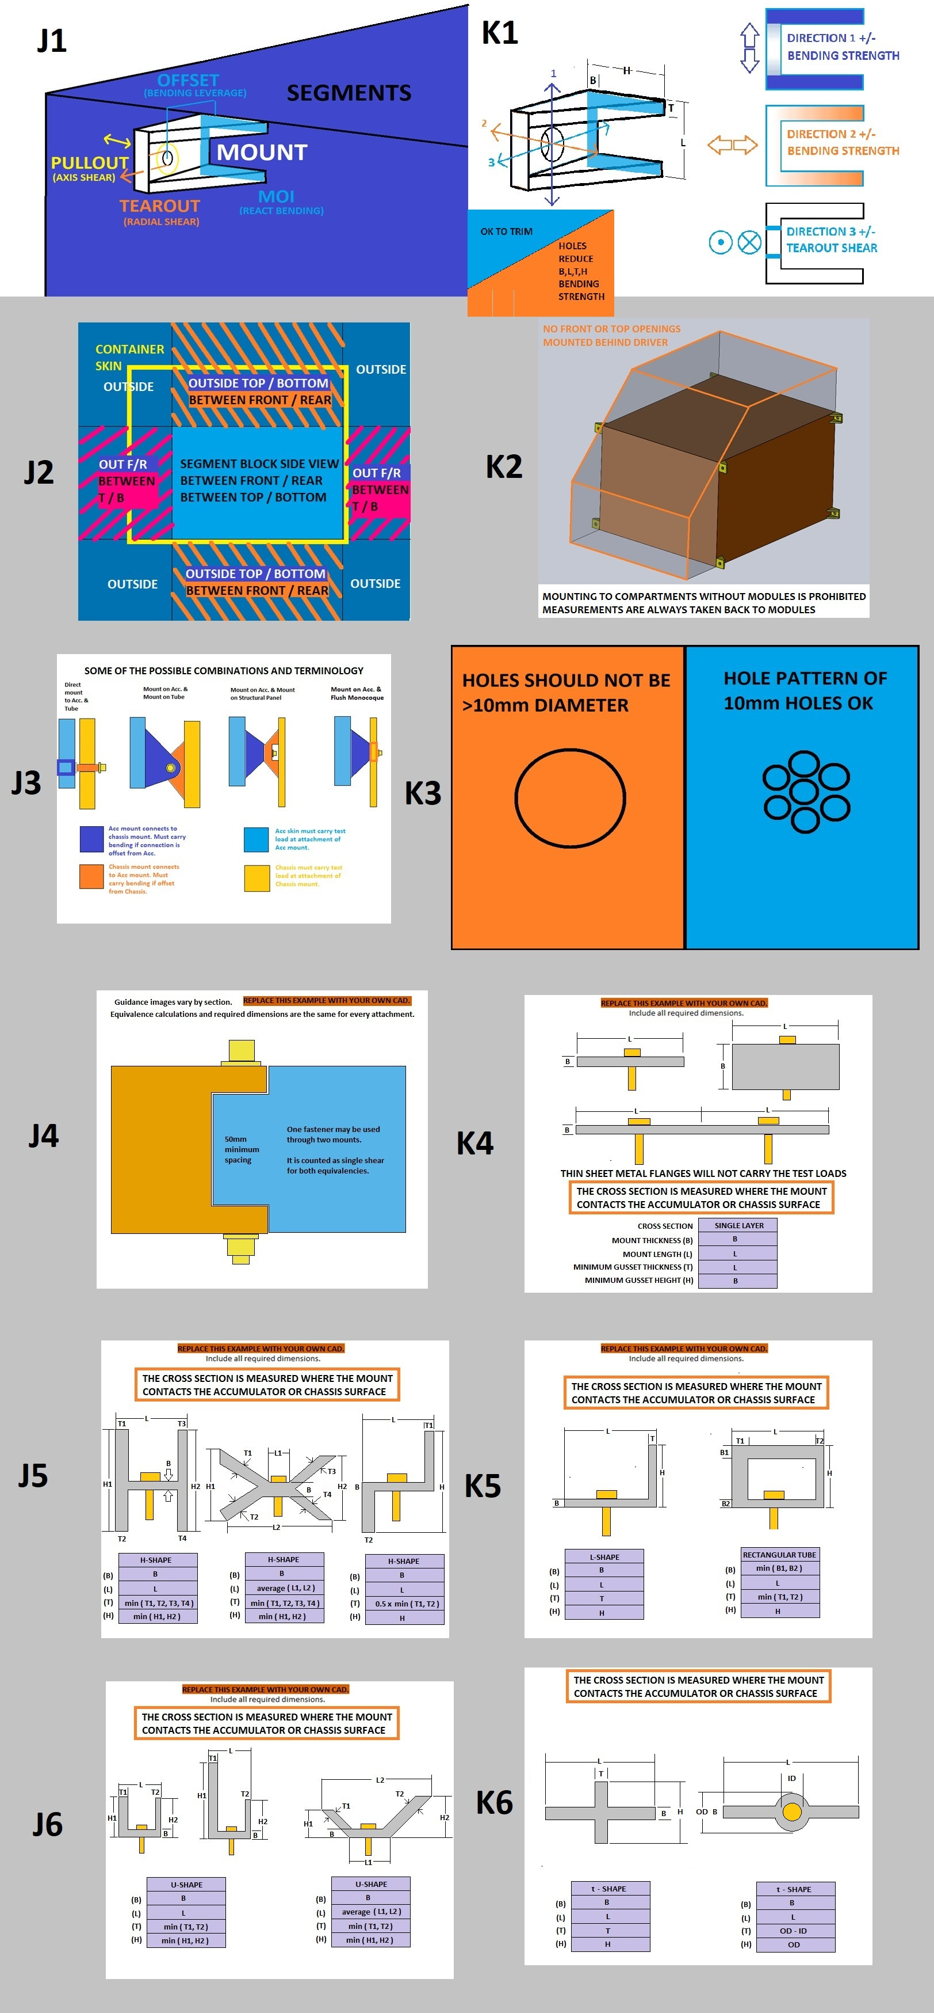
...
Intersection of fastener axis and fastener shear plane. |  |  | N/A
 |  | Review sections below: mounts per tube, bending if fastener shear is offset. | N/A
Offset from composite panel or radially from tube surface: |  | mm | N/A
Mount material (Composite skin for internal hardpoint): |  |  | N/A
 | #N/A | Pa | N/A
 | #N/A | Pa | N/A
 | #N/A | Pa | N/A
--Pullout--Face thickness, do not include core: |  | mm | N/A
--Tearout--Minimum - Fastener spacing, edge, or corner distance: |  | mm | N/A
Number of fasteners used (2x if in double shear): | 0 |  | N/A
Fastener shear diameter: | 0 | mm | N/A
Threads in shear: | 0 |  | N/A
Fastener UTS: | 0.00E+00 | Pa | N/A
--Pullout--Min total perimeter of washers or inserts on one surface: |  | mm | N/A
--Shear--0.577*fasteners*UTS*pi*r^2 >= Test Load: | 0.00E+00 |  | N/A
--Pullout--Mount shear*thickness*perimeter >= Test Load: | #N/A | #N/A | N/A
--Tearout--Mount shear*thickness*edge distance >= Test Load: | #N/A | #N/A | N/A
...
Chassis type at mount: |  |  | N/A
 |  |  | N/A
Square side, Size B required: |  | mm | N/A
Chassis tube wall, Size B required: |  | mm | N/A
Number of chassis mounts on this tube: |  |  | N/A
Ultimate Strength (Su): | #N/A | Pa | N/A
Acc Mount Tube second moment of inertia (I), Size B required: | 0.00E+00 | mm^4 | N/A
Tube Length (L): |  | mm | N/A
Furthest mount from nearest triangulated node (a): |  | mm | N/A
Tube Max Bending Force (Su*I)/(a*(1-a/L)*OD/2): |  |  | N/A
...
Mount cross section on chassis surface: |  |  | N/A
Mount thickness (B): |  | mm | N/A
Mount length (L): |  | mm | N/A
Minimum gusset thickness (T): |  | mm | N/A
Minimum gusset height normal to mount face (H): |  | mm | N/A
Su > 15000N Bending in shear M*y / I: |  |  | N/A
Su > 15000N Bending normal M*y / I: |  |  | N/A
Shear >= Parabolic shear 3*Test Load/2*area: |  |  | N/A
...
Chassis wall at chassis mount: |  |  | N/A
 | #N/A | Pa | N/A
 | #N/A | Pa | N/A
 | #N/A | Pa | N/A
 |  | mm | N/A
 |  |  | N/A
 |  | mm | N/A
 |  |  | N/A
 |  | mm | N/A
 |  |  | N/A
 |  | Pa | N/A
 |  | mm | N/A
 | 0.00E+00 |  | N/A
 | #N/A | #N/A | N/A
 | #N/A | #N/A | N/A
 |  | mm | N/A
 | 0 | mm | N/A
 |  |  | N/A
 |  | N/mm^2 | N/A
 |  | N/mm^2 | N/A
 |  | mm^2 | N/A
 |  |  | N/A
 |  |  | N/A
 |  | mm | N/A
 |  | mm | N/A
 |  |  | N/A
...

F.8 Front Protection
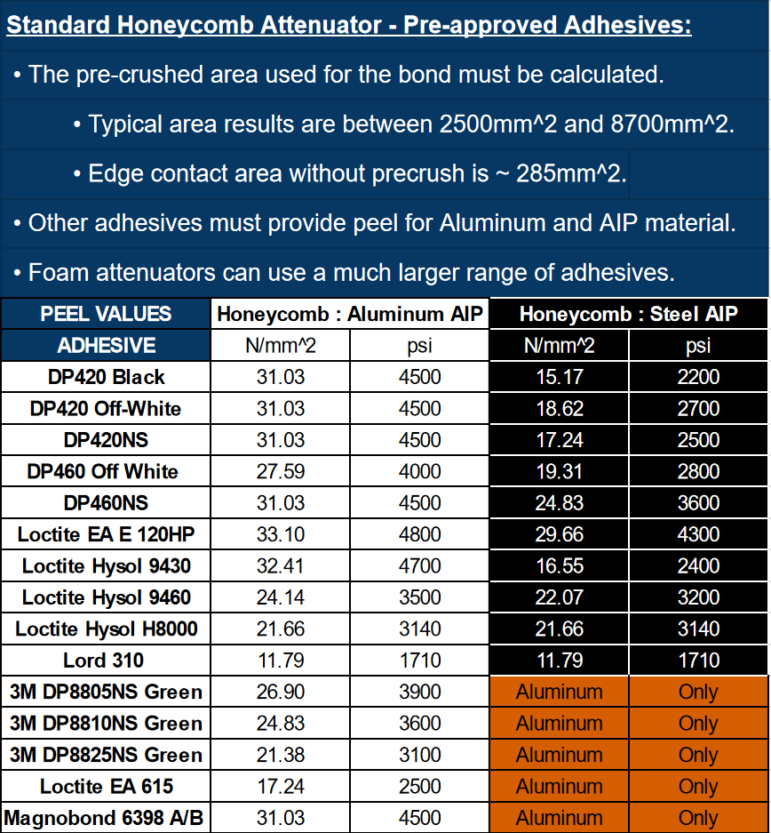
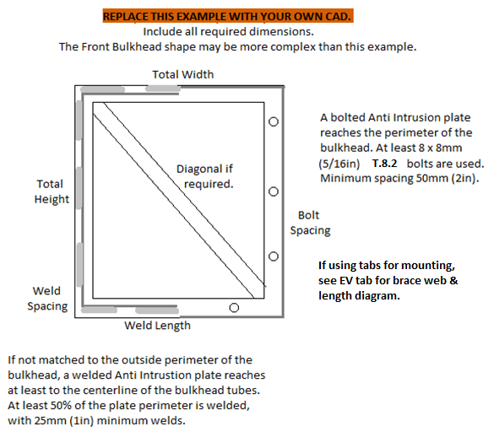
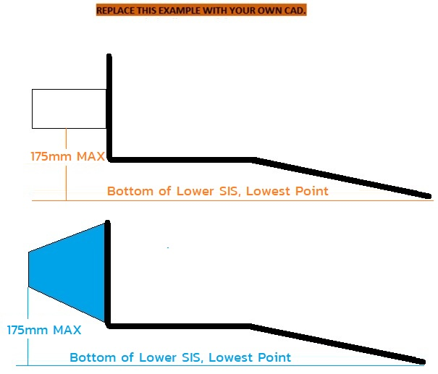
E, Sy, Su, Sy-Weld, Su-Weld |  |  |  |  |  |  |  |  |  |  |  |  |  |  |  |  |  |  |  |  |  |  |  |  |  |  |  |  |  |  |  |  |  |  |  |  |  |  |  |  |  |  |  |  |  |  |  |  | Paste in IA data from test below: |  |  |  | Paste in COMPOSITE AIP
Steel | 6061-T6 |  |  |  |  |  |  |  |  |  |  |  |  |  |  |  |  |  |  |  |  |  |  |  |  |  |  |  |  |  |  |  |  |  |  |  |  |  |  |  |  |  |  |  |  |  |  |  | It is acceptable to resample the data |  |  |  | data from test below:
2.00E+11 | 6.90E+10 |  |  |  |  |  |  |  |  |  |  |  |  |  |  |  |  |  |  |  |  |  |  |  |  |  |  |  |  |  |  |  |  |  |  |  |  |  |  |  |  |  |  |  |  |  |  |  | at a lower frequency to reduce the |  |  |  | It is acceptable to resample
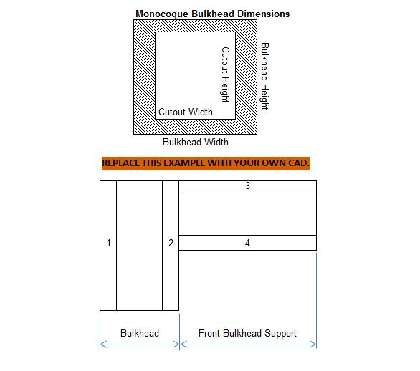
3.05E+08 | 2.40E+08 |  |  |  |  |  |  |  |  |  |  |  |  |  |  |  |  |  |  |  |  |  |  |  |  |  |  |  |  |  |  |  |  |  |  |  |  |  |  |  |  |  |  |  |  |  |  | Insert Test Pictures - may be added below: | number of datapoints. |  |  |  | the data at a lower frequency.
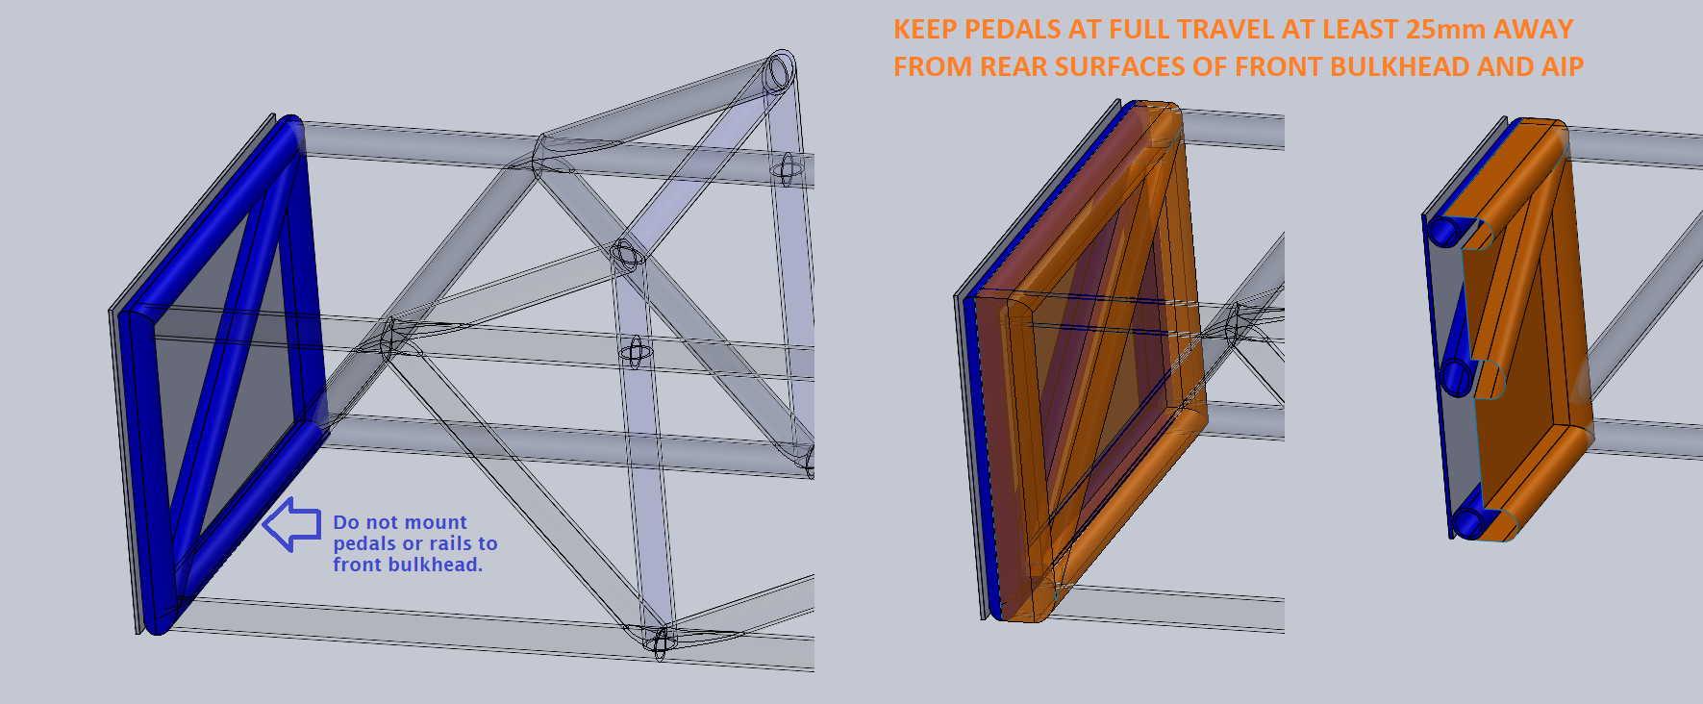
3.65E+08 | 2.90E+08
1.80E+08 | 1.15E+08 |  |  |  |  |  |  |  |  |  |  |  |  |  |  |  |  |  |  |  |  |  |  |  |  |  |  |  |  |  |  |  |  |  |  |  |  |  |  |  |  |  |  |  |  |  |  | (a.) IA and FB test fixture before the test (F.8.7.4.d)
3.00E+08 | 1.75E+08
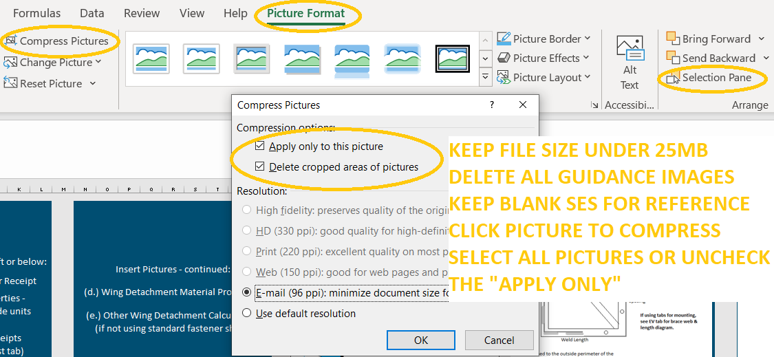
 | Force
S_Yield | 79% | 0% |  |  |  |  |  |  |  |  |  |  |  |  |  |  |  |  |  |  |  |  |  |  |  |  |  |  |  |  |  |  |  |  |  |  |  |  |  |  |  |  |  |  |  |  |  | which also shows the method of spacing AIP | MAX | MAX | AVERAGE | MAX | MAX
S_Ultimate | 79% | 0% |  |  |  |  | Insert Pictures - may be added left or below: |  |  |  |  |  |  |  |  |  |  |  |  |  |  |  |  |  |  |  |  |  |  |  |  |  |  |  |  |  |  |  |  |  |  |  |  |  |  |  |  |  | 0 | 0 | 0 | 0 | 0
Sy-Weld | 64% | 0% |  |  |  |  |  |  |  |  |  |  |  |  | Insert Pictures - continued: |  |  |  |  |  |  |  | Insert measurement of IA front top edge height. |  |  |  |  |  |  |  |  |  |  |  |  |  |  |  |  |  |  |  |  |  |  |  |  | (F.8.7.4.d) which also shows the method of spacing AIP | Disp. | Force | Weighted | Energy | Disp.
Su-Weld | 58% | 0% |  |  |  |  | (a.) Standard Impact Attenuator Receipt |  |  |  |  |  |  |  |  |  |  |  |  |  |  |  |  |  |  |  |  |  |  |  |  |  |  |  |  |  |  |  |  |  |  |  |  |  |  |  |  |  | mm | N | N | J | mm
 | Critical Steel Comparison | No |  |  |  |  |  |  |  |  |  |  |  |  | (d.) Wing Detachment Material Properites |  |  |  |  |  |  |  |  |  |  |  |  | Front Bulkhead CAD with dimensions required. |  |  |  |  |  |  |  | Front Bulkhead CAD with dimensions required. |  |  |  |  |  |  |  |  |  |  |  | at least 50mm from any rigid structure (F.8.7.6.c) | 0 | 0 | 0 | 0 | 0
Su | Su-Weld | S_Yield |  |  |  |  |  |  |  |  |  |  |  |  |  |  |  |  |  |  |  |  | Shear Dimensions |  |  |  |  |  |  |  |  |  |  |  |  |  |  |  |  | Annually tested items must be |  |  |  |  |  |  |  |  |  |  | #DIV/0! | 0
3.65E+08 | 3.00E+08 | 3.05E+08 |  |  |  |  | (b.) Adhesive Material Properties - |  |  |  |  |  |  |  |  |  |  |  |  |  |  |  |  |  |  |  |  |  |  |  |  |  |  |  |  | Show skin and core thickness, |  |  |  |  |  |  |  |  |  |  |  | (b. ) IA, Anti-Intrusion Plate after the IA test (F.8.7.4.d) |  |  | #DIV/0! | 0
3.65E+08 | 1.75E+08 | 0.00E+00 |  |  |  |  |  |  |  |  |  |  |  |  |  |  |  |  |  |  |  |  | Do not count holes as part of the area. |  |  |  |  | Show 25mm gap to pedal assembly. |  |  |  |  |  |  |  |  |  |  |  | permanently marked with the date. |  |  |  |  |  |  |  |  |  |  | #DIV/0! | 0
 |  |  |  |  |  |  | Indicate selected value, include units conversion |  |  |  |  |  |  |  | (e.) Other Wing Detachment Calculations |  |  |  |  |  |  |  |  |  |  |  |  |  |  |  |  |  |  |  |  | height, depth, and moment of inertia. |  |  |  |  |  |  |  |  |  |  |  | which shows the deflection was less than 25.4mm |  |  | #DIV/0! | 0
BLANK |  |  |  |  |  |  |  |  |  |  |  |  |  |  |  |  |  |  |  |  |  |  | Even with precrush, honeycomb bond area is |  |  |  |  |  |  |  |  |  |  |  |  |  |  |  |  | Tested items must be presented during |  |  |  |  |  |  |  |  |  |  | #DIV/0! | 0
 |  |  |  |  |  |  |  |  |  |  |  |  |  |  | (if not using standard fastener shear) |  |  |  |  |  |  |  |  |  |  |  |  | Pedal attachments preferably >25mm behind FB. |  |  |  |  |  |  |  |  |  |  |  |  |  |  |  |  |  |  |  | (F.8.7.6.d) |  |  | #DIV/0! | 0
 |  |  |  |  |  |  | (c.) Composite Material Receipts |  |  |  |  |  |  |  |  |  |  |  |  |  |  |  | usually <50% of the face. |  |  |  |  |  |  |  |  |  |  |  |  |  |  |  |  | Technical Inspection. |  |  |  |  |  |  |  |  |  |  | #DIV/0! | 0
 |  |  |  |  |  |  |  |  |  |  |  |  |  |  |  |  |  |  |  |  |  |  |  |  |  |  |  |  |  |  |  |  |  |  |  |  |  |  |  |  |  |  |  |  |  |  |  | (c.) IA / AIP Force Displacement Curve |  |  | #DIV/0! | 0
 |  |  |  |  |  |  | (if not already on 3-Point test tab) |  |  |  |  |  |  |  |  |  |  |  |  |  |  |  | Include calculation of bond area. |  |  |  |  | https://www.fsaeonline.com/cdsweb/rqa/ViewFAQ.aspx?faqnum=368 |  |  |  |  |  |  |  |  |  |  |  |  |  |  |  |  |  |  |  |  |  |  | #DIV/0! | 0
 |  |  |  |  |  |  |  |  |  |  |  |  |  |  |  |  |  |  |  |  |  |  |  |  |  |  |  |  |  |  |  |  |  |  |  |  |  |  |  |  |  |  |  |  |  |  |  |  |  |  | #DIV/0! | 0
 |  |  |  |  |  |  |  |  |  |  |  |  |  |  |  |  |  |  |  |  |  |  |  |  |  |  |  |  |  |  |  |  |  |  |  |  |  |  |  |  |  |  |  |  |  |  |  |  |  |  | #DIV/0! | 0
 |  |  |  |  |  |  |  |  |  |  |  |  |  |  |  |  |  |  |  |  |  |  |  |  |  |  |  |  |  |  |  |  |  |  |  |  |  |  |  |  |  |  |  |  |  |  |  |  |  |  | #DIV/0! | 0
mm |  |  |  |  |  |  |  |  |  |  |  |  |  |  |  |  |  |  |  |  |  |  |  |  |  |  |  |  |  |  |  |  |  |  |  |  |  |  |  |  |  |  |  |  |  |  |  |  |  |  | #DIV/0! | 0
 |  |  |  |  |  |  |  |  |  |  |  |  |  |  |  |  |  |  |  |  |  |  |  |  |  |  |  |  |  |  |  |  |  |  |  |  |  |  |  |  |  |  |  |  |  |  |  |  |  |  | #DIV/0! | 0
 |  |  |  |  |  |  |  |  |  |  |  |  |  |  |  |  |  |  |  |  |  |  |  |  |  |  |  |  |  |  |  |  |  |  |  |  |  |  |  |  |  |  |  |  |  |  |  |  |  |  | #DIV/0! | 0
FEA is not accepted anywhere |  |  |  |  |  |  |  |  |  |  |  |  |  |  |  |  |  |  |  |  |  |  |  |  |  |  |  |  |  |  |  |  |  |  |  | FB compares the minimum horizontal or vertical panel to two tubes (plus diagonal if required.) |  |  |  |  |  |  |  |  |  |  |  |  |  |  | #DIV/0! | 0
in the SES or Tech Inspection. |  |  | F.8.7.3 | F.5.5.2 | Provide IA receipt and material properties documents above or below. |  |  |  |  |  |  |  |  |  |  |  |  |  |  | Additional images or calculations may be placed below each section. |  |  |  | If additional images are necessary, they may be placed below each section. |  |  |  |  |  |  |  |  |  |  |  | If additional images are necessary, they may be placed below each section. |  |  |  |  |  |  |  |  | Additional images or calculations may be placed below each section. |  |  |  |  |  | #DIV/0! | 0
 |  |  | BLANK |  | Attenuator and Diagonal |  |  |  |  |  | BLANK |  | Anti-Intrusion Plate |  |  |  |  |  |  | BLANK |  | IA Attachment, Wing Detachment |  | BLANK |  | Front Bulkhead, Composite Diagonal |  |  |  |  |  |  | BLANK |  | AIP and Diagonal Attachment |  | EQ |  | Physical Test Fixture Guidance |  |  |  |  |  | EQ |  | Physical Tests |  |  |  | #DIV/0! | 0
 |  |  |  |  |  |  |  |  |  |  |  |  |  |  |  |  |  |  |  |  |  |  |  |  |  |  |  |  |  |  |  |  |  |  |  |  |  |  |  |  |  |  |  |  |  |  |  |  |  |  | #DIV/0! | 0
 |  |  |  |  |  |  |  |  |  |  |  |  |  |  |  |  |  |  |  |  |  |  |  |  |  |  |  |  |  |  |  |  |  |  |  |  |  |  |  |  |  |  |  |  |  |  |  |  |  |  | #DIV/0! | 0
 |  |  | No Test: |  |  | + |  |  |  |  | No additional test for Steel or Aluminum AIP. |  |  |  |  |  |  |  |  | F.8.5.2 | Foam and honeycomb attenuators must be bonded to the AIP. |  |  | F.8.6.3 | A 25mm gap is required between the AIP + FB + Diagonal and the pedal assembly. |  |  |  |  |  |  |  | F.8.2.2.a | A welded AIP must reach tube centerlines. Any other AIP must match the bulkhead perimeter. |  |  | F.8.8.6.b | The tested IA must be attached to a structurally representative section of the chassis. |  |  |  |  |  |  | F.8.4.3.b | Teams may use quasi-static or dynamic testing on the Impact Attenuator tab to prove |  |  |  |  | #DIV/0! | 0
 |  |  |  |  |  |  |  |  |  |  |  |  |  |  |  |  |  |  |  | The entire attenuator face must be bonded with adhesive suitable for both materials. |  |  |  |  | This includes not mounting the pedal bases or rails to the lower FB tube. |  |  |  |  |  |  |  | F.8.2.3.b | Anti Intrusion Plates bolted through welded inserts on the centerline of Size B tubes |  |  |  |  |  |  |  |  |  |  |  | the AI plate deflects less than 25mm without a diagonal. |  |  |  |  | #DIV/0! | 0
 |  |  |  |  |  |  |  |  |  |  |  |  |  |  |  |  |  |  |  |  |  |  |  | BLANK |  |  |  |  |  |  |  |  |  | automatically meet the 15kN load requirement. The centerline method is strongly preferred. |  |  | EQ |  |  |  |  |  |  |  |  |  |  |  |  |  | #DIV/0! | 0
 |  |  | F.8.4.3 | A Standard Foam Attenuator may be oriented horizontally or vertically. |  |  |  |  |  |  | BLANK |  |  |  |  |  |  |  |  | Honeycomb attenuators must be glued on a pre-crushed side. Do not count area of holes. |  |  |  |  |  |  |  |  | Air gap Front Bulkhead + Diag to pedals at full travel >= 25mm: |  | mm | BLANK | F.8.2.3.c | Bonding is legal for composite bulkheads with no openings. The entire surface must be bonded. |  |  |  |  |  |  | Front Bulkhead Outside to Outside Height: | 0 | mm | N/A | F.8.8.7.b | Dynamic tests may not be performed by students. |  |  |  |  | #DIV/0! | 0
 |  |  |  | The outside edges of the Bulkhead must be no more than 25mm (1in) from the foam. |  |  |  |  |  |  | F.8.2.1 |  |  |  |  | Anti-Intrusion Plate (AI) material: |  |  | BLANK | No wall wetting may be factored into the bond area. Use a calculation of pre-crushed area. |  |  |  |  |  |  |  |  | Air gap Front Bulkhead + Diag to pedal mounts should be >= 25mm: |  | mm | BLANK | F.8.3 | An integrated composite AIP may also qualify as the monocoque front bulkhead. |  |  |  |  |  |  | Front Bulkhead Outside To Outside Width: | 0 | mm | N/A |  |  |  |  |  |  | #DIV/0! | 0
 |  |  |  | Otherwise, a diagonal or an annual physical test will be required. |  |  |  |  |  |  |  |  |  |  |  | Steel: 1.5mm (0.060in), Aluminum: 4.0mm (0.157in): |  | mm | BLANK | Multiple layers of honeycomb require pre-crushed bond on both sides of a plate between each layer. |  |  |  |  |  |  |  |  |  |  |  |  | F.8.2.3.d | If the AIP does not meet FB equivalence, it may be fully enclosed in a monocoque in front of |  |  | F.8.8.6.c |  |  |  | Bulkhead gap to fixture between corners >=50mm: |  | mm
 |  |  |  |  |  |  |  |  |  |  |  |  |  |  |  |  |  |  |  |  |  |  |  |  |  |  |  |  |  |  |  |  |  | the front bulkhead layup. |  |  | F.8.4.2.a |  |  |  | Tested IA starting length > 200mm: |  | mm
...
 |  |  |  |  |  |  |  |  |  |  | Inner (h) | #VALUE! | m | Centroid |  | m | Ic12 |  | m^4
 |  |  |  |  |  |  |  |  |  |  | Horizontal Panel Properties |  |  | Horizontal Panel Properties |  |  | Horizontal Panel Properties
 |  |  |  |  |  |  |  |  |  |  | Outer (b) | 0 | m | A1 | #VALUE! | m^2 | I1 | #VALUE! | m^4
 |  |  |  |  |  |  | Diagonal, AIP, and FB material must be entered in cells J57, J59, T37, AN35, and AN37. |  |  |  | Outer (h) | #VALUE! | m | A2 | #VALUE! | m^2 | I2 | #VALUE! | m^4
 |  |  |  |  |  |  |  |  |  |  | Thickness | #VALUE! | m | y1 | #VALUE! | m | Ic1 |  | m^4
 |  |  |  |  |  |  | to | Composite |  | BLANK | Inner (b) | 0 | m | y2 | #VALUE! | m | Ic2 |  | m^4
 |  |  |  |  |  |  |  |  |  | N/A | Inner (h) | #VALUE! | m | Centroid |  | m | Ic12 |  | m^4 |  |  |  | Front view, show the front wing and mounts are
 |  |  |  |  |  |  |  |  | mm | N/A
 |  |  |  |  |  |  |  |  |  | BLANK | Fig. 3-4: | https://www.aboutcivil.org/simply-supported-UDL-beam-formulas-bending-moment-equations.html
 |  |  |  |  |  |  |  | Typo | Pa | EQ |  |  |  |  |  |  |  |  |  |  |  |  | entirely outside / below the front bulkhead.
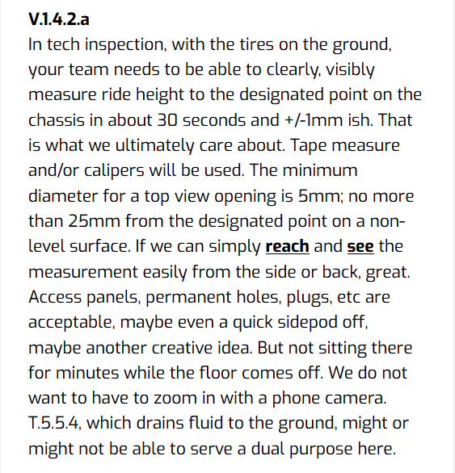
 |  |  |  |  |  |  |  | Typo | mm | EQ
 |  |  |  |  |  |  |  | Typo | mm | EQ
 |  |  |  |  |  |  |  |  | mm | N/A
 |  |  |  |  |  |  |  |  | mm | N/A |  |  |  |  |  |  |  |  |  |  |  |  | Show total number of fasteners for
 |  |  |  |  |  |  |  |  |  | N/A
 |  |  |  |  |  |  |  |  | mm | N/A |  |  |  |  |  |  |  |  |  |  |  |  | Fastener Shear Dialogue.
 |  |  |  |  |  |  |  |  | N | N/A
 |  |  |  |  |  |  |  |  |  | N/A
 |  |  |  |  |  |  |  | 0.00E+00 |  | N/A
 |  |  |  |  |  |  |  | #VALUE! | #VALUE! | N/A |  |  |  |  |  |  |  |  |  |  |  |  | Show fastener UTS source / conversion.
 |  |  |  |  |  |  |  | #VALUE! | #VALUE! | N/A
 |  |  |  |  |  |  |  | 0.00E+00 | Pa | N/A
 |  |  |  |  |  |  |  |  | mm | N/A
 |  |  |  |  |  |  |  | 0 | mm | N/A
 |  |  |  |  |  |  |  |  |  | N/A
 |  |  |  |  |  |  |  |  |  | N/A
 |  |  |  |  |  |  |  |  | N/mm^2 | N/A
 |  |  |  |  |  |  |  |  | mm^2 | N/A
 |  |  |  |  |  |  |  |  |  | N/A
 |  |  |  |  |  |  |  |  | mm | N/A
 |  |  |  |  |  |  |  | #VALUE! | m^2 | N/A
 |  |  |  |  |  |  |  | Typo | Pa | N/A
 |  |  |  |  |  |  |  |  | 0.00% | N/A
...
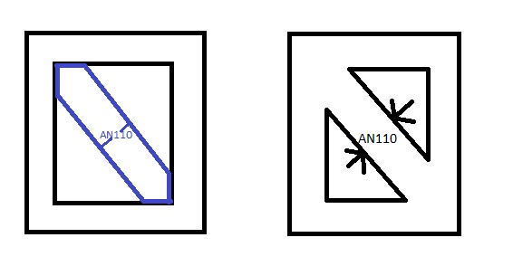
...
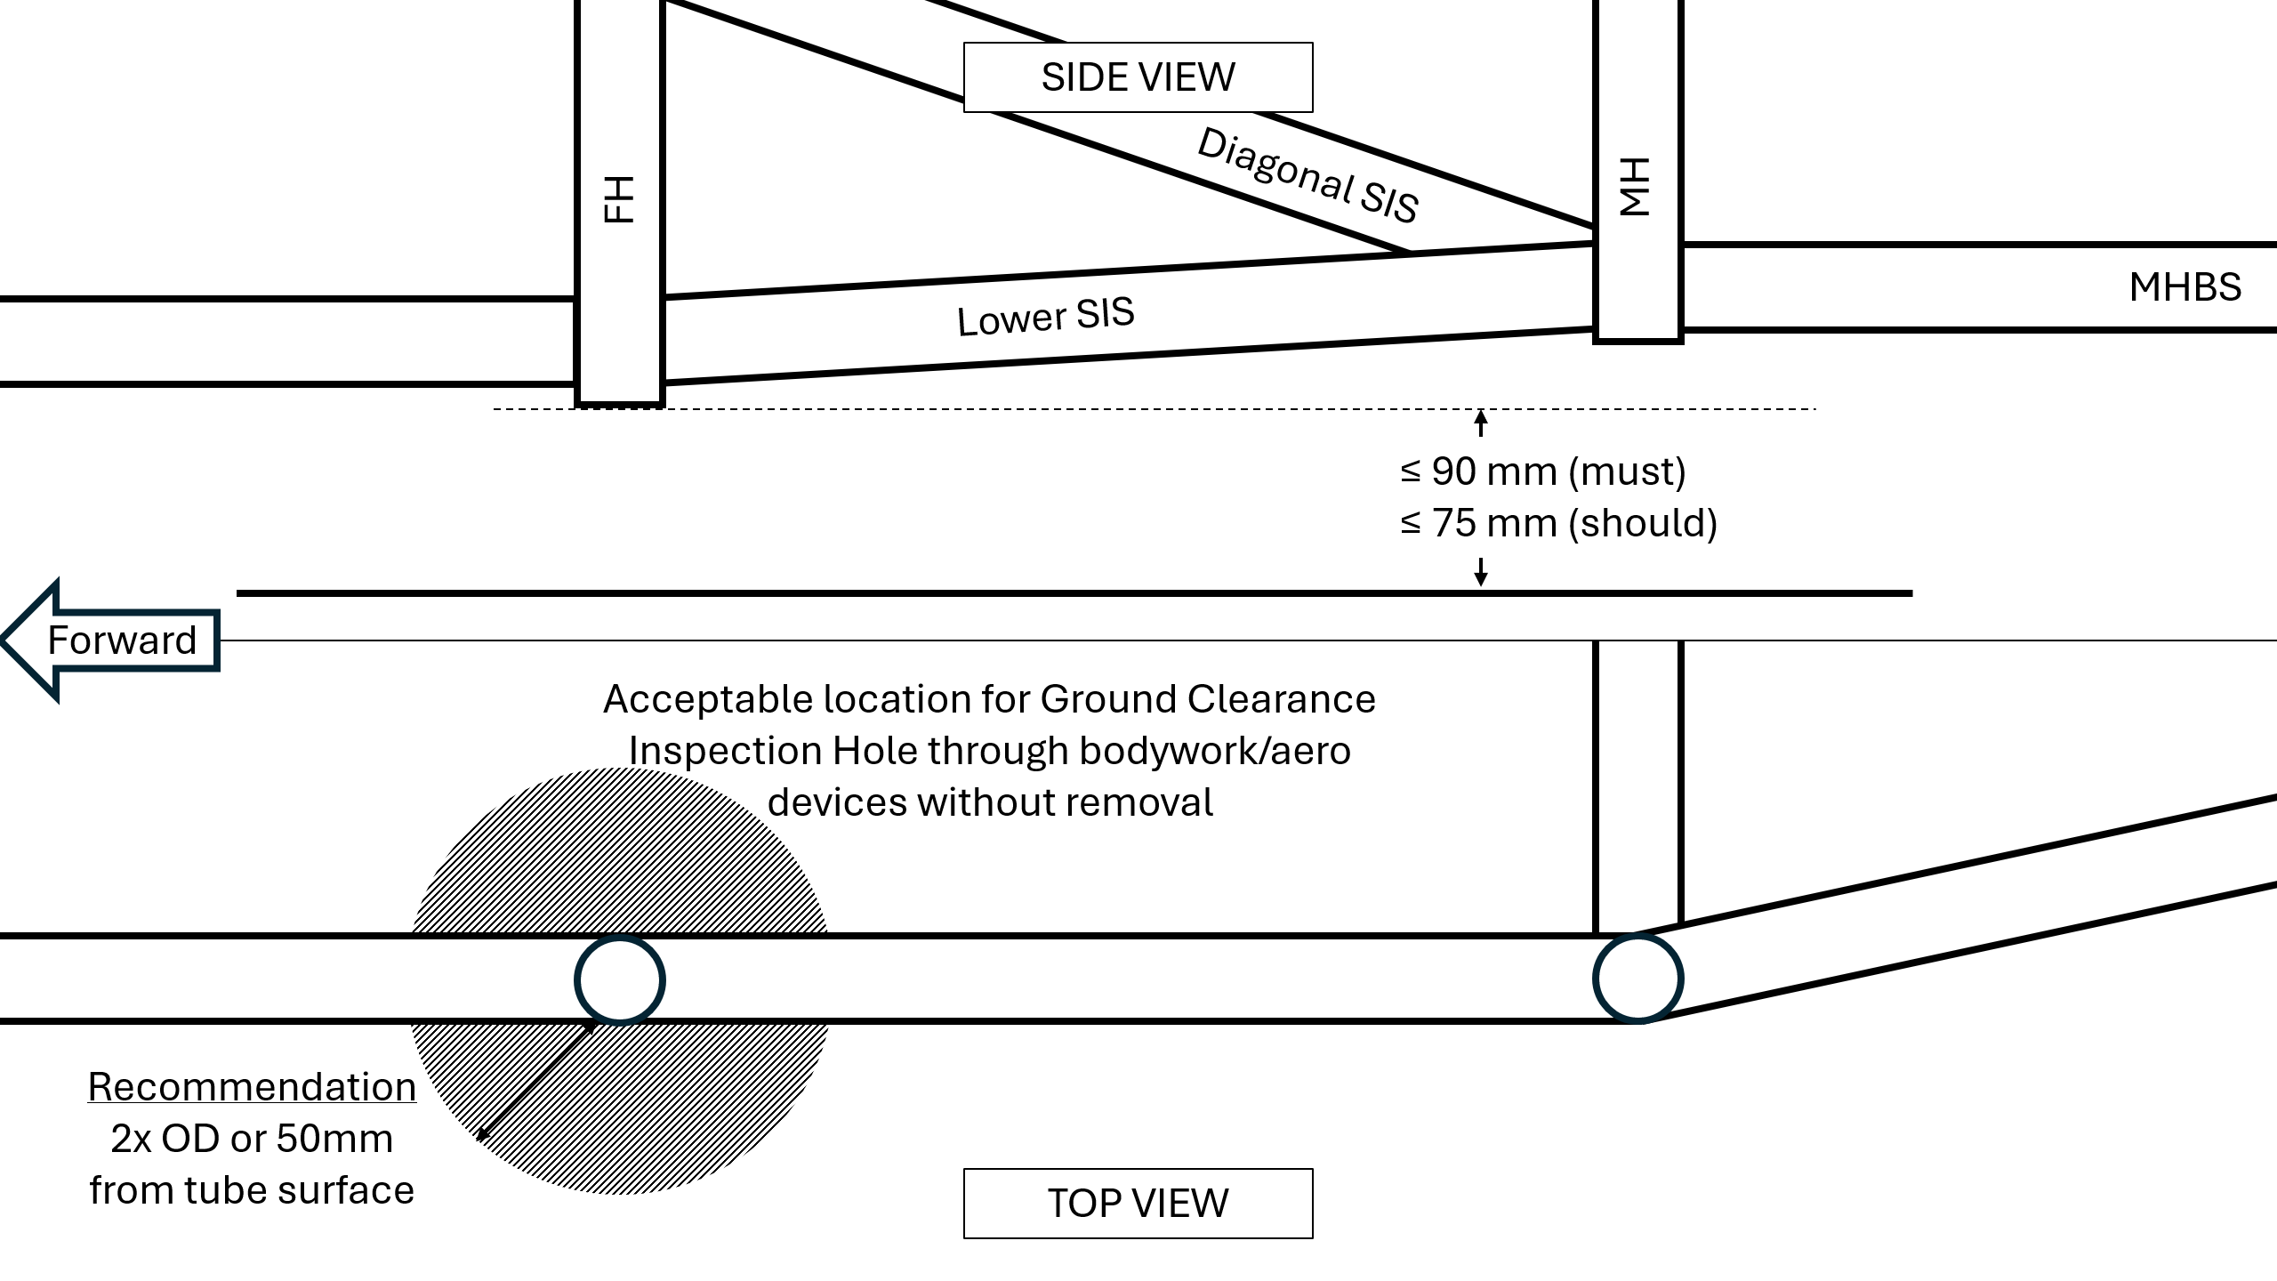
...
E, Sy, Su, Sy-Weld, Su-Weld
 |  |  |  |  |  |  |  |  |  |  |  |  |  |  |  |  |  |  |  |  |  |  |  | Bending |  |  | 4*S_1*I_1/r <= 4*S_2*I_2/r: | 0.00E+00 |  |  |  | N/A
 |  |  |  |  |  |  |  |  |  |  |  |  |  |  |  |  |  |  |  |  |  |  |  | Deflection |  |  | Bending_1/(48*EI): | 0.00E+00 |  |  |  | N/A
 |  |  |  |  |  |  |  |  |  |  |  |  |  |  |  |  |  |  |  |  |  |  |  | Energy |  |  | F.4.3.2-3 comparison: | 0.00E+00 |  |  |  | N/A
 |  |  |  |  |  |  |  |  |  |  |  |  |  |  |  |  |  |  |  |  |  |  |  |  | Flat Panel Properties |  |  | Flat Panel Properties |  |  | Flat Panel Properties
 |  |  |  |  |  |  |  |  |  |  |  |  |  |  |  |  |  |  |  |  |  |  |  | Outer (b) | 0 | m | A1 | #VALUE! | m^2 | I1 | #VALUE! | m^4
 |  |  |  |  |  |  |  |  |  |  |  |  |  |  |  |  |  |  |  |  |  |  |  | Outer (h) | #VALUE! | m | A2 | #VALUE! | m^2 | I2 | #VALUE! | m^4
 |  |  |  |  |  |  |  |  |  |  |  |  |  |  |  |  |  |  |  |  |  |  |  | Thickness | #VALUE! | m | y1 | #VALUE! | m | Ic1 |  | m^4
 |  |  |  |  |  |  |  |  |  |  |  |  |  |  |  |  |  |  |  |  |  |  |  | Inner (b) | 0 | m | y2 | #VALUE! | m | Ic2 |  | m^4
 |  |  |  |  |  |  |  |  |  |  |  |  |  |  |  |  |  |  |  |  |  |  |  | Inner (h) | #VALUE! | m | Centroid |  | m | Ic12 |  | m^4
...
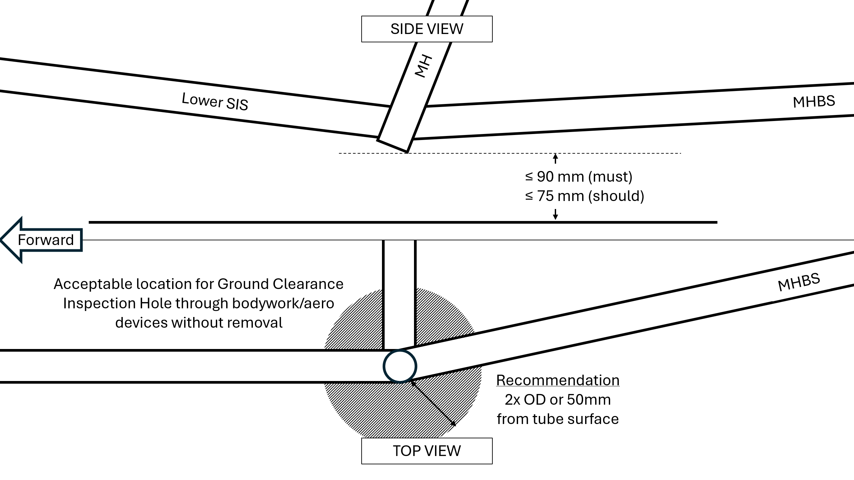
...
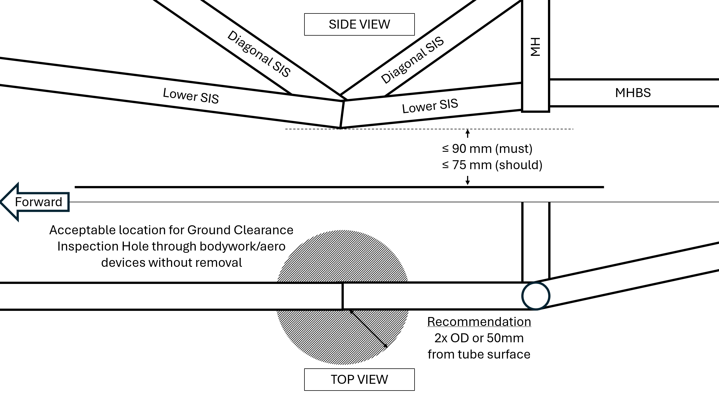
...
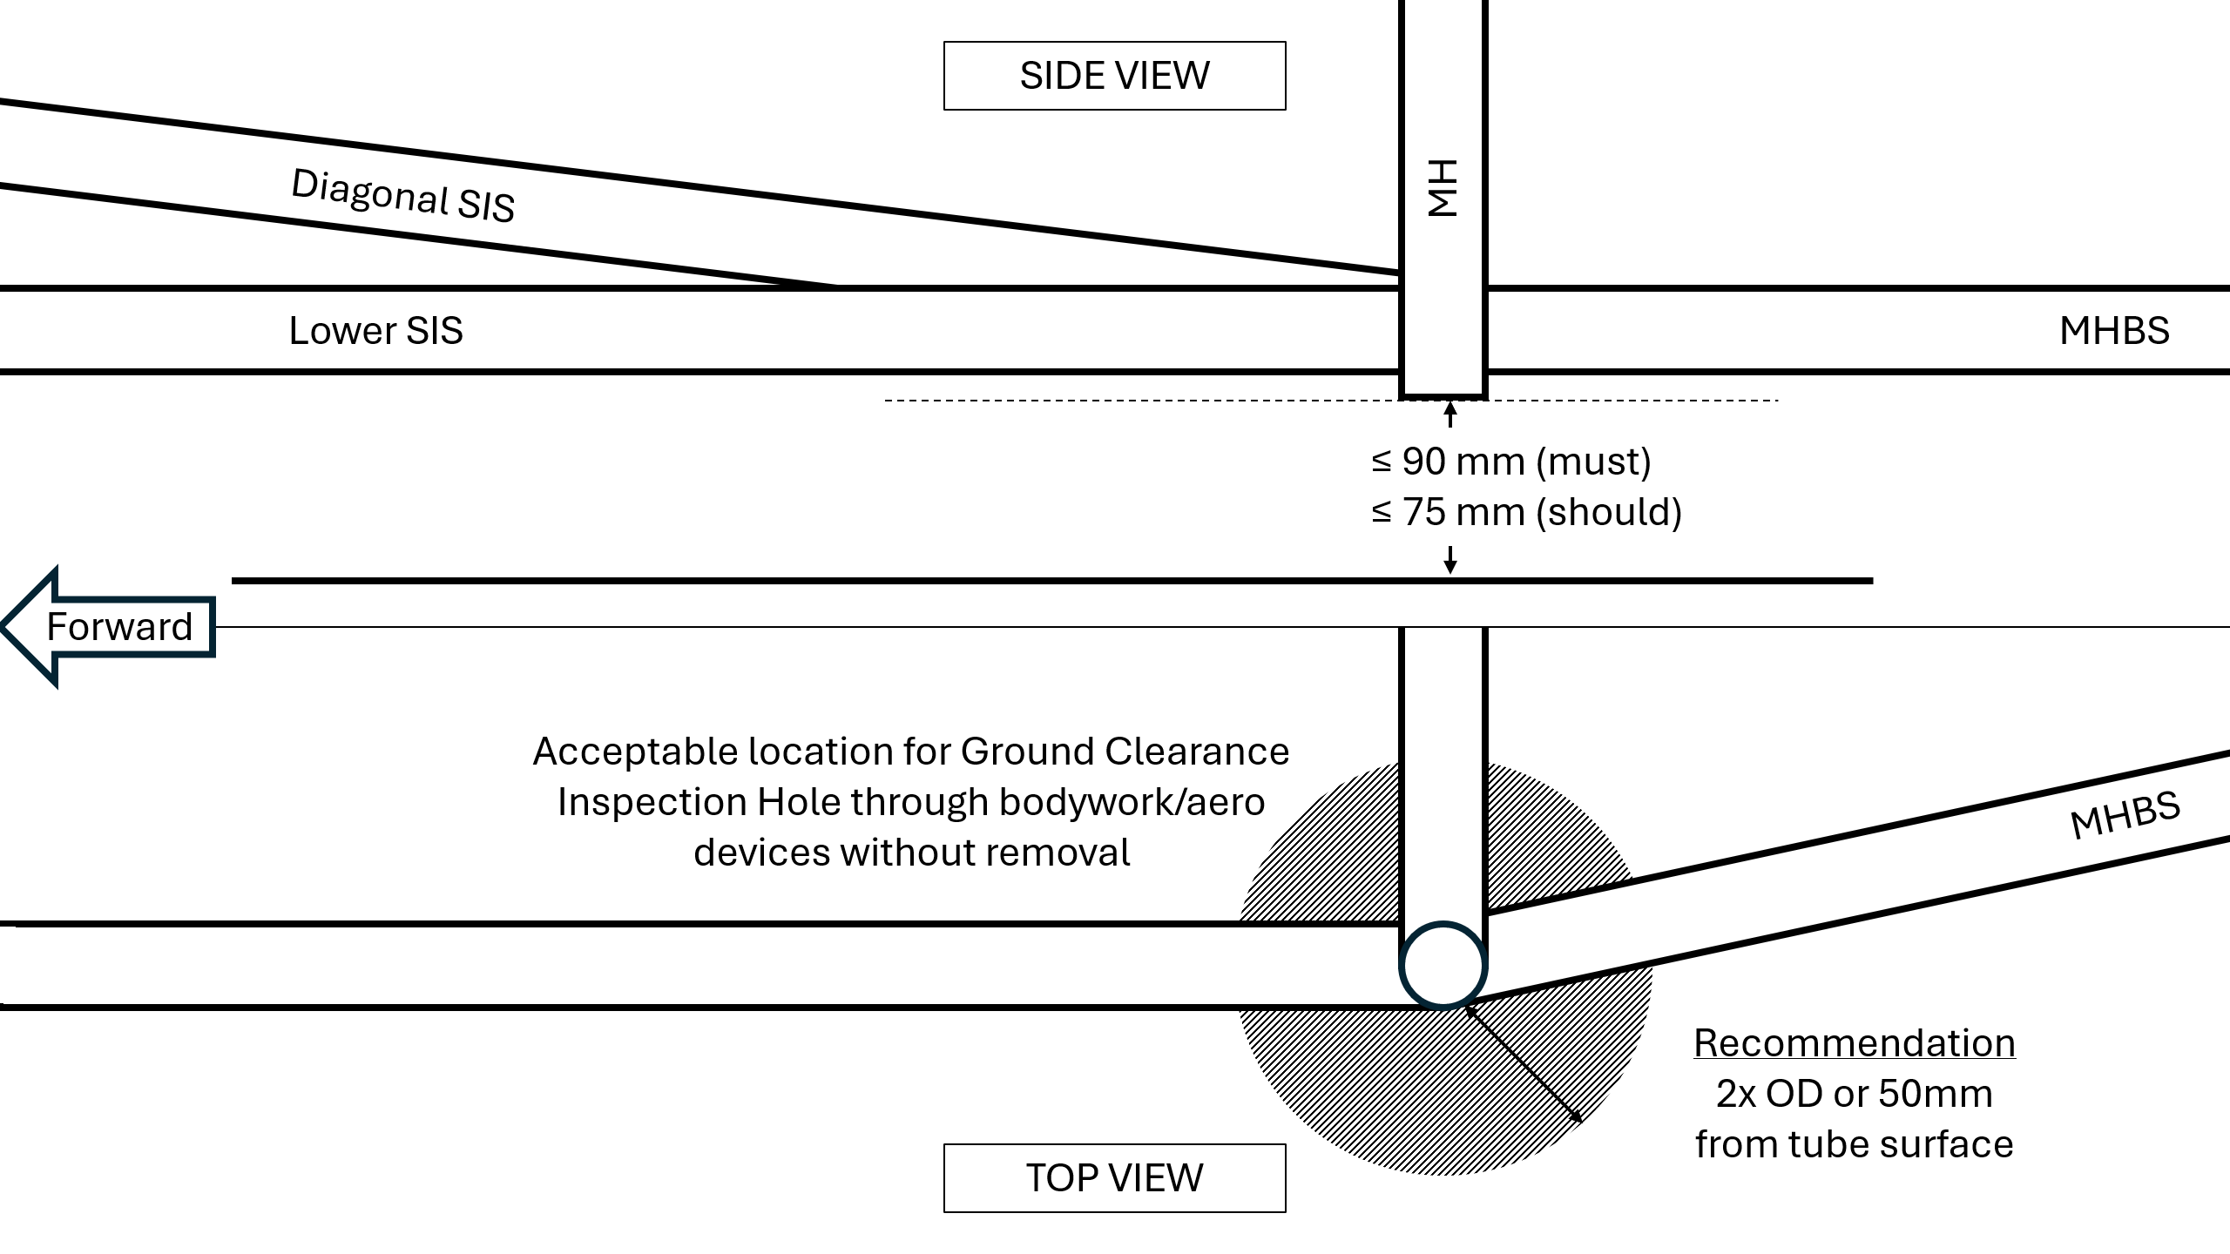
...

F.3.4.3 Welded Inserts
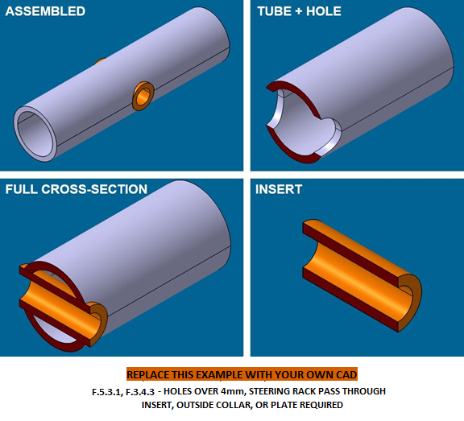
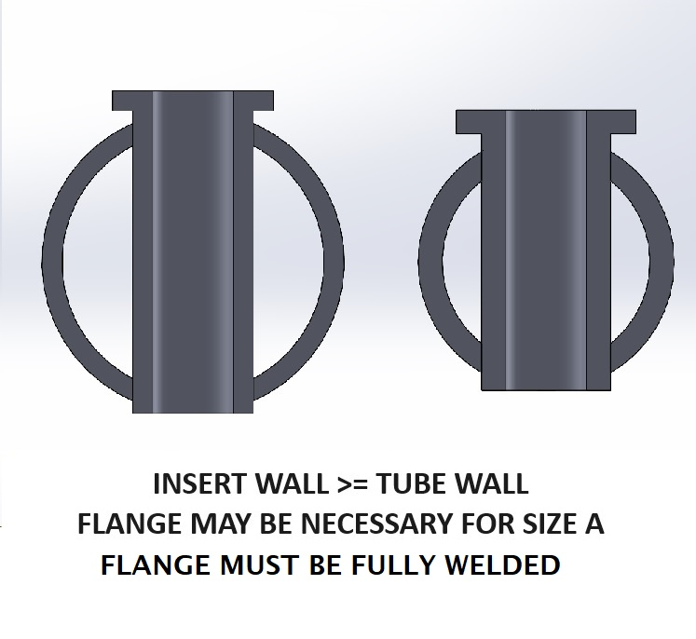
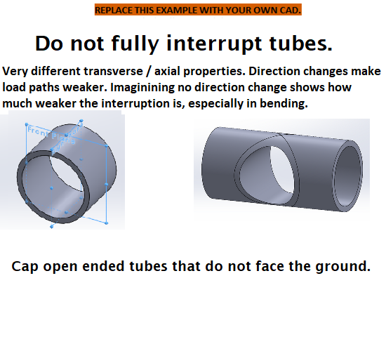
BLANK
 | Any removable members
 | along required tubes?
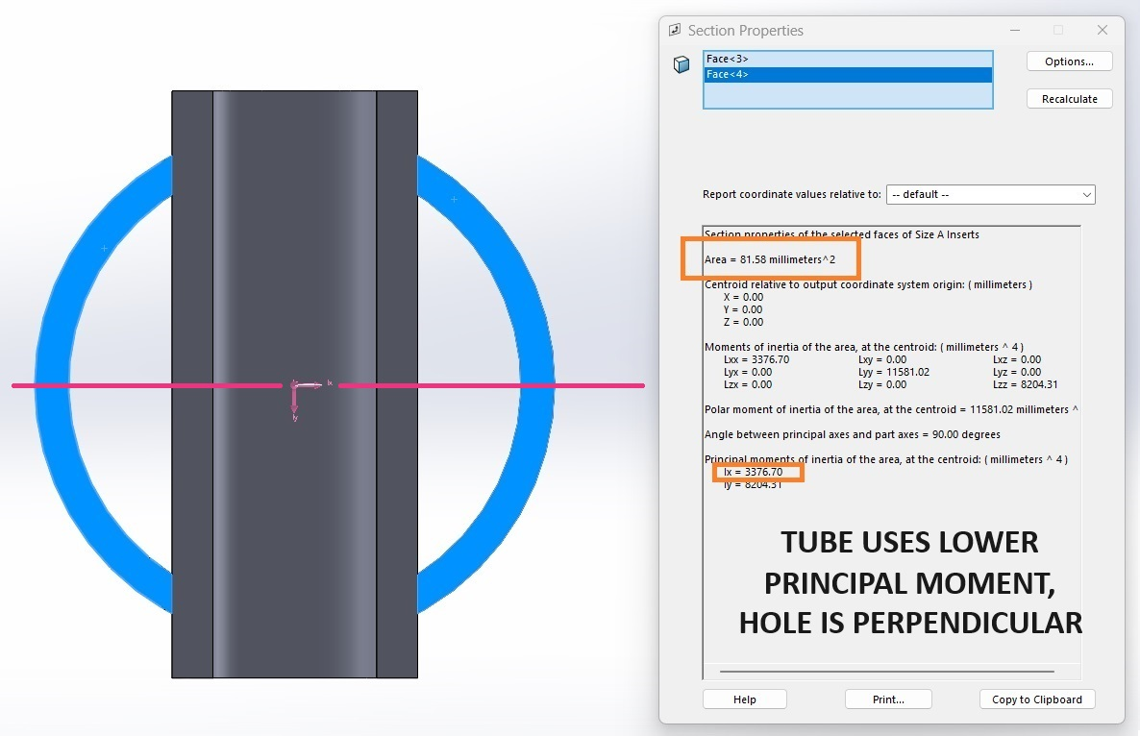
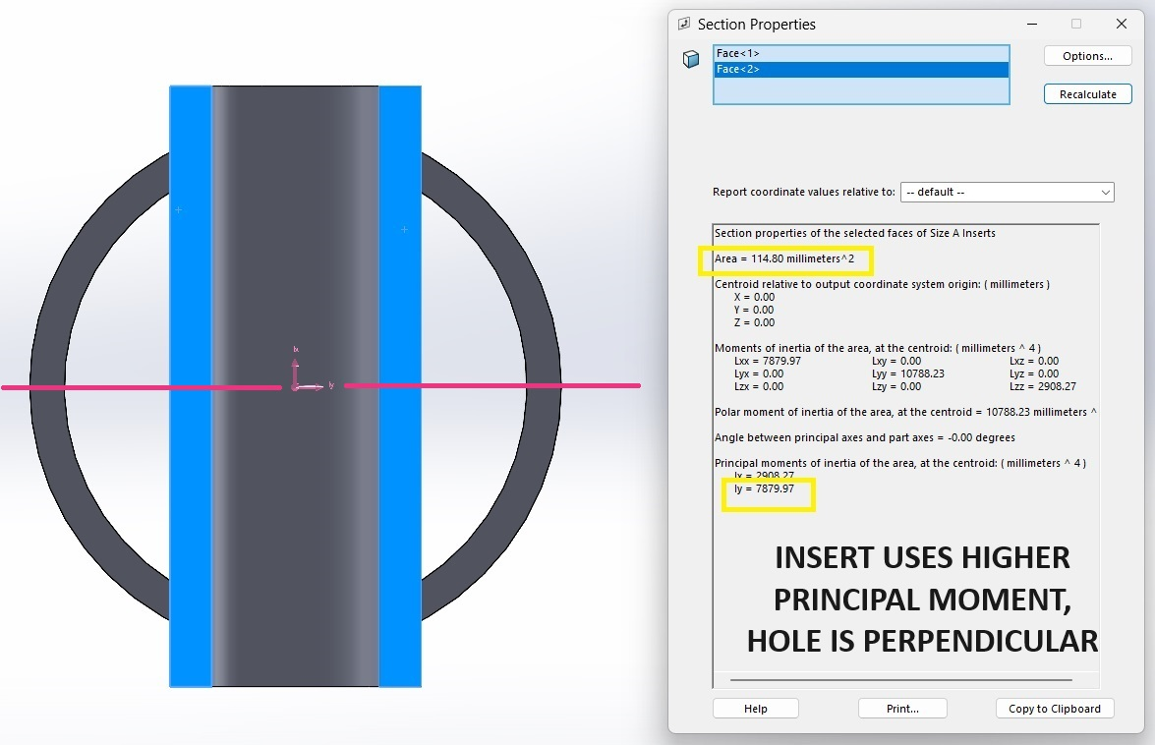
 | Tube Chassis BY133: | 0
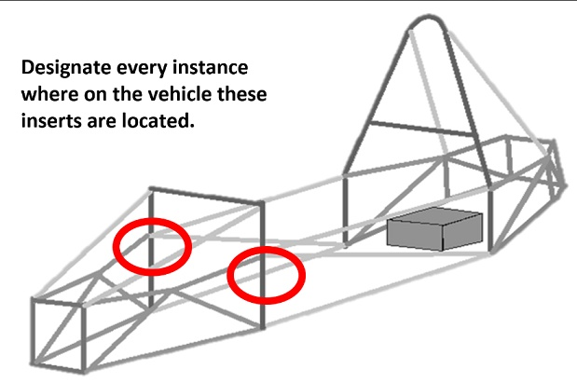
BLANK
 | Any holes over 4mm drilled
 | in F.3.2.1 required tubes?
 | Driver Harness: | No
 | Tube Chassis BY134: | 0 |  |  |  |  |  |  |  |  | Welded Tube Insert with dimensions. |  |  |  |  |  | Welded Tube Insert with dimensions. |  |  |  |  |  | Welded Tube Insert with dimensions. |  |  |  |  |  | Welded Tube Insert with dimensions.
 | AIP Inserts: | No |  |  | Welded Tube Insert with dimensions.
 | Tractive Battery: | No |  |  |  |  |  |  |  |  | Also show in context where removable |  |  |  |  |  | Also show in context where removable |  |  |  |  |  | Also show in context where removable |  |  |  |  |  | Also show in context where removable
 |  |  |  |  | Also show in context where removable
BLANK |  |  |  |  |  |  |  |  |  |  | members are located. |  |  |  |  |  | members are located. |  |  |  |  |  | members are located. |  |  |  |  |  | members are located.
 | Does the steering rack |  |  |  | members are located.
 | interrupt any required tubes? |  |  |  |  |  |  |  |  |  | Inserts must be welded on both ends. |  |  |  |  |  | Inserts must be welded on both ends. |  |  |  |  |  | Inserts must be welded on both ends. |  |  |  |  |  | Inserts must be welded on both ends.
 | Tube Chassis BY135: | 0 |  |  | Inserts must be welded on both ends.

BLANK

mm

FEA is not accepted anywhere |  |  | Please show the source of each area and MOI measurement. |  |  |  |  |  | Please show the source of each area and MOI measurement. |  |  |  |  |  | Please show the source of each area and MOI measurement. |  |  |  |  |  | Please show the source of each area and MOI measurement. |  |  |  |  |  | Please show the source of each area and MOI measurement.
in the SES or Tech Inspection. |  |  | If additional images are necessary, they may be placed below each section. |  |  |  |  |  | If additional images are necessary, they may be placed below each section. |  |  |  |  |  | If additional images are necessary, they may be placed below each section. |  |  |  |  |  | If additional images are necessary, they may be placed below each section. |  |  |  |  |  | If additional images are necessary, they may be placed below each section.
 |  |  | N/A | Welded Tube Insert |  |  |  |  | N/A | Welded Tube Insert |  |  |  |  | N/A | Welded Tube Insert |  |  |  |  | N/A | Welded Tube Insert |  |  |  |  | N/A | Welded Tube Insert
Unwelded E, Sy, Su
Steel | 6061-T6 | Other AL | Note: Young's Modulus is given in MPa, not Gpa. |  |  |  |  |  | Note: Young's Modulus is given in MPa, not Gpa. |  |  |  |  |  | Note: Young's Modulus is given in MPa, not Gpa. |  |  |  |  |  | Note: Young's Modulus is given in MPa, not Gpa. |  |  |  |  |  | Note: Young's Modulus is given in MPa, not Gpa.
2.00E+11 | 6.90E+10 |  | EQ |  |  |  |  |  | EQ |  |  |  |  |  | EQ |  |  |  |  |  | EQ |  |  |  |  |  | EQ
3.05E+08 | 2.40E+08 |  |  |  |  | Minimum | Tube With Hole | N/A |  |  |  | Minimum | Tube With Hole | N/A |  |  |  | Minimum | Tube With Hole | N/A |  |  |  | Minimum | Tube With Hole | N/A |  |  |  | Minimum | Tube With Hole |  | N/A
 |  |  |  |  |  | F.3.2.1 | + | N/A |  |  |  | F.3.2.1 | + | N/A |  |  |  | F.3.2.1 | + | N/A |  |  |  | F.3.2.1 | + | N/A |  |  |  | F.3.2.1 | + |  | N/A
 |  |  |  |  |  | Tube | Insert | N/A |  |  |  | Tube | Insert | N/A |  |  |  | Tube | Insert | N/A |  |  |  | Tube | Insert | N/A |  |  |  | Tube | Insert |  | N/A
 |  |  |  |  |  |  |  |  |  |  |  |  |  |  |  |  | Material: | 0 |  | N/A |  |  | Material: | 0 |  | N/A |  |  | Material: | 0 |  |  | N/A
 |  |  |  |  |  |  |  |  |  |  |  |  |  |  |  |  |  |  |  |  |  |  |  |  |  |  |  |  | Original tube: |  |  |  | N/A
 |  |  |  |  |  |  |  |  |  |  |  |  |  |  |  |  |  |  |  |  |  |  |  |  |  |  |  |  | Wall thickness: | 3 |  | mm | N/A
 |  |  |  |  |  |  |  |  |  |  |  |  |  |  |  |  |  |  |  |  |  |  |  |  |  |  |  |  | Square side: | 25 |  | mm | N/A
 |  |  |  |  |  |  |  |  |  |  |  |  |  |  |  |  |  |  |  |  |  |  |  |  |  |  |  |  | Tube cross sectional area (A_1): | 1.26E+02 | - | mm^2 | N/A
 |  |  |  |  |  |  |  |  |  |  |  |  |  |  |  |  |  |  |  |  |  |  |  |  |  |  |  |  | Tube second moment of inertia (I_1): | 1.80E+04 | - | mm^4 | N/A
 |  |  |  |  |  |  |  |  |  |  |  |  |  |  |  |  |  |  |  |  |  |  |  |  |  |  |  |  |  | Tube with Hole cross sectional area (A_3): |  | mm^2 | N/A
 |  |  |  |  |  |  |  |  |  |  |  |  |  |  |  |  |  |  |  |  |  |  |  |  |  |  |  |  |  | Tube with Hole area moment of inertia (I_3): |  | mm^4 | N/A
 |  |  |  |  |  |  |  |  |  |  |  |  |  |  |  |  |  |  |  |  |  |  |  |  |  |  |  |  |  | Insert outer diameter: |  | mm | N/A
...

F.5.12 Bolted Members
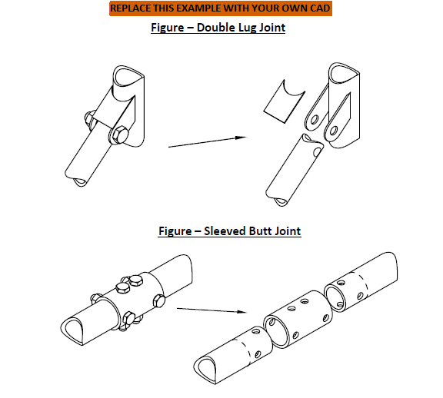
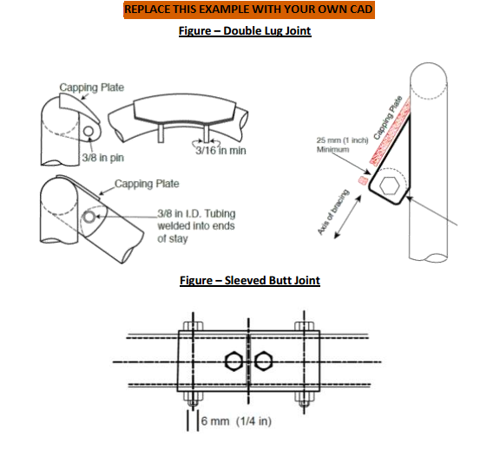
BLANK
Bolted Members Used?
 | Tube Chassis BY133: | 0

For EQ:
All entries filled out correctly.
- or if not used -
1. Clear Row 34.
2. Clear Row 41 Lug and Cap thickness.

Symmetric left / right |  |  |  |  |  | Bolted Chassis Connection with dimensions. |  |  |  |  |  | Bolted Chassis Connection with dimensions. |  |  |  |  |  | Bolted Chassis Connection with dimensions.
attachments only need to be
entered for one side. |  |  |  |  |  | Also show in context where removable |  |  |  |  |  | Also show in context where removable |  |  |  |  |  | Also show in context where removable

If more than 5 non-symmetric |  |  |  |  |  | members are located. |  |  |  |  |  | members are located. |  |  |  |  |  | members are located.
bolted connections are used,
make a copy of this tab.

Removable tubes require
welded inserts to prevent
crushing.

mm

BLANK
 |  |  |  |  |  | Removable tubes require welded inserts to prevent crushing. |  |  |  |  |  | Removable tubes require welded inserts to prevent crushing. |  |  |  |  |  | Removable tubes require welded inserts to prevent crushing.
 |  |  | If additional images are necessary, they may be placed below each section. |  |  |  |  |  | If additional images are necessary, they may be placed below each section. |  |  |  |  |  | If additional images are necessary, they may be placed below each section.
 |  |  | N/A |  | Bolted Connection |  |  |  | N/A |  | Bolted Connection |  |  |  | N/A |  | Bolted Connection

 |  |  | EQ |  |  |  |  |  | EQ |  |  |  |  |  | EQ
 |  |  | F.5.12.2 |  |  |  | Bolted Connection: | N/A | F.5.12.2 |  |  |  | Bolted Connection: | N/A | F.5.12.2 |  |  |  | Bolted Connection:
 |  |  | F.5.3.1 | All fasteners for removable tubing require crush bushings through the tubes. |  |  |  |  | F.5.3.1 | All fasteners for removable tubing require crush bushings through the tubes. |  |  |  |  | F.5.3.1 | All fasteners for removable tubing require crush bushings through the tubes.
 |  |  |  | This is the only location where we recognize grinding welds flush is necessary. |  |  |  |  |  | This is the only location where we recognize grinding welds flush is necessary. |  |  |  |  |  | This is the only location where we recognize grinding welds flush is necessary.
FEA is not accepted anywhere |  |  |  | Inserts are not mandatory for outside sleeves and lugs for removable tubing. |  |  |  |  |  | Inserts are not mandatory for outside sleeves and lugs for removable tubing. |  |  |  |  |  | Inserts are not mandatory for outside sleeves and lugs for removable tubing.
...

